Sheet1
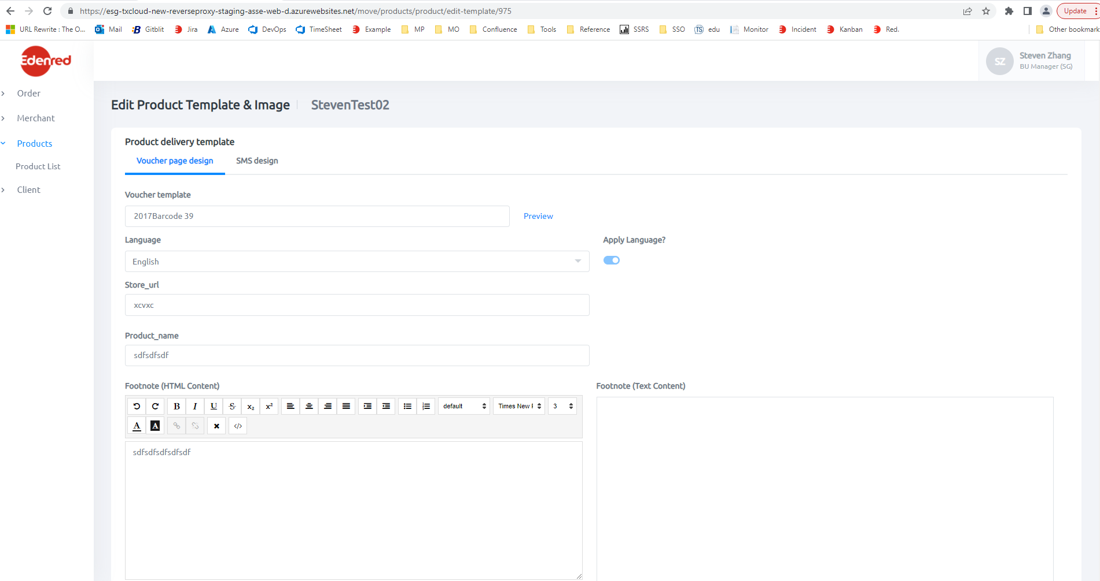
 | {
 | path: 'product/edit-template/:id',
 | component: EditProductTemplateComponent,
 | canActivate: [PageAuthorizationGuard]
 | },

 | Products\src\app\products\components\main-product-details\edit\edit-product-template\edit-product-template.component.html

 | <app-product-template *ngIf="!(this.loading$ | async)"
 | [templateFormGroup]="templateFormGroup" [selectedTenant]="selectedTenant" [selectedType]="selectedType"
 | [voucherNumberRuleList]="voucherNumberRuleList"
 | [emailTemplateTags]="emailTemplateTags"
 | [smsTemplateTags]="smsTemplateTags" [toast]="toast"
 | [hideWalletImageSettings]="hideWalletImageSettings"
 | [productTemplateList]="productTemplateList"
 | [editMode]="true"
 | (templateLanguageChanged)="OnProductTemplateLanguageChanged($event)">
 | </app-product-template>

 | Products\src\app\products\components\create-product\product-template\product-template.component.html
https://esg-txcloud-new-reverseproxy-staging-asse-web-d.azurewebsites.net/move/products/product/edit-template/975

