Overview
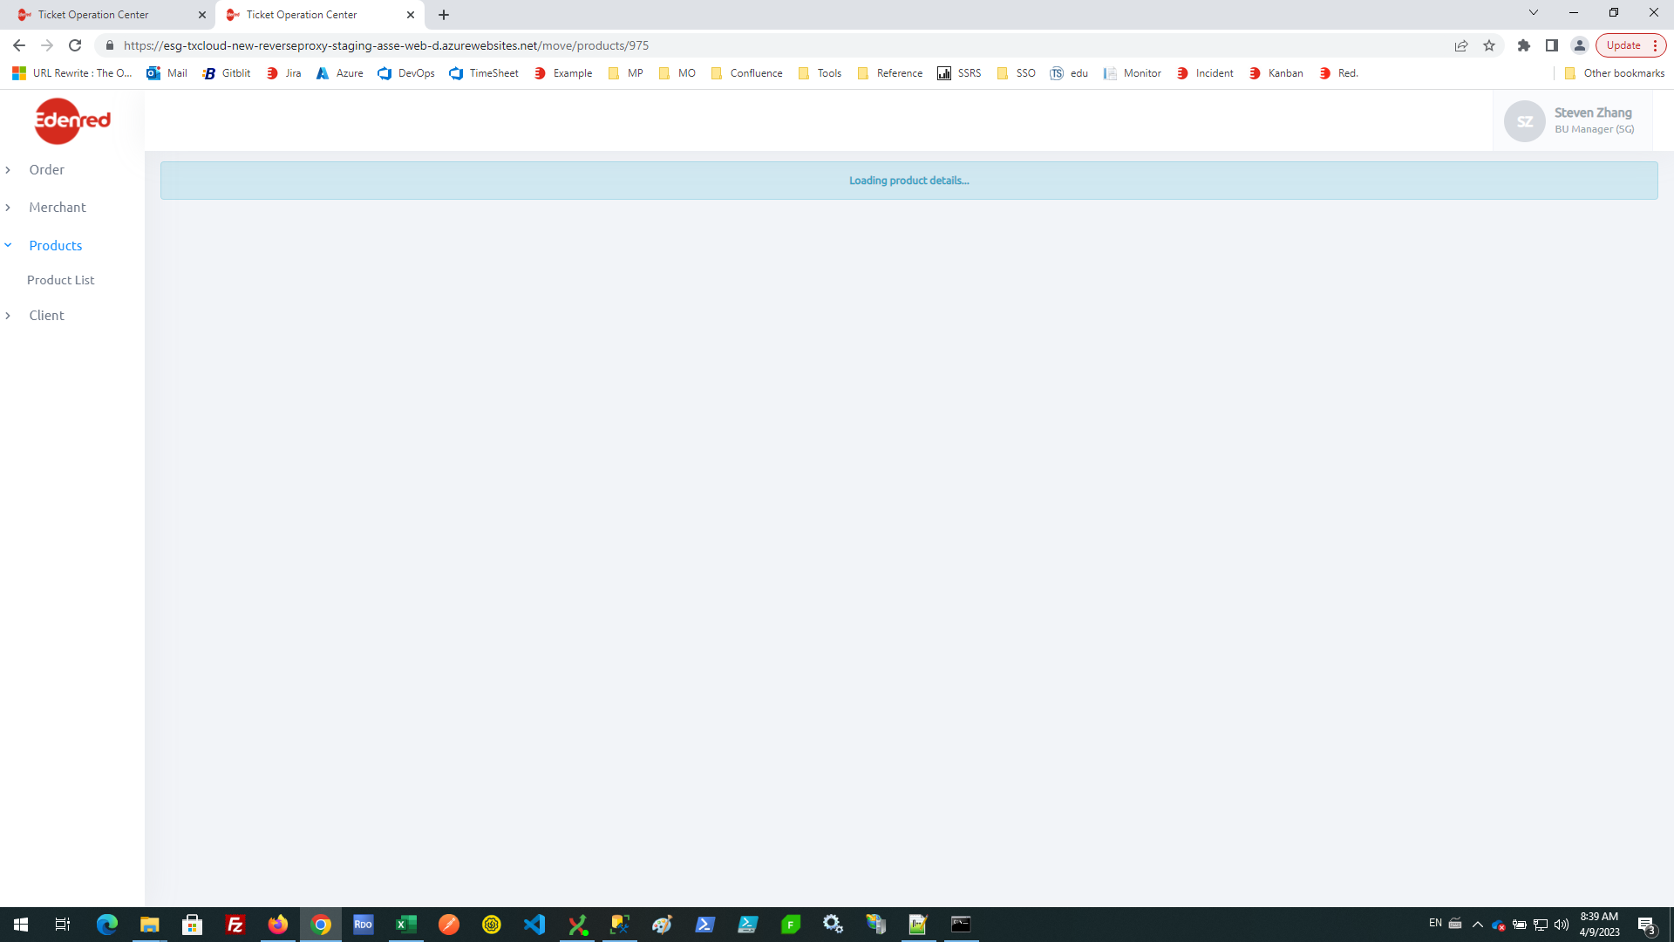

Products\src\app\products\components\main-product-details\main-product-details.component.html

