Sheet1
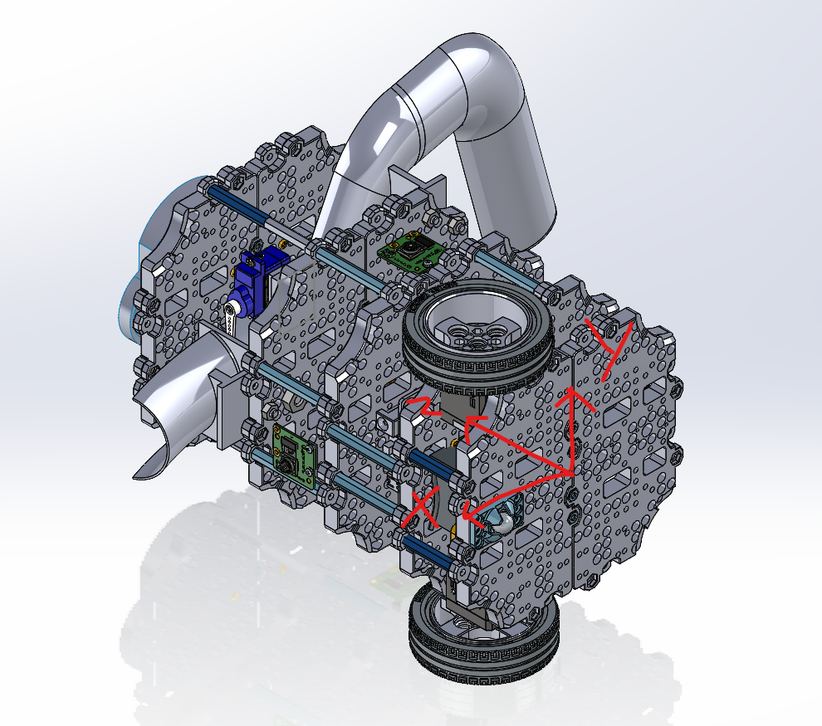
S/No. | Part | Qty | Weight (kg)/unit | Total Weight (kg) | CGX | CGY | CGZ | X | Y | Z | Remarks
1 | LiDAR | 1 | 0.131 | 0.131 | 0 | 0 | 21.615 | 0 | 0 | 165
2 | Wheel & Tire 1 | 1 | 0.0275 | 0.0275 | 0.825 | 2.475 | 0.6875 | 30 | 90 | 25
3 | Wheel & Tire 2 | 1 | 0.0275 | 0.0275 | 0.825 | -2.475 | 0.6875 | 30 | -90 | 25
4 | Battery | 1 | 0.141 | 0.141 | 0 | 0 | 1.7625 | 0 | 0 | 12.5
5 | Raspberry Pi | 1 | 0.046 | 0.046 | -1.38 | 0.92 | 5.52 | -30 | 20 | 120
6 | Waffle Plate 1 | 1 | 0.099 | 0.099 | 0 | 0 | 0.495 | 0 | 0 | 5
7 | Waffle Plate 2 | 1 | 0.099 | 0.099 | 0 | 0 | 4.158 | 0 | 0 | 42
8 | Waffle Plate 3 | 1 | 0.099 | 0.099 | 0 | 0 | 8.91 | 0 | 0 | 90
9 | Waffle Plate 4 | 1 | 0.099 | 0.099 | 0 | 0 | 13.959 | 0 | 0 | 141
10 | OpenCR | 1 | 0.06 | 0.06 | 0 | 0 | 3.9 | 0 | 0 | 65
11 | Motor 1 | 1 | 0.0572 | 0.0572 | 1.716 | 3.146 | 3.718 | 30 | 55 | 65
12 | Motor 2 | 1 | 0.0572 | 0.0572 | 1.716 | -3.146 | 3.718 | 30 | -55 | 65
13 | Support Pillar 1.1 | 1 | 0.00494 | 0.00494 | 0.3211 | 0.1235 | 0.1235 | 65 | 25 | 25
14 | Support Pillar 1.2 | 1 | 0.00494 | 0.00494 | 0.3211 | -0.1235 | 0.1235 | 65 | -25 | 25
15 | Support Pillar 1.3 | 1 | 0.00494 | 0.00494 | -0.3211 | 0.1235 | 0.1235 | -65 | 25 | 25
16 | Support Pillar 1.4 | 1 | 0.00494 | 0.00494 | -0.3211 | -0.1235 | 0.1235 | -65 | -25 | 25
17 | Support Pillar 2.1 | 1 | 0.0065 | 0.0065 | 0.4615 | 0.0715 | 0.4225 | 71 | 11 | 65
18 | Support Pillar 2.2 | 1 | 0.0065 | 0.0065 | 0.4615 | -0.0715 | 0.4225 | 71 | -11 | 65
19 | Support Pillar 2.3 | 1 | 0.0065 | 0.0065 | -0.1495 | 0.39 | 0.4225 | -23 | 60 | 65
20 | Support Pillar 2.4 | 1 | 0.0065 | 0.0065 | -0.1495 | -0.39 | 0.4225 | -23 | -60 | 65
21 | Support Pillar 3.1 | 1 | 0.0065 | 0.0065 | 0.4225 | 0.1625 | 0.715 | 65 | 25 | 110
22 | Support Pillar 3.2 | 1 | 0.0065 | 0.0065 | 0.4225 | -0.1625 | 0.715 | 65 | -25 | 110
23 | Support Pillar 3.3 | 1 | 0.0065 | 0.0065 | -0.4225 | 0.1625 | 0.715 | -65 | 25 | 110
24 | Support Pillar 3.4 | 1 | 0.0065 | 0.0065 | 0.4225 | -0.1625 | 0.715 | 65 | -25 | 110
25 | Support Pillar 3.5 | 1 | 0.0065 | 0.0065 | 0.1625 | 0.4615 | 0.715 | 25 | 71 | 110
26 | Support Pillar 3.6 | 1 | 0.0065 | 0.0065 | 0.1625 | -0.4615 | 0.715 | 25 | -71 | 110
27 | Support Pillar 4.1.1 | 1 | 0.00494 | 0.00494 | 0.3211 | 0.1235 | 0.8398 | 65 | 25 | 170
28 | Support Pillar 4.1.2 | 1 | 0.0065 | 0.0065 | 0.4225 | 0.1625 | 1.0075 | 65 | 25 | 155
29 | Support Pillar 4.2.1 | 1 | 0.00494 | 0.00494 | 0.3211 | -0.1235 | 0.8398 | 65 | -25 | 170
30 | Support Pillar 4.2.2 | 1 | 0.0065 | 0.0065 | 0.4225 | -0.1625 | 1.0075 | 65 | -25 | 155
31 | Support Pillar 4.3.1 | 1 | 0.00494 | 0.00494 | -0.3211 | 0.1235 | 0.8398 | -65 | 25 | 170
32 | Support Pillar 4.3.2 | 1 | 0.0065 | 0.0065 | -0.4225 | 0.1625 | 1.0075 | -65 | 25 | 155
33 | Support Pillar 4.4.1 | 1 | 0.00494 | 0.00494 | 0.3211 | -0.1235 | 0.8398 | 65 | -25 | 170
34 | Support Pillar 4.4.2 | 1 | 0.0065 | 0.0065 | 0.4225 | -0.1625 | 1.0075 | 65 | -25 | 155
35 | Camera and Mount Assembly High | 1 | 0.005 | 0.005 | 0 | 0 | 0.47 | 0 | 0 | 94
36 | Camera and Mount Assembly Low | 1 | 0.005 | 0.005 | 0.405 | 0 | 0.551 | 81 | 0 | 110.2
37 | Ball Caster | 1 | 0.00492 | 0.00492 | 0.492 | 0 | 0.168264 | 100 | 0 | 34.2
38 | Servo and Mount 1 | 1 | 0.013 | 0.013 | 0.338 | 0.52 | 2.145 | 26 | 40 | 165
39 | Servo and Mount 2 | 1 | 0.013 | 0.013 | 0.026 | 0.325 | 2.145 | 2 | 25 | 165
40 | Ball Holder Ramp | 1 | 0.02 | 0.02 | -1.42 | -1.06 | 3.32 | -71 | -53 | 166
41 | Ball Holding Area | 1 | 0.01 | 0.01 | 0.15 | 0 | 1.48 | 15 | 0 | 148
42 | Ball Deposit Ramp | 1 | 0.01 | 0.01 | 0.61 | 0 | 1.47 | 61 | 0 | 147
43 | Waffle Plate 5 | 1 | 0.099 | 0.099 | 0 | 0 | 20.889 | 0 | 0 | 211
Total Weight | Turtlebot | 1 |  | 1.25384

 |  |  |  |  | X | Y | Z
 | Name | Matric No. |  | Total CG | 7.5842 | 0.705 | 115.631964
 | Layog Ethan Andrei Belo | A0282414J
 | Chua Wei Jack | A0325536A
 | Viswanathan Sahanaa | A0300875E
 | Chin Yan Xu | A0252820M
 | Tan Yun Qi | A0302913N

