T2M - IP PORTFOLIO
IP PRODUCT PROTFOLIO

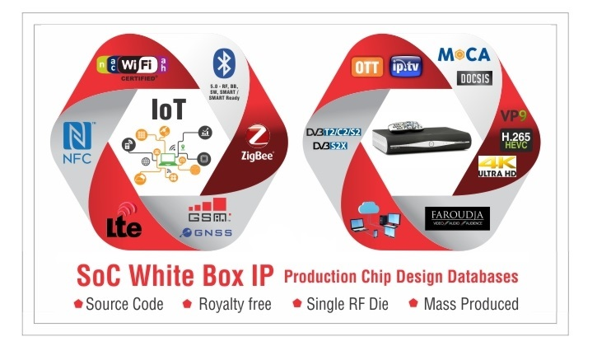

contact@t-2-m.com
product-info-request@t-2-m.com

www-t-2-m.com

