Summary (short)
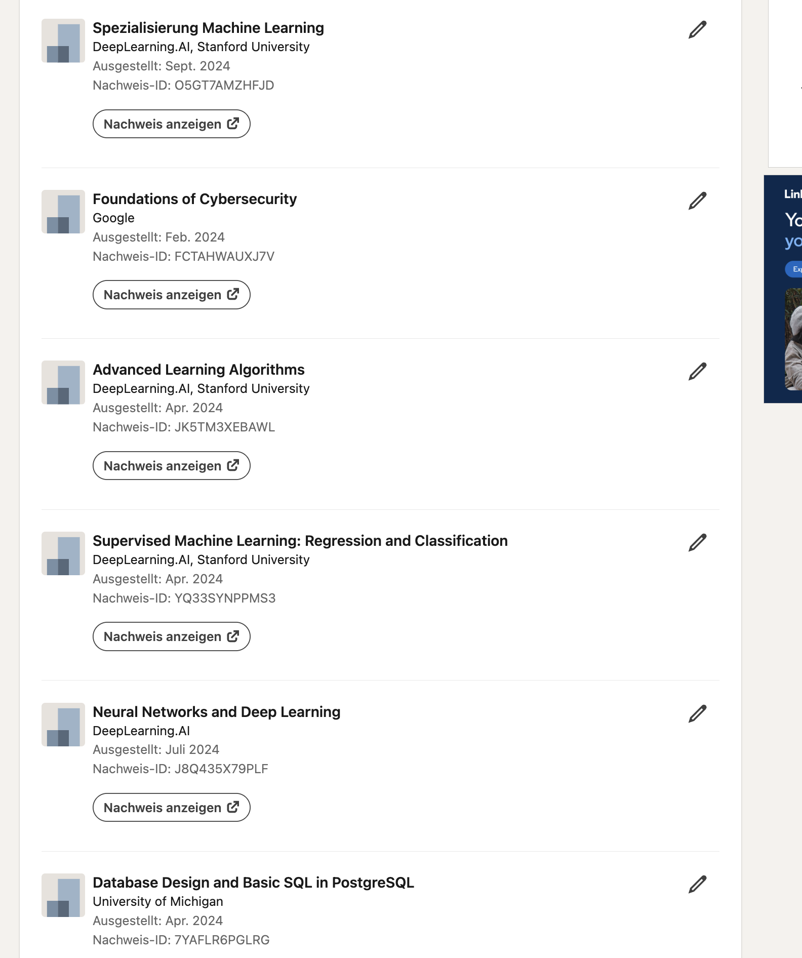
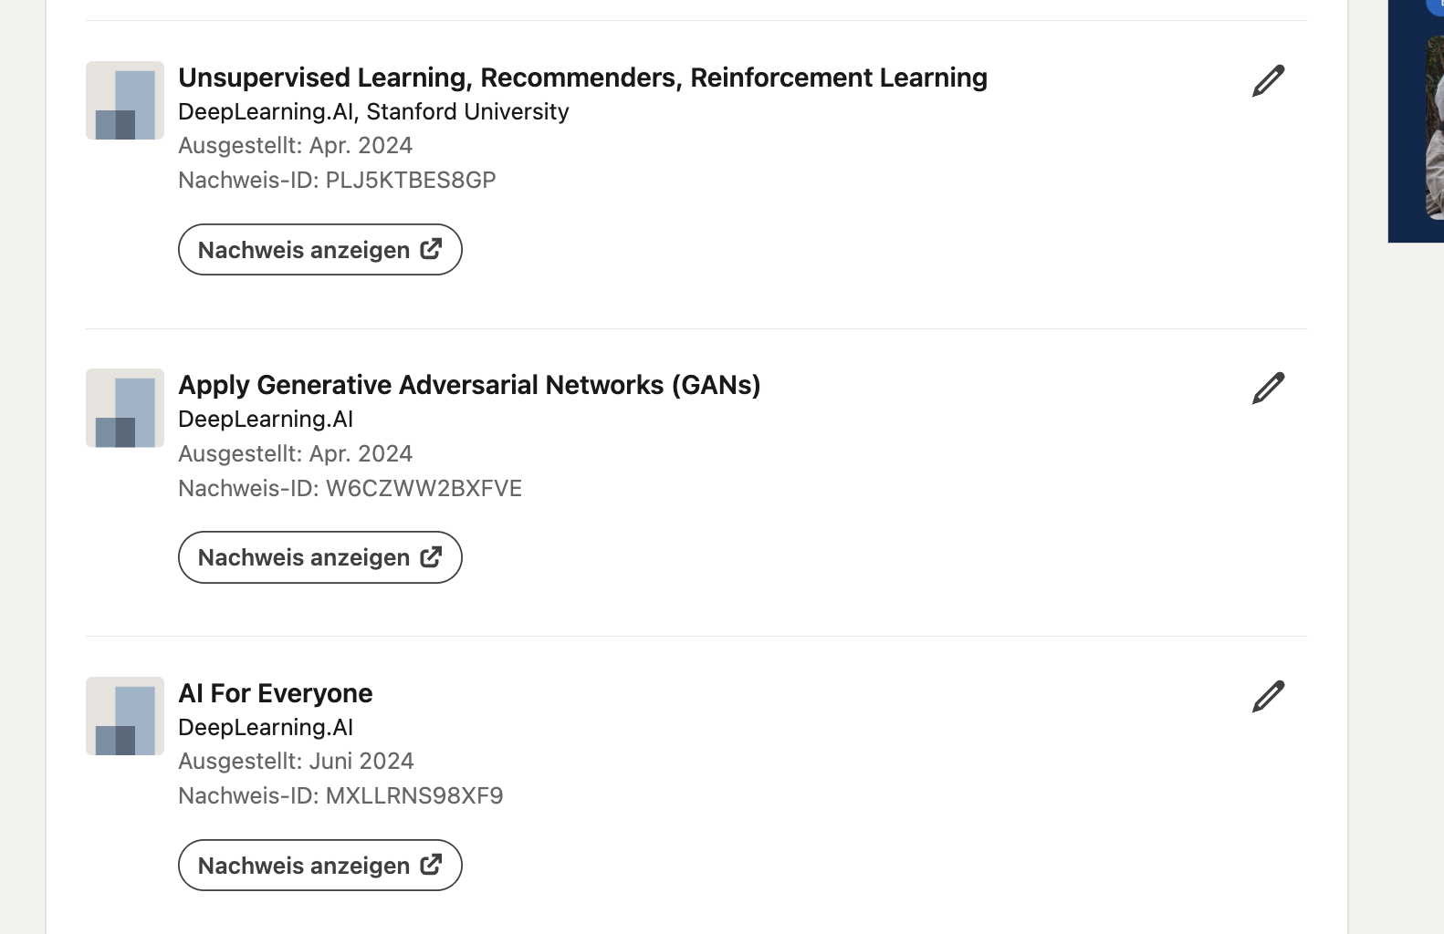
Foundation | Engineering | Product and Process | Advisory and Business Consulting | Leadership and Strategy
Digital & AI Terminology, AI Concepts, Tool overviews | AI Systems and Architecture | AI-Augmented Requirement Engineering | AI & Automation Use Case Spotting | Managing AI Transformations
Data Literacy | Agentic Software Development | AI-Enhanced User Research | AI Cost & Value Economics | AI Workforce Strategy
Personal AI Productivity | AI-Driven Testing & QA |  | Consultative Prompting | Decision Making with AI
Corporate Ethics & Compliance | AI-Supported Code Modernization |  | AI Ecosystem Knowledge
 | AI-Assisted Documentation
 | Sustainable Software & Green Coding

 | Parellele Entwicklung | Schulungsempfehlungen | Wer hält den Betrieb?
ASE Empfehlung: | basierend auf dem Score kannst du einen Lernpfad durchlaufen, der | ASE -> Literacy -> anonymes Self Assessment aus der HTML von unserer ASE externen Seite (kein Betriebsrat)

