OSI Model
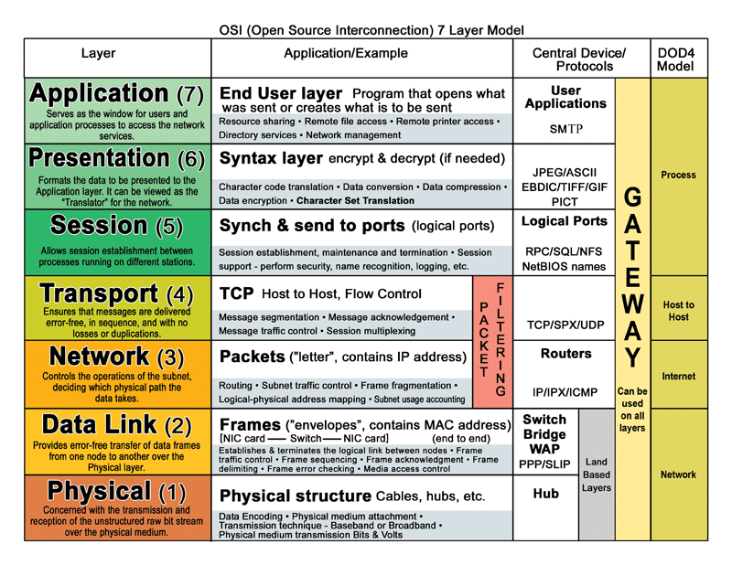

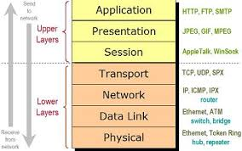

Protocols
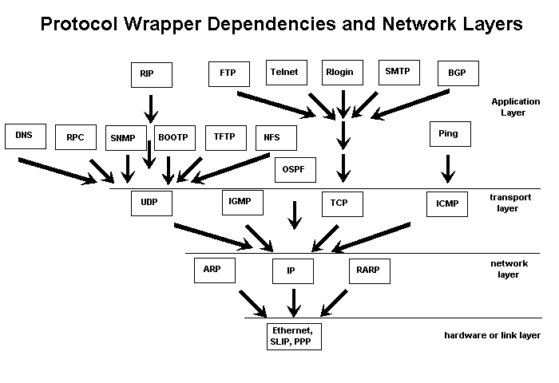
Name(layer) | Importance | Names of protocols | What it does
Hardware(link) | Essential | ethernet, SLIP, PPP, Token Ring, ARCnet | Allows messages to be packaged and sent between physical locations.
Package management(network) | Essential | IP, ICMP | Manages movement of messages and reports errors. It uses message protocols and software to manage this process. (includes routing)
Inter layer communication | Essential | ARP | Communicates between layers to allow one layer to get information to support another layer. This includes broadcasting
Service control(transport) | Critical | TCP, UDP | Controls the management of service between computers. Based on values in TCP and UDP messages a server knows what service is being requested.
Application and user support | Important | DNS, RPC | DNS provides address to name translation for locations and network cards. RPC allows remote computer to perform functions on other computers.
Network Management | Advanced | RARP, BOOTP, DHCP, IGMP, SNMP,RIP, OSPF, BGP, CIDR | Enhances network management and increases functionality
Utility(Application) | Useful | FTP, TFTP, SMTP, Telnet, NFS, ping, Rlogin | Provides direct services to the user.

Understand IP Address
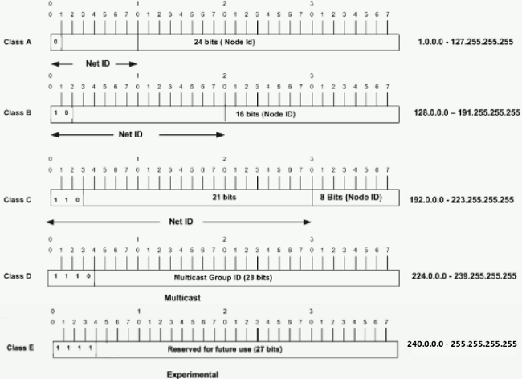

IPV6 adoption Rate
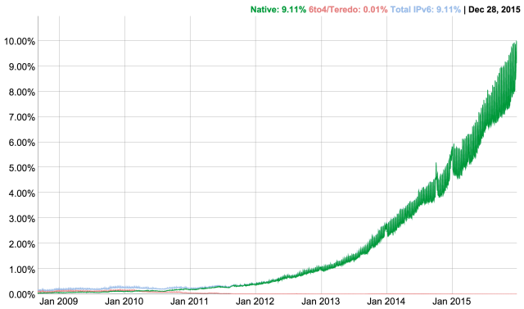

2016

