data
time | period | observed
1 | Jan-12 | 7956.2 |  | Press this button here if you want import the data from another Excel
2 | Feb-12 | 7858
3 | Mar-12 | 7919.2
4 | Apr-12 | 8052.1 |  | Press this button if you want to delete all the imported data
5 | May-12 | 8066.3
6 | Jun-12 | 8066.7
Chart of the Observed Data
7 | Jul-12 | 8086.2
8 | Aug-12 | 8052.4
9 | Sep-12 | 8044.4
10 | Oct-12 | 8077.6
11 | Nov-12 | 8113.3
12 | Dec-12 | 8123.7
13 | Jan-13 | 8275.1
14 | Feb-13 | 8297.1
15 | Mar-13 | 8255.2
16 | Apr-13 | 8292.6
17 | May-13 | 8311
18 | Jun-13 | 8334.5
19 | Jul-13 | 8430
20 | Aug-13 | 8463.3
21 | Sep-13 | 8438.5
22 | Oct-13 | 8452.2
23 | Nov-13 | 8510.5 | Input the characteristic of the time series here for the forecasting:
24 | Dec-13 | 8477.6
25 | Jan-14 | 8477.7 | Period: |  | MS
26 | Feb-14 | 8513.9 | Seasonality repetition: |  | 12
27 | Mar-14 | 8582.2
28 | Apr-14 | 8610.2 |  | Press this button to inspect and analyze the components in your time series
29 | May-14 | 8637.7
30 | Jun-14 | 8731.7
31 | Jul-14 | 8746.5 | Period to forecast: |  | 24
32 | Aug-14 | 8765.1 | Method to forecast: |  | mul
33 | Sep-14 | 8812.8
34 | Oct-14 | 8874.4 | Press these 3 buttons to forecast (trend, level and seasonality):
35 | Nov-14 | 8859.5
36 | Dec-14 | 8842.7
37 | Jan-15 | 8933.2
38 | Feb-15 | 8972.1
39 | Mar-15 | 9022.5 | Forecast SES: Simple Exponential Smoothing, the alpha parameter is already optimized Holt's 2 Comps: Forecast time series where you have level and trend components in your data HWES 3 Comps: Forecast time series where you have level, trend, and seasonality components in your data
40 | Apr-15 | 9008.4
41 | May-15 | 9009.7
42 | Jun-15 | 9028.3
43 | Jul-15 | 9099.2
44 | Aug-15 | 9130.9
45 | Sep-15 | 9143.7
46 | Oct-15 | 9156.4
47 | Nov-15 | 9158.8
48 | Dec-15 | 9412
49 | Jan-16 | 9506.4
50 | Feb-16 | 9413.9
51 | Mar-16 | 9453.9
52 | Apr-16 | 9458.3
53 | May-16 | 9495.9
54 | Jun-16 | 9569.2
55 | Jul-16 | 9604.9
56 | Aug-16 | 9645.7
57 | Sep-16 | 9674.8
58 | Oct-16 | 9705.2
59 | Nov-16 | 9742.9
60 | Dec-16 | 9733.1
61 | Jan-17 | 9724.7
62 | Feb-17 | 9801.1
63 | Mar-17 | 9798.3
64 | Apr-17 | 9813.7
65 | May-17 | 9867.7
66 | Jun-17 | 9894.4
67 | Jul-17 | 9886.4
68 | Aug-17 | 9923
69 | Sep-17 | 9942.5
70 | Oct-17 | 10013.5
71 | Nov-17 | 10038.3
72 | Dec-17 | 10057.9
73 | Jan-18 | 10054.9
74 | Feb-18 | 10041.5
75 | Mar-18 | 10082
76 | Apr-18 | 10035.9
77 | May-18 | 10091.6
78 | Jun-18 | 10101.2
79 | Jul-18 | 10114
80 | Aug-18 | 10213.9
81 | Sep-18 | 10264.4
82 | Oct-18 | 10265.9
83 | Nov-18 | 10342.7
84 | Dec-18 | 10351.8
85 | Jan-19 | 10394.4
86 | Feb-19 | 10402.2
87 | Mar-19 | 10371.3
88 | Apr-19 | 10434.2
89 | May-19 | 10458.8
90 | Jun-19 | 10477.9
91 | Jul-19 | 10493.5
92 | Aug-19 | 10462.8
93 | Sep-19 | 10548.3
94 | Oct-19 | 10574.4
95 | Nov-19 | 10573
96 | Dec-19 | 10662.2
97 | Jan-20 | 10658
98 | Feb-20 | 10674.7
99 | Mar-20 | 10771.8
100 | Apr-20 | 10821.2
101 | May-20 | 10851.5
102 | Jun-20 | 10896.4
103 | Jul-20 | 10926.6
104 | Aug-20 | 10937.9
105 | Sep-20 | 10976.2
106 | Oct-20 | 10990
107 | Nov-20 | 11019
108 | Dec-20 | 11073.2
109 | Jan-21 | 11112.5
110 | Feb-21 | 11197.5
111 | Mar-21 | 11257.5
112 | Apr-21 | 11252.6
113 | May-21 | 11230.1
114 | Jun-21 | 11224.3
115 | Jul-21 | 11269.3
116 | Aug-21 | 11305.5
117 | Sep-21 | 11331.9
118 | Oct-21 | 11348.6
119 | Nov-21 | 11418.2
120 | Dec-21 | 11377.4

forecast
 | forecast | level | observed | season | trend | method |  | Holt-Winter's 3 Components
2012-01-01 | 8095.2438275 | 7929.9584523 | 7956.2 | 1.0035519889 | 1.0036010173 | mae |  | 34.63993386
2012-02-01 | 7977.7009915 | 7852.3646474 | 7858 | 1.0009258667 | 1.0035996787 | rmse |  | 47.678980033
2012-03-01 | 7892.1718662 | 7904.6215823 | 7919.2 | 1.0018031198 | 1.0035999842
2012-04-01 | 7943.3043493 | 8029.6651502 | 8052.1 | 1.0026430682 | 1.0036012061
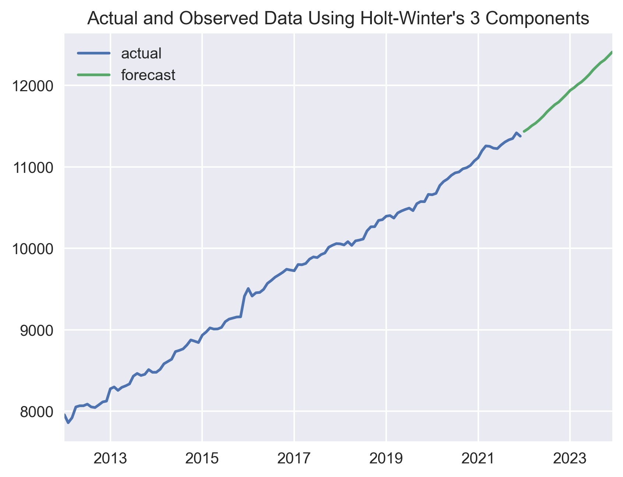
2012-05-01 | 8069.3102232 | 8055.909314 | 8066.3 | 1.0012944454 | 1.0036011729
2012-06-01 | 8096.4635645 | 8058.5000751 | 8066.7 | 1.0010643231 | 1.0036008449
2012-07-01 | 8113.7420407 | 8063.1137086 | 8086.2 | 1.0029063711 | 1.003600542
2012-08-01 | 8115.9813 | 8035.792047 | 8052.4 | 1.0021698349 | 1.0035998431
2012-09-01 | 8083.5706084 | 8029.9809651 | 8044.4 | 1.0018579258 | 1.0035994108
2012-10-01 | 8071.6514427 | 8064.1636438 | 8077.6 | 1.0016571251 | 1.0035994766
2012-11-01 | 8107.8767579 | 8098.0025543 | 8113.3 | 1.0018808137 | 1.0035995362 |  | AREA FOR CHART
2012-12-01 | 8133.7361377 | 8118.2374205 | 8123.7 | 1.0006882682 | 1.0035994261
2013-01-01 | 8176.3980986 | 8234.886812 | 8275.1 | 1.0047480496 | 1.0036005031
2013-02-01 | 8272.1884072 | 8286.6606902 | 8297.1 | 1.0012234667 | 1.0036007718
2013-03-01 | 8331.4947087 | 8248.8005865 | 8255.2 | 1.0008973795 | 1.0035999548
2013-04-01 | 8300.3765248 | 8271.6013435 | 8292.6 | 1.0025503246 | 1.0035998712
2013-05-01 | 8312.1237236 | 8300.3804245 | 8311 | 1.0012810807 | 1.0035998592
2013-06-01 | 8339.1267138 | 8326.1521796 | 8334.5 | 1.0010094873 | 1.0035998097
2013-07-01 | 8380.4107419 | 8400.0783057 | 8430 | 1.0034922833 | 1.0036003376
2013-08-01 | 8448.6138293 | 8443.3481142 | 8463.3 | 1.0023418293 | 1.0036004927
2013-09-01 | 8489.4919224 | 8428.5042107 | 8438.5 | 1.0012638037 | 1.0035999568
2013-10-01 | 8472.8638286 | 8440.5081828 | 8452.2 | 1.0014159406 | 1.0035997392
2013-11-01 | 8486.8239807 | 8491.8985913 | 8510.5 | 1.0021567631 | 1.0035999881
2013-12-01 | 8528.33507 | 8477.4004912 | 8477.6 | 1.0001005182 | 1.0035994574
2014-01-01 | 8548.3105328 | 8445.4434287 | 8477.7 | 1.0039286491 | 1.0035987204
2014-02-01 | 8486.2061215 | 8500.4240158 | 8513.9 | 1.0015460568 | 1.0035990116
2014-03-01 | 8538.6726999 | 8569.6751099 | 8582.2 | 1.0014011245 | 1.0035994664
2014-04-01 | 8622.4554881 | 8589.6548268 | 8610.2 | 1.002409637 | 1.0035993395
2014-05-01 | 8631.6155592 | 8625.9736243 | 8637.7 | 1.0013507649 | 1.0035994024
2014-06-01 | 8665.7611288 | 8715.5778099 | 8731.7 | 1.001761496 | 1.0036000813
2014-07-01 | 8777.5014416 | 8719.492437 | 8746.5 | 1.0031423583 | 1.0035997662
2014-08-01 | 8771.3736399 | 8745.3167828 | 8765.1 | 1.0022710482 | 1.0035997024
2014-09-01 | 8787.8894694 | 8798.9130527 | 8812.8 | 1.0015440222 | 1.0035999553
2014-10-01 | 8843.092335 | 8858.3796737 | 8874.4 | 1.0017659751 | 1.0036002711
2014-11-01 | 8909.4464533 | 8845.9689646 | 8859.5 | 1.001602087 | 1.003599771
2014-12-01 | 8878.7048089 | 8845.8099405 | 8842.7 | 0.99970010871 | 1.0035994092
2015-01-01 | 8912.5268005 | 8895.9547136 | 8933.2 | 1.00415856 | 1.0035996161
2015-02-01 | 8941.7798948 | 8954.8875379 | 8972.1 | 1.0018813521 | 1.0035999187
2015-03-01 | 8999.7164846 | 9007.3489852 | 9022.5 | 1.0016514181 | 1.0036001445
2015-04-01 | 9061.5593238 | 8992.6354947 | 9008.4 | 1.0018290443 | 1.0035996211
2015-05-01 | 9037.1962361 | 9000.5963567 | 9009.7 | 1.0010499664 | 1.0035993497
2015-06-01 | 9048.9042304 | 9014.7091675 | 9028.3 | 1.0015362928 | 1.0035991465
2015-07-01 | 9075.583828 | 9068.0817556 | 9099.2 | 1.0034000779 | 1.0035993787
2015-08-01 | 9121.3893922 | 9109.1563104 | 9130.9 | 1.002374225 | 1.0035994717
2015-09-01 | 9156.0598258 | 9130.9743965 | 9143.7 | 1.0014105399 | 1.0035993513
2015-10-01 | 9180.0230939 | 9142.8777566 | 9156.4 | 1.0015114626 | 1.0035991217
2015-11-01 | 9190.4844909 | 9147.6638882 | 9158.8 | 1.0012611663 | 1.0035988141
2015-12-01 | 9177.8314528 | 9388.806186 | 9412 | 1.0022184122 | 1.0036010904
2016-01-01 | 9461.8006405 | 9462.0975849 | 9506.4 | 1.004625872 | 1.003601511
2016-02-01 | 9514.0410828 | 9407.3243237 | 9413.9 | 1.0008402019 | 1.0036005719
2016-03-01 | 9456.7874337 | 9438.6335808 | 9453.9 | 1.0016212231 | 1.0036005447
2016-04-01 | 9489.9436402 | 9444.5402218 | 9458.3 | 1.0014992325 | 1.0036002472
2016-05-01 | 9488.4950531 | 9485.1184659 | 9495.9 | 1.0011270977 | 1.0036003168
2016-06-01 | 9533.8922797 | 9550.6057945 | 9569.2 | 1.0019024908 | 1.0036006472
2016-07-01 | 9617.5838833 | 9573.7572966 | 9604.9 | 1.0032694276 | 1.0036005295
2016-08-01 | 9631.0399879 | 9621.2287294 | 9645.7 | 1.0025248652 | 1.0036006653
2016-09-01 | 9669.4915464 | 9660.5837436 | 9674.8 | 1.0014648182 | 1.0036007143
2016-10-01 | 9710.0229329 | 9691.0879733 | 9705.2 | 1.0014623495 | 1.00360067
2016-11-01 | 9738.2484644 | 9730.1120578 | 9742.9 | 1.0013083849 | 1.0036007126
2016-12-01 | 9786.8105169 | 9717.5082654 | 9733.1 | 1.001675374 | 1.003600223
2017-01-01 | 9797.6072489 | 9687.9825449 | 9724.7 | 1.0038877896 | 1.0035995591
2017-02-01 | 9731.0241722 | 9785.0951221 | 9801.1 | 1.0015517828 | 1.0036002016
2017-03-01 | 9836.2443727 | 9786.6481952 | 9798.3 | 1.0012397435 | 1.0035998574
2017-04-01 | 9836.6040128 | 9801.5491808 | 9813.7 | 1.0012689998 | 1.0035996497
2017-05-01 | 9847.9183939 | 9854.3959621 | 9867.7 | 1.0013256414 | 1.0035998289
2017-06-01 | 9908.685488 | 9877.1954366 | 9894.4 | 1.0017598793 | 1.0035997003
2017-07-01 | 9945.1593999 | 9860.6876857 | 9886.4 | 1.002684189 | 1.0035991732
2017-08-01 | 9921.1645239 | 9897.8055061 | 9923 | 1.002543177 | 1.0035991897
2017-09-01 | 9947.980254 | 9928.5651565 | 9942.5 | 1.001410349 | 1.0035991405
2017-10-01 | 9978.8707465 | 9995.0374409 | 10013.5 | 1.0018054697 | 1.0035994501
2017-11-01 | 10044.138507 | 10025.830846 | 10038.3 | 1.0012509194 | 1.0035993983
2017-12-01 | 10078.775279 | 10043.392209 | 10057.9 | 1.0014705403 | 1.0035992135
2018-01-01 | 10118.727654 | 10023.022028 | 10054.9 | 1.003262591 | 1.0035986507
2018-02-01 | 10074.700908 | 10029.623875 | 10041.5 | 1.0012259153 | 1.0035983567
2018-03-01 | 10078.192942 | 10069.094051 | 10082 | 1.0012770852 | 1.0035983904
2018-04-01 | 10118.150241 | 10032.304659 | 10035.9 | 1.0004654059 | 1.0035976652
2018-05-01 | 10081.744616 | 10077.146666 | 10091.6 | 1.0014222827 | 1.0035977524
2018-06-01 | 10131.200111 | 10086.780639 | 10101.2 | 1.001467009 | 1.0035974882
2018-07-01 | 10150.23994 | 10090.939234 | 10114 | 1.0023307413 | 1.0035971697
2018-08-01 | 10152.993414 | 10181.242317 | 10213.9 | 1.0031369536 | 1.0035977049
2018-09-01 | 10232.282186 | 10246.381655 | 10264.4 | 1.0017206873 | 1.0035979849
2018-10-01 | 10301.814074 | 10251.380471 | 10265.9 | 1.0014606562 | 1.0035976739
2018-11-01 | 10301.131381 | 10325.166962 | 10342.7 | 1.001649828 | 1.0035980339
2018-12-01 | 10377.555468 | 10339.45611 | 10351.8 | 1.0012251472 | 1.0035978125
2019-01-01 | 10410.510317 | 10362.381184 | 10394.4 | 1.0031093071 | 1.0035976744
2019-02-01 | 10412.410762 | 10390.596133 | 10402.2 | 1.0011289784 | 1.0035975869
2019-03-01 | 10441.294622 | 10365.836346 | 10371.3 | 1.0006143891 | 1.0035969889
2019-04-01 | 10407.963819 | 10426.433386 | 10434.2 | 1.0007143987 | 1.0035972138
2019-05-01 | 10478.822176 | 10446.166489 | 10458.8 | 1.001233368 | 1.0035970433
2019-06-01 | 10499.121546 | 10464.904998 | 10477.9 | 1.001267156 | 1.003596863
2019-07-01 | 10527.024544 | 10472.814199 | 10493.5 | 1.0020155907 | 1.0035965788
2019-08-01 | 10543.451391 | 10439.011371 | 10462.8 | 1.0023793551 | 1.0035958964
2019-09-01 | 10494.575839 | 10524.223882 | 10548.3 | 1.0022269795 | 1.0035963531
2019-10-01 | 10577.500265 | 10559.320813 | 10574.4 | 1.0014316762 | 1.003596327
2019-11-01 | 10614.779299 | 10560.217943 | 10573 | 1.0012605894 | 1.0035959758
2019-12-01 | 10611.176576 | 10643.49291 | 10662.2 | 1.0017004689 | 1.0035964048
2020-01-01 | 10714.984126 | 10631.273414 | 10658 | 1.0025826106 | 1.0035959303
2020-02-01 | 10681.548372 | 10663.421885 | 10674.7 | 1.0010656071 | 1.0035958731
2020-03-01 | 10708.341245 | 10758.141861 | 10771.8 | 1.0011998338 | 1.0035964018
2020-04-01 | 10804.545705 | 10811.626372 | 10821.2 | 1.0008666916 | 1.0035965394
2020-05-01 | 10863.893484 | 10839.507461 | 10851.5 | 1.0011205981 | 1.0035964376
2020-06-01 | 10892.275818 | 10882.152536 | 10896.4 | 1.0013045859 | 1.0035964714
2020-07-01 | 10943.302736 | 10906.472213 | 10926.6 | 1.0018645953 | 1.0035963352
2020-08-01 | 10971.739239 | 10915.686279 | 10937.9 | 1.0020741252 | 1.00359606
2020-09-01 | 10979.336168 | 10952.158107 | 10976.2 | 1.0021987151 | 1.0035960345
2020-10-01 | 11007.278775 | 10976.204808 | 10990 | 1.0012764717 | 1.0035958945
2020-11-01 | 11029.560324 | 11006.298527 | 11019 | 1.0011659404 | 1.0035958091
2020-12-01 | 11064.658242 | 11053.455198 | 11073.2 | 1.0017768167 | 1.003595878
2021-01-01 | 11121.851495 | 11084.910676 | 11112.5 | 1.0024993817 | 1.0035958029
2021-02-01 | 11136.624465 | 11178.826231 | 11197.5 | 1.0016058656 | 1.0035962906
2021-03-01 | 11232.489509 | 11241.234436 | 11257.5 | 1.0014199322 | 1.0035964893
2021-04-01 | 11291.441137 | 11247.166316 | 11252.6 | 1.0005267779 | 1.0035961824
2021-05-01 | 11300.262055 | 11225.313934 | 11230.1 | 1.0005069067 | 1.0035956284
2021-06-01 | 11280.373035 | 11215.896012 | 11224.3 | 1.0008131729 | 1.003595185
2021-07-01 | 11277.207526 | 11249.203089 | 11269.3 | 1.0017952371 | 1.0035951224
2021-08-01 | 11313.061489 | 11282.93764 | 11305.5 | 1.0020079985 | 1.0035950628
2021-09-01 | 11348.397661 | 11308.867441 | 11331.9 | 1.0020548712 | 1.0035949331
2021-10-01 | 11364.009406 | 11335.841664 | 11348.6 | 1.0011424244 | 1.0035948121
2021-11-01 | 11389.856313 | 11401.758056 | 11418.2 | 1.0014119171 | 1.0035950341
2021-12-01 | 11463.079431 | 11366.719958 | 11377.4 | 1.0010375587 | 1.0035943673
2022-01-01 | 11436.088012
2022-02-01 | 11466.964023
2022-03-01 | 11506.044179
2022-04-01 | 11537.102141
2022-05-01 | 11578.340764
2022-06-01 | 11623.514571
2022-07-01 | 11676.74051
2022-08-01 | 11721.199826
2022-09-01 | 11763.880397
2022-10-01 | 11795.413698
2022-11-01 | 11840.997311
2022-12-01 | 11887.888396
2023-01-01 | 11939.223189
2023-02-01 | 11971.457602
2023-03-01 | 12012.257105
2023-04-01 | 12044.681474
2023-05-01 | 12087.734407
2023-06-01 | 12134.895653
2023-07-01 | 12190.463289
2023-08-01 | 12236.878609
2023-09-01 | 12281.436929
2023-10-01 | 12314.35755
2023-11-01 | 12361.946632
2023-12-01 | 12410.900709

