Sheet6
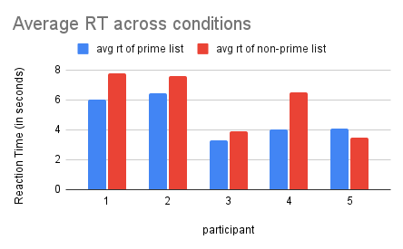
PARTICIPANT | avg rt of prime list | avg rt of non-prime list | avg rt of accurate trials | prime scores | mean RT
1 | 6.0347580667 | 7.7552723444 | 8.0282831455 | -0.2 | 7.067
2 | 6.4026496167 | 7.6100208667 | 8.07015785 | -0.1333 | 6.871
3 | 3.30051905 | 3.9145351625 | 6.5409506334 | 0 | 3.469
4 | 4.0169506333 | 6.4616925444 | 7.1291026334 | -0.1333 | 5.484
5 | 4.0797608333 | 3.4444125444 | 4.35248221 | -0.1333 | 3.699
 |  |  |  | -0.11998 | 5.318

