EOR_Classification
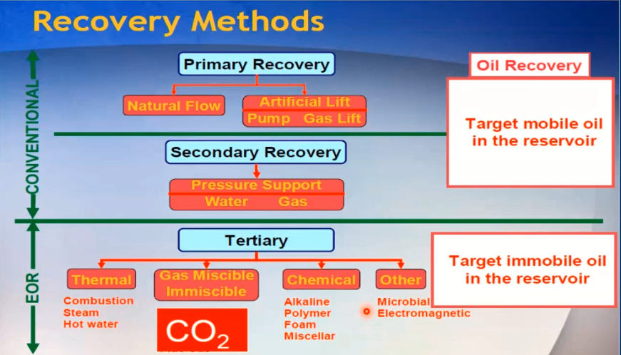
Type
Real_value | Prev. Code | Statastics
Steam | 0 | 103 | Thermal
Hot Water | 1 | 2 | Thermal
Combustion | 2 | 12 | Thermal | Chemical & others | 6
CO2 miscible | 3 | 101 | Gas Misc/Immisc | Thermal | 119
CO2 immiscible | 4 | 16 | Gas Misc/Immisc | Gas mis/im. | 155
Hydrocarbon miscible | 5 | 31 | Gas Misc/Immisc
Hydrocarbon imiscible | 6 | 2 | Gas Misc/Immisc
Nitrogen immiscible | 7 | 3 | Gas Misc/Immisc
Polymer | 8 | 4 | Chemical & others
Acid gas miscible | 9 | 1 | Gas Misc/Immisc
Microbial | 10 | 1 | Chemical & others | 2 | 0 | 1 | code
Cyclic steam | 11 | 1 | Thermal | Chemical & others | Thermal | Gas mis/im.
HC miscible / Water | 12 | 1 | Gas Misc/Immisc | 8 | 0 | 3 | Prev. code
AGA | 13 | 1 | Chemical & others | 10 | 1 | 4
Steam - SAGD | 14 | 1 | Thermal | 13 | 2 | 5
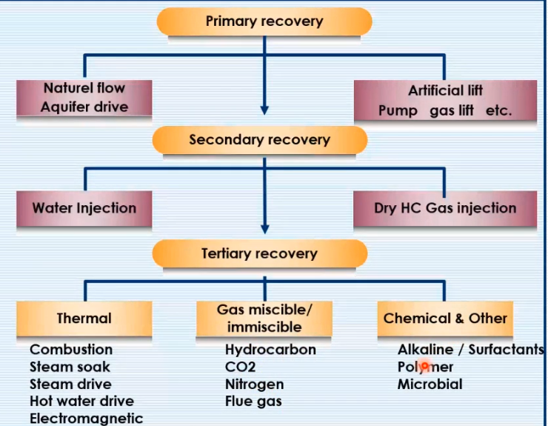
 |  |  |  |  | 11 | 6
 |  |  |  |  | 14 | 7
 |  |  |  |  |  | 9
 |  |  |  |  |  | 12
 |  |  |  | 6 | 119 | 155 | total

