key
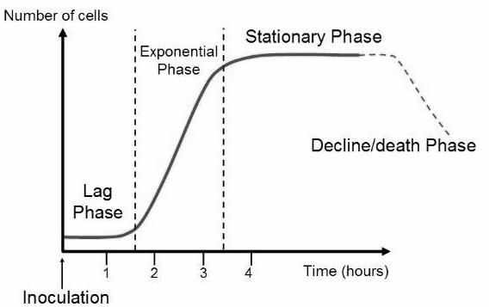
ID | Descriptor | Type
live | Live stain of biofilm fraction after 6 hrs growth (RFU) | Biofilm
dead | Dead stain of biofilm fraction after 6 hrs growth (RFU) | Biofilm
phe | Polysaccharide content of 6 hr biofilm (Abs) | Biofilm
od.harvest | culture density at late-exponential phase | Growth
env | Environment of origin (cf = cystic fibrosis lung, host = host-associated, envir = abiotic) | Environment
cont.max.rate | max growth rate over 48-hr growth curve (OD/hr) | Growth
cont.max.od | carrying capacity (OD) - maximum cells can grow in given media | Growth
carb.max.rate | max rate with carbenicillin (64 ug/ml) | Antibiotic resistance
carb.max.od | carrying capacity with carbenicillin | Antibiotic resistance
toby.max.rate | max rate with tobramycin (2 ug/ml) | Antibiotic resistance
toby.max.od | carrying capacity with tobramycin | Antibiotic resistance
cont.lag | approximate lag time (hrs) | Growth
carb.lag | lag w/ carbenicillin | Antibiotic resistance
toby.lag | lag w/ tobramycin | Antibiotic resistance
cont.auc | Area under curve for 48 hr gc (Sum OD) | Growth
carb.auc | Area under curve for 48 hr with carbenicillin | Antibiotic resistance
carb.auc.delta | difference in auc between carbenicillin and control | Antibiotic resistance
toby.auc | Area under curve for 48 hr as above, with tobramycin | Antibiotic resistance
toby.auc.delta | difference in auc between tobramycin and control | Antibiotic resistance
carb.lag.delta | difference in lag between carbenicillin and control | Antibiotic resistance
toby.lag.delta | difference in lag between tobramycin and control | Antibiotic resistance
bfrac | fraction biofilm after 6 hr growth | Biofilm
ecr.n | normalized elastase | Virulence factor
pch.n | normalized pyochelin | Virulence factor
pvd.n | normallized pyoverdin | Virulence factor
sa.vir | proportional to staph virulence | Virulence

