Dashboard
Executive Dashboard

🧾 Total Claims 300 |  |  | ❌ Denial % 25.7 | ✅ Clean Claims % 74.3 |  | ⏱ Avg Days A/R 64.9 | 🔒 Authorized % 47.7

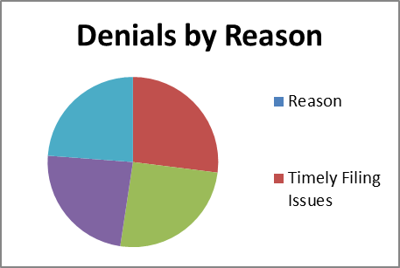
Anthem | 53 | 16
Humana | 65 | 16
Kaiser Permanente | 62 | 14
UnitedHealthcare | 66 | 18 |  |  | Reason | Count
Claims vs Denials by Payer
 |  |  |  |  | Timely Filing Issues | 17
 |  |  |  |  | Duplicate Claim | 16
 |  |  |  |  | Incorrect Patient Information | 15
 |  |  |  |  | Charge Exceeds Fee Schedule | 15
 |  |  |  |  | Missing Documentation | 14

Explanation: Identifies payers with highest denial volume relative to claims. Useful for targeting payer-specific process improvements. |  |  |  |  | Explanation: Shows top denial reasons. Target training and documentation improvements on the largest categories.

📌 Explanation: Identifies payers with highest denial volume relative to claims. |  |  |  |  | 📌 Explanation: Shows top denial reasons.
→ Useful for targeting payer-specific process improvements. |  |  |  |  | → Target training and documentation improvements on the largest categories.

Monthly Denial Rate vs 10% Target
Month | Rate% | Target 10%
2025-01 | 27.3 | 10
2025-02 | 21.4 | 10
2025-03 | 30.2 | 10
2025-04 | 27.4 | 10
2025-05 | 20.9 | 10

Explanation: Tracks monthly denial rate against 10% benchmark. Helps leadership spot spikes and investigate root causes.

Month | Denial Rate % | Target %
Jan | 28 | 10
Feb | 24 | 10
Mar | 30 | 10
Apr | 29 | 10
May | 26 | 10
Jun | 22 | 10

