Help
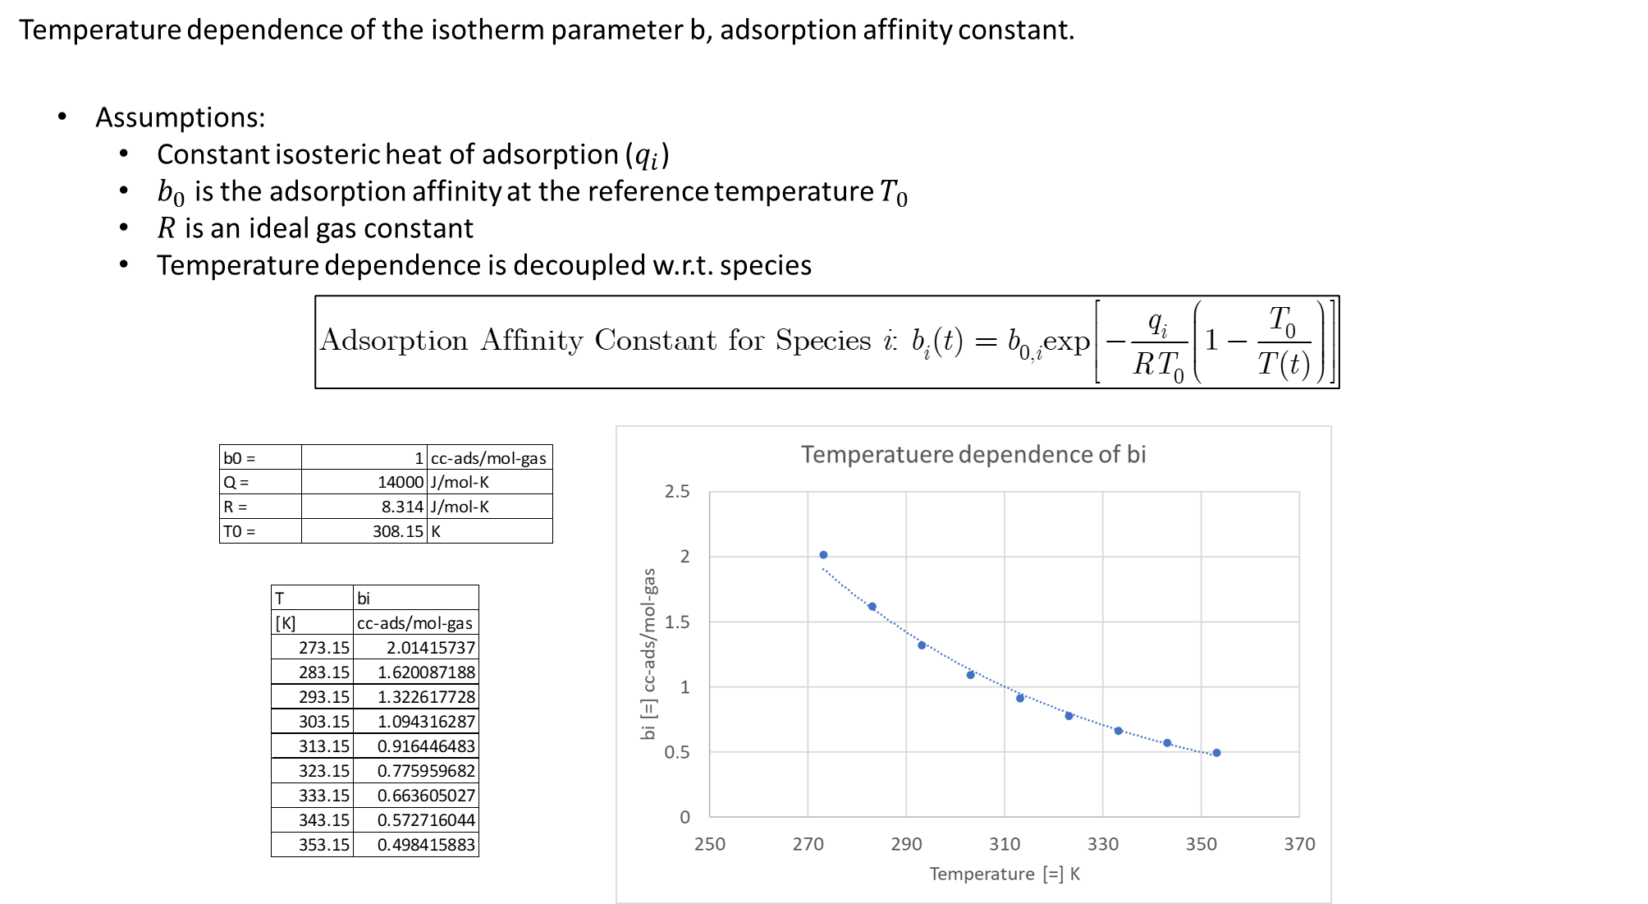
REV. NO.1 (6/8/2022) |  |  |  | Scott Research Group (jkscottresearchgroup.com)
Densities and Void Fractions:

*Key ideas:
 | mass of adsorbent materials is conserved
 | we consider a spherical pellet consisted of binder and adsorbent materials
: A Spherical Pellet (binder + adsorbent)

 | Overall Density Relationship:
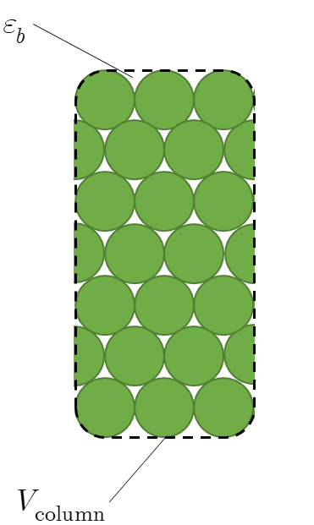

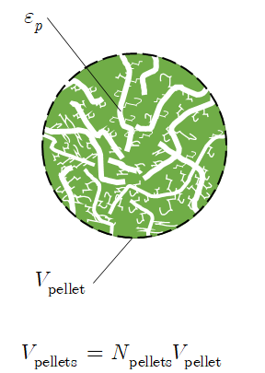

Bulk Density =
weight of pellets filled inside the column / total volume of an adsorption column

Pellet Density =
weight of pellets filled inside the column / total volume of pellets (treating as impenetrable spheres)

Solid (Skeletal) Density =
weight of pellets filled inside the column / total volume of solids (including adsorbent materials and micropores)

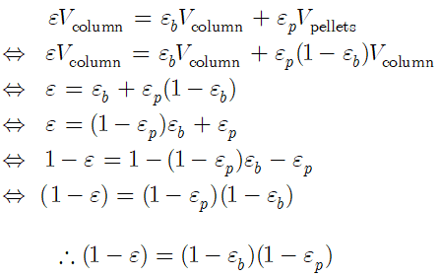

Bulk Void Fraction ( ) =
Treating a pellet as a rigid impenetrable sphere, any volume inside the column excluding the total volume occupied by the pallets

Pellet Void Fraction ( ) =
Just considering the macropore and treat micropore as adsorbed

Overall Void Fraction ( ) =
Summation of the all the void volumes in the adsorption column. i.e. bulk void volume + intra pellet void volume

 | Notes:
 |  | For the sequenced CSTR model, we consider two different controling resistances (macropore controlled and micropore controlled)
 |  |  | For macropore controlled processes, the relevant void fraction is the bulk void fraction and the relevant density is the pellet density
 |  |  | For micropore controlled processes, the relevant void fraction is the overall void fraction and the relevant density is the solid (skeletal) density
 |  | For a adsorber pressure drop calculation, the relevant void fraction is the bed void fraction (the inner pore fluids are considered immobile).

Notes: Temperature dependence of the isotherm parameters

PFD
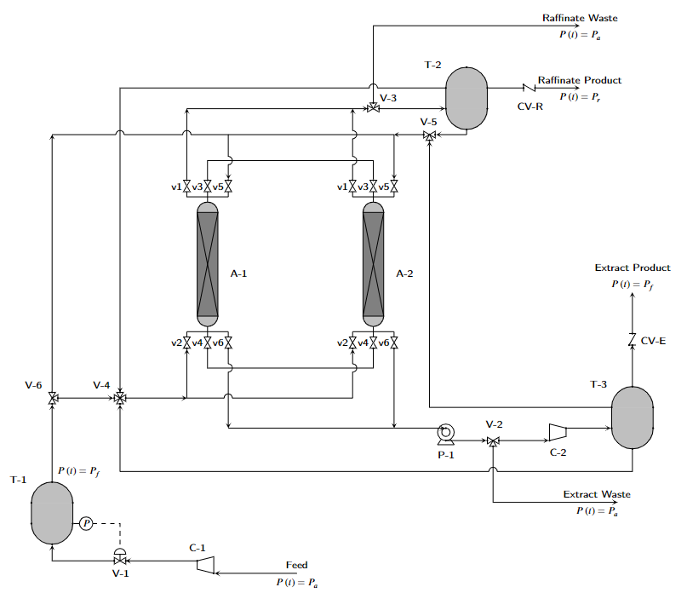
REV. NO.1 (6/8/2022) | Scott Research Group (jkscottresearchgroup.com)
Pressure Swing Adsorption Process Flow Diagram (PFD)

