Extended Definitions
REV. NO.5 (2/19/2021) |  |  |  | Scott Research Group (jkscottresearchgroup.com)
Extended Definitions:
Densities and Void Fractions:

*Key ideas:
 | mass of adsorbent materials is conserved
 | we consider a spherical pellet consisted of binder and adsorbent materials
: A Spherical Pellet (binder + adsorbent)

 | Overall Density Relationship:
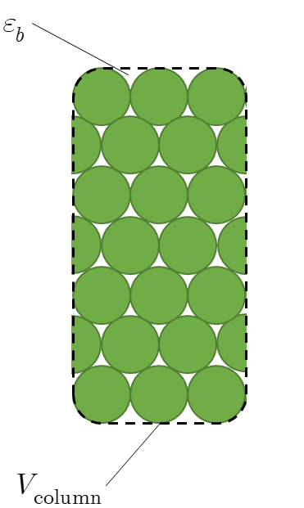

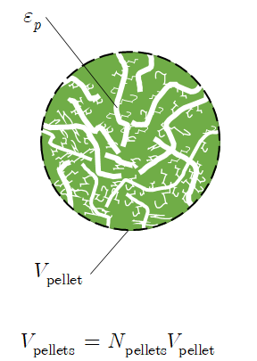

Bulk Density =
weight of pellets filled inside the column / total volume of an adsorption column

Pellet Density =
weight of pellets filled inside the column / total volume of pellets (treating as impenetrable spheres)

Solid (Skeletal) Density =
weight of pellets filled inside the column / total volume of solids (including adsorbent materials and micropores)

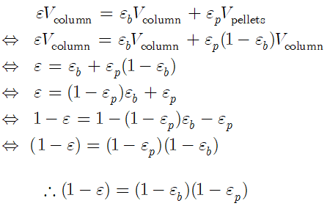

Bulk Void Fraction ( ) =
Treating a pellet as a rigid impenetrable sphere, any volume inside the column excluding the total volume occupied by the pallets

Pellet Void Fraction ( ) =
Just considering the macropore and treat micropore as adsorbed

Overall Void Fraction ( ) =
Summation of the all the void volumes in the adsorption column. i.e. bulk void volume + intra pellet void volume

 | Notes:
 |  | For the sequenced CSTR model, we consider two different controling resistances (macropore controlled and micropore controlled)
 |  |  | For macropore controlled processes, the relevant void fraction is the bulk void fraction and the relevant density is the pellet density
 |  |  | For micropore controlled processes, the relevant void fraction is the overall void fraction and the relevant density is the solid (skeletal) density
 |  | For a adsorber pressure drop calculation, the relevant void fraction is the bed void fraction (the inner pore fluids are considered immobile).

Notes: Event functions

 | Re-pressurization (RP)
 |  | 0: No event
 |  | 1: P(t) = P_high, where P(t) is a void pressure of a single CSTR in the constant axial pressure models.
 |  | 2: TBD
 |  | 3: TBD
 | High Pressure Feed (HP)
 |  | 0: No event
 |  | 1: instantaneous product gas breakthrough purity threshold termination
 |  | 2: average cumulative exit product gas breakthrough threshold
 |  | 3: product tank product concentration
 | Depressurization (DP)
 |  | 0: No event
 |  | 1: P(t) = P_low, where P(t) is a void pressure of a single CSTR in the constant axial pressure models.
 |  | 2: TBD
 |  | 3: TBD
 | Low Pressure Purge (LP)
 |  | 0: No event
 |  | 1: a threshold on the product tank presure (nomralized by the high pressure of the adsorption column)
 |  | 2: heavy key efficiency factor (HKEF) threshold
 |  | 3: TBD
 | Pressure Equalization (EQ)
 |  | 0: No event
 |  | 1: TBD
 |  | 2: TBD
 |  | 3: TBD
 | Rest (RT)
 |  | 0: No event
 |  | 1: TBD
 |  | 2: TBD
 |  | 3: TBD

Notes: Temperature dependence of the isotherm parameters
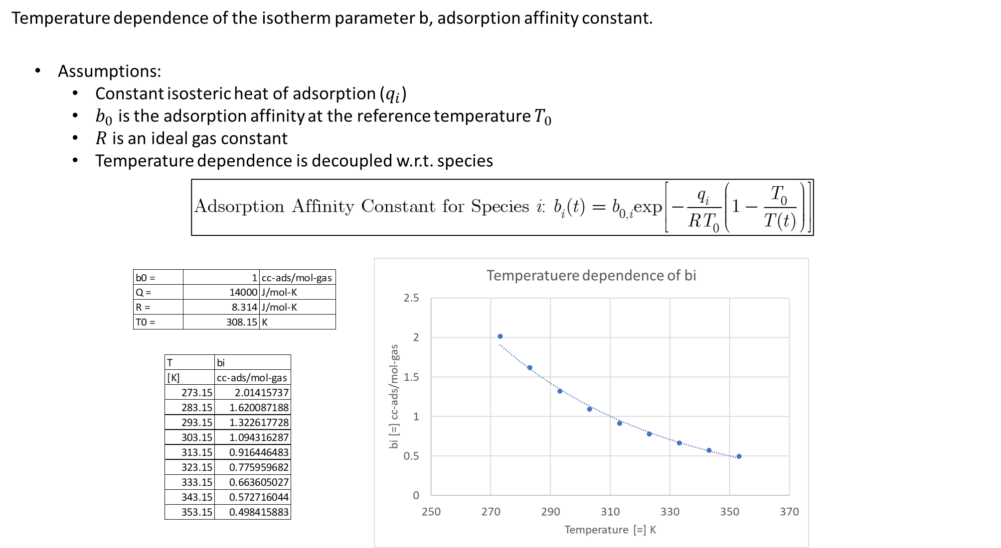

Notes: TBD

PSA Cycle
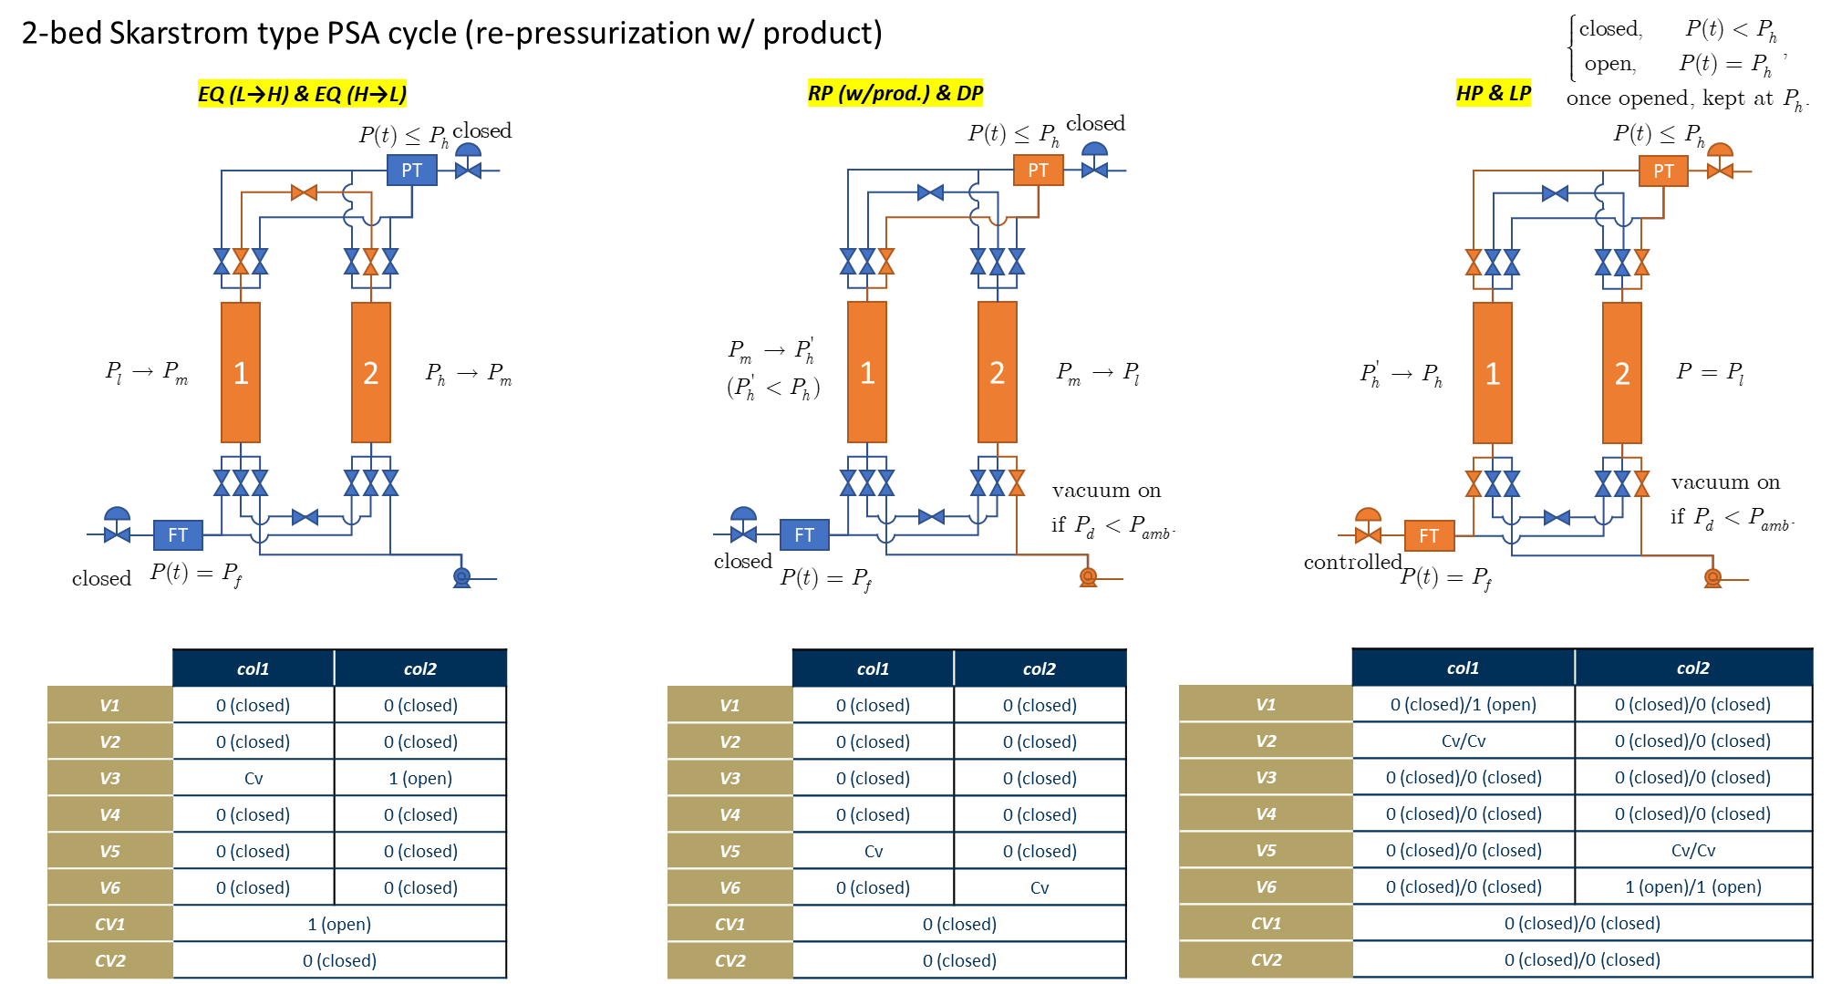
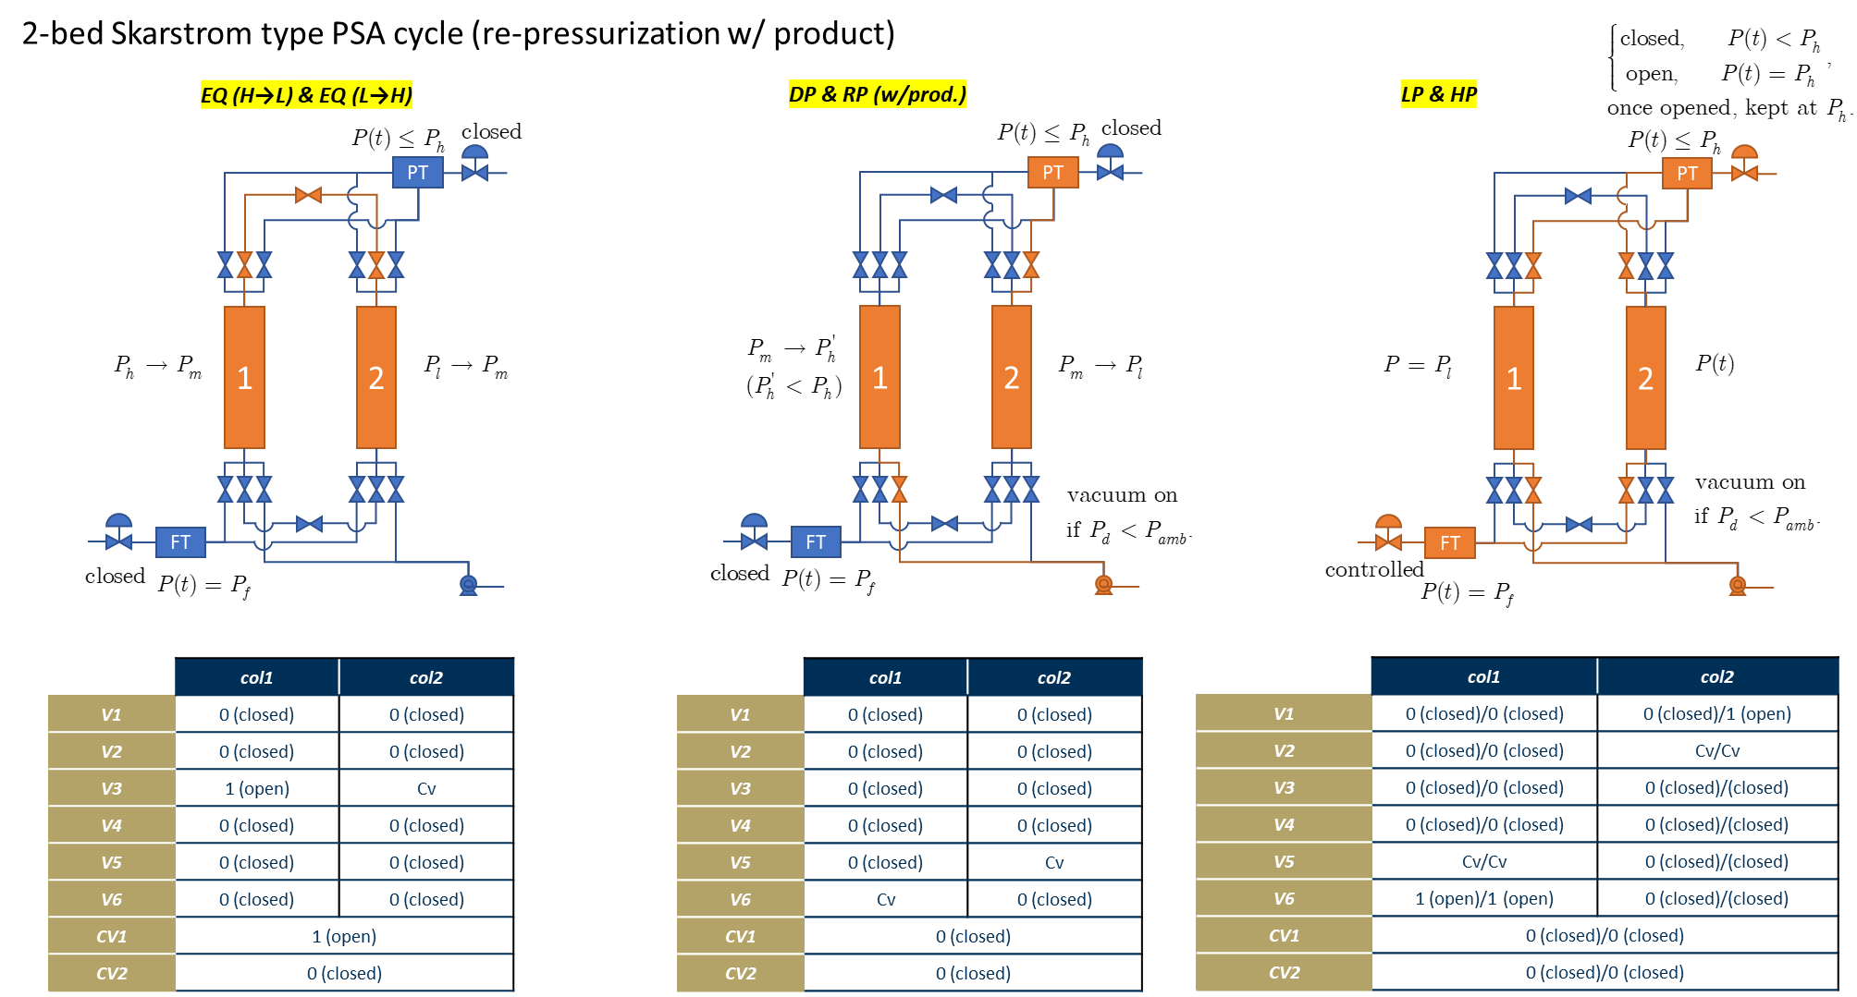
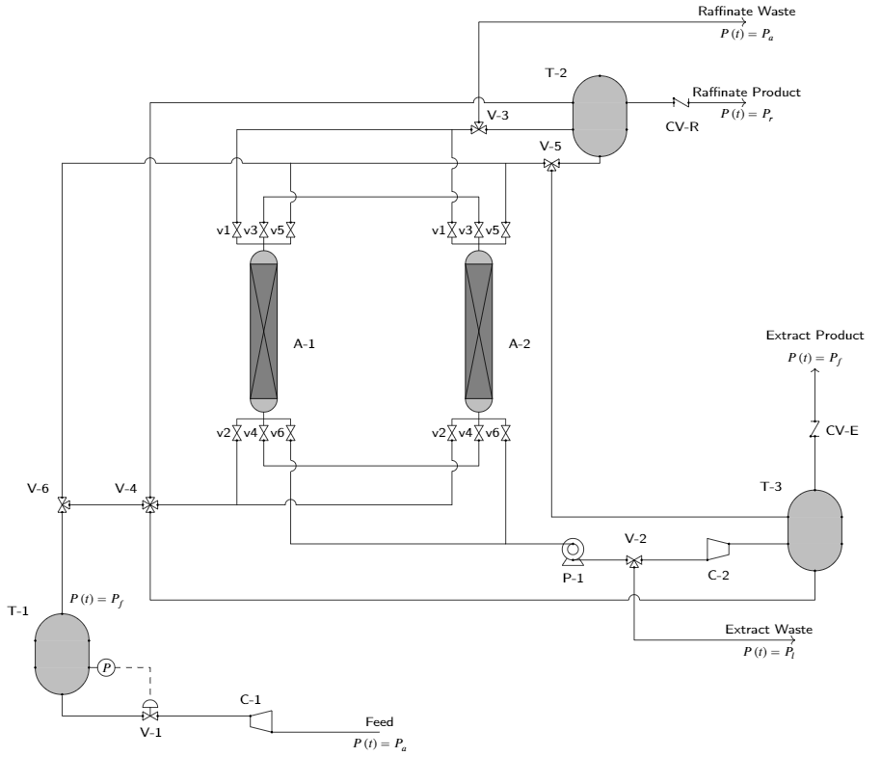
REV. NO.5 (2/19/2021) |  | Scott Research Group (jkscottresearchgroup.com)
Assumptions for the PSA cycles:
[1] No compression work is calculated
 | e.g. if feed is already available at a high pressure with a feed reservoir at a constant pressure, no feed compression is needed
 | e.g. vacuum is needed only when the down stream pressure is lower than that of the ambient pressure (i.e. 1.01325 bar)

[2] Feed and product reservoirs at constant pressures

[3] Product tank has a significantly larger volume than the adsorption column void voilme itself.

Valve Naming Scheme:
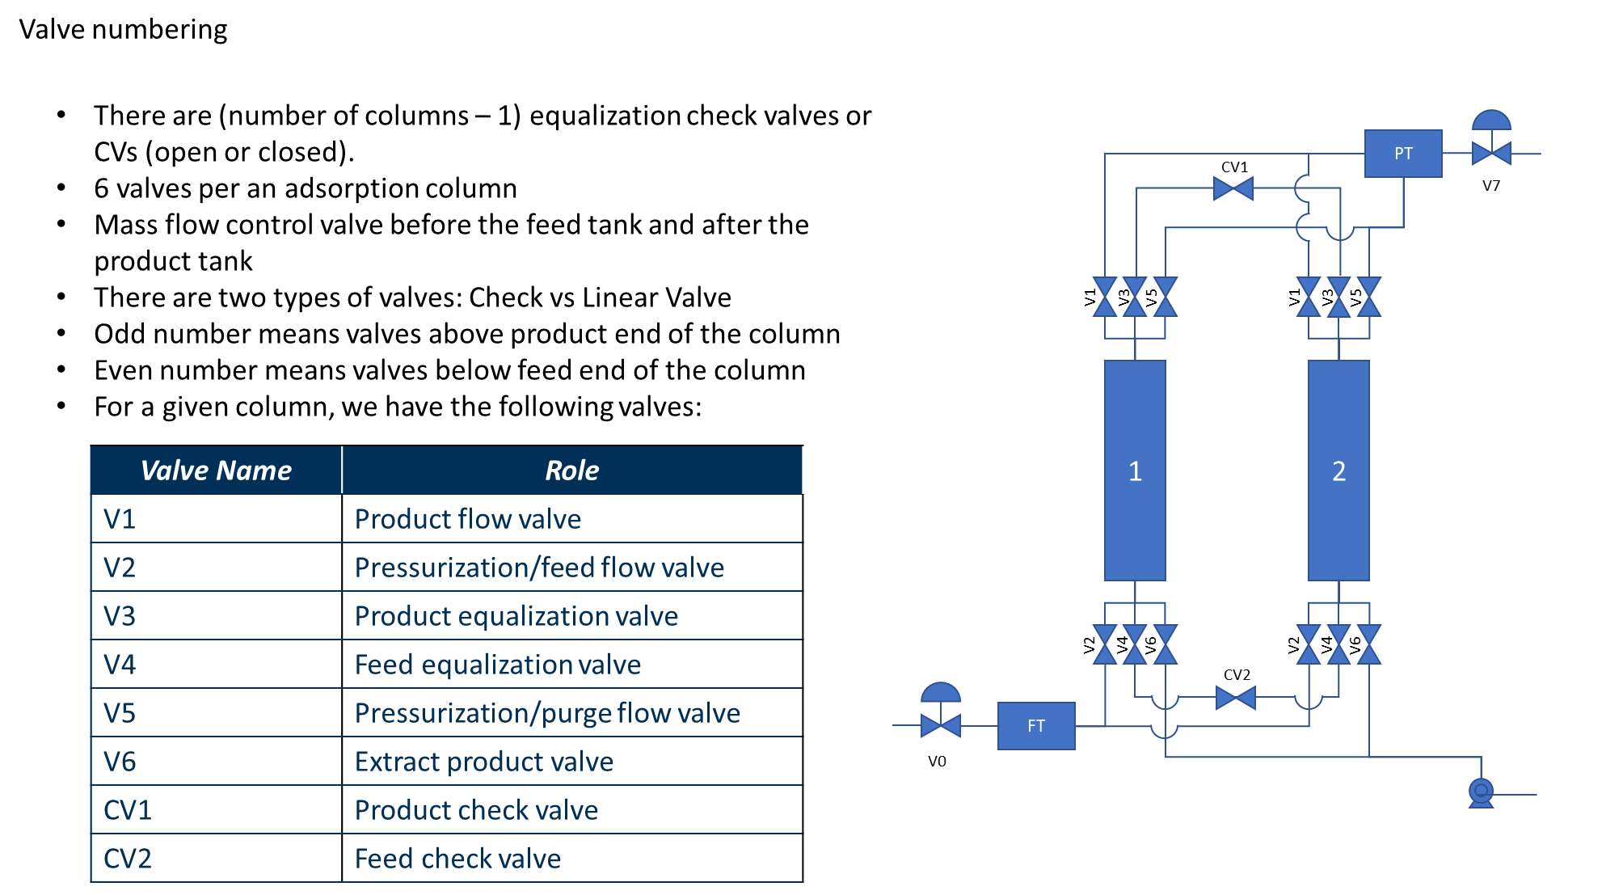

Cycle 1: Single Column Skarstrom PSA Cycle (Pressurization w/Feed)
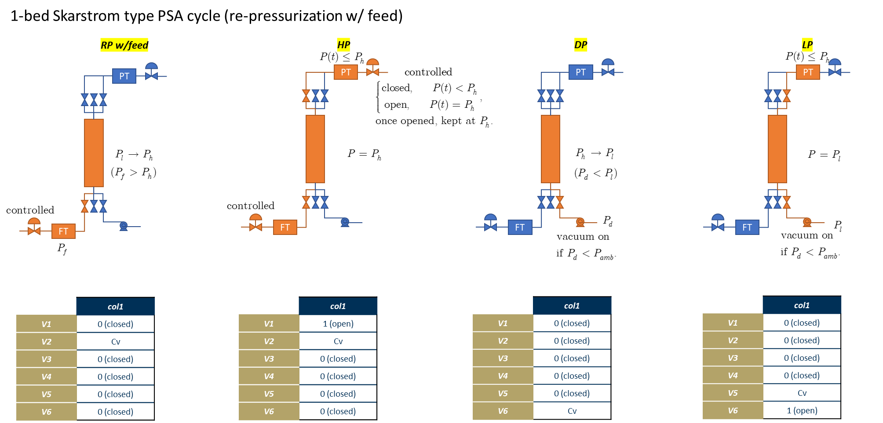

Cycle 2: Single Column Skarstrom PSA Cycle (Pressurization w/Product)

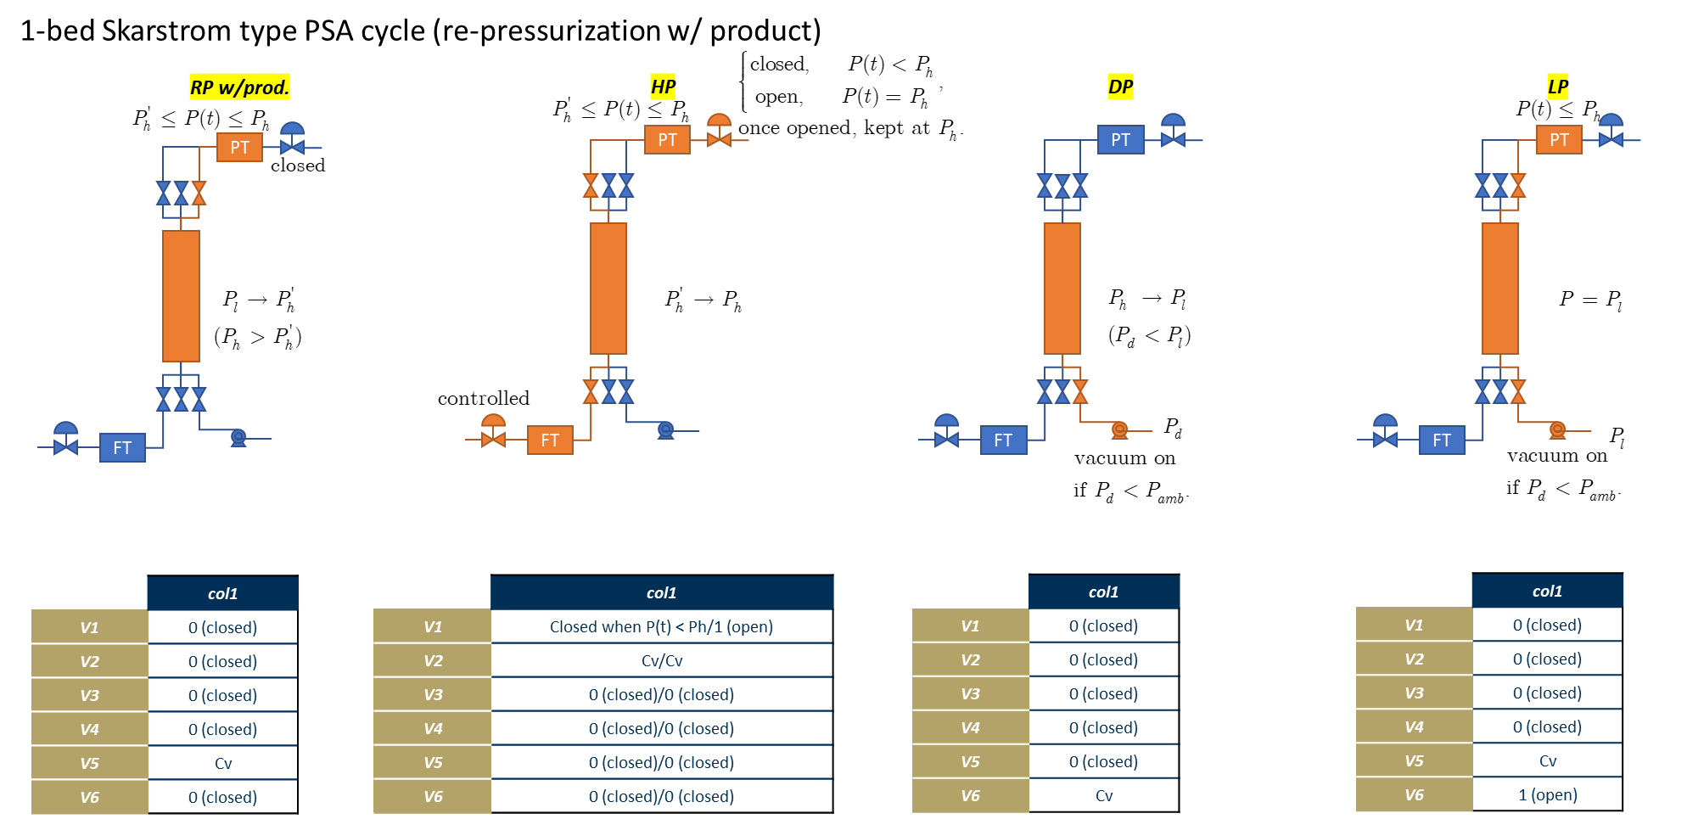

Cycle 3: Two Column Skarstrom PSA Cycle (Pressurization w/feed)
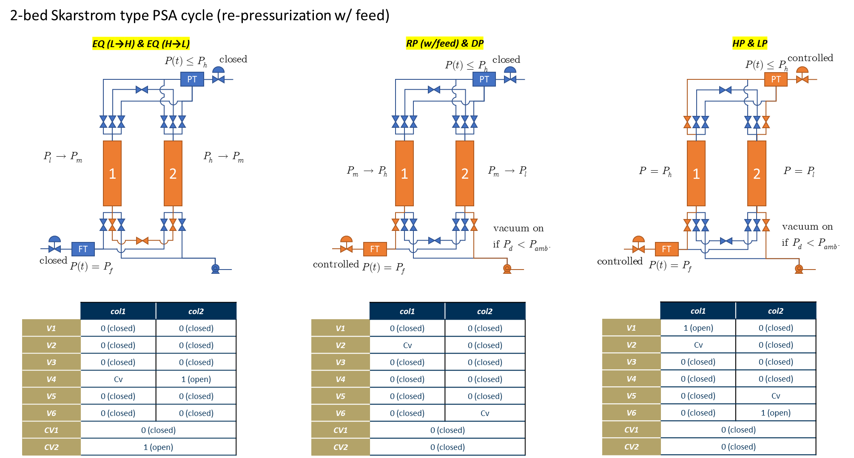

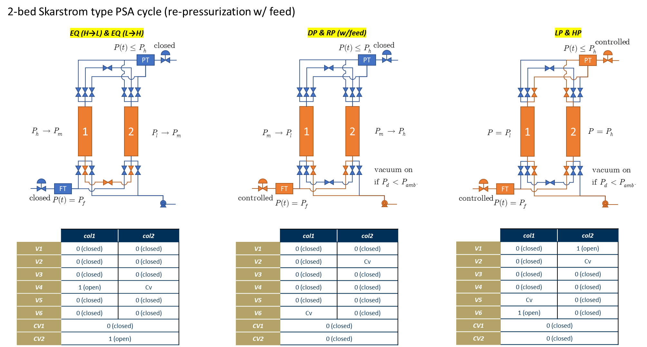

Cycle 4: Two Column Skarstrom PSA Cycle (Pressurization w/prod.)

Valve Constants
REV. NO.5 (2/19/2021) |  |  |  |  |  |  |  |  | Scott Research Group (jkscottresearchgroup.com)
Guides on the specification of linear valve coefficients
Notes:
[1] When specifying a valve constant as a simulation input, consider the following convention:
 | 0 = fully closed, or 1 = fully open, or 2 = controlled, or a value of linear valve constant (Cv).
[2] Some of the followings are realistic scenarios where we need to specify valve constants.
 | *Case 1: pressure drop across a valve (constant upstream and downstream pressures)
 | flow through a valve from a product or feed tank (assumed to be at a constant pressure) to and adsorption column or vice versa.
 | *Case 2: pressure inside a tank is changing but at a boundary pressure is constant
 | flow through a valve during pressure changing step; valve is located at a boundary of an adsorption column.
 | *Case 3: pressure inside tanks are changing as they interact with each other by a flow through a valve
 | flow through a valve during a pressure equalization step involving multiple column interactions.
[3] Definitions and Conventions
 | *Given a valve, define downstream as the stream closer to the feed stream. Similarly, define upstream as the stream closer to the product stream.
 | *In terms of the flow direction (flowDir), 1 = co-current, and -1 = counter-current

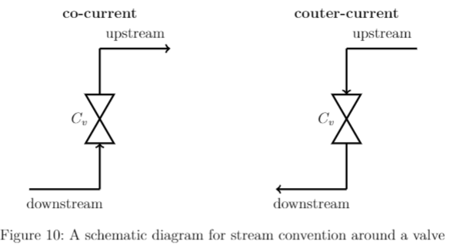

Case 1: Constant pressure step with a constant volumetric flow rate at one of the boundaries (e.g. high pressure feed or low pressure purge)
[1] User specifies a valve constant, assuming constant pressures before and after the valve. Given a constant volumetric flow rate and the pressures, we can readily determine the linear valve coefficient.

 | Linear Valve Constant Calculator
 |  |  |  |  | Specify parameters
 |  | Cv = | 1.21E-05 | kmol/bar-sec | Pdownstream = | 3.0856051518 | bar | Pressure Below the Valve
 |  | flowDir = | 1 | - | Pupstream = | 2.95 | bar | Pressure Above the vVlve
 |  |  |  |  | |v| = | 14.734460115 | cc/sec | Magnitude of Volumetric Flow Rate at post-valve Pressure
 |  |  |  |  | T = | 318.15 | K | System Temperature

 | *Assume that molar flow rate is linearly proportional to pressure drop across the valve.

 |  | *Pdown > Pup means co-current flow (F > 0)
 |  | *Pdown < Pup means counter-current flow (F < 0)

 | *We assume that the downstream and upstream pressures remain constant throughout.

 | *From Equation (1), we solve for the linear valve constant as below (F is a molar flow rate at the pressure after the valve).

 |  | *We define by convention that a linear valve constant is always positive

 | *Example: Specifying a linear valve vonstant for the valve at the feed end of an adsorption column assuming a constant feed tank at Pdown and constant column pressure at Pup.

 | *Note: If one of the pressures changes, then, the flow rate will change accordingly based on the linear valve equation as by Equation (1).
 |  | e.g. For low pressure purge, for instance, we have the product tank changing pressure as it allows some of the product to leave the tank and enter the column through a valve at a low pressure. In this case, by design, the product storage tank has much larger volume than that of the column, thereby the pressure of the tank is changing very slightly. For the calculation, assume a constant product tank pressure, therefore.

Case 2: Pressure changing steps with one or more linear valve boundary conditions (e.g. re-pressurization or depressurization)
[1] The idea is to estimate a value of linear valve coefficient (Cv) such that we achieve the desired pressure change at around the specified duration of the pressure changing step.
[2] The derivation of an equation that is used to estimate Cv is shown.

 | *Note: Given the step duration, column void volume, system temperature, initial and final void pressures, and the downstream or upstream pressure, we can readily estimate the linear valve constant. However, fine tuning may be needed to further ascertain the exact value of the linear valve constant.

 | Linear Valve Constant Calculator
 |  |  |  |  | Specify parameters
 |  | Cv = | 5.81E-06 | kmol/bar-sec | ε = | 0.48 | - | Bed Void Fraction
 |  | flowDir = |  | - | V = | 312.74999025 | cc | Column Volume
 |  |  |  |  | T = | 318.15 | K | System Temperature
 |  |  |  |  | (tf-t0) = | 5 | sec | Step Duration
 |  |  |  |  | Pf = | 3.07 | bar | Final Pressure
 |  |  |  |  | P0 = | 0.47649581489 | bar | Initial Pressure
 |  |  |  |  | Phat = | 3.0856051518 | bar | down(up)stream Pressure

 | *Consider an adsorption column at a constant temperature with a given column void fraction.

 | *Assume an ideal gas behavior at a fixed column void volume and system temperature.

 | *Take the partial derivative with respect to the moles.

 | *Now, make an assumption that the molar flow rate across valve is proportional to the pressure drop across the valve.

 | *Note:
 |  | *ΔP > 0 when Pdown > Pup (co-current)
 |  | *ΔP < 0 when Pdown < Pup (counter-current)

 | *Now, assume the following two cases:
 |  | *fix the pressure above the valve at a constant value |  |  |  |  |  | *fix the pressure below the valve at a constant value
 |  | *let the pressure below the valve vary over time |  |  |  |  |  | *let the pressure above the valve vary over time

 | *Now, by the product of the two partial derivatives, we have,

 | *We can go ahead and separate the variables and integrate the expression above to obtain the following:

 | *Note that Cv from (4-1) and Cv from (4-2) are equal in the magnitude but differ in signs. Since the flow directions are determined by the ΔP term, by convention, we use an absolute value of Cv for the volumetric flow rate calculation.

Case 3: Varying pressure step with multiple-column interactions (e.g. pressure equalization)

