Revision History

REV. NO.2 (9/14/2022) |  |  |  |  |  | Scott Research Group (jkscottresearchgroup.com)
Revision Management Tracking List
Rev. No. | Purpose/Summary | Rev. Date | Draft | Review | Approval | Notes
1 | Initial development of the "1.3_adsorbent_propertiessm" sheet. | 2022-06-08 | TK
2 | Finalized the spreadsheet for the v1.0 release | 2022-09-14 | TK
3 | Major updates on the macros. | 2024-12-23 | TK |  |  | Macros were moved to a centeralized location: ./toPSAil/3_resources/10_macros/InputParsingMacros.xlam
4
5
6
7
8
9
10

Help
REV. NO.1 (6/8/2022) |  |  |  | Scott Research Group (jkscottresearchgroup.com)
Densities and Void Fractions:

*Key ideas:
 | mass of adsorbent materials is conserved
 | we consider a spherical pellet consisted of binder and adsorbent materials
: A Spherical Pellet (binder + adsorbent)

 | Overall Density Relationship:
$$ρ_{b}=\left(1−ε_{b}\right)ρ_{p}=\left(1−ε_{b}\right)\left(1−ε_{p}\right)ρ_{s}=\left(1−ε\right)ρ_{s}$$
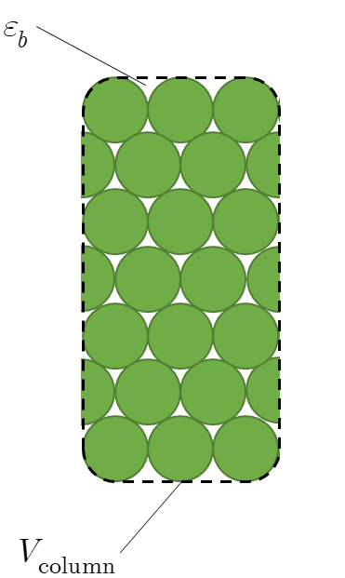

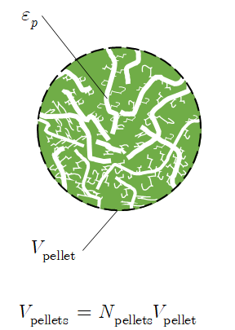

Bulk Density =
weight of pellets filled inside the column / total volume of an adsorption column

Pellet Density =
weight of pellets filled inside the column / total volume of pellets (treating as impenetrable spheres)

Solid (Skeletal) Density =
weight of pellets filled inside the column / total volume of solids (including adsorbent materials and micropores)

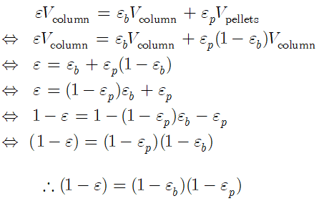

Bulk Void Fraction ( ) =
Treating a pellet as a rigid impenetrable sphere, any volume inside the column excluding the total volume occupied by the pallets

Pellet Void Fraction ( ) =
Just considering the macropore and treat micropore as adsorbed

Overall Void Fraction ( ) =
Summation of the all the void volumes in the adsorption column. i.e. bulk void volume + intra pellet void volume

 | Notes:
 |  | For the sequenced CSTR model, we consider two different controling resistances (macropore controlled and micropore controlled)
 |  |  | For macropore controlled processes, the relevant void fraction is the bulk void fraction and the relevant density is the pellet density
 |  |  | For micropore controlled processes, the relevant void fraction is the overall void fraction and the relevant density is the solid (skeletal) density
 |  | For a adsorber pressure drop calculation, the relevant void fraction is the bed void fraction (the inner pore fluids are considered immobile).

