PFD
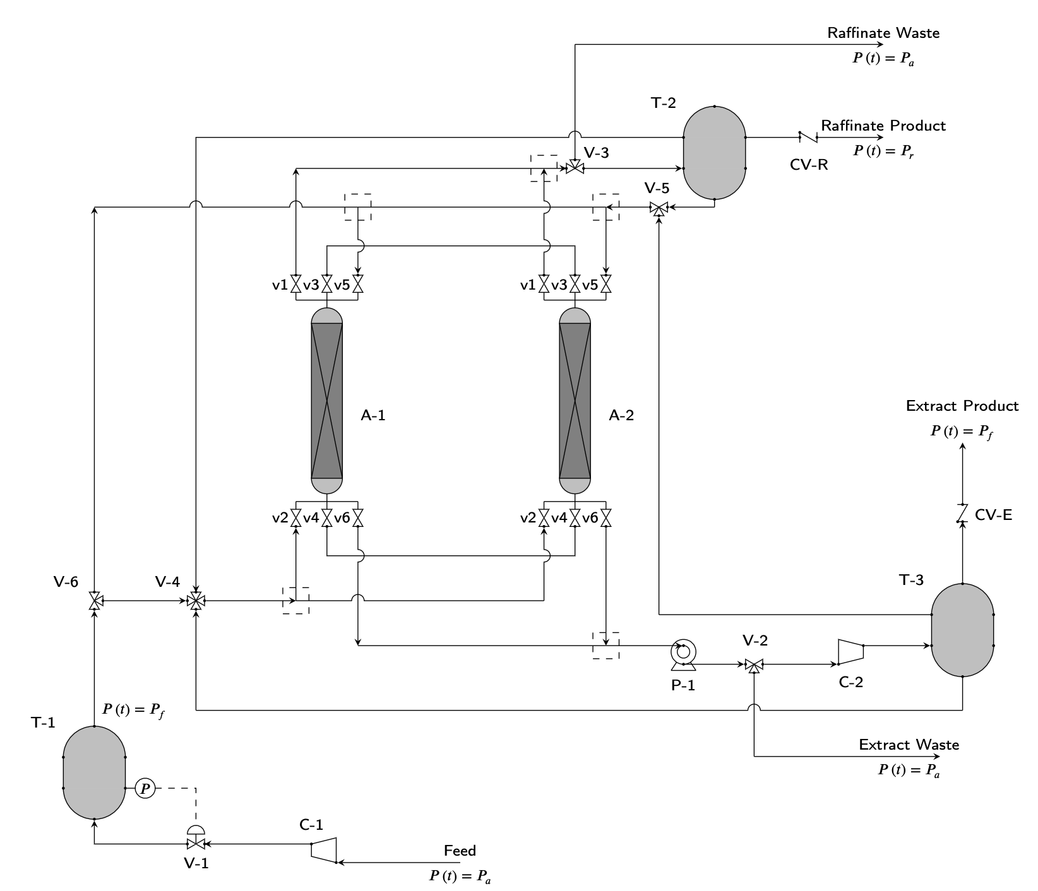
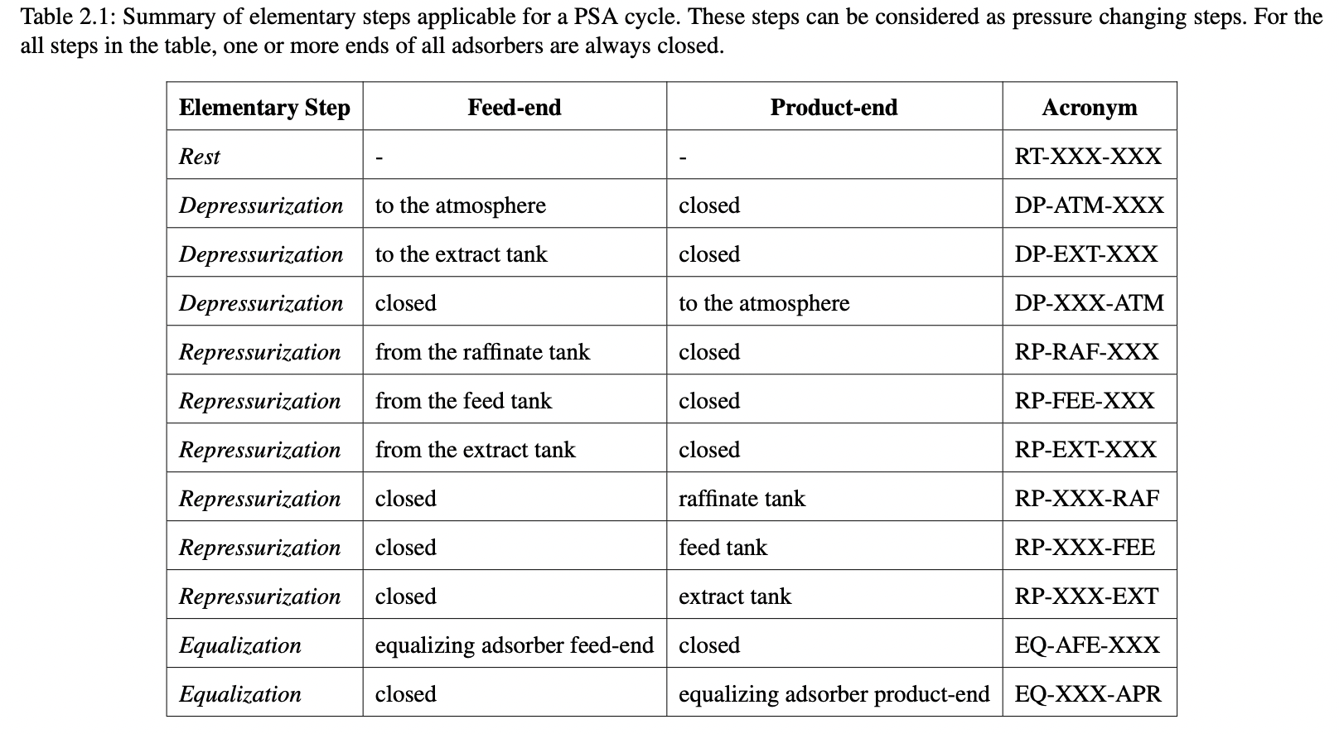
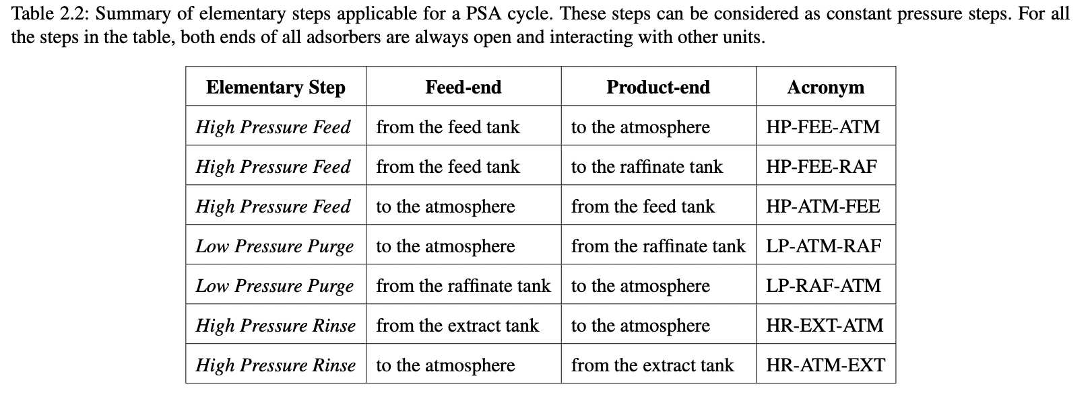
REV. NO.1 (6/8/2022) | Scott Research Group (jkscottresearchgroup.com)
Pressure Swing Adsorption Process Flow Diagram (PFD)

Cv Estimator
REV. NO.1 (6/8/2022) |  |  |  |  |  |  |  |  | Scott Research Group (jkscottresearchgroup.com)
Guides on the specification of linear valve coefficients
Notes:
[1] When specifying a valve constant as a simulation input, consider the following convention:
 | 0 = fully closed, or 1 = fully open, or 2 = controlled, or a value of linear valve constant (Cv).
[2] Some of the followings are realistic scenarios where we need to specify valve constants.
 | *Case 1: pressure drop across a valve (constant upstream and downstream pressures)
 | flow through a valve from a product or feed tank (assumed to be at a constant pressure) to and adsorption column or vice versa.
 | *Case 2: pressure inside a tank is changing but at a boundary pressure is constant
 | flow through a valve during pressure changing step; valve is located at a boundary of an adsorption column.
 | *Case 3: pressure inside tanks are changing as they interact with each other by a flow through a valve
 | flow through a valve during a pressure equalization step involving multiple column interactions.
[3] Definitions and Conventions
 | *Given a valve, define downstream as the stream closer to the feed stream. Similarly, define upstream as the stream closer to the product stream.
 | *In terms of the flow direction (flowDir), 1 = co-current, and -1 = counter-current

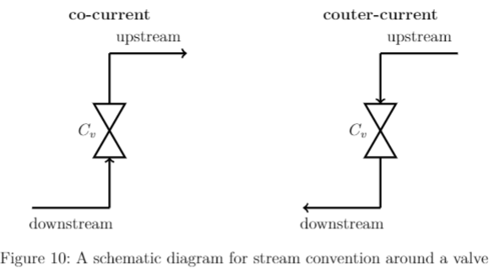

Case 1: Constant pressure step with a constant volumetric flow rate at one of the boundaries (e.g. high pressure feed or low pressure purge)
[1] User specifies a valve constant, assuming constant pressures before and after the valve. Given a constant volumetric flow rate and the pressures, we can readily determine the linear valve coefficient.

 | Linear Valve Constant Calculator
 |  |  |  |  | Specify parameters
 |  | Cv = | #REF! | kmol/bar-sec | Pdownstream = | 3.0856051518 | bar | Pressure Below the Valve
 |  | flowDir = | 1 | - | Pupstream = | 2.95 | bar | Pressure Above the vVlve
 |  |  |  |  | |v| = | 14.734460115 | cc/sec | Magnitude of Volumetric Flow Rate at post-valve Pressure
 |  |  |  |  | T = | 318.15 | K | System Temperature

 | *Assume that molar flow rate is linearly proportional to pressure drop across the valve.

 |  | *Pdown > Pup means co-current flow (F > 0)
 |  | *Pdown < Pup means counter-current flow (F < 0)

 | *We assume that the downstream and upstream pressures remain constant throughout.

 | *From Equation (1), we solve for the linear valve constant as below (F is a molar flow rate at the pressure after the valve).

 |  | *We define by convention that a linear valve constant is always positive

 | *Example: Specifying a linear valve vonstant for the valve at the feed end of an adsorption column assuming a constant feed tank at Pdown and constant column pressure at Pup.

 | *Note: If one of the pressures changes, then, the flow rate will change accordingly based on the linear valve equation as by Equation (1).
 |  | e.g. For low pressure purge, for instance, we have the product tank changing pressure as it allows some of the product to leave the tank and enter the column through a valve at a low pressure. In this case, by design, the product storage tank has much larger volume than that of the column, thereby the pressure of the tank is changing very slightly. For the calculation, assume a constant product tank pressure, therefore.

Case 2: Pressure changing steps with one or more linear valve boundary conditions (e.g. re-pressurization or depressurization)
[1] The idea is to estimate a value of linear valve coefficient (Cv) such that we achieve the desired pressure change at around the specified duration of the pressure changing step.
[2] The derivation of an equation that is used to estimate Cv is shown.

 | *Note: Given the step duration, column void volume, system temperature, initial and final void pressures, and the downstream or upstream pressure, we can readily estimate the linear valve constant. However, fine tuning may be needed to further ascertain the exact value of the linear valve constant.

 | Linear Valve Constant Calculator
 |  |  |  |  | Specify parameters
 |  | Cv = | #REF! | kmol/bar-sec | ε = | 0.48 | - | Bed Void Fraction
 |  | flowDir = |  | - | V = | 312.74999025 | cc | Column Volume
 |  |  |  |  | T = | 318.15 | K | System Temperature
 |  |  |  |  | (tf-t0) = | 5 | sec | Step Duration
 |  |  |  |  | Pf = | 3.07 | bar | Final Pressure
 |  |  |  |  | P0 = | 0.47649581489 | bar | Initial Pressure
 |  |  |  |  | Phat = | 3.0856051518 | bar | down(up)stream Pressure

 | *Consider an adsorption column at a constant temperature with a given column void fraction.

 | *Assume an ideal gas behavior at a fixed column void volume and system temperature.

 | *Take the partial derivative with respect to the moles.

 | *Now, make an assumption that the molar flow rate across valve is proportional to the pressure drop across the valve.

 | *Note:
 |  | *ΔP > 0 when Pdown > Pup (co-current)
 |  | *ΔP < 0 when Pdown < Pup (counter-current)

 | *Now, assume the following two cases:
 |  | *fix the pressure above the valve at a constant value |  |  |  |  |  | *fix the pressure below the valve at a constant value
 |  | *let the pressure below the valve vary over time |  |  |  |  |  | *let the pressure above the valve vary over time

 | *Now, by the product of the two partial derivatives, we have,

 | *We can go ahead and separate the variables and integrate the expression above to obtain the following:

 | *Note that Cv from (4-1) and Cv from (4-2) are equal in the magnitude but differ in signs. Since the flow directions are determined by the ΔP term, by convention, we use an absolute value of Cv for the volumetric flow rate calculation.

Case 3: Varying pressure step with multiple-column interactions (e.g. pressure equalization)

