PFD
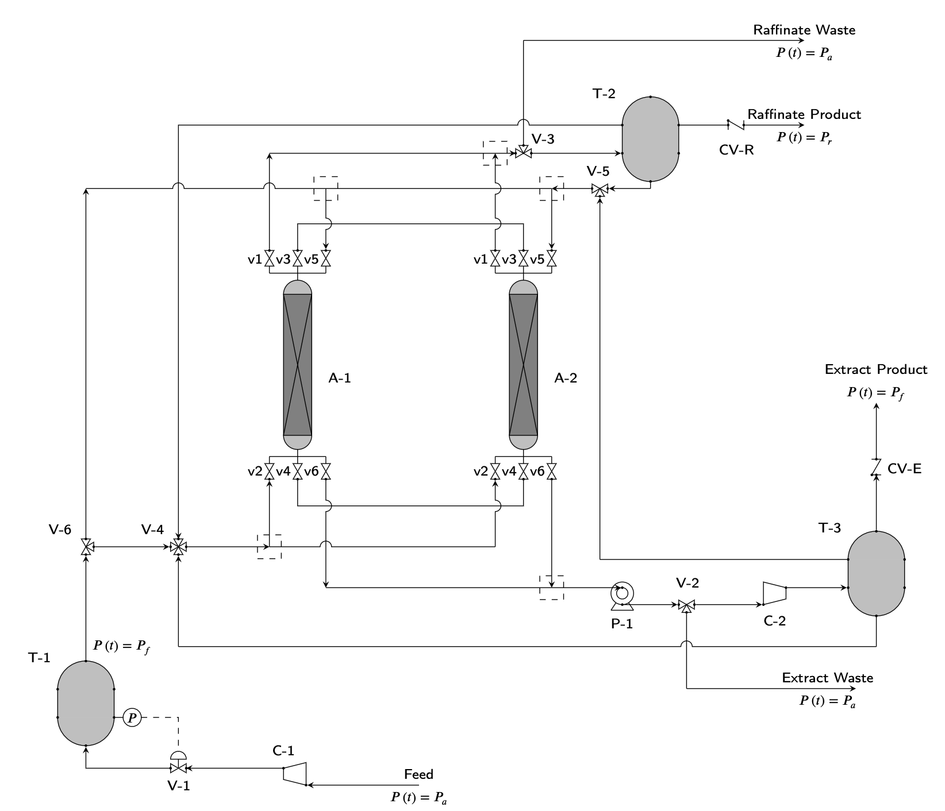
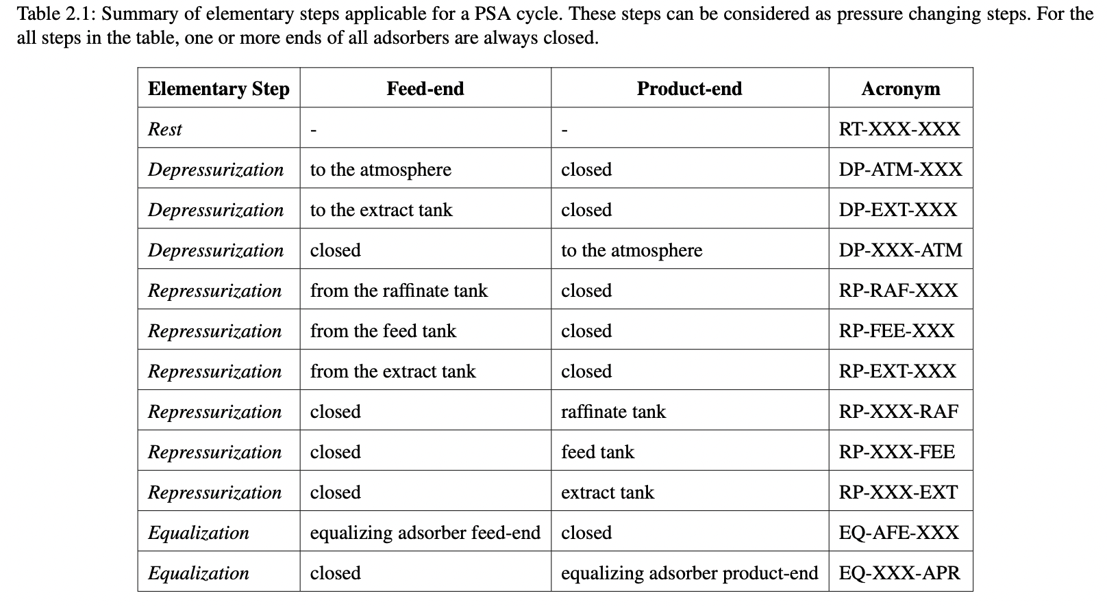
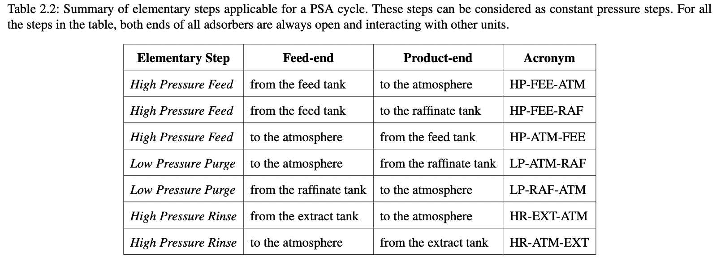
REV. NO.2 (9/14/2022) | Scott Research Group (jkscottresearchgroup.com)
Pressure Swing Adsorption Process Flow Diagram (PFD)

