Button Badges
Button Badges Info - design by main organiser, production cost by GSC
can also use this design & dimensions for the Film Festival launch stickers for invited guests
1) Sample



IMPORTANT: Please include "Golden Screen Cinemas Sdn Bhd (3609-M)", GSC website and film festival website (if any) in the button as shown in the picture.
 | Font is "Arial".

2) Size

5.5cm (w) x 5.5cm (h)

No. | Location | Total (pcs)
1 | GSC Pavilion KL | 120 | 120
2 | GSC 1 Utama | 0 | 70
3 | GSC Mid Valley | 110 | 110
4 | GSC NU Sentral | 0 | 70
5 | GSC Gurney Plaza | 0 | 70
6 | GSC Suria Sabah,Kota Kinabalu | 0 | 60
7 | GSC CityOne Megamall,Kuching | 0 | 60
8 | GSC Paradigm JB | 0 | 90
 | Total | 230 | rounded up

Widget (Star,Kosmo, CP, MM)
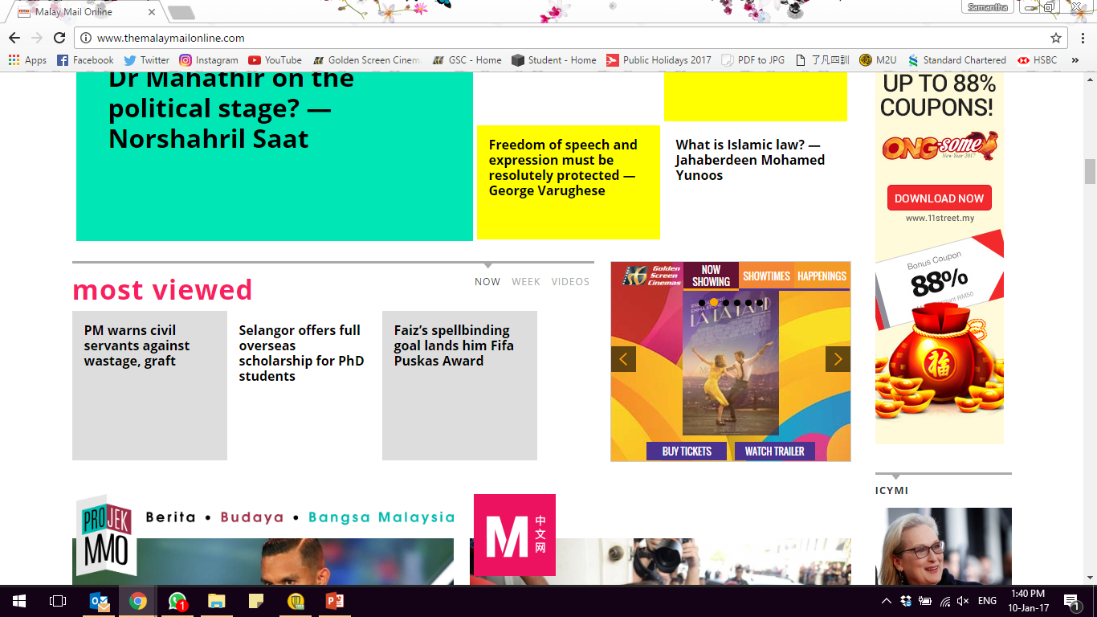
7, 2018WIDGET IN THE STAR ONLINE, CHINA PRESS, KOSMO, MALAYSIA updated April 16, 2018
1) Widget - in The Star Online ( News & Star 2 section) www.thestar.com.my
value RM2015,982 per week | Star Online |  | Kosmo Online ww.kosmo.com.my
Unique visitors : 1,748,000
Specs : 1000 (H) x1000(H), less than 100 kb as at Aug 9,2018 (old dimension was 690 px (W) x 380 px (H))

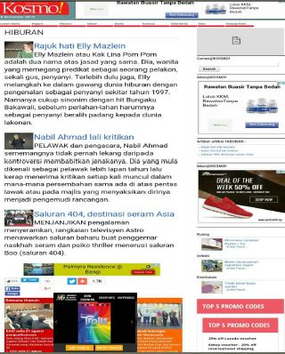


2) Widget - Kosmo Online www.kosmo.com.my
2014 info : unique visitors : 2.9 million, page views: 12.8 million
Specs : 1000 (H) x1000(H), less than 100 kb as at Aug 9,2018 (old dimension was 690 px (W) x 380 px (H))
value RM5,538 per week

3) Widget - China Press Online www.chinapress.com.y
Unique visitors : 1,1513
value RM3,461 per week
Specs : 1000 (H) x1000(H), less than 100 kb as at Aug 9,2018 (old dimension was 690 px (W) x 380 px (H))
100% SOV |  | China Press Online www.chinapress.com.my
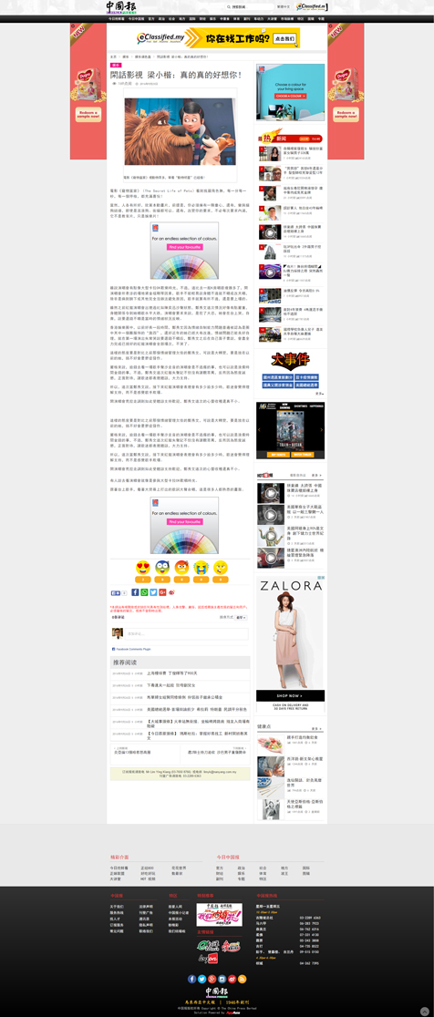
Placement : Lifestyle & Ebtertaiment and all subsequent pages

4) Widget - Malay Mail Online www.themalaymailonline.com.my
Desktop pageviews - 11,753,718, unique visitors - 3,647,962
Mobile pageviews - 5,783,535, unique visitors - 2,695,538
value RM8,000 per week
Specs : 1000 (H) x1000(H), less than 100 kb as at Aug 9,2018 (old dimension was 690 px (W) x 380 px (H))

complimentary pass

NOT applicable for FOC Film Festival

Complimentary pass - where applicable ( Not applicable for FF whereby tickets are given out for free)

poster,eposter & lgtbox poster


Poster | e-poster | lightbox poster (printing front & back) 1 sheeter
size : 27" (w) x 39" (H) | Size : 1,280 (H) pixels x 768 (w) pixels | size : 27" (w) x 39" (H)
 | File size: < 2mb | Material - duratrans/ backlit tranparency
 | for GSC MV & PJB videowall - 1920 x 1080 pixels
 | for Fb promo - 1000 (w) x 1000(h)

Generic & Showtime bunting

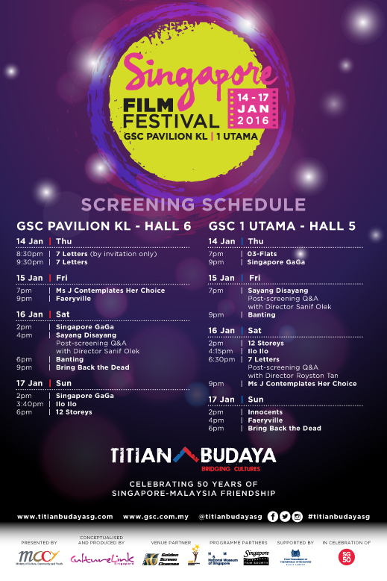
Generic Bunting | Showtime Bunting
size: 3' (w) x 6' (H) | Size : 4' (w) x 6' (H)

GSC website movie info

GSC website movie info page keyart
Use movie stills
Size : 984 pixel (W) x 1482 pixel (H)
12.5cm (w) x 18.8 cm (H)

 | http://www.ceskatelevize.cz/porady/10745118963-hlas-pro-rimskeho-krale/21551212101/

GSC backdrop frame

GSC backdrop frame

Size : | 7.5 ft x 7.5 ft

GSC Generic monthly e-mailer

e-mailer /website thumbnail - monthly, disseminated first week of the month
size :1000 px x 1000 px & Option 1: 690 px (w) x 380 px (h)
and Option 2: 628(w) x 375 (h)

GSC In-Box mobile app


GSC In-box (Mobile app - Announcement)

Size : | 1920 (w) x 600 (h) | for example
 | same as GSC websie masthead size
Title of event/promtion: |  | 2018 Japanese Film Festival

Description of event /Promotion ( 2000 characters): |  | 2018 Japanese Film Festival will be screened from August 23 - 29, 2018. Ticket can be purchased @RM10 each from Aug 21 onwards
 |  | in the following locations - GSC Pavilion KL, GSC Mid Valley Megamall, GSC 1Utama, GSC NU Sentral, GSC Gurney Plaza Penang and GSC Paradigm JB.

Booking Date: |  | Aug 9 - 29, 2018

GSC e-backdrop
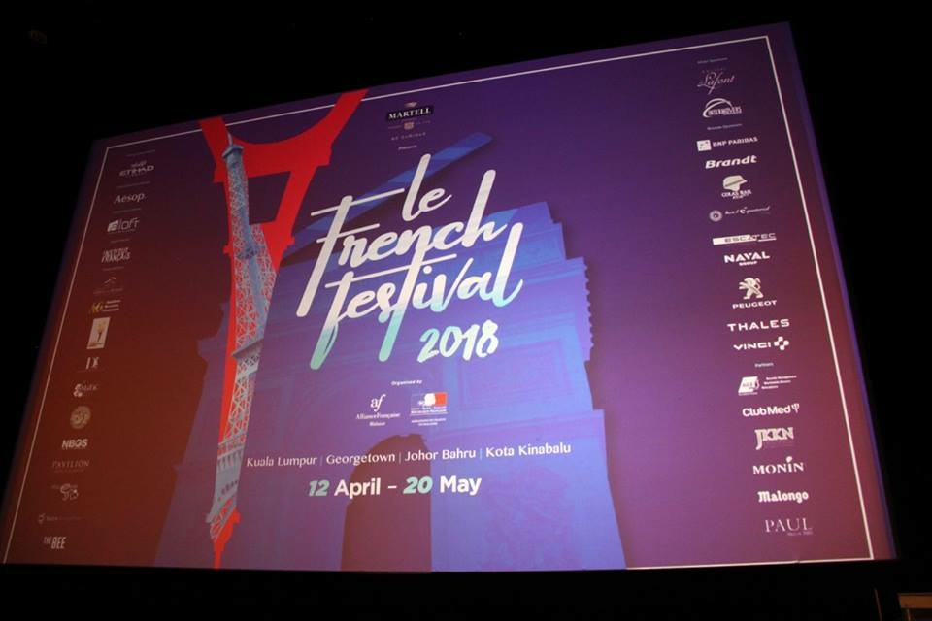
GSC e-backrop on cinema screens
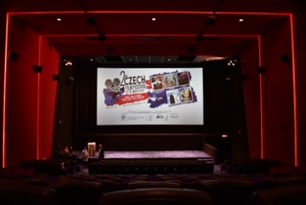
to be projected onto the cinema screens
during press conference and launch
Embassy /organiser to bring own lapop/hdmi cables etc
and assign own personnel to project this from projector room
Please give two (2) options
a) Size 1024 x 768 pixel
b) Size 1998 x 1080 pixel
to ensure there is space/border around (see visual) as
GSC screens may differ in size in the different halls.

Need to adjust

GSC MV video wall
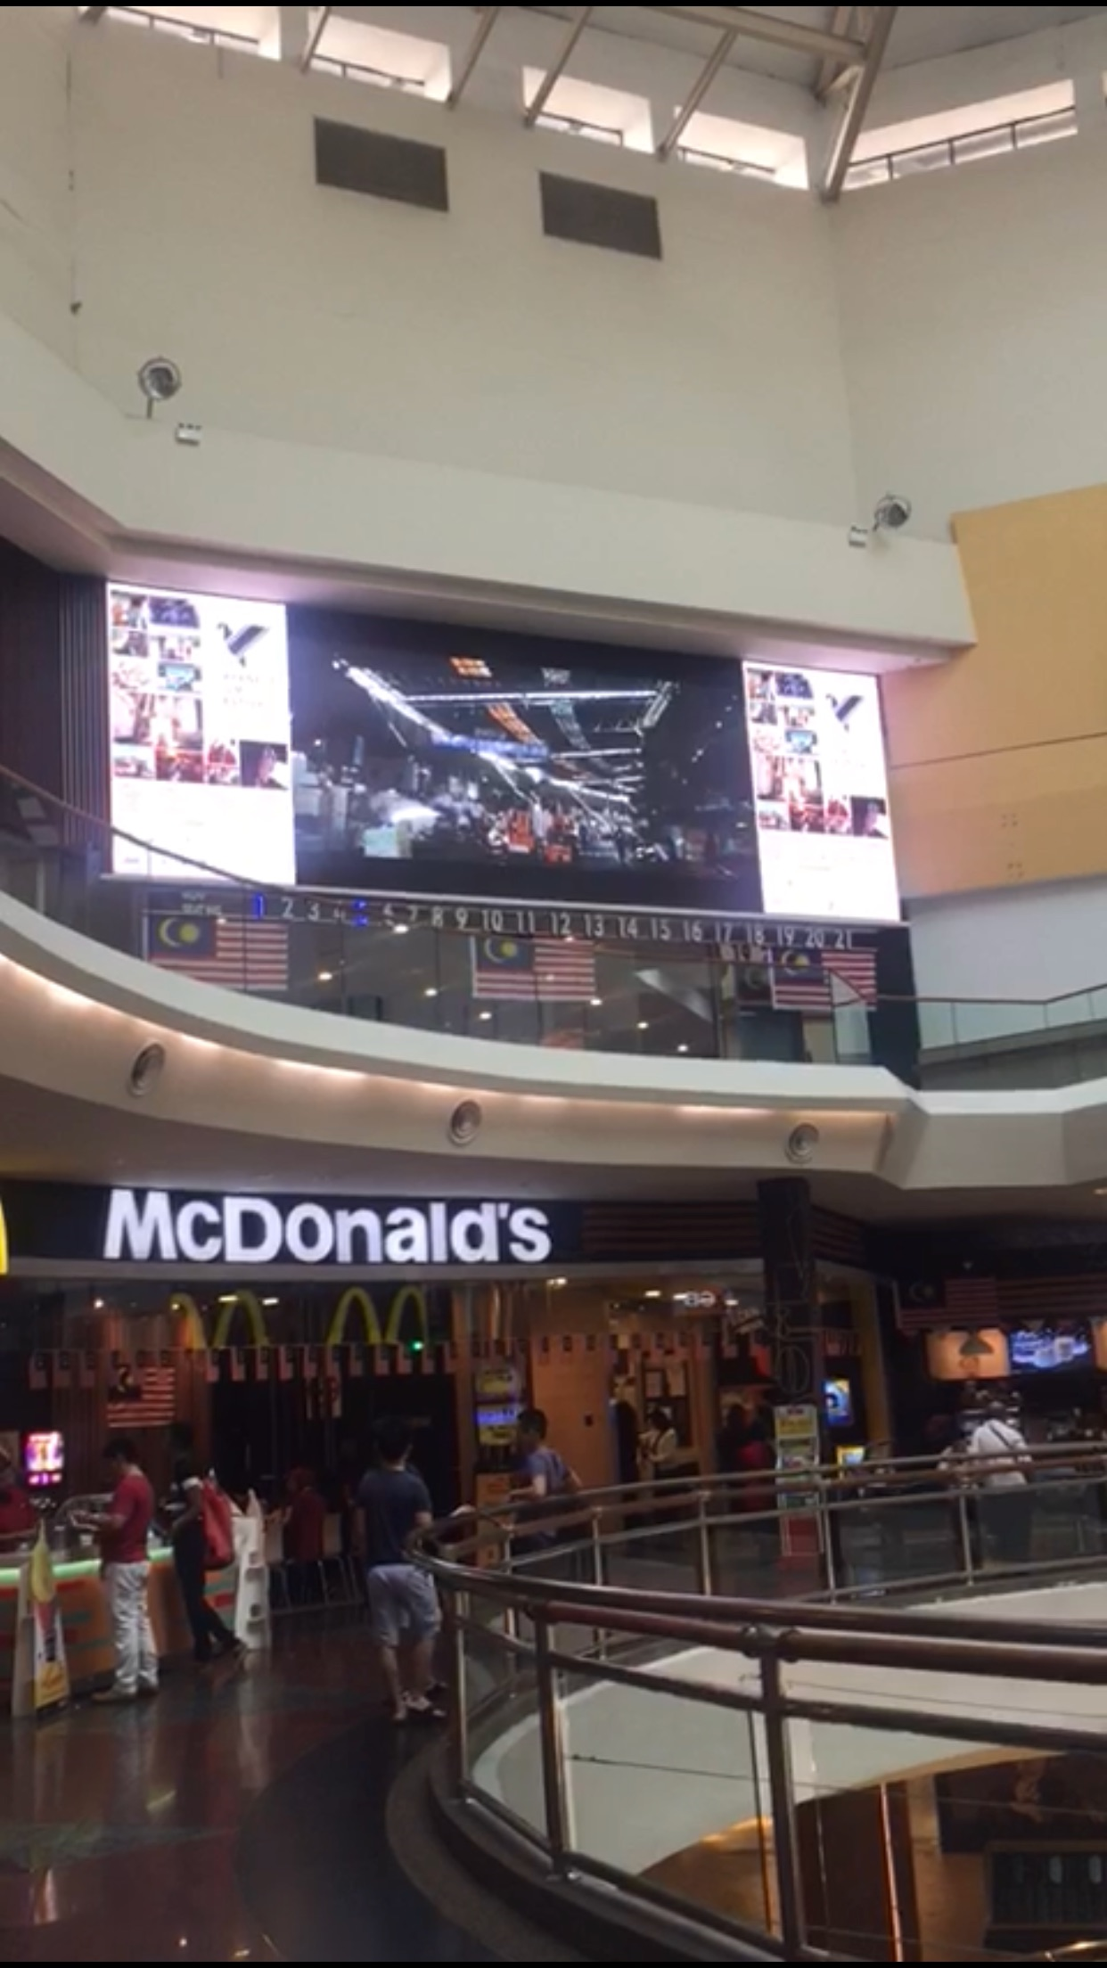
GSC videowall poster
specs requirement:
a) GSC MV 2816 x 928 HD
b) GSC PJB 1680 (W) x 960(H) HD

