Answer
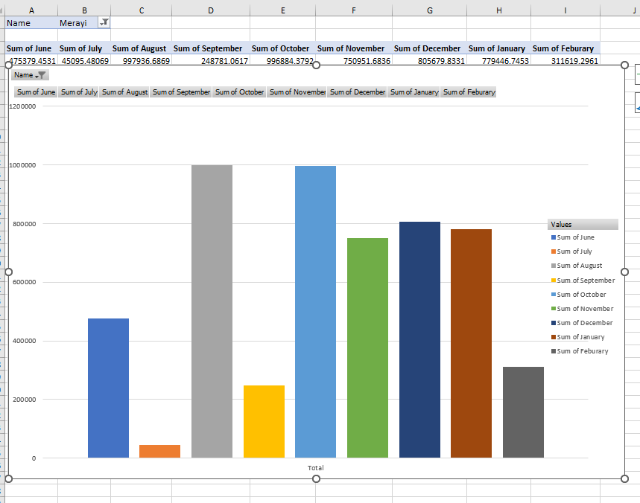
No. | Questions | Answers
2 | How many Startups are in the data? | 399 By counting distinct startup names
 | Which city has the most startups | Karachi
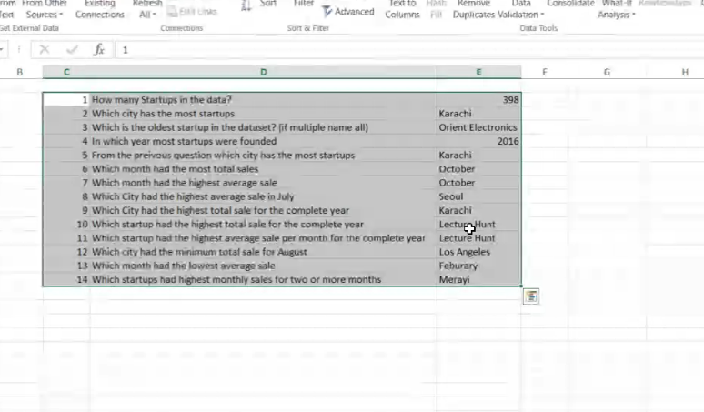
 | Founding Dates:
3 | ● Which is the oldest startup(s) in the dataset? (if multiple name all) | 7Vals
 |  | Adnan Brothers Collection Network
 |  | Alfoze
 |  | ApniDukan.pk
 |  | Arpatech
 |  | AugmentCare
 |  | AutoExpert
 |  | Baby Planet
 |  | Canary Technology Solutions
 |  | Car Chabi
 |  | Celebrate Karachi
 |  | Cloud BPO (Private) Limited
 |  | Codeleets
 |  | Confiz
 |  | ContentStudio
 |  | Cooked Today
 |  | Edev Technologies
 |  | Edjunction
 |  | Everee
 |  | Ezpz Sehat
 |  | FindMyAdventure
 |  | Folio3
 |  | Ges-Drive
 |  | Haptika
 |  | Health Wire
 |  | HerCareer.pk
 |  | Innovarge
 |  | Investors Lounge
 |  | Iris Red
 |  | Jabs Solutions
 |  | Jobz.pk
 |  | Jumpshare
 |  | Mandi Express
 |  | Mangobaaz
 |  | Mixit-Technologies
 |  | Modemetric
 |  | Muami Tech
 |  | My Tabeeb
 |  | Nearpeer
 |  | NexDegree
 |  | Onimals.pk
 |  | Online Shopping in Pakistan | ApniDukan.pk
 |  | Peanut Labs
 |  | PerkUp
 |  | Procheck
 |  | QC Technologies
 |  | Remote Interview Inc
 |  | RepairDesk
 |  | Retina VR
 |  | Sabri Technologies
 |  | Sabzi.pk
 |  | Savaree
 |  | Shandaarbuy.com
 |  | Siasatdaan
 |  | SkillsForce
 |  | Slide App
 |  | Talk Health
 |  | Techlist
 |  | Textualy
 |  | The NEST i/O
 |  | TouchD
 |  | Travlify
 |  | Travly
 |  | Whisper O
 |  | Wifigen
 |  | Wonder Tree
 |  | Wukla
 |  | Zambeel
 |  | Zameen

4 | Founding Trends: ● In which year most startups were founded? | 2016

5 | From the previous question, identify the city with the highest number of startups founded in that specific year. | karachi

6 | Sales Analysis: ● Identify the month with the highest total sales across all startups | October
 | ● Which month had the highest average sales | October

7 | City-wise Sales: ● Identify the city with the highest average sales in July. | Seoul

 | Determine the city with the highest total sales for the complete year | Karachi

8 | Startup Performance: ● Identify the startup with the highest total sales for the complete year. | Lecture Hunt

 | ● Determine the startup with the highest average sales per month for the complete year. | Lecture Hunt

9 | Lowest Sales: ● Identify the city with the minimum total sales for August. | Toronto

10 | Sales Trends: ● Determine the month with the lowest average sales. | February

 | ● Identify startups with the highest monthly sales for two or more months. | Sorting each month from highest sales to lowest
 |  | then picking the startup that has highest sales in 2 months
 |  | Merayi highest sale is aguest and october

Sheet21
Name | Merayi

Sum of June | Sum of July | Sum of August | Sum of September | Sum of October | Sum of November | Sum of December | Sum of January | Sum of Feburary
475379.45309 | 45095.480686 | 997936.68692 | 248781.06173 | 996884.37917 | 750951.68357 | 805679.8331 | 779446.74528 | 311619.29606

