Sayfa1
No\Property | Diameter (m) | Flow Rate (m^3/s) | Velocity (m/s) | Re | f | Pipes | Length (m) | h_loss,major (m) | Bends | h_loss,minor (m) |  |  | g | 9.81
1 | 0.0266 | 0.00041666666667 | 0.750 | 36024.31 | 0.022330344805 | 1 | 10 | 0.2405392745 | 1 | 0.0085959416539 |  |  | Mu | 5.47E-04
2 | 0.0266 | 0.00041666666667 | 0.750 | 36024.31 | 0.022330344805 | 2 | 5 | 0.12026963725 | 2 | 0.0056700158383 |  |  | Ro | 988.02
3 | 0.0266 | 0.00041666666667 | 0.750 | 36024.31 | 0.022330344805 | 3 | 3.5 | 0.14006493158 | Tees | h_loss,Vertical (m) | h_loss,Horizontal (m)
4 | 0.0132 | 8.3333333333E-05 | 0.609 | 14518.89 | 0.027949386732 | 4 | 3.5 | 0.10082811257 | 1 | 0.0057306277692 | 0.028653138846 | Pompatech - Online Su Pompası ve Hidroforları Mağazası
5 | 0.0266 | 0.00033333333333 | 0.600 | 28819.45 | 0.023541663605 | 5 | 3.5 | 0.15833851151 | 2 | 0.0036676017723 | 0.018338008862
6 | 0.0132 | 8.3333333333E-05 | 0.609 | 14518.89 | 0.027949386732 | 6 | 3.5 | 0.14006493158 | 3 | 0.0051131414064 | 0.025565707032
7 | 0.0212 | 0.00025 | 0.708 | 27120.19 | 0.023888652134 | 7 | 10 | 0.40018551879 | 4 | 0.0060452793879 | 0.030226396939
8 | 0.0132 | 8.3333333333E-05 | 0.609 | 14518.89 | 0.027949386732 |  |  |  | Radiators | h_loss,minor (m)
9 | 0.0166 | 0.00016666666667 | 0.770 | 23090.28 | 0.024845069752 |  |  |  | All | 0.13230036956
10 | 0.0132 | 8.3333333333E-05 | 0.609 | 14518.89 | 0.027949386732
11 | 0.0132 | 8.3333333333E-05 | 0.609 | 14518.89 | 0.027949386732
12 | 0.0132 | 8.3333333333E-05 | 0.609 | 14518.89 | 0.027949386732
 |  |  |  |  |  |  | Loop | h_loss,branch1 | h_loss,branch2 | h_loss,valve | k_valve
 |  |  |  |  |  |  | 1 (5-4) | 0.83605 | 0.59294 | 0.24311 | 12.86280
 |  |  |  |  |  |  | 2 (4-3) | 1.16295 | 0.58362 | 0.57933 | 30.65242
 |  |  |  |  |  |  | 3 (3-2) | 1.37194 | 0.56916 | 0.80278 | 42.47497
 |  |  |  |  |  |  | 4 (2-1) | 1.66353 | 0.58979 | 1.07374 | 56.81148
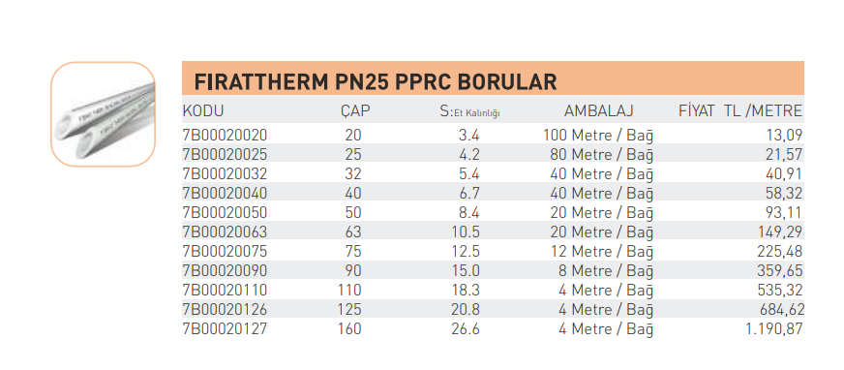
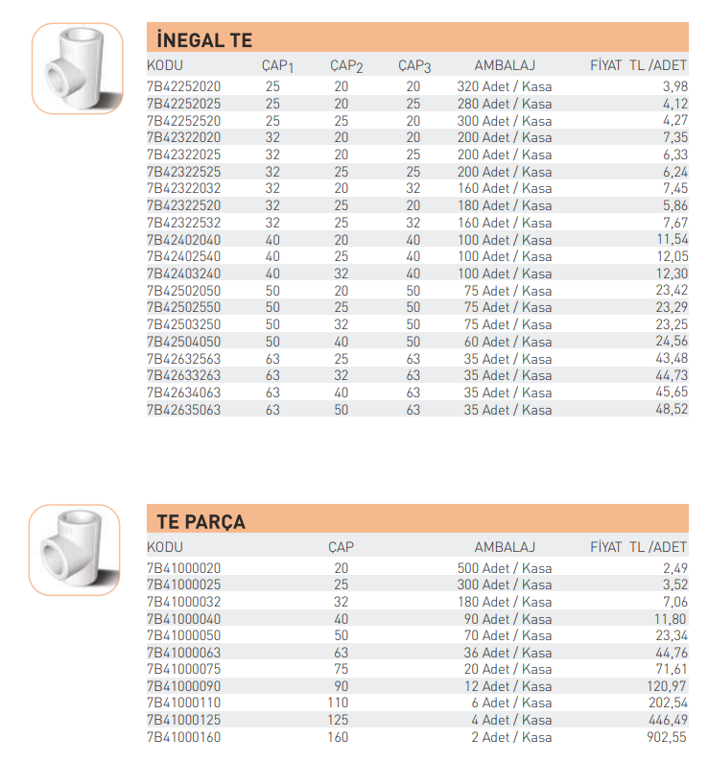
 |  |  |  |  |  |  |  |  | h_loss,total = h_pump |  | Unit
 |  |  |  |  |  |  |  |  | h_loss,total | 7.1962718888 | m
 |  |  |  |  |  |  |  |  | h_p*gamma*V_d=P | 29.062372505 | W

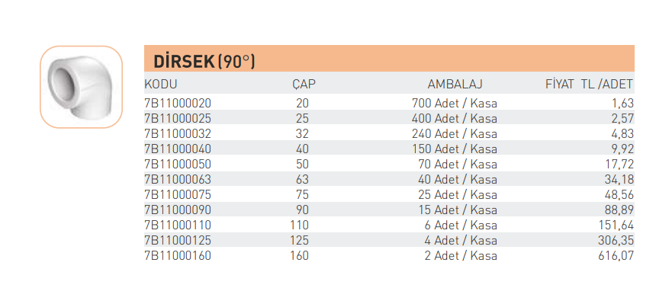

No\Property | Diameter (m) | Flow Rate (m^3/s) | Velocity (m/s) | Re | f
1 | 0.0266 | 0.0004167 | 0.750 | 36024.31 | 0.0223
2 | 0.0266 | 0.0004167 | 0.750 | 36024.31 | 0.0223
3 | 0.0132 | 0.0000833 | 0.609 | 14518.89 | 0.0279
4 | 0.0266 | 0.0003333 | 0.600 | 28819.45 | 0.0235
5 | 0.0132 | 0.0000833 | 0.609 | 14518.89 | 0.0279
6 | 0.0212 | 0.0002500 | 0.708 | 27120.19 | 0.0239
7 | 0.0132 | 0.0000833 | 0.609 | 14518.89 | 0.0279
8 | 0.0166 | 0.0001667 | 0.770 | 23090.28 | 0.0248
9 | 0.0132 | 0.0000833 | 0.609 | 14518.89 | 0.0279
10 | 0.0132 | 0.0000833 | 0.609 | 14518.89 | 0.0279
11 | 0.0132 | 0.0000833 | 0.609 | 14518.89 | 0.0279

