Notes for Dash
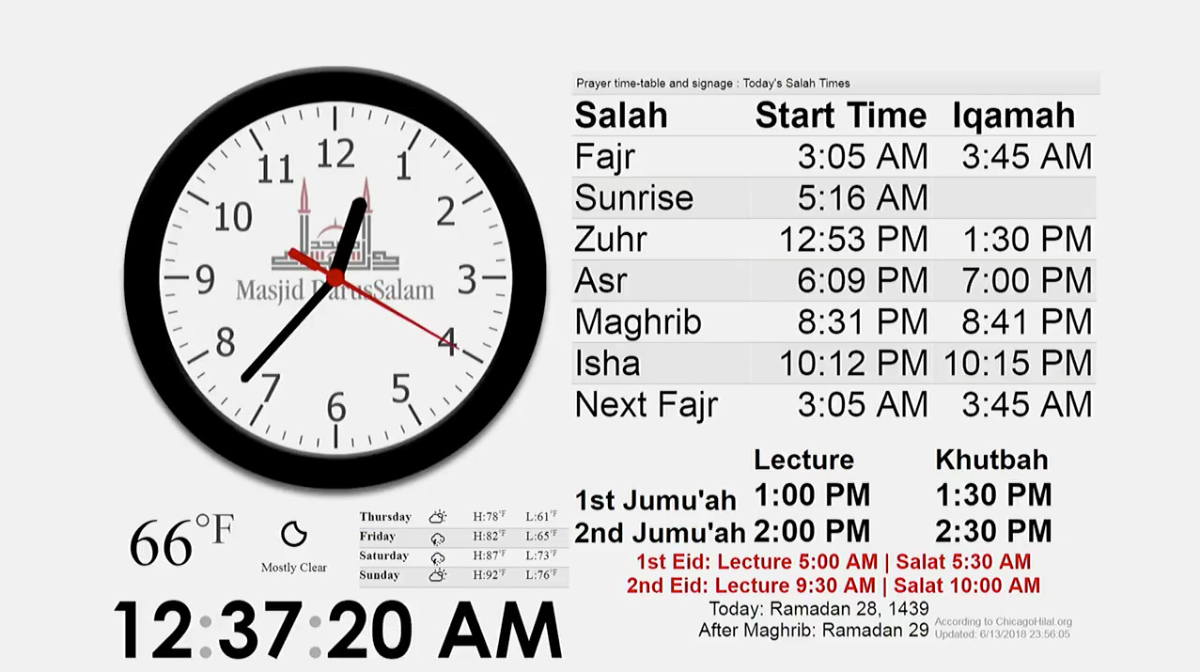
Resources
prayer times pulled from https://www.salahtimes.com/canada/ellesmere | only in 12h format
prayer times calculation from http://praytimes.org/calculation
prayer times API https://aladhan.com/prayer-times-api
hijri calendar conversion https://aladhan.com/islamic-calendar-api
hijri calendar monthly view https://aladhan.com/gregorian-hijri-calendar/11/2021
Dashboard example http://signage.masjidds.org/
current masjid dashboard http://www.galaxystream.com/apps/MosqueDashboard.asp?uid=1

Ramadan
count down suhur time. (5,10,15 mins safety net before fajr starts)
count down iftar time
Tarawi time x min after isha

EIDS
eid salah times (it would be nice to have it like juma'h salah instead of in the announcement section)

Announcement
Dedicate one cell to enter annoucement manually for special events.

Salah
next salah iqamah time count down
red text for next iqamah time change
highlight background for current salah from start time.
Remove highlight once current salah is done about 5mins after iqamah.
Protect sheets & ranges so accidentally someone doesn't change salah time. (this is done with google sheets option)
if no annoucement, display "Please donate to the masjid."

Midnight Calculation Mode
mid sunset to sunrise (end of isha)

Hijri calendar
hijri date change after maghrib time
adjustment for hijri date -2, -1, 0, +1, +2
double check hijri date with: chicagohilal, my prayer app, guidance app, aladan.com calendar

