Megastructures
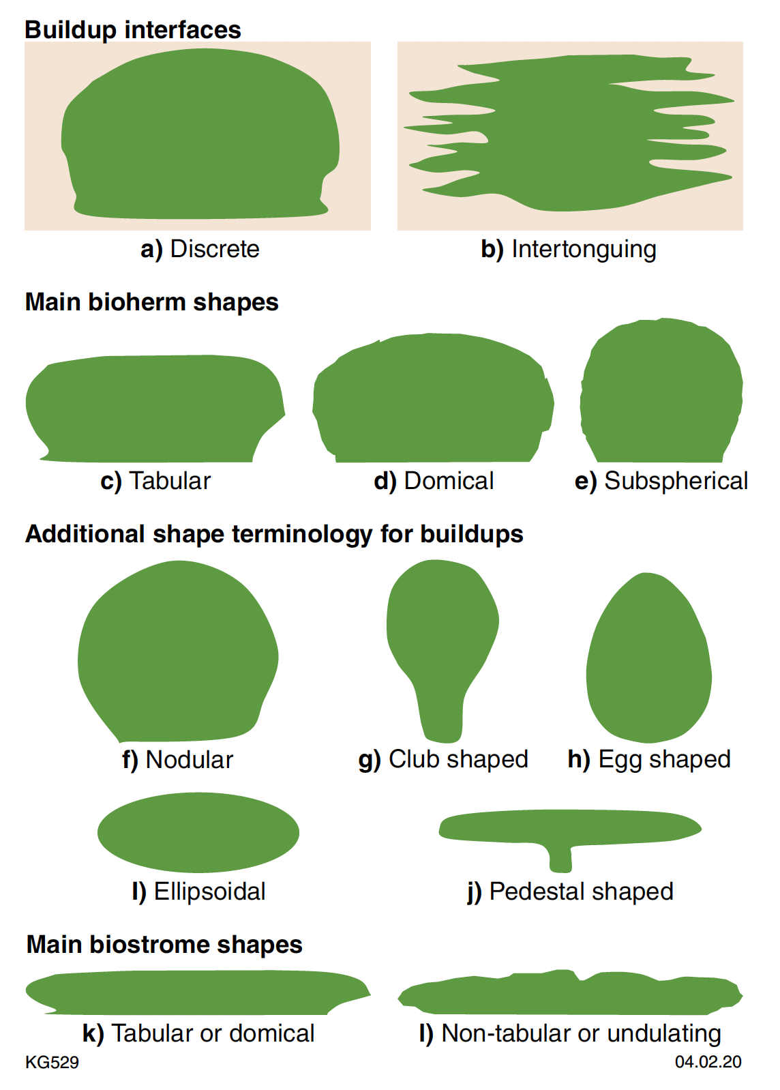
megasampleid_local | megasampleid_sesar | datesamplecollected | latitude | longitude | elevation | supergroup | group | formation | member | timescaleage | geochronage | geochronageerror | geochronagebasis | linnaeanname | notes | section_name | total_sect_thickness_m | sample_height_in_section_m | location_desc | bedgeometry | buildupinterface | builduptype | depositionalsetting | horizontalscale | initiation | lat_long_quality | lithology | megastructureshape | microbialitetypes | sedinterface | substrate | verticalscale
 |  |  |  |  |  |  |  |  |  |  |  |  |  |  |  |  |  |  |  | Concave-down | Discrete | Bioherm | Back-reef | 10-20 cm | Not Observed | High (Located precisely using GIS) | Chert | Club-shaped | Conical void | Interbiohermal space | Clast-Supported | 10-20 cm
 |  |  |  |  |  |  |  |  |  |  |  |  |  |  |  |  |  |  |  | Concave-up | intertonguing | Biostrome | Beach | >10 m | On domical stromatolite | Low (Estimated from map) | Dolostone | Domical | Dendrolite | Interfascicular space | Encrusting | >10 m
 |  |  |  |  |  |  |  |  |  |  |  |  |  |  |  |  |  |  |  | Lenticular | Not Observed | Depression | Eolian | 1-2 m | On other microbialite | Medium (Located based on high quality map) | Gypsum | Egg-shaped | Leiolite | Interspace | Not Observed | 1-2 m
 |  |  |  |  |  |  |  |  |  |  |  |  |  |  |  |  |  |  |  | Not Observed | NULL | Float | Evaporitic | 20-50 cm | On stratiform stromatolite | Very high (GPS location from field) | Limestone | Ellipsoidal | MISS | Not Observed | Older Microbialite | 20-50 cm
 |  |  |  |  |  |  |  |  |  |  |  |  |  |  |  |  |  |  |  | Tabular |  | isolated head | Fluvial | 2-10 m | On substrate | Very Low (Estimated from description or very small scale map) | Other | Nodular | Oncolite | NULL | Other | 2-10 m
 |  |  |  |  |  |  |  |  |  |  |  |  |  |  |  |  |  |  |  | Wedge-shaped |  | Not Observed | inter-tidal | 50--100 cm | NULL |  | Sandstone | Pedestal | Stromatolite |  | NULL | 50--100 cm
 |  |  |  |  |  |  |  |  |  |  |  |  |  |  |  |  |  |  |  | NULL |  | NULL | Lacustrine | 5-10 cm |  |  | NULL | Subspherical | Thrombolite |  |  | 5-10 cm
 |  |  |  |  |  |  |  |  |  |  |  |  |  |  |  |  |  |  |  |  |  |  | Marine | <5 cm |  |  |  | Tabular | NULL |  |  | <5 cm
 |  |  |  |  |  |  |  |  |  |  |  |  |  |  |  |  |  |  |  |  |  |  | Non-Marine | NULL |  |  |  | Tabular-undulating |  |  |  | NULL
 |  |  |  |  |  |  |  |  |  |  |  |  |  |  |  |  |  |  |  |  |  |  | Other |  |  |  |  | NULL
 |  |  |  |  |  |  |  |  |  |  |  |  |  |  |  |  |  |  |  |  |  |  | Reef
 |  |  |  |  |  |  |  |  |  |  |  |  |  |  |  |  |  |  |  |  |  |  | Shelf
 |  |  |  |  |  |  |  |  |  |  |  |  |  |  |  |  |  |  |  |  |  |  | Slope
 |  |  |  |  |  |  |  |  |  |  |  |  |  |  |  |  |  |  |  |  |  |  | Spring
 |  |  |  |  |  |  |  |  |  |  |  |  |  |  |  |  |  |  |  |  |  |  | Sub-tidal
 |  |  |  |  |  |  |  |  |  |  |  |  |  |  |  |  |  |  |  |  |  |  | Supra-tidal
 |  |  |  |  |  |  |  |  |  |  |  |  |  |  |  |  |  |  |  |  |  |  | NULL

Macrostructures
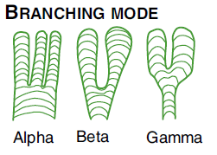
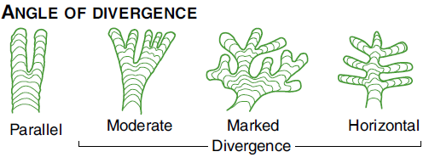
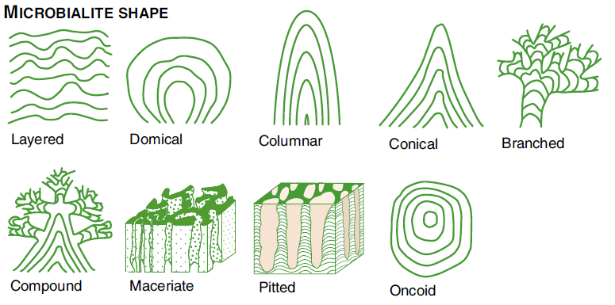
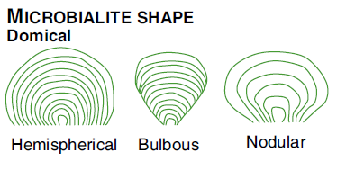
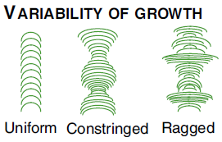
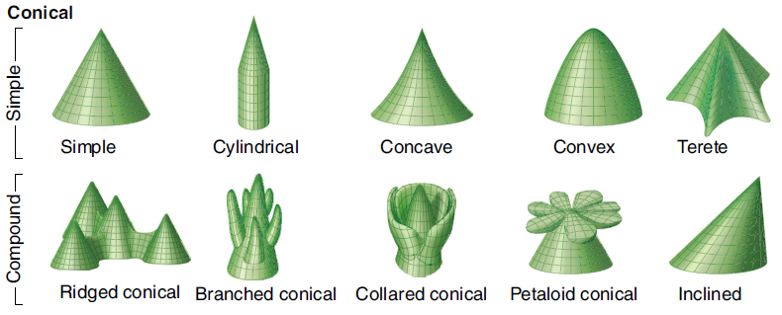
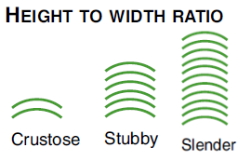
GENERAL |  |  |  |  | IF LAYERED |  | IF DOMICAL | IF CONICAL | IF BRANCHING |  |  | IF COLUMNAR
shape | spacing | planview | aspectratio | linkage | layershape | macrolaminae | domeshape | conicalshapes | branchingstyle | branchingmode | divergenceangle | columnshape | attitude | growthvariability
Branched | Closely spaced | Circular | Crustose | Linked | Linked columnar | Alternating light/dark | Bulbous | Branched conical | Anastomosed | Alpha | Horizontal Divergence | Cylindrical | Encapsulated | Constringed
Columnar | Contiguous | Crescentic | Not Observed | Locally linked | Linked conical | Intercalated minerals | Hemispherical | Collared conical | Bifurcate | Beta | Marked Divergence | Not Observed | Epinastic | Not Observed
Compound | Isolated | Labyrinthine | Slender | Not Observed | Linked thrombolitic | Predominantly dark | Nodular | Concave | Coalesced | Gamma | Moderate Divergence | Other | Erect | Ragged
Conical | Not Observed | Lanceolate | Stubby | Sporadically linked | Not Observed | Predominantly light | Not Observed | Convex | Dichotomous | NULL | Not Observed | Terete | Hyponastic | Uniform
Domical | Openly spaced | Linear | NULL | Unlinked | Pseudo-columnar | Progressive thickness change | Other | Cylindrical | Lateral |  | Parallel | Turbinate | Inclined | NULL
Layered | NULL | Lobate 1 |  | NULL | Stratiform | NULL | NULL | Inclined | Multifurcate |  | NULL | NULL | Not Observed
Macerate |  | Lobate 2 |  |  | Undulatory |  |  | Not Observed | Not Observed |  |  |  | Pendant
Oncoid |  | Lobate 3 |  |  | NULL |  |  | Petaloid conical | NULL |  |  |  | Prostrate
Pitted |  | Not Observed |  |  |  |  |  | Ridged conical |  |  |  |  | Sinuous
NULL |  | Other |  |  |  |  |  | Simple |  |  |  |  | NULL
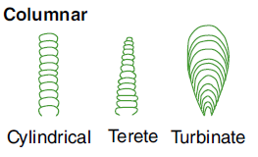
 |  | Ovate |  |  |  |  |  | Terete
 |  | Pitted |  |  |  |  |  | NULL
 |  | Polygonal
 |  | Scutate
 |  | NULL

Mesostructures
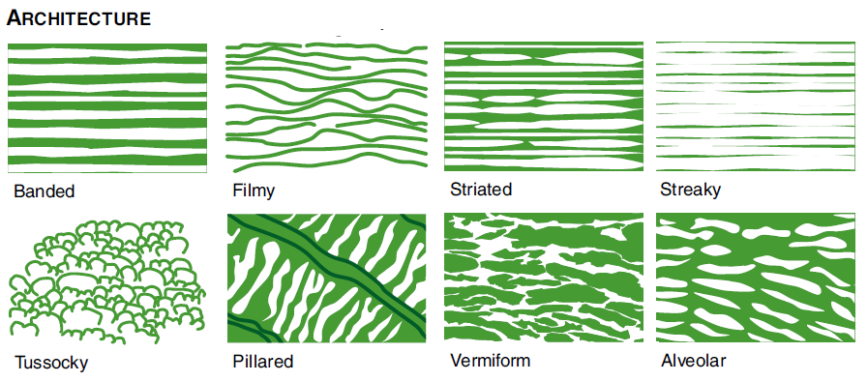
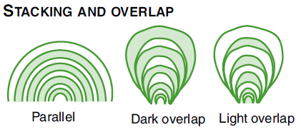
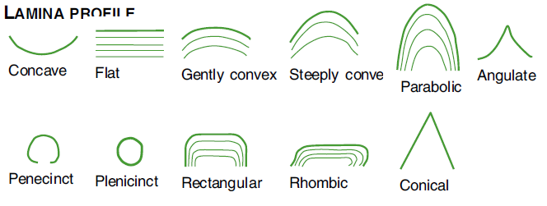
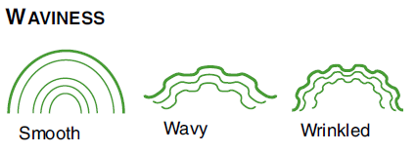
GENERAL |  | STROMATOLITES |  |  |  |  |  |  |  |  |  |  |  |  | THROMBOLITES |  | ONCOLITES
types | graintypes | mesolamthickness | lampattern | stackingoverlap | macrolaminae | alternation | lamprofile | lamwaviness | modalityskewness | synopticrelief | laminainheritance | latcontinuity | architecture | walls | clothierarchy | clotshape | oncoids | oncoidshape | oncoidflattening
Brecciated | Aphanitic |  | Couplet | Dark overlap | Alternating light/dark | Composite | Angulate | Crinkly | Aysymmetric | Flat | High | Continuous | Alveolar | Complex | Maxiclots | Arborescent | Oncoid | Irregular | Equant
Columnar | Oncoids |  | Non-couplet | Light overlap | Intercalated minerals | Even | Concave | Other | Bimodal | High (>30 - 50 cm) | Low | Discontinuous | Banded | Multilaminate | Mesoclots | Crescentic | Oncoid, layered | Smooth | Flattened
Concentric | Oolitic |  | Not Observed | Parallel | Predominantly dark | Film bounded smooth | Conical | Smooth | Multimodal | Low (>1 - 2 cm) | Medium | Harmonized | Filmy | Patchy | Miniclots | Diffuse | Oncoid, radial | Very irregular | Somewhat flattened
Dendrolitic | Other |  | Variable | NULL | Predominantly light | Film bounded wavy | Flat | Straight | Unimodal | Moderate (>5 - 10 cm) | Variable | Heterogeneous | Not Observed | Selvage | Not Observed | Lanceolate | Pisoid | NULL | NULL
Digitate | Peloidal |  | Variable mostly couplet |  | Progressive thickness change | Gradational | Gently convex | Undulatory | NULL | Moderately high (> 20 - 30 cm) | NULL | Irregular | Pillared | Simple | NULL | Lobate | Pisoid, layered
Massive | Pisoids |  | Variable mostly non couplet |  | NULL | Intercalated recrystallized | Parabolic | Wavy |  | Moderately low (>2 - 5 cm) |  | Lenticular | Streaky | Unwalled |  | Oblong | NULL
Oncolitic | NULL |  | NULL |  |  | Intercalated sed_cement | Penecinct | NULL |  | Very high (> 50 cm) |  | Micro-cross laminated | Striated | NULL |  | Pendant
Other detrital |  |  |  |  |  | Not Observed | Plenicinct |  |  | Very low (< 1 cm) |  | NULL | Tussocky |  |  | Rounded
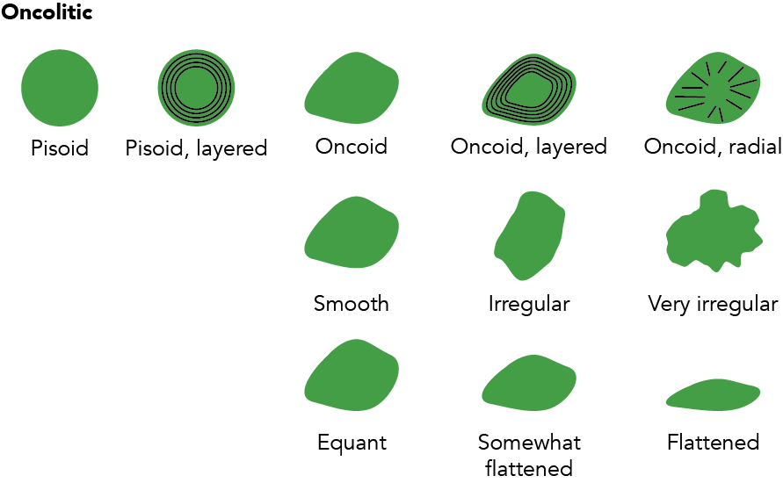
Other microbial (describe below) |  |  |  |  |  | NULL | Rectangular |  |  | NULL |  |  | Vermiform |  |  | Saccate
Pisolitic |  |  |  |  |  |  | Rhombic |  |  |  |  |  | NULL |  |  | Scutate
Radial |  |  |  |  |  |  | Steeply convex |  |  |  |  |  |  |  |  | Subrounded
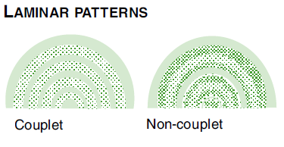
Stromatolitic (laminated) |  |  |  |  |  |  | NULL |  |  |  |  |  |  |  |  | NULL
Thrombolitic
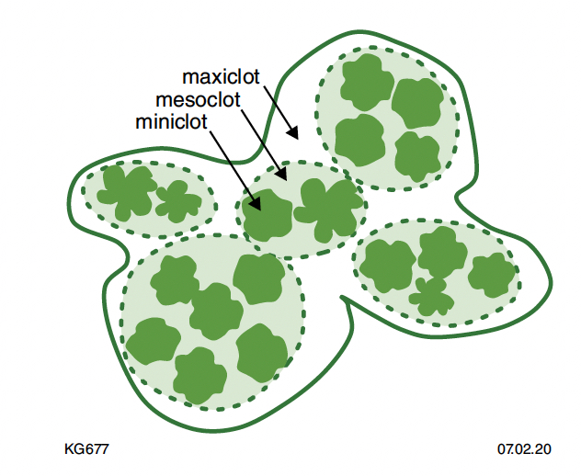
NULL

Microstructures
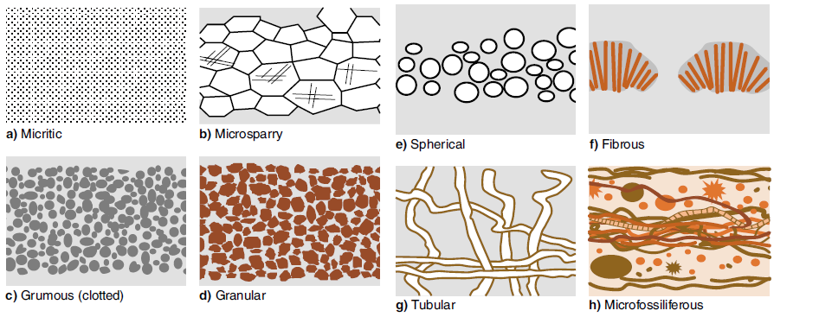
mineralogy | carbonategrains | texturetypes | clasticgrains | percentclastics | wentworth | porositytypes | porosityprocess | porositydirection | porositysize | cementtypes | microfacies
Anhydrite | Intraclasts | Cement | Feldspar undifferentiated | 1% | Clay | FS: Fenestral | Cementation | Enlarged | Megapore (4-256mm) | Botryoidal
Aragonite | Micrite | Fibrous | K-spar | 10% | > Cobble | FS: Growth-framework | Internal sediment | Filled | Mesopore (0.0625-4mm) | Calcite spar (drusy)
Barite | Not Observed | Granular | Lithic metamorphic | 20% | Cobble | FS: Interparticle | Solution | Reduced | Micropore (<0.0625mm) | Dog-tooth spar
Calcite (undiff.) | Oncoids | Grumous | Lithic sedimentary | 3% | C sand | FS: Intraparticle | NULL | NULL | NULL | Herringbone
Chert | Ooids | Massive micritic | Lithic volcanic | 30% | F sand | FS or NFS: Boring |  |  |  | Isopachous
Dolomite | Peloids | Microfossiliferous | Microcrystalline Quarz (chert) | 40% | Granule | FS or NFS: Breccia |  |  |  | Isopachous Acicular
Gypsum (undiff.) | Pisoids | Microlaminated | Monocrystalline Quartz | 5% | M sand | FS or NFS: Burrow |  |  |  | Isopachous Bladed
Halite | Skeletal grains | Oolitic | Not Observed | 50% | Pebble | FS or NFS: Shrinkage |  |  |  | Isopachous Botryoidal
Macrocrystalline Qtz | NULL | Peloidal | Other |  | Silt | FS Secondary: Inter-crystal |  |  |  | Isopachous Fibrous
Magnesite |  | Recrystallized | Plagioclase |  | Vc sand | FS Secondary: Mouldic |  |  |  | Isopachous Sparry
Other |  | Spherical | Polycrystalline Quartz |  | Vf Sand | FS: Shelter |  |  |  | Meniscus
Pyrite |  | NULL | NULL |  | NULL | NFS: Cavern |  |  |  | Mosaic (vadose?)
Quartz |  |  |  |  |  | NFS: Channel |  |  |  | Not Observed
Selenite |  |  |  |  |  | NFS: Fracture |  |  |  | Other
Siderite |  |  |  |  |  | NFS: Vug or macroporous |  |  |  | Pendant
NULL |  |  |  |  |  | NULL |  |  |  | Radial fibrous
 |  |  |  |  |  |  |  |  |  | NULL

