Budgeting
 |  | THIS PRODUCT BELONGS TO ..

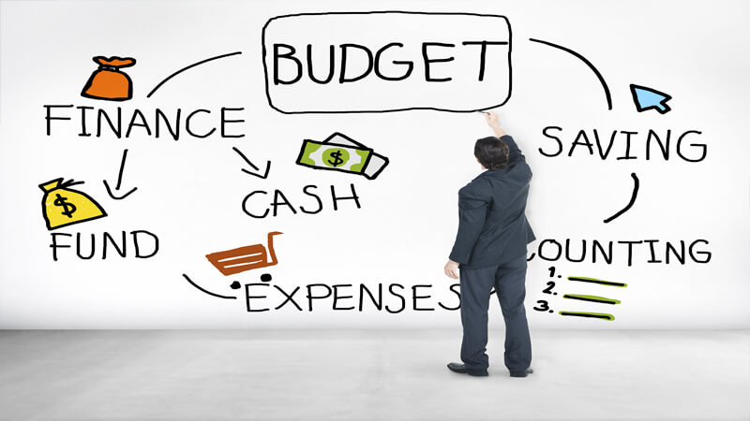 |  | 
TOTAL MONTHLY INCOME |  | TO IMPROVE YOUR FINANCIAL KNOWLEDGE, FOLLOW US @ |  | https://www.youtube.com/channel/UChBT5TlUeG68PKvJSg6MkqQ

Cash Outflow Breakup
Total Living Expense | 0
Total Lifestyle Expense | 0
Total Other Expenses | 0
Total Savings | 0
Total EMI's | 0
EXPENDITURE
Housing (Rent, mortgage, taxes, insurance)
Transportation
Utilities (Mobile Bill,Internet,Electricity,Etc..)
Groceries
Medical
Total Living Expense | 0

Dining, travel, entertainment
Shopping (Clothes, Mobile, Electronic Gadgets Etc..)
Total Lifestyle Expense | 0

Insurance Premium’s (Term Life,Health,Vehicle)
Child Education
Maid
Miscellaneous
Total Other Expenses | 0
Total Expenses | 0 | Expected Expense for Retirement | 0

Mutual Funds
Stocks
RD's
Insurance Policies (Investment linked) |  | LETS STAY IN TOUCH @
Other Investments
Total Savings | 0 | Instagram | www.instagram.com/moneypurseadv
 |  | Twitter | www.twitter.com/moneypurseadv
Home Loan |  | Facebook | www.facebook.com/moneypurseadv
Car Loan |  | Telegram | https://t.me/moneypurseadv
Personal Loan
Other Loans
Total EMI's | 0

Monthly Additional Money Left in Bank After all Expenses | 0

Retirement Goal Planning
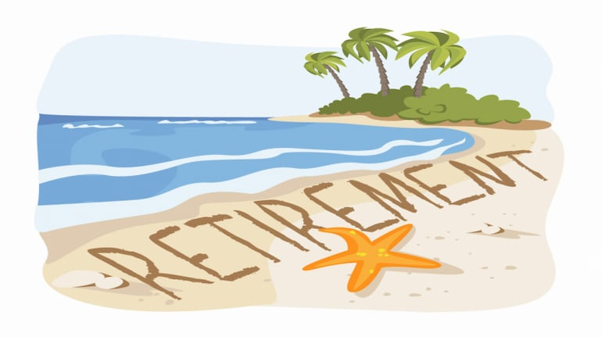

 |  |  |  | THIS PRODUCT BELONGS TO ..
 |  |  |  |  |  |  | Post Retirement Cash Outflow

Present Age |  |  |  |  |  |  | Age | Corpus | Yearly Expense | Corpus Post Expense | Return on Corpus | End Corpus
Expected Retirement Age |  |  |  |  |  |  | 1 | N A | N A | N A | N A | N A
Total Life Expectency |  |  |  |  |  |  | 2 | N A | N A | N A | N A | N A
Present Expenses | ₹0 |  | TO IMPROVE YOUR FINANCIAL KNOWLEDGE, FOLLOW US @ |  |  | https://www.youtube.com/channel/UChBT5TlUeG68PKvJSg6MkqQ | 3 | N A | N A | N A | N A | N A
Expected Pre Retirement Inflation | 6% |  |  |  |  |  | 4 | N A | N A | N A | N A | N A
Pre Retirement Expanse Growth
No Of Years to Retirement | 0 |  |  |  |  |  | 5 | N A | N A | N A | N A | N A
At your Retirement, Your Expenses Would be | ₹0 |  |  |  |  |  | 6 | N A | N A | N A | N A | N A
 |  |  |  |  |  |  | 7 | N A | N A | N A | N A | N A
Monthly Expense @ Retirement | ₹0.00 |  |  |  |  |  | 8 | N A | N A | N A | N A | N A
No Of Months Required | 0 |  |  |  |  |  | 9 | N A | N A | N A | N A | N A
Post Retirement Expected Return | 7% |  |  |  |  |  | 10 | N A | N A | N A | N A | N A
Post Retirement Expected Inflation | 6% |  |  |  |  |  | 11 | N A | N A | N A | N A | N A
Post Retirement Inflation Adjusted Return | 1% | 0.00082953811435 |  |  |  |  | 12 | N A | N A | N A | N A | N A
Corpus Required @ Retirement | ₹0.00 |  |  |  |  |  | 13 | N A | N A | N A | N A | N A
 |  |  |  |  |  |  | 14 | N A | N A | N A | N A | N A
 |  |  | LETS STAY IN TOUCH @ |  |  |  | 15 | N A | N A | N A | N A | N A
 |  |  |  |  |  |  | 16 | N A | N A | N A | N A | N A
 |  |  | Instagram |  | http://www.instagram.com/moneypurseadv |  | 17 | N A | N A | N A | N A | N A
 |  |  | Twitter |  | http://www.twitter.com/moneypurseadv |  | 18 | N A | N A | N A | N A | N A
 |  |  | Facebook |  | http://www.facebook.com/moneypurseadv |  | 19 | N A | N A | N A | N A | N A
 |  |  | Telegram |  | https://t.me/moneypurseadv |  | 20 | N A | N A | N A | N A | N A
 |  |  |  |  |  |  | 21 | N A | N A | N A | N A | N A
 |  |  |  |  |  |  | 22 | N A | N A | N A | N A | N A
 |  |  |  |  |  |  | 23 | N A | N A | N A | N A | N A
 |  |  |  |  |  |  | 24 | N A | N A | N A | N A | N A
 |  |  |  |  |  |  | 25 | N A | N A | N A | N A | N A
 |  |  |  |  |  |  | 26 | N A | N A | N A | N A | N A
 |  |  |  |  |  |  | 27 | N A | N A | N A | N A | N A
 |  |  |  |  |  |  | 28 | N A | N A | N A | N A | N A
 |  |  |  |  |  |  | 29 | N A | N A | N A | N A | N A
 |  |  |  |  |  |  | 30 | N A | N A | N A | N A | N A
 |  |  |  |  |  |  | 31 | N A | N A | N A | N A | N A
 |  |  |  |  |  |  | 32 | N A | N A | N A | N A | N A
 |  |  |  |  |  |  | 33 | N A | N A | N A | N A | N A
 |  |  |  |  |  |  | 34 | N A | N A | N A | N A | N A
 |  |  |  |  |  |  | 35 | N A | N A | N A | N A | N A
 |  |  |  |  |  |  | 36 | N A | N A | N A | N A | N A
 |  |  |  |  |  |  | 37 | N A | N A | N A | N A | N A
 |  |  |  |  |  |  | 38 | N A | N A | N A | N A | N A
 |  |  |  |  |  |  | 39 | N A | N A | N A | N A | N A
 |  |  |  |  |  |  | 40 | N A | N A | N A | N A | N A
 |  |  |  |  |  |  | 41 | N A | N A | N A | N A | N A
 |  |  |  |  |  |  | 42 | N A | N A | N A | N A | N A
 |  |  |  |  |  |  | 43 | N A | N A | N A | N A | N A
 |  |  |  |  |  |  | 44 | N A | N A | N A | N A | N A
 |  |  |  |  |  |  | 45 | N A | N A | N A | N A | N A
 |  |  |  |  |  |  | 46 | N A | N A | N A | N A | N A
 |  |  |  |  |  |  | 47 | N A | N A | N A | N A | N A
 |  |  |  |  |  |  | 48 | N A | N A | N A | N A | N A
 |  |  |  |  |  |  | 49 | N A | N A | N A | N A | N A
 |  |  |  |  |  |  | 50 | N A | N A | N A | N A | N A
 |  |  |  |  |  |  | 51 | N A | N A | N A | N A | N A
 |  |  |  |  |  |  | 52 | N A | N A | N A | N A | N A
 |  |  |  |  |  |  | 53 | N A | N A | N A | N A | N A
 |  |  |  |  |  |  | 54 | N A | N A | N A | N A | N A
 |  |  |  |  |  |  | 55 | N A | N A | N A | N A | N A

Inv Planning for Retirement
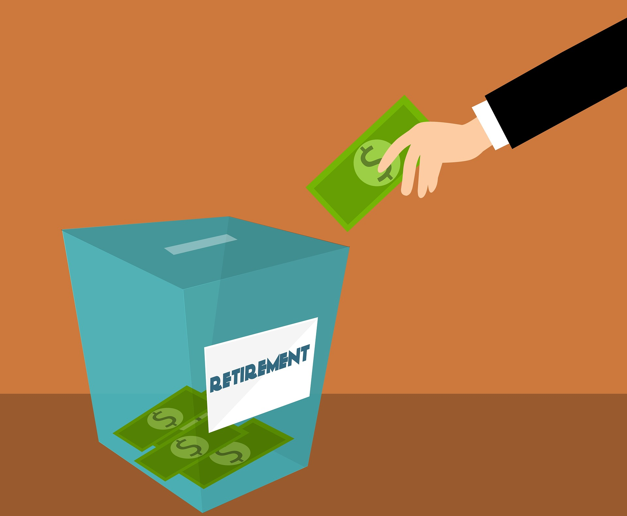
THIS PRODUCT BELONGS TO ..

 |  |  |  | Monthly Investment

TO IMPROVE YOUR FINANCIAL KNOWLEDGE, FOLLOW US @ | https://www.youtube.com/channel/UChBT5TlUeG68PKvJSg6MkqQ |  |  | Annual Saving Increment Rate

Corpus Required @ Retirement | ₹0.00 |  | Age | Beginning Corpus | Investment (Converted Annually) | Return | End Corpus
No Of Months Left to Save | 0 |  | 0 | ₹0 | ₹0 | ₹0 | ₹0
Expected Return (Avg) |  | #NUM! | 1 | N A | N A | N A | N A
Required Monthly Saving | #NUM! |  | 2 | N A | N A | N A | N A
 |  |  | 3 | N A | N A | N A | N A
To Support 'Money Purse Channel' you can open your "DEMAT ACCOUNT" with below brokers |  |  | 4 | N A | N A | N A | N A
 |  |  | 5 | N A | N A | N A | N A
 |  |  | 6 | N A | N A | N A | N A
ZERODHA | https://zerodha.com/open-account?c=ZMPIBU |  | 7 | N A | N A | N A | N A
UPSTOX | https://upstox.com/open-account/?f=7K5T |  | 8 | N A | N A | N A | N A
ANGEL BROAKING | https://tinyurl.com/y3r42a2x |  | 9 | N A | N A | N A | N A
 |  |  | 10 | N A | N A | N A | N A
 |  |  | 11 | N A | N A | N A | N A
 |  |  | 12 | N A | N A | N A | N A
 |  |  | 13 | N A | N A | N A | N A
 |  |  | 14 | N A | N A | N A | N A
 |  |  | 15 | N A | N A | N A | N A
 |  |  | 16 | N A | N A | N A | N A
 |  |  | 17 | N A | N A | N A | N A
 |  |  | 18 | N A | N A | N A | N A
 |  |  | 19 | N A | N A | N A | N A
 |  |  | 20 | N A | N A | N A | N A
 |  |  | 21 | N A | N A | N A | N A
 |  |  | 22 | N A | N A | N A | N A
 |  |  | 23 | N A | N A | N A | N A
 |  |  | 24 | N A | N A | N A | N A
 |  |  | 25 | N A | N A | N A | N A
 |  |  | 26 | N A | N A | N A | N A
 |  |  | 27 | N A | N A | N A | N A
 |  |  | 28 | N A | N A | N A | N A
 |  |  | 29 | N A | N A | N A | N A
 |  |  | 30 | N A | N A | N A | N A
 |  |  | 31 | N A | N A | N A | N A
 |  |  | 32 | N A | N A | N A | N A
 |  |  | 33 | N A | N A | N A | N A
 |  |  | 34 | N A | N A | N A | N A
 |  |  | 35 | N A | N A | N A | N A
 |  |  | 36 | N A | N A | N A | N A
 |  |  | 37 | N A | N A | N A | N A
 |  |  | 38 | N A | N A | N A | N A
 |  |  | 39 | N A | N A | N A | N A
 |  |  | 40 | N A | N A | N A | N A
 |  |  | 41 | N A | N A | N A | N A
 |  |  | 42 | N A | N A | N A | N A
 |  |  | 43 | N A | N A | N A | N A
 |  |  | 44 | N A | N A | N A | N A
 |  |  | 45 | N A | N A | N A | N A
 |  |  | 46 | N A | N A | N A | N A
 |  |  | 47 | N A | N A | N A | N A
 |  |  | 48 | N A | N A | N A | N A
 |  |  | 49 | N A | N A | N A | N A
 |  |  | 50 | N A | N A | N A | N A
 |  |  | 51 | N A | N A | N A | N A
 |  |  | 52 | N A | N A | N A | N A
 |  |  | 53 | N A | N A | N A | N A
 |  |  | 54 | N A | N A | N A | N A
 |  |  | 55 | N A | N A | N A | N A
 |  |  | 56 | N A | N A | N A | N A
 |  |  | 57 | N A | N A | N A | N A
 |  |  | 58 | N A | N A | N A | N A
 |  |  | 59 | N A | N A | N A | N A
 |  |  | 60 | N A | N A | N A | N A
 |  |  | 61 | N A | N A | N A | N A
 |  |  | 62 | N A | N A | N A | N A
 |  |  | 63 | N A | N A | N A | N A
 |  |  | 64 | N A | N A | N A | N A
 |  |  | 65 | N A | N A | N A | N A
 |  |  | 66 | N A | N A | N A | N A
 |  |  | 67 | N A | N A | N A | N A
 |  |  | 68 | N A | N A | N A | N A
 |  |  | 69 | N A | N A | N A | N A
 |  |  | 70 | N A | N A | N A | N A
 |  |  | 71 | N A | N A | N A | N A
 |  |  | 72 | N A | N A | N A | N A
 |  |  | 73 | N A | N A | N A | N A
 |  |  | 74 | N A | N A | N A | N A
 |  |  | 75 | N A | N A | N A | N A

