Descriptive_Statistics
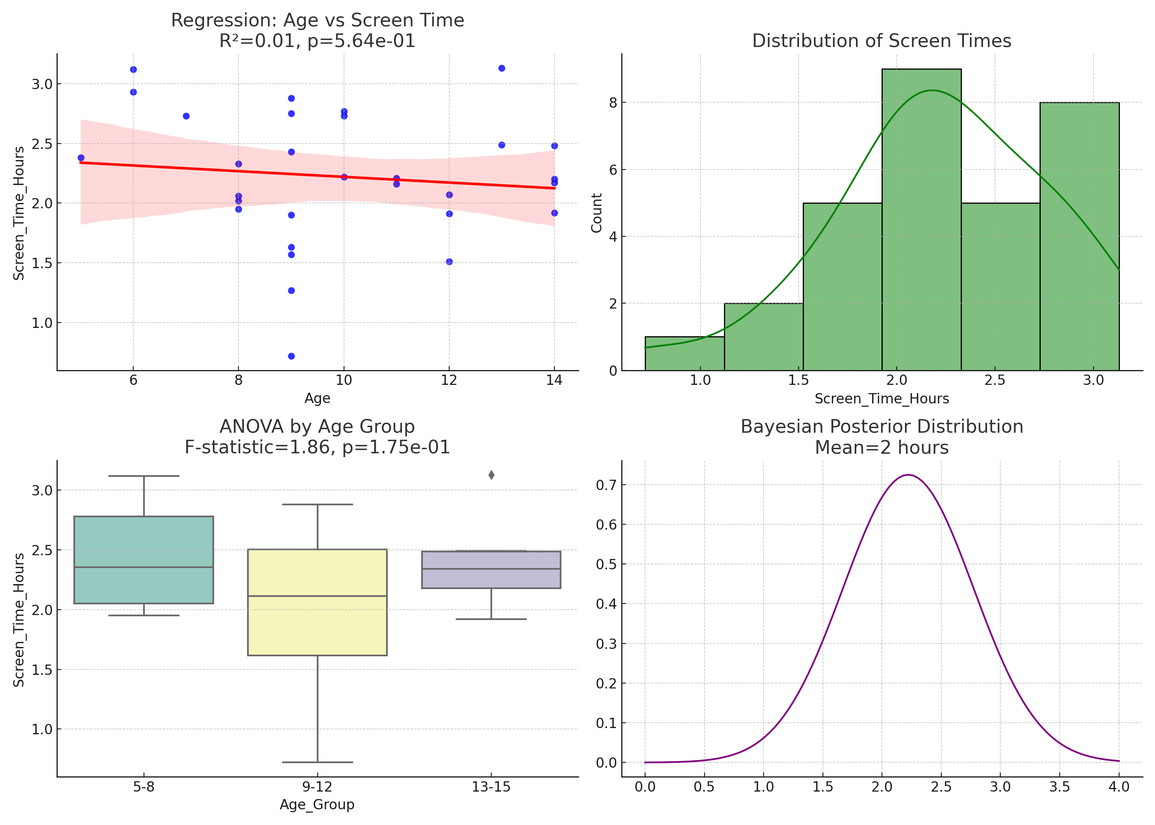
count | mean | std | min | 25% | 50% | 75% | max
30 | 2.2213333333 | 0.55045268727 | 0.72 | 1.9275 | 2.205 | 2.67 | 3.13

