2 input model
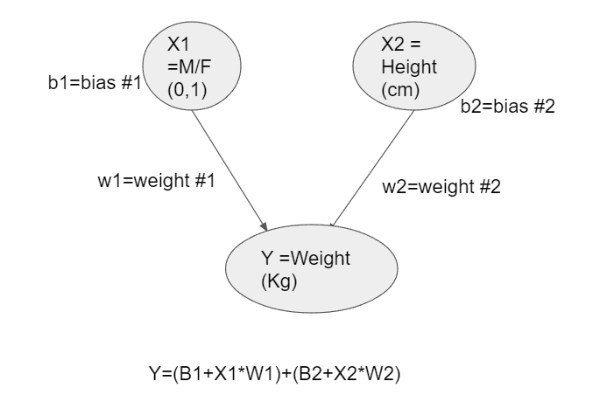

Weight | 0.1 | 0.45
Bias | 90 | 0
 | Gender | Height | Y=Weight | Y* predicted weight | abs(ERROR)
 | 1 | 174 | 96 | 168.4 | 72.4
 | 1 | 189 | 87 | 175.15 | 88.15
 | 0 | 185 | 110 | 173.25 | 63.25
 | 0 | 195 | 104 | 177.75 | 73.75
 | 1 | 149 | 61 | 157.15 | 96.15
 | 1 | 189 | 104 | 175.15 | 71.15
 | 1 | 147 | 92 | 156.25 | 64.25
 | 1 | 154 | 111 | 159.4 | 48.4
 | 1 | 174 | 90 | 168.4 | 78.4
 | 0 | 169 | 103 | 166.05 | 63.05
 | 1 | 195 | 81 | 177.85 | 96.85
 | 0 | 159 | 80 | 161.55 | 81.55
 | 0 | 192 | 101 | 176.4 | 75.4
 | 1 | 155 | 51 | 159.85 | 108.85
 | 1 | 191 | 79 | 176.05 | 97.05
 | 0 | 153 | 107 | 158.85 | 51.85
 | 0 | 157 | 110 | 160.65 | 50.65
 | 1 | 140 | 129 | 153.1 | 24.1
 |  |  |  | CUSTOM LOSS FUNCTION | 72.514
 |  |  |  | PREVIOUS MSE | 16.842
 |  |  |  |  | WORSE

