MIndmaps
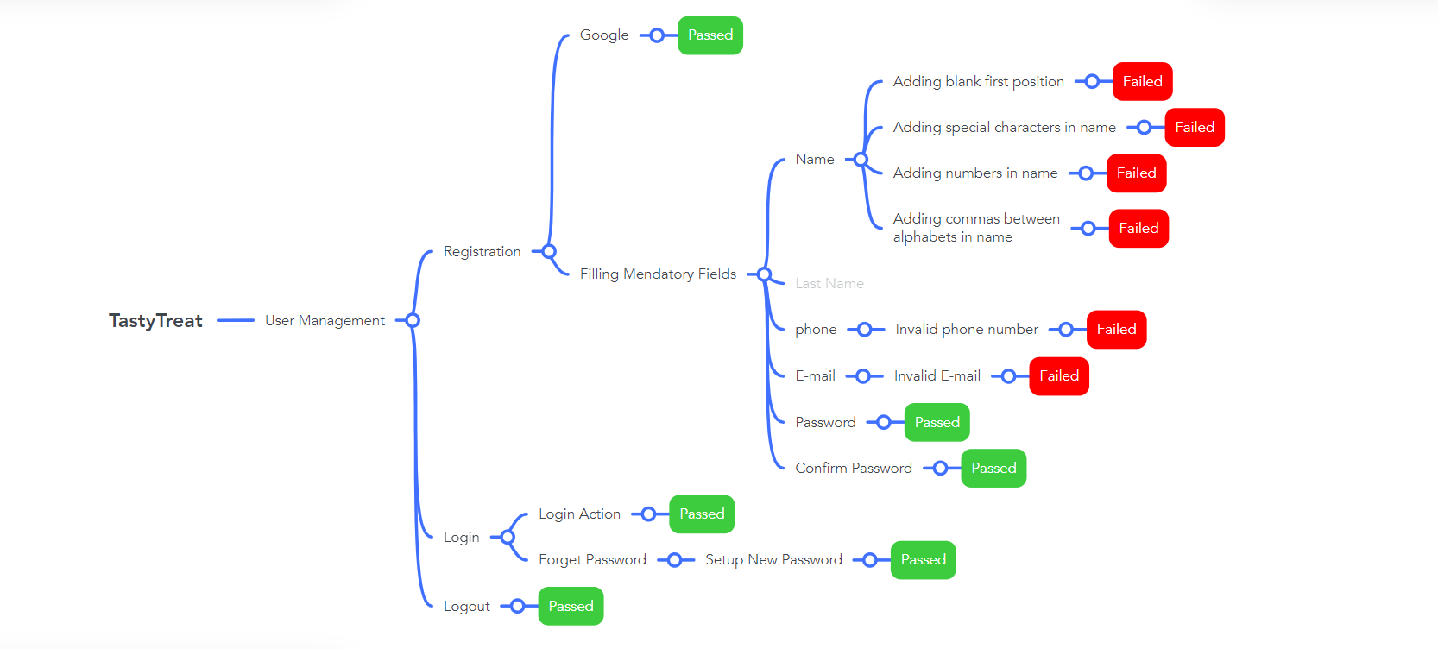
Mindmap forhttps://tastytreatbd.com/website testing

Report
PASS | 44
FAIL | 6
Not Executed | 0
Out Of Scope | 0
Total TC | 50
Test Case Report

Project Name | https://tastytreatbd.com/
Module Name | Registration & Log in
Test Case Version
Written By | Tahsina Binte Hanif
Executed By | Tahsina Binte Hanif
Reviewed By | Tahsina Binte Hanif
TEST EXECUTION REPORT

Test Case | PASS | FAIL | Not Executed | Out Of Scope | Total TC
 | 44 | 6 | 0 | 0 | 50
Grand Total | 44 | 6 | 0 | 0 | 50

