PRD
Product Requirement Document (PRD) - Version: 1.0

Template Name |  | Fitness Tracker Trainer Module
Goals & Objective |  | Fitness instructors may effectively oversee their clients' fitness journeys with the help of the Trainer Module, which is made to function as a full-featured digital assistant. By offering a consolidated platform for client management, workout planning, progress tracking, and real-time communication, this module aims to simplify the daily tasks of trainers. Allow trainers to create and assign individualized workout plans tailored to each client's goals. 1. Enable tracking of client health metrics and progress over time with visual analytics. 2. Provide a built-in messaging system for efficient trainer-client communication. 3. Track session attendance and generate insightful reports for consistency analysis. 4. Sync training schedules with external calendars (e.g., Google Calendar, Outlook) to optimize time management. 5. Support customization of trainer profiles to build trust and display professional expertise.
Client Information |  | User, Trainer, Nutritionist, Admin
Product Type |  | Web Application
Domain |  | Web2
Access Layers |  | Trainer
Design Required |  | Yes

Phase | Item No | Specification [Role] | Screen Definition | User Story | Acceptance Criteria | UI Screen / Wireframe | Tags
Feature: 1 |  | Auth Feature
Feature: 2 |  | Dashboard
phase 1 | 4 | Sidebar [Menu] | Navigation Items: An unordered list of menu options, each accompanied by an icon, such as: Home Users Messages Schedule Settings Active State Indicator: Highlights the currently active page. Collapsible Functionality: Allows users to expand or collapse the sidebar for a more streamlined view. Responsive Design: Adjusts layout appropriately for different screen sizes. | Title: Sidebar Navigation for Efficient Access As a user of the Fitness Tracker application, I want to have a sidebar menu with clear navigation options, so that I can easily access different sections of the application without confusion. | Clicking Dashboard will take user to the Dashboard page - Go to Home page on click - Go to Users page on click - Go to Messages page on click - Go to Settings page on click - Go to Schedule on click | 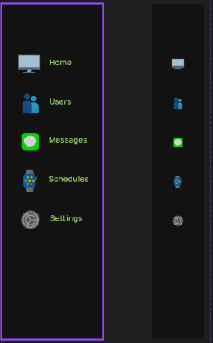 | Menu
phase 1 | 5 | Counter [Display Counts] | <div> Steps (with icon) Heart Rate (with icon) Calories Burned (with icon) Water Intake (with icon) </div> | - Steps (display) - Heart Rate (display) - Calories Burned (display) - Water Intake (display) | - Display steps count with an appropriate icon on the dashboard - Display heart rate with an appropriate icon on the dashboard - Display calories burned with an appropriate icon on the dashboard - Display water intake with an appropriate icon on the dashboard - The data displayed should be up-to-date and reflect the user’s latest recorded metrics - Clicking on steps navigates the user to the detailed steps history page - Clicking on heart rate navigates the user to the detailed heart rate history page - Clicking on calories burned navigates the user to the detailed calories tracking page - Clicking on water intake navigates the user to the detailed hydration tracking page
phase 1 | 6 | Graph [User][Trainer][Nutritionist] | <div> Graph showing the number of clients trained over time Line or bar graph format X-axis: Time (e.g., days, weeks, or months) Y-axis: Number of clients trained Tooltip with exact count on hover Title: “Clients Trained Over Time” </div> | Clients trained graph (displays trend over time) | - Show a graph representing how many clients the trainer has trained over a selectable period (daily, weekly, or monthly) - X-axis must represent time, and Y-axis must represent client count - Display tooltips on hover to show the exact number of clients trained on each date/time segment - Graph must update based on real-time or periodically fetched data - Include a title or heading like “Clients Trained Over Time” - Trainer can filter the graph by different time ranges (e.g., last 7 days, this month, custom range) - Clicking a data point optionally navigates to a list or detail view of clients trained on that date/time - Graph should be responsive and display correctly on desktop, tablet, and mobile views | 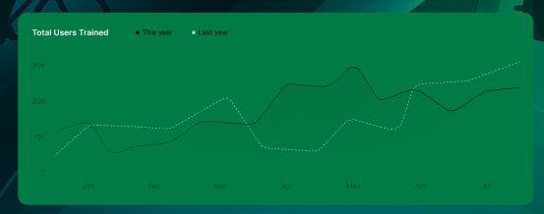
Feature: 3 |  | Top bar and Bottom Bar
Feature: 4 |  | Send Money
Feature: 5 |  | Public Ledger
Feature: 6 |  | Block
Feature: 7 |  | Mempool
Feature: 8 |  | Mine Blocks
Feature: 9 |  | Verify Blocks
Feature: 10 |  | Profile
Feature: 11 |  | Transaction details
Feature: 12 |  | Block details
Feature: 13 |  | Notification
Feature: 14 |  | Fllowed User
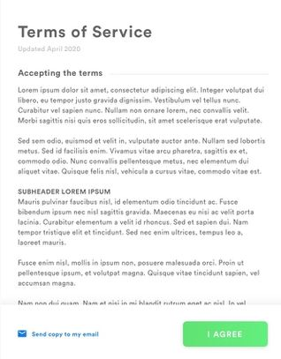
Feature: 15 |  | Legal Agreement Feature
Feature: 16 |  | Transaction History
Feature: 17 |  | About
Feature: 18 |  | Learning Portal
Feature: 19 |  | Deposit
Feature: 20 |  | FAQ
Feature: 21 |  | Currency Converstion
Feature: 22 |  | Request Bitcoin
Feature: 22 |  | Bill Payment

