Сonty
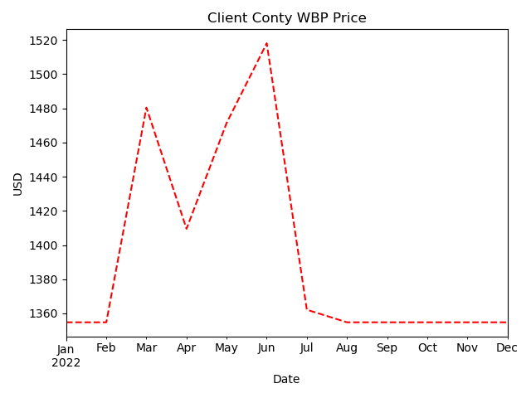
Date | crude_oil_price | eureusd | proccessing_usd | base_wpb_price_usd | logistics | volumes | discount | WBP_price_usd
January 2022 | 82.98 | 1.13 | 453.03 | 1282.82 | 33.98 | 200 | 0.05 | 1354.8
February 2022 | 91.63 | 1.13 | 453.6 | 1369.89 | 34.02 | 200 | 0.05 | 1354.8
March 2022 | 108.26 | 1.1 | 440.96 | 1523.59 | 33.07 | 200 | 0.05 | 1480.48
April 2022 | 101.64 | 1.08 | 433.1 | 1449.5 | 32.48 | 200 | 0.05 | 1409.51
May 2022 | 109.26 | 1.06 | 422.93 | 1515.52 | 31.72 | 200 | 0.05 | 1471.47
June 2022 | 114.15 | 1.06 | 423.07 | 1564.61 | 31.73 | 200 | 0.05 | 1518.11
July 2022 | 99.38 | 1.02 | 407.8 | 1401.65 | 30.59 | 200 | 0.05 | 1362.15
August 2022 | 91.48 | 1.01 | 405.12 | 1319.95 | 30.38 | 200 | 0.05 | 1354.8
September 2022 | 83.8 | 0.99 | 396.47 | 1234.49 | 29.73 | 200 | 0.05 | 1354.8
October 2022 | 87.03 | 0.98 | 393.59 | 1263.9 | 29.52 | 200 | 0.05 | 1354.8
November 2022 | 84.39 | 1.02 | 407.42 | 1251.28 | 30.56 | 200 | 0.05 | 1354.8
December 2022 | 76.52 | 1.06 | 423.31 | 1188.49 | 31.75 | 200 | 0.05 | 1354.8

Triangle
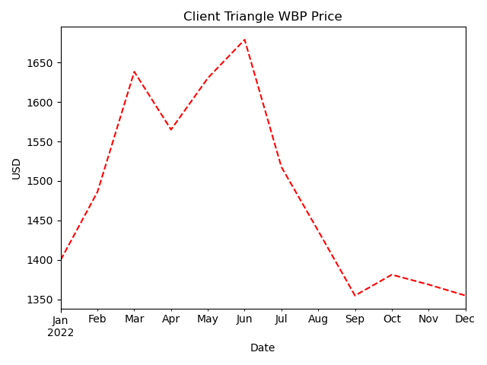
Date | crude_oil_price | eureusd | proccessing_usd | base_wpb_price_usd | logistics | volumes | discount | WBP_price_usd
January 2022 | 82.98 | 1.13 | 453.03 | 1282.82 | 130 | 30 | 0.01 | 1399.99
February 2022 | 91.63 | 1.13 | 453.6 | 1369.89 | 130 | 30 | 0.01 | 1486.19
March 2022 | 108.26 | 1.1 | 440.96 | 1523.59 | 130 | 30 | 0.01 | 1638.35
April 2022 | 101.64 | 1.08 | 433.1 | 1449.5 | 130 | 30 | 0.01 | 1565.01
May 2022 | 109.26 | 1.06 | 422.93 | 1515.52 | 130 | 30 | 0.01 | 1630.37
June 2022 | 114.15 | 1.06 | 423.07 | 1564.61 | 130 | 30 | 0.01 | 1678.96
July 2022 | 99.38 | 1.02 | 407.8 | 1401.65 | 130 | 30 | 0.01 | 1517.63
August 2022 | 91.48 | 1.01 | 405.12 | 1319.95 | 130 | 30 | 0.01 | 1436.75
September 2022 | 83.8 | 0.99 | 396.47 | 1234.49 | 130 | 30 | 0.01 | 1354.8
October 2022 | 87.03 | 0.98 | 393.59 | 1263.9 | 130 | 30 | 0.01 | 1381.26
November 2022 | 84.39 | 1.02 | 407.42 | 1251.28 | 130 | 30 | 0.01 | 1368.76
December 2022 | 76.52 | 1.06 | 423.31 | 1188.49 | 130 | 30 | 0.01 | 1354.8

Stone

Date | crude_oil_price | eureusd | proccessing_usd | base_wpb_price_usd | logistics | volumes | discount | WBP_price_usd
January 2022 | 82.98 | 1.13 | 453.03 | 1282.82 | 33.98 | 150 | 0.05 | 1354.8
February 2022 | 91.63 | 1.13 | 453.6 | 1369.89 | 34.02 | 150 | 0.05 | 1354.8
March 2022 | 108.26 | 1.1 | 440.96 | 1523.59 | 33.07 | 150 | 0.05 | 1480.48
April 2022 | 101.64 | 1.08 | 433.1 | 1449.5 | 32.48 | 150 | 0.05 | 1409.51
May 2022 | 109.26 | 1.06 | 422.93 | 1515.52 | 31.72 | 150 | 0.05 | 1471.47
June 2022 | 114.15 | 1.06 | 423.07 | 1564.61 | 31.73 | 150 | 0.05 | 1518.11
July 2022 | 99.38 | 1.02 | 407.8 | 1401.65 | 30.59 | 150 | 0.05 | 1362.15
August 2022 | 91.48 | 1.01 | 405.12 | 1319.95 | 30.38 | 150 | 0.05 | 1354.8
September 2022 | 83.8 | 0.99 | 396.47 | 1234.49 | 29.73 | 150 | 0.05 | 1354.8
October 2022 | 87.03 | 0.98 | 393.59 | 1263.9 | 29.52 | 150 | 0.05 | 1354.8
November 2022 | 84.39 | 1.02 | 407.42 | 1251.28 | 30.56 | 150 | 0.05 | 1354.8
December 2022 | 76.52 | 1.06 | 423.31 | 1188.49 | 31.75 | 150 | 0.05 | 1354.8

Ant
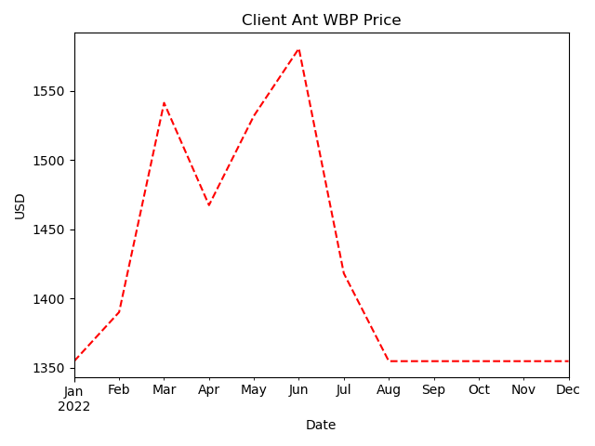
Date | crude_oil_price | eureusd | proccessing_usd | base_wpb_price_usd | logistics | volumes | discount | WBP_price_usd
January 2022 | 82.98 | 1.13 | 453.03 | 1282.82 | 33.98 | 70 | 0.01 | 1354.8
February 2022 | 91.63 | 1.13 | 453.6 | 1369.89 | 34.02 | 70 | 0.01 | 1390.21
March 2022 | 108.26 | 1.1 | 440.96 | 1523.59 | 33.07 | 70 | 0.01 | 1541.42
April 2022 | 101.64 | 1.08 | 433.1 | 1449.5 | 32.48 | 70 | 0.01 | 1467.49
May 2022 | 109.26 | 1.06 | 422.93 | 1515.52 | 31.72 | 70 | 0.01 | 1532.09
June 2022 | 114.15 | 1.06 | 423.07 | 1564.61 | 31.73 | 70 | 0.01 | 1580.69
July 2022 | 99.38 | 1.02 | 407.8 | 1401.65 | 30.59 | 70 | 0.01 | 1418.22
August 2022 | 91.48 | 1.01 | 405.12 | 1319.95 | 30.38 | 70 | 0.01 | 1354.8
September 2022 | 83.8 | 0.99 | 396.47 | 1234.49 | 29.73 | 70 | 0.01 | 1354.8
October 2022 | 87.03 | 0.98 | 393.59 | 1263.9 | 29.52 | 70 | 0.01 | 1354.8
November 2022 | 84.39 | 1.02 | 407.42 | 1251.28 | 30.56 | 70 | 0.01 | 1354.8
December 2022 | 76.52 | 1.06 | 423.31 | 1188.49 | 31.75 | 70 | 0.01 | 1354.8

