Image Of Bug
ERROR 1 & 2
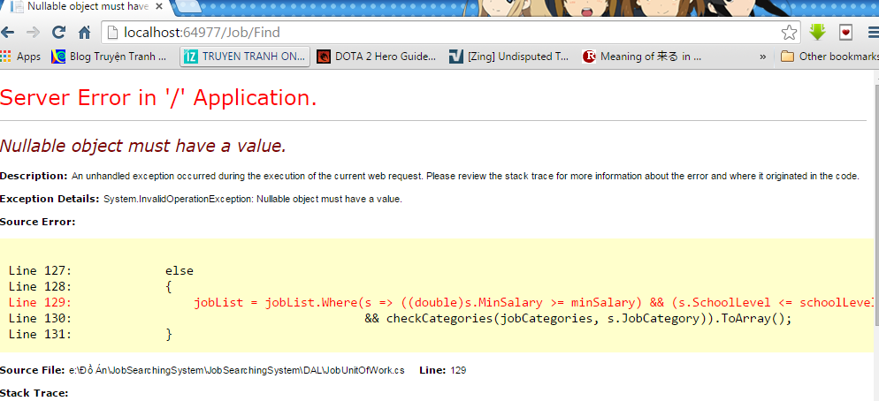

ERROR 3

 |  |  |  | After click "Tìm kiếm" button, missing all that logo in Search Result page.

ERROR 4

 |  |  |  |  |  |  |  |  |  |  | Nên lưu lại thông tin người dùng đã search
 |  |  |  |  |  |  |  |  |  |  | để họ biết đc mình đã tìm kiếm theo nhưng địa điểm
 |  |  |  |  |  |  |  |  |  |  | và ngành nghề gì.

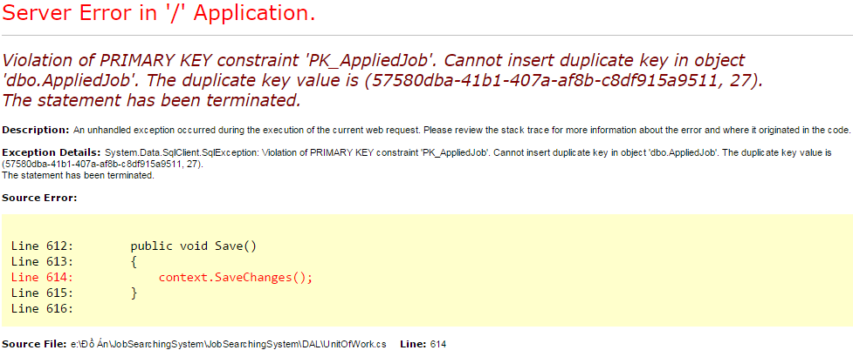
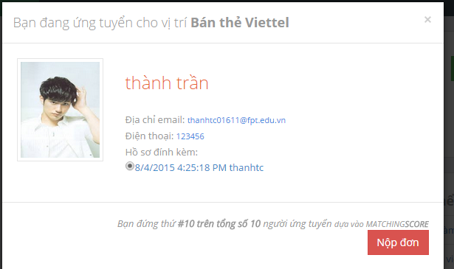
ERROR 5 & 6

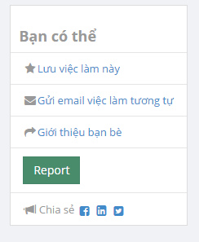
ERROR 7

 |  |  |  |  | Can't use that functions.

 |  |  |  |  |  |  |  |  |  |  |  |  | Missing function "Xóa".

 |  | Don’t' have button or function to work |  |  |  | Can't use this function
ERROR 8 |  | with this check box

 |  |  |  |  |  |  |  |  |  | Click on button, change status
 |  |  |  | Tôi nghĩ nên làm ntn cho nhanh gọn |  |  |  |  |  | but didn't show the job in the home page.
 |  |  |  |  |  |  |  |  |  | Except "recruiter" account

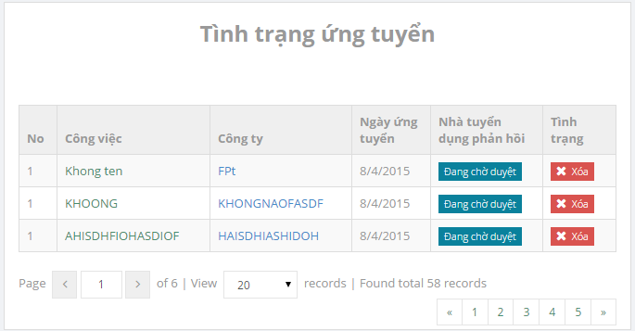

 |  |  |  |  |  |  |  |  |  | Didn't show the company infor page when click.

 |  |  |  |  |  |  |  |  |  | Delete appliedJob immediately, didn't show notification message.

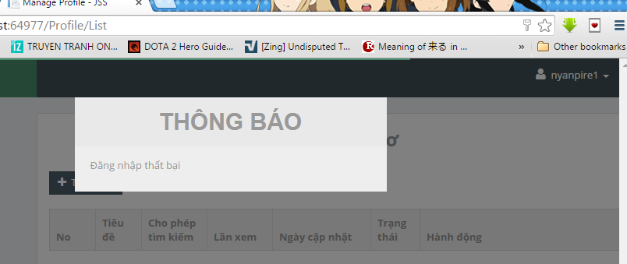

 |  |  |  |  |  |  |  |  |  |  |  | Sometime,randomly, when click on "Hồ sơ" button
 |  |  |  |  |  |  |  |  |  |  |  | this message was displayed.

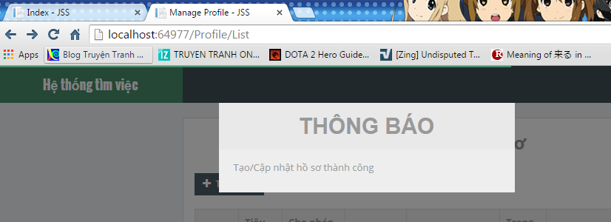
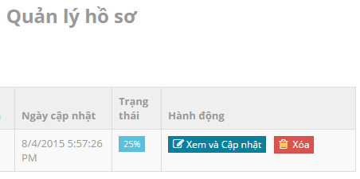

 |  | Sometime, randomly, after click "Xem và Cập nhật" button to open ProfileUpdate page
 |  | then click or press button to go back to previous page
 |  | this message was displayed

 |  |  |  |  |  |  | Must be "Create" not "Update"

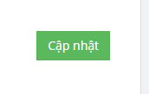

 |  |  |  |  |  |  |  | Must be "Tạo mới"
 |  |  |  |  |  |  |  | not "Cập nhật"

 |  |  |  |  | * must be remove

 |  |  | OverWrite the new profile on the old profile when the two "Tiêu đề" are the same.

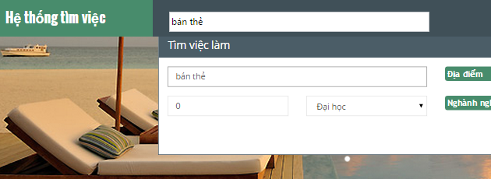

 |  |  |  |  |  |  |  |  | 1028x768 resolution
 |  |  |  |  |  |  |  |  | move up & down

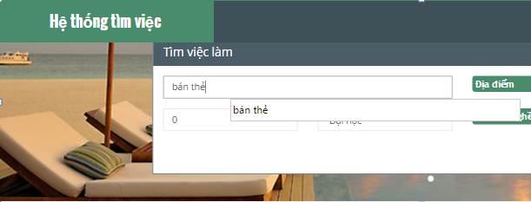

 |  |  |  |  |  |  |  |  |  |  |  | Break when move "Tìm việc làm function"

 |  |  |  |  |  |  |  | 1028x768 resolution
 |  |  |  |  |  |  |  | move left & right

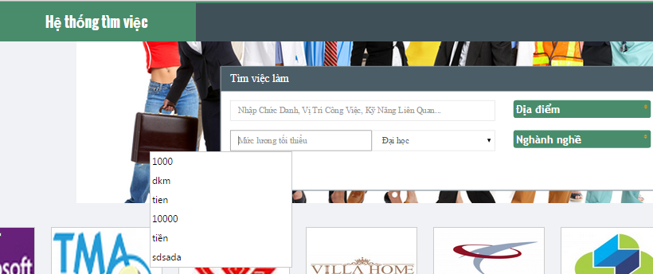

 |  |  |  |  |  |  |  |  |  |  |  | Full screen, move left and right

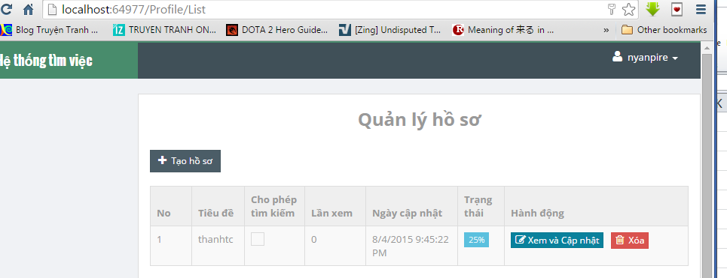

 |  |  |  |  |  |  |  |  |  |  |  |  | Break screen in 1024x768

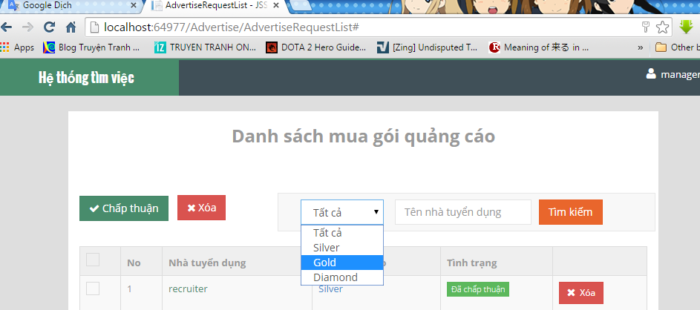

 |  |  |  |  |  |  |  |  |  |  |  |  | When choose type of adver or
 |  |  |  |  |  |  |  |  |  |  |  |  | type name of recruiter,
 |  |  |  |  |  |  |  |  |  |  |  |  | search immediately
 |  |  |  |  |  |  |  |  |  |  |  |  | Didn't need to click button "Tìm kiếm"

 |  |  |  |  |  |  |  | Delete appliedJob immediately, didn't show notification message.

 | Should show message "Công việc này đã được chấp thuận"
 | when checked the job alredy applied.

 |  |  |  |  | Can't use that functions.

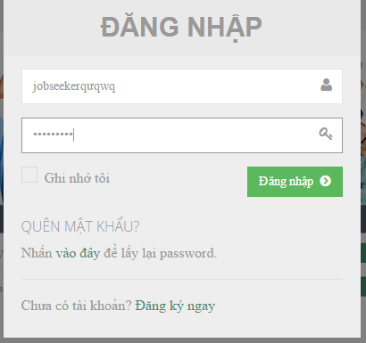
 |  |  |  |  |  |  | Should create "X" button here to close the window, if use input all infor and wrong click outside
 |  |  |  |  |  |  | of the window and all infor filled & the window disappear, so annoying.

 |  |  |  |  |  |  | Input wrong password, user name
 |  |  |  |  |  |  | didn't show the notification message, refresh page instead.

 |  |  |  |  |  |  |  | Cant use this function.

 |  |  |  |  |  |  |  | Should create "X" button here to close the window, if use input all infor and wrong click outside
 |  |  |  |  |  |  |  | of the window and all infor filled & the window disappear, so annoying.

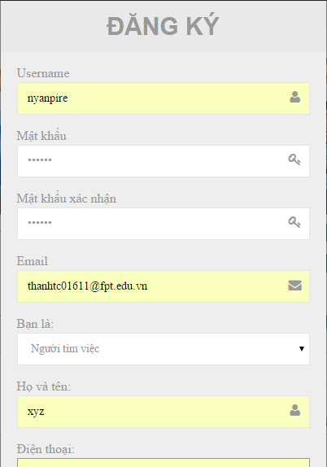

 |  |  |  |  |  |  |  | Input UserName already exist, didn't show the notification message
 |  |  |  |  |  |  |  | when click button "Đăng ký", refresh page instead.

 |  |  |  |  |  |  |  | Email can use many time.

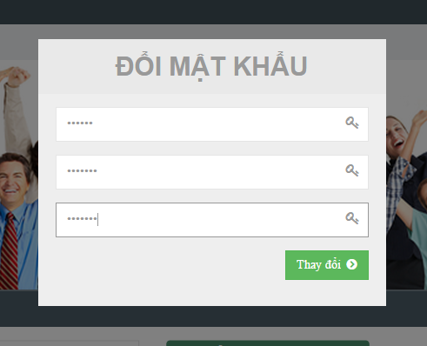
 |  |  |  |  |  |  |  |  | Should create "X" button here to close the window, if use input all infor and wrong click outside
 |  |  |  |  |  |  |  |  | of the window and all infor filled & the window disappear, so annoying.

 |  |  |  |  |  |  |  |  | Didn't show notification message when old password not right
 |  |  |  |  |  |  |  |  | refresh page instead.

 |  |  |  |  |  |  |  |  | Didn't show message when change password success.

