model1
Q: kb helps which model?
harness | (Multiple Items)

Average of gini |  | dataset
model_type | kb | ausprivauto | auto_insurance | bemtpl97 | fremtpl2 | sgautonb | swautoins
grplasso | - | 0.1997 | 0.3820 | 0.2851 | 0.2296 | 0.3611 | 0.8396 | Help
 | Y | 0.2051 | 0.4182 | 0.2819 | 0.2657 | 0.3612 | 0.8301

grpnet | - | 0.1994 | 0.3828 | 0.2857 | 0.2299 | 0.3614 | 0.8393 | Help
 | Y | 0.2054 | 0.4197 | 0.2822 | 0.2651 | 0.3615 | 0.8297

tdboost | - | 0.1925 | 0.4280 | 0.2931 | 0.2647 | 0.3791 | 0.8432 | Help
 | Y | 0.2000 | 0.4313 | 0.2963 | 0.2482 | 0.3861 | 0.8433

tweedie_gam | - | 0.1837 | 0.4413 | 0.2869 | 0.3001 | 0.3776 | 0.8375 | Hurt
 | Y | 0.1846 | 0.4410 | 0.2805 | 0.2971 | 0.3772 | 0.8349

tweedie_glm | - | 0.0401 | 0.4396 | 0.2732 | -0.0217 | 0.3541 | 0.8320 | Hurt
 | Y | -0.0098 | 0.4396 | 0.2717 | -0.0334 | 0.3530 | 0.8303

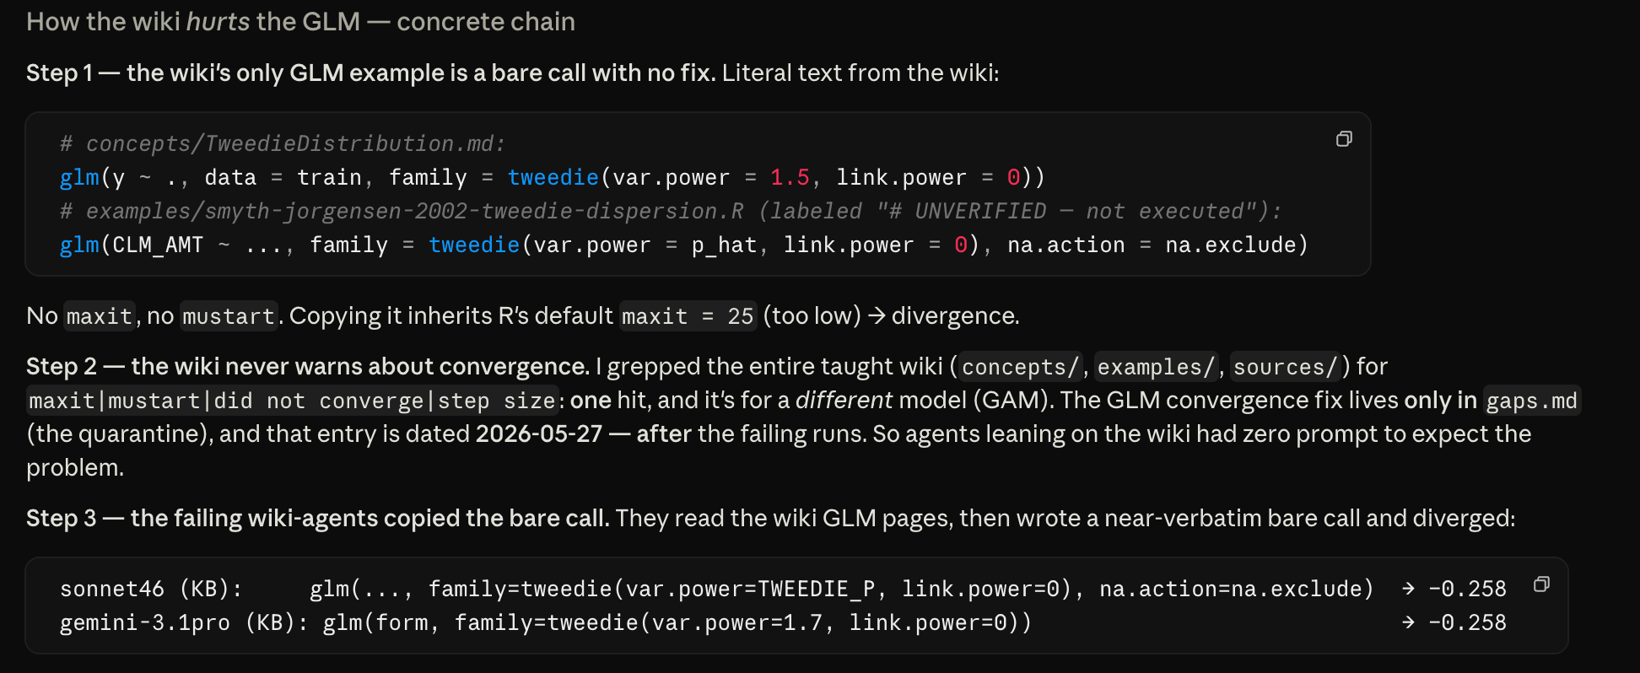
Q: why gam and glm hurt, especially glm

