Requirement
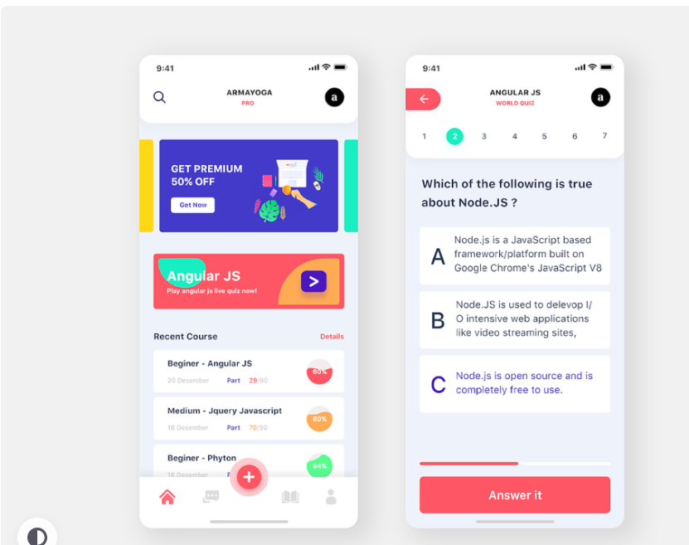
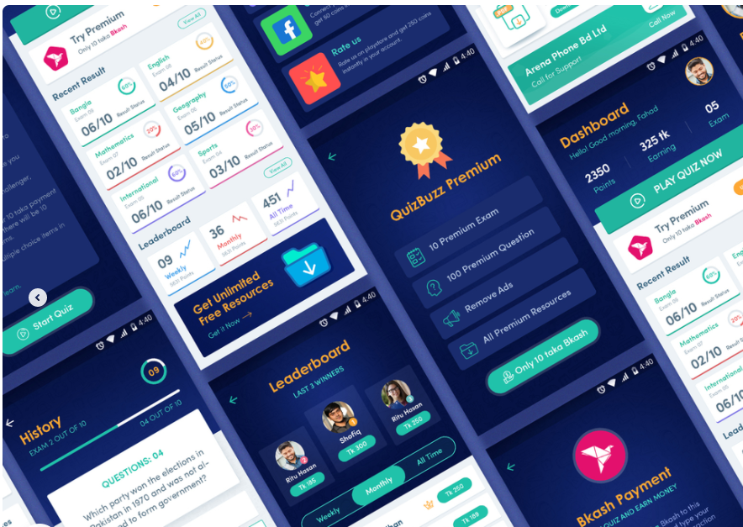
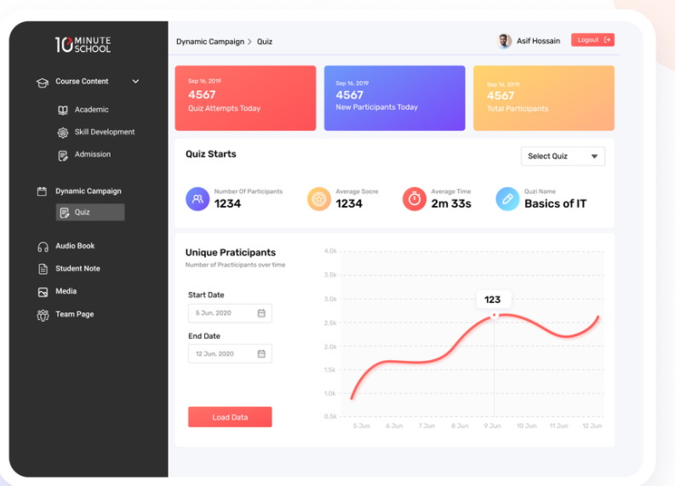
* Features

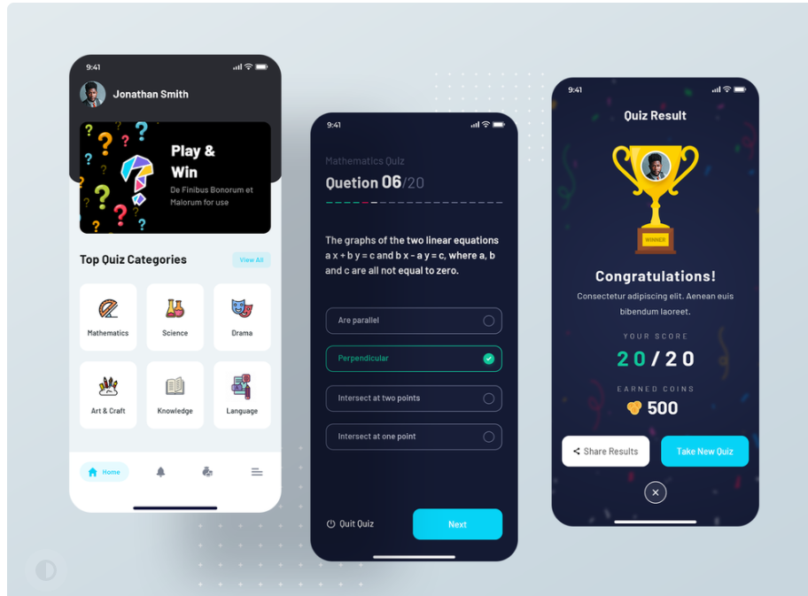
 | Create data
 | Statistic
 | List all exam
 | Login/Logout

 | Dashboard

 | Web App
 | ReactJS

 | Firebase/Spring Boot RestAPI

