Data Selection
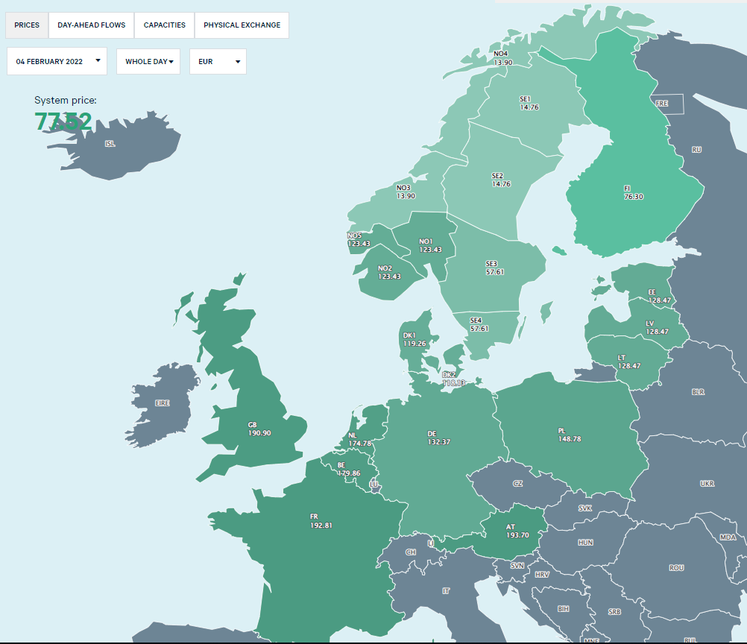
Day-ahead prices in EUR/MWh

OBS: for a simple reference (and legend) a grid zone map is reported on the right side of this sheet
Grid zone selection |  | DK1 | Average | 88.50 | €/MWh
 |  |  | Maximum | 620.00 | €/MWh | 2021-01-01 | 88.50
 |  |  | Minimum | -43.91 | €/MWh | 2021-12-31 | 88.50
day | El. Price
El. Price [EUR/MWh]
 | El. Price |  | Average
1/1/2021 | 50.87 | 1/1/2021 | 88.50
1/1/2021 | 48.19 | 12/31/2021 | 88.50
1/1/2021 | 44.68
1/1/2021 | 42.92
1/1/2021 | 40.39
1/1/2021 | 40.2
1/1/2021 | 39.63
1/1/2021 | 40.09
1/1/2021 | 41.27
1/1/2021 | 44.88
1/1/2021 | 45
1/1/2021 | 47.2
1/1/2021 | 50.78
1/1/2021 | 45.49
1/1/2021 | 44.73
1/1/2021 | 46.59
1/1/2021 | 52.99
1/1/2021 | 60.26
1/1/2021 | 60.61
1/1/2021 | 60.36
1/1/2021 | 57.4
1/1/2021 | 53.86
1/1/2021 | 53.45
1/1/2021 | 49.72
1/2/2021 | 46.69
1/2/2021 | 42.43
1/2/2021 | 41.09
1/2/2021 | 40
1/2/2021 | 37.55
1/2/2021 | 39
1/2/2021 | 42.09
1/2/2021 | 44.96
1/2/2021 | 48.45
1/2/2021 | 52
1/2/2021 | 52
1/2/2021 | 52.15
1/2/2021 | 55.95
1/2/2021 | 52
1/2/2021 | 50.69
1/2/2021 | 53.45
1/2/2021 | 59.99
1/2/2021 | 62
1/2/2021 | 63.08
1/2/2021 | 62.17
1/2/2021 | 60.03
1/2/2021 | 55.03
1/2/2021 | 52.25
1/2/2021 | 48.45
1/3/2021 | 46.11
1/3/2021 | 41.59
...
2021-01-01 | 50.87
2021-01-01 01:00:00 | 48.19
2021-01-01 02:00:00 | 44.68
2021-01-01 03:00:00 | 42.92
2021-01-01 04:00:00 | 40.39
2021-01-01 05:00:00 | 40.2
2021-01-01 06:00:00 | 39.63
2021-01-01 07:00:00 | 40.09
2021-01-01 08:00:00 | 41.27
2021-01-01 09:00:00 | 44.88
2021-01-01 10:00:00 | 45
2021-01-01 11:00:00 | 47.2
2021-01-01 12:00:00 | 50.78
2021-01-01 13:00:00 | 45.49
2021-01-01 14:00:00 | 44.73
2021-01-01 15:00:00 | 46.59
2021-01-01 16:00:00 | 52.99
2021-01-01 17:00:00 | 60.26
2021-01-01 18:00:00 | 60.61
2021-01-01 19:00:00 | 60.36
2021-01-01 20:00:00 | 57.4
2021-01-01 21:00:00 | 53.86
2021-01-01 22:00:00 | 53.45
2021-01-01 23:00:00 | 49.72
2021-01-02 | 46.69
2021-01-02 01:00:00 | 42.43
2021-01-02 02:00:00 | 41.09
2021-01-02 03:00:00 | 40
2021-01-02 04:00:00 | 37.55
2021-01-02 05:00:00 | 39
2021-01-02 06:00:00 | 42.09
2021-01-02 07:00:00 | 44.96
2021-01-02 08:00:00 | 48.45
2021-01-02 09:00:00 | 52
2021-01-02 10:00:00 | 52
2021-01-02 11:00:00 | 52.15
2021-01-02 12:00:00 | 55.95
2021-01-02 13:00:00 | 52
2021-01-02 14:00:00 | 50.69
2021-01-02 15:00:00 | 53.45
2021-01-02 16:00:00 | 59.99
2021-01-02 17:00:00 | 62
2021-01-02 18:00:00 | 63.08
2021-01-02 19:00:00 | 62.17
2021-01-02 20:00:00 | 60.03
2021-01-02 21:00:00 | 55.03
2021-01-02 22:00:00 | 52.25
2021-01-02 23:00:00 | 48.45
2021-01-03 | 46.11
2021-01-03 01:00:00 | 41.59
2021-01-03 02:00:00 | 37.21
2021-01-03 03:00:00 | 35.18
2021-01-03 04:00:00 | 24.65
2021-01-03 05:00:00 | 23.85
2021-01-03 06:00:00 | 24.05
2021-01-03 07:00:00 | 24.8
2021-01-03 08:00:00 | 24.97
2021-01-03 09:00:00 | 25.65
2021-01-03 10:00:00 | 26
2021-01-03 11:00:00 | 26.07
2021-01-03 12:00:00 | 25.87
2021-01-03 13:00:00 | 25.83
2021-01-03 14:00:00 | 26.02
2021-01-03 15:00:00 | 26.5
2021-01-03 16:00:00 | 28.05
2021-01-03 17:00:00 | 28.53
2021-01-03 18:00:00 | 28.17
2021-01-03 19:00:00 | 27.92
2021-01-03 20:00:00 | 27.56
2021-01-03 21:00:00 | 27.04
2021-01-03 22:00:00 | 26.18
2021-01-03 23:00:00 | 24.92
2021-01-04 | 24.66
2021-01-04 01:00:00 | 24.05
2021-01-04 02:00:00 | 23.88
2021-01-04 03:00:00 | 24.03
2021-01-04 04:00:00 | 24.58
2021-01-04 05:00:00 | 25.84
2021-01-04 06:00:00 | 28.21
2021-01-04 07:00:00 | 30.85
2021-01-04 08:00:00 | 49.2
2021-01-04 09:00:00 | 50.02
2021-01-04 10:00:00 | 55.4
2021-01-04 11:00:00 | 56.53
2021-01-04 12:00:00 | 52.07
2021-01-04 13:00:00 | 56.53
2021-01-04 14:00:00 | 57.99
2021-01-04 15:00:00 | 58.03
2021-01-04 16:00:00 | 60.5
2021-01-04 17:00:00 | 65.22
2021-01-04 18:00:00 | 60.05
2021-01-04 19:00:00 | 53.73
2021-01-04 20:00:00 | 37.68
2021-01-04 21:00:00 | 34.82
2021-01-04 22:00:00 | 30.95
2021-01-04 23:00:00 | 27.35
2021-01-05 | 27.81
2021-01-05 01:00:00 | 27.45
2021-01-05 02:00:00 | 27.08
2021-01-05 03:00:00 | 27.14
2021-01-05 04:00:00 | 27.79
2021-01-05 05:00:00 | 29.81
2021-01-05 06:00:00 | 35.78
2021-01-05 07:00:00 | 53.64
2021-01-05 08:00:00 | 60
2021-01-05 09:00:00 | 60.12
2021-01-05 10:00:00 | 61.18
2021-01-05 11:00:00 | 62.46
2021-01-05 12:00:00 | 61.48
2021-01-05 13:00:00 | 62.29
2021-01-05 14:00:00 | 61.89
2021-01-05 15:00:00 | 62.51
2021-01-05 16:00:00 | 64.26
2021-01-05 17:00:00 | 65.6
2021-01-05 18:00:00 | 60.13
2021-01-05 19:00:00 | 54.66
2021-01-05 20:00:00 | 40.78
2021-01-05 21:00:00 | 39.6
2021-01-05 22:00:00 | 32.06
2021-01-05 23:00:00 | 29.21
2021-01-06 | 29.83
2021-01-06 01:00:00 | 28.72
2021-01-06 02:00:00 | 28.11
2021-01-06 03:00:00 | 27.98
2021-01-06 04:00:00 | 28.16
2021-01-06 05:00:00 | 29
2021-01-06 06:00:00 | 30.72
2021-01-06 07:00:00 | 35.54
2021-01-06 08:00:00 | 39.18
2021-01-06 09:00:00 | 41.88
2021-01-06 10:00:00 | 46.07
2021-01-06 11:00:00 | 45.27
2021-01-06 12:00:00 | 46.21
2021-01-06 13:00:00 | 47.35
2021-01-06 14:00:00 | 51.31
2021-01-06 15:00:00 | 54.9
2021-01-06 16:00:00 | 58.4
2021-01-06 17:00:00 | 59.93
2021-01-06 18:00:00 | 55.67
2021-01-06 19:00:00 | 50.25
2021-01-06 20:00:00 | 39.84
2021-01-06 21:00:00 | 39.93
2021-01-06 22:00:00 | 38.7
2021-01-06 23:00:00 | 32.5
2021-01-07 | 43.08
2021-01-07 01:00:00 | 40.9
2021-01-07 02:00:00 | 39.19
2021-01-07 03:00:00 | 39.78
2021-01-07 04:00:00 | 41.28
2021-01-07 05:00:00 | 45.54
2021-01-07 06:00:00 | 55.97
2021-01-07 07:00:00 | 67.8
2021-01-07 08:00:00 | 84.43
2021-01-07 09:00:00 | 83.86
2021-01-07 10:00:00 | 82.44
2021-01-07 11:00:00 | 85.99
2021-01-07 12:00:00 | 84.71
2021-01-07 13:00:00 | 82.29
2021-01-07 14:00:00 | 78.62
2021-01-07 15:00:00 | 81.57
2021-01-07 16:00:00 | 89.68
2021-01-07 17:00:00 | 99.91
2021-01-07 18:00:00 | 84.62
2021-01-07 19:00:00 | 77.79
2021-01-07 20:00:00 | 65.2
2021-01-07 21:00:00 | 59.33
2021-01-07 22:00:00 | 58.26
2021-01-07 23:00:00 | 52.25
2021-01-08 | 49.31
2021-01-08 01:00:00 | 47.38
2021-01-08 02:00:00 | 45.78
2021-01-08 03:00:00 | 44.51
2021-01-08 04:00:00 | 45.69
2021-01-08 05:00:00 | 50.33
2021-01-08 06:00:00 | 59.71
2021-01-08 07:00:00 | 79.56
2021-01-08 08:00:00 | 103.54
2021-01-08 09:00:00 | 107.8
2021-01-08 10:00:00 | 107.32
2021-01-08 11:00:00 | 104.26
2021-01-08 12:00:00 | 99.91
2021-01-08 13:00:00 | 95.27
2021-01-08 14:00:00 | 92.72
2021-01-08 15:00:00 | 95.42
2021-01-08 16:00:00 | 95
2021-01-08 17:00:00 | 110
2021-01-08 18:00:00 | 99.95
2021-01-08 19:00:00 | 80.12
2021-01-08 20:00:00 | 64.24
2021-01-08 21:00:00 | 59.43
2021-01-08 22:00:00 | 56.22
2021-01-08 23:00:00 | 51.75
2021-01-09 | 50.67
2021-01-09 01:00:00 | 48.6
2021-01-09 02:00:00 | 48.02
2021-01-09 03:00:00 | 49.25
2021-01-09 04:00:00 | 49.63
2021-01-09 05:00:00 | 47.77
2021-01-09 06:00:00 | 49.57
2021-01-09 07:00:00 | 53.82
2021-01-09 08:00:00 | 59.8
2021-01-09 09:00:00 | 66.92
2021-01-09 10:00:00 | 67.71
2021-01-09 11:00:00 | 68
2021-01-09 12:00:00 | 67.01
2021-01-09 13:00:00 | 62.53
2021-01-09 14:00:00 | 60
2021-01-09 15:00:00 | 60
2021-01-09 16:00:00 | 62.78
2021-01-09 17:00:00 | 69.92
2021-01-09 18:00:00 | 71.99
2021-01-09 19:00:00 | 68.95
2021-01-09 20:00:00 | 62.66
2021-01-09 21:00:00 | 53.85
2021-01-09 22:00:00 | 54.13
2021-01-09 23:00:00 | 44.93
2021-01-10 | 38.84
2021-01-10 01:00:00 | 35.97
2021-01-10 02:00:00 | 34.35
2021-01-10 03:00:00 | 33.87
2021-01-10 04:00:00 | 33.84
2021-01-10 05:00:00 | 34.21
2021-01-10 06:00:00 | 34.03
2021-01-10 07:00:00 | 37.61
2021-01-10 08:00:00 | 39.09
2021-01-10 09:00:00 | 40.76
2021-01-10 10:00:00 | 44.16
2021-01-10 11:00:00 | 46.24
2021-01-10 12:00:00 | 44.76
2021-01-10 13:00:00 | 44.34
2021-01-10 14:00:00 | 45.45
2021-01-10 15:00:00 | 48.03
2021-01-10 16:00:00 | 55.87
2021-01-10 17:00:00 | 62.09
2021-01-10 18:00:00 | 63.41
2021-01-10 19:00:00 | 55.24
2021-01-10 20:00:00 | 48.05
2021-01-10 21:00:00 | 44.49
2021-01-10 22:00:00 | 40.07
2021-01-10 23:00:00 | 35.88
2021-01-11 | 44.9
2021-01-11 01:00:00 | 39.59
2021-01-11 02:00:00 | 37.78
2021-01-11 03:00:00 | 35.43
2021-01-11 04:00:00 | 37.29
2021-01-11 05:00:00 | 41.41
2021-01-11 06:00:00 | 42.78
2021-01-11 07:00:00 | 50.34
2021-01-11 08:00:00 | 57.25
2021-01-11 09:00:00 | 49.62
2021-01-11 10:00:00 | 47.57
2021-01-11 11:00:00 | 44.64
2021-01-11 12:00:00 | 43.33
2021-01-11 13:00:00 | 42.61
2021-01-11 14:00:00 | 42.05
2021-01-11 15:00:00 | 42.31
2021-01-11 16:00:00 | 43.28
2021-01-11 17:00:00 | 44.98
2021-01-11 18:00:00 | 42.93
2021-01-11 19:00:00 | 39.71
2021-01-11 20:00:00 | 37.11
2021-01-11 21:00:00 | 34.24
2021-01-11 22:00:00 | 34.01
2021-01-11 23:00:00 | 27.39
2021-01-12 | 18.96
2021-01-12 01:00:00 | 15.82
2021-01-12 02:00:00 | 19
2021-01-12 03:00:00 | 24.14
2021-01-12 04:00:00 | 27
2021-01-12 05:00:00 | 35.94
2021-01-12 06:00:00 | 40.96
2021-01-12 07:00:00 | 54.51
2021-01-12 08:00:00 | 60.64
2021-01-12 09:00:00 | 54.96
2021-01-12 10:00:00 | 56.5
2021-01-12 11:00:00 | 55.34
2021-01-12 12:00:00 | 50.1
2021-01-12 13:00:00 | 48.05
2021-01-12 14:00:00 | 48.04
2021-01-12 15:00:00 | 52.01
2021-01-12 16:00:00 | 61.06
2021-01-12 17:00:00 | 64.12
2021-01-12 18:00:00 | 60.4
2021-01-12 19:00:00 | 50.45
2021-01-12 20:00:00 | 41.79
2021-01-12 21:00:00 | 40.71
2021-01-12 22:00:00 | 37.75
2021-01-12 23:00:00 | 34.62
2021-01-13 | 33.03
2021-01-13 01:00:00 | 32.43
2021-01-13 02:00:00 | 31.58
2021-01-13 03:00:00 | 30.84
2021-01-13 04:00:00 | 31.68
2021-01-13 05:00:00 | 36.81
2021-01-13 06:00:00 | 41.87
2021-01-13 07:00:00 | 46.21
2021-01-13 08:00:00 | 56.14
2021-01-13 09:00:00 | 47.71
2021-01-13 10:00:00 | 46.23
2021-01-13 11:00:00 | 43.82
2021-01-13 12:00:00 | 41.22
2021-01-13 13:00:00 | 40.04
2021-01-13 14:00:00 | 39.47
2021-01-13 15:00:00 | 41.17
2021-01-13 16:00:00 | 45.91
2021-01-13 17:00:00 | 55.49
2021-01-13 18:00:00 | 54.51
2021-01-13 19:00:00 | 48.1
2021-01-13 20:00:00 | 47.14
2021-01-13 21:00:00 | 40.88
2021-01-13 22:00:00 | 40.02
2021-01-13 23:00:00 | 38.03
2021-01-14 | 37.3
2021-01-14 01:00:00 | 36.91
2021-01-14 02:00:00 | 36.98
2021-01-14 03:00:00 | 39.44
2021-01-14 04:00:00 | 42.16
2021-01-14 05:00:00 | 45.34
2021-01-14 06:00:00 | 58.6
2021-01-14 07:00:00 | 79.9
2021-01-14 08:00:00 | 88.82
2021-01-14 09:00:00 | 89.27
2021-01-14 10:00:00 | 89.63
2021-01-14 11:00:00 | 91.05
2021-01-14 12:00:00 | 88.75
2021-01-14 13:00:00 | 87.1
2021-01-14 14:00:00 | 83.98
2021-01-14 15:00:00 | 79.96
2021-01-14 16:00:00 | 83.42
2021-01-14 17:00:00 | 100.67
2021-01-14 18:00:00 | 90.16
2021-01-14 19:00:00 | 87.7
2021-01-14 20:00:00 | 74.58
2021-01-14 21:00:00 | 62.74
2021-01-14 22:00:00 | 59.82
2021-01-14 23:00:00 | 55.6
2021-01-15 | 48.98
2021-01-15 01:00:00 | 48.66
2021-01-15 02:00:00 | 47.7
2021-01-15 03:00:00 | 46.6
2021-01-15 04:00:00 | 48
2021-01-15 05:00:00 | 51.52
2021-01-15 06:00:00 | 62.97
2021-01-15 07:00:00 | 77.94
2021-01-15 08:00:00 | 94.07
2021-01-15 09:00:00 | 97.76
2021-01-15 10:00:00 | 90.69
2021-01-15 11:00:00 | 86.97
2021-01-15 12:00:00 | 79.25
2021-01-15 13:00:00 | 76.64
2021-01-15 14:00:00 | 77.14
2021-01-15 15:00:00 | 76.98
2021-01-15 16:00:00 | 82
...

