Bank EFT
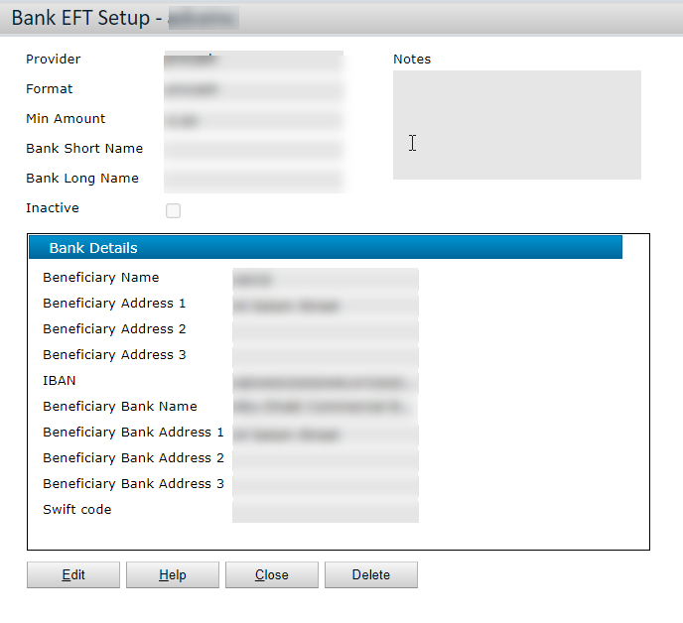
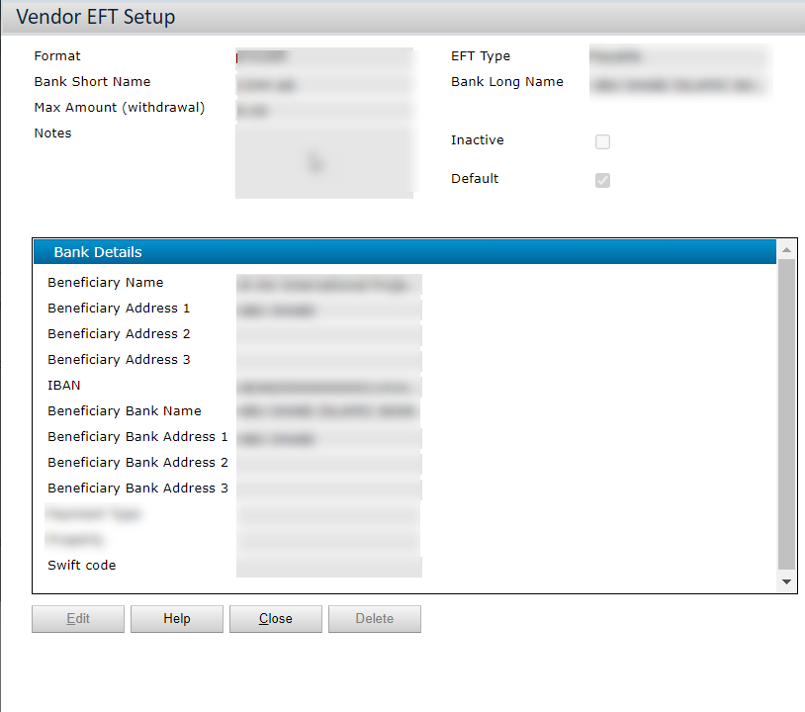
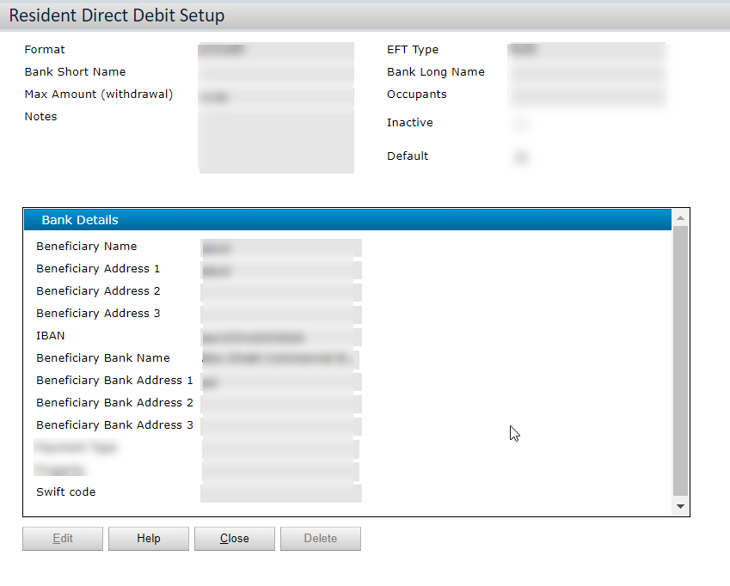
Return | 7
Bank Accounts

Information to be captured on bank account(client's, Vendor's, Tenant's)
Add fields that are required as per business requirements

Fields | Mandatory(Yes/No)
Beneficiary Name | Yes
Beneficiary Address 1 | Yes
IBAN | Yes
Beneficiary Bank Name | Yes
Beneficiary Bank Address 1 | Yes
Swift code | Yes
Account Number | Yes

PO T&Cs
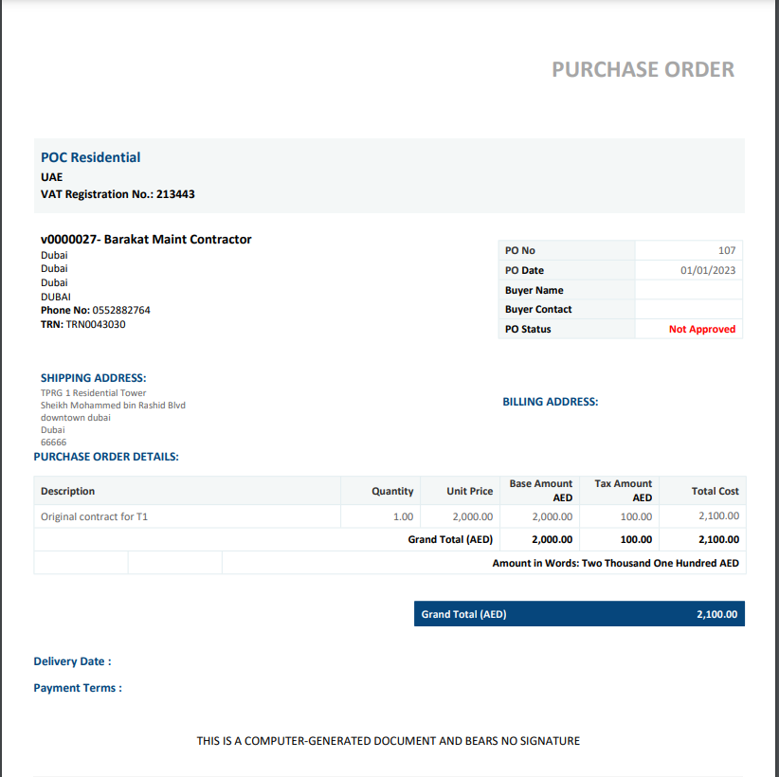
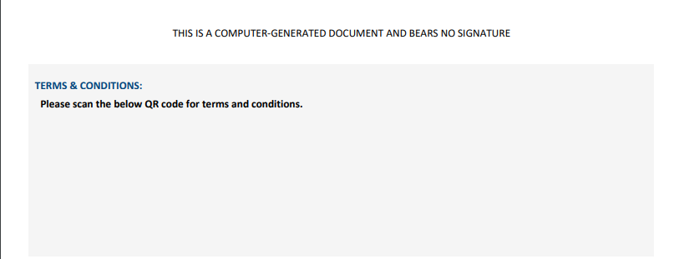
Return

Purchase Order Terms and Conditions:
This is static field which will be printed on all Pos across the system

