Sheet1
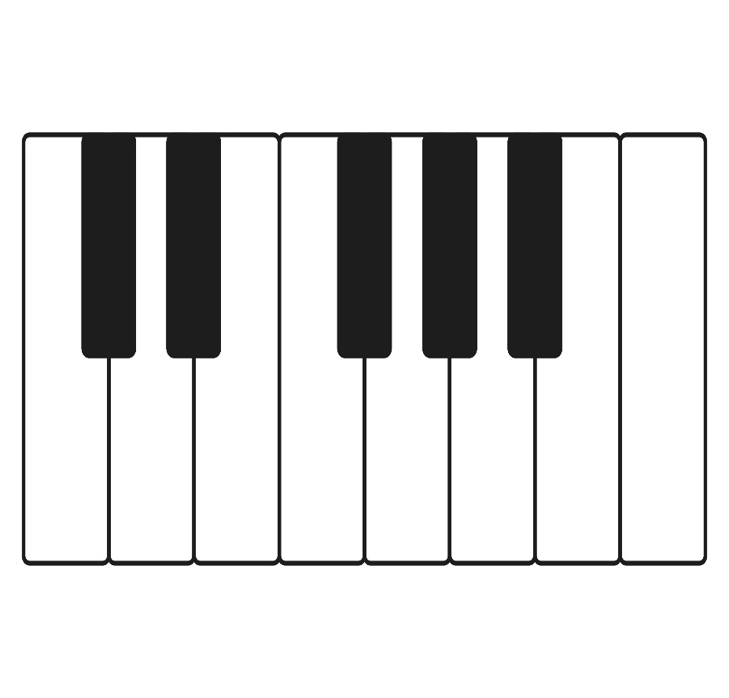
0
1
2
4
5
7
9
11
12
3
6
8
10
Key
The relevance of piano key and frequency for equal temperament
*For easy calcurating, key0 is set as 1Hz.
Attention: Base frequency not affect to the relative relevance of other keys.
Setting
1 [s] = | 100 Index
Base frequency (Key0 frequency) | 1.00 [Hz]
Peak amplitude | 1

Main table
Index | time [s] | Key
 |  | 0 | 1 | 2 | 3 | 4 | 5 | 6 | 7 | 8 | 9 | 10 | 11 | 12
 |  | Frequency
 |  | 1.00[Hz] | 1.06[Hz] | 1.12[Hz] | 1.19[Hz] | 1.26[Hz] | 1.33[Hz] | 1.41[Hz] | 1.50[Hz] | 1.59[Hz] | 1.68[Hz] | 1.78[Hz] | 1.89[Hz] | 2.00[Hz]
 |  | amplitude
0 | 0.00 | 0.00 | 0.00 | 0.00 | 0.00 | 0.00 | 0.00 | 0.00 | 0.00 | 0.00 | 0.00 | 0.00 | 0.00 | 0.00
1 | 0.01 | 0.06 | 0.07 | 0.07 | 0.07 | 0.08 | 0.08 | 0.09 | 0.09 | 0.10 | 0.11 | 0.11 | 0.12 | 0.13
2 | 0.02 | 0.13 | 0.13 | 0.14 | 0.15 | 0.16 | 0.17 | 0.18 | 0.19 | 0.20 | 0.21 | 0.22 | 0.24 | 0.25
3 | 0.03 | 0.19 | 0.20 | 0.21 | 0.22 | 0.24 | 0.25 | 0.26 | 0.28 | 0.29 | 0.31 | 0.33 | 0.35 | 0.37
Frequency
 | 0 | 1 | 2 | 3 | 4 | 5 | 6 | 7 | 8 | 9
0.00 | 0.00 | 0.00 | 0.00 | 0.00 | 0.00 | 0.00 | 0.00 | 0.00 | 0.00 | 0.00
0.01 | 0.06 | 0.07 | 0.07 | 0.07 | 0.08 | 0.08 | 0.09 | 0.09 | 0.10 | 0.11
0.02 | 0.13 | 0.13 | 0.14 | 0.15 | 0.16 | 0.17 | 0.18 | 0.19 | 0.20 | 0.21
0.03 | 0.19 | 0.20 | 0.21 | 0.22 | 0.24 | 0.25 | 0.26 | 0.28 | 0.29 | 0.31
0.04 | 0.25 | 0.26 | 0.28 | 0.29 | 0.31 | 0.33 | 0.35 | 0.37 | 0.39 | 0.41
0.05 | 0.31 | 0.33 | 0.35 | 0.36 | 0.39 | 0.41 | 0.43 | 0.45 | 0.48 | 0.50
0.06 | 0.37 | 0.39 | 0.41 | 0.43 | 0.46 | 0.48 | 0.51 | 0.54 | 0.56 | 0.59
0.07 | 0.43 | 0.45 | 0.47 | 0.50 | 0.53 | 0.55 | 0.58 | 0.61 | 0.64 | 0.67
0.08 | 0.48 | 0.51 | 0.53 | 0.56 | 0.59 | 0.62 | 0.65 | 0.68 | 0.72 | 0.75
0.09 | 0.54 | 0.56 | 0.59 | 0.62 | 0.65 | 0.69 | 0.72 | 0.75 | 0.78 | 0.81
0.10 | 0.59 | 0.62 | 0.65 | 0.68 | 0.71 | 0.74 | 0.78 | 0.81 | 0.84 | 0.87
0.11 | 0.64 | 0.67 | 0.70 | 0.73 | 0.76 | 0.80 | 0.83 | 0.86 | 0.89 | 0.92
0.12 | 0.68 | 0.72 | 0.75 | 0.78 | 0.81 | 0.84 | 0.88 | 0.90 | 0.93 | 0.95
0.13 | 0.73 | 0.76 | 0.79 | 0.83 | 0.86 | 0.89 | 0.91 | 0.94 | 0.96 | 0.98
0.14 | 0.77 | 0.80 | 0.83 | 0.87 | 0.89 | 0.92 | 0.95 | 0.97 | 0.98 | 1.00
0.15 | 0.81 | 0.84 | 0.87 | 0.90 | 0.93 | 0.95 | 0.97 | 0.99 | 1.00 | 1.00
0.16 | 0.84 | 0.87 | 0.90 | 0.93 | 0.95 | 0.97 | 0.99 | 1.00 | 1.00 | 0.99
0.17 | 0.88 | 0.91 | 0.93 | 0.96 | 0.97 | 0.99 | 1.00 | 1.00 | 0.99 | 0.97
0.18 | 0.90 | 0.93 | 0.95 | 0.97 | 0.99 | 1.00 | 1.00 | 0.99 | 0.97 | 0.95
0.19 | 0.93 | 0.95 | 0.97 | 0.99 | 1.00 | 1.00 | 0.99 | 0.98 | 0.95 | 0.91
0.20 | 0.95 | 0.97 | 0.99 | 1.00 | 1.00 | 0.99 | 0.98 | 0.95 | 0.91 | 0.86
0.21 | 0.97 | 0.99 | 1.00 | 1.00 | 1.00 | 0.98 | 0.96 | 0.92 | 0.87 | 0.80
0.22 | 0.98 | 0.99 | 1.00 | 1.00 | 0.99 | 0.96 | 0.93 | 0.88 | 0.81 | 0.73
0.23 | 0.99 | 1.00 | 1.00 | 0.99 | 0.97 | 0.94 | 0.89 | 0.83 | 0.75 | 0.65
0.24 | 1.00 | 1.00 | 0.99 | 0.98 | 0.95 | 0.90 | 0.85 | 0.77 | 0.68 | 0.57
0.25 | 1.00 | 1.00 | 0.98 | 0.96 | 0.92 | 0.86 | 0.80 | 0.71 | 0.60 | 0.48
0.26 | 1.00 | 0.99 | 0.97 | 0.93 | 0.88 | 0.82 | 0.74 | 0.64 | 0.52 | 0.38
0.27 | 0.99 | 0.97 | 0.94 | 0.90 | 0.84 | 0.77 | 0.68 | 0.56 | 0.43 | 0.28
0.28 | 0.98 | 0.96 | 0.92 | 0.87 | 0.80 | 0.71 | 0.61 | 0.48 | 0.34 | 0.18
0.29 | 0.97 | 0.94 | 0.89 | 0.83 | 0.75 | 0.65 | 0.54 | 0.40 | 0.25 | 0.08
0.30 | 0.95 | 0.91 | 0.86 | 0.78 | 0.69 | 0.59 | 0.46 | 0.31 | 0.15 | -0.03
0.31 | 0.93 | 0.88 | 0.82 | 0.73 | 0.63 | 0.52 | 0.38 | 0.22 | 0.05 | -0.13
0.32 | 0.90 | 0.85 | 0.77 | 0.68 | 0.57 | 0.44 | 0.29 | 0.13 | -0.05 | -0.24
0.33 | 0.88 | 0.81 | 0.73 | 0.63 | 0.50 | 0.37 | 0.21 | 0.03 | -0.15 | -0.34
0.34 | 0.84 | 0.77 | 0.68 | 0.57 | 0.44 | 0.29 | 0.12 | -0.06 | -0.25 | -0.44
0.35 | 0.81 | 0.73 | 0.62 | 0.50 | 0.36 | 0.20 | 0.03 | -0.15 | -0.34 | -0.53
0.36 | 0.77 | 0.68 | 0.57 | 0.44 | 0.29 | 0.12 | -0.06 | -0.24 | -0.43 | -0.62
0.37 | 0.73 | 0.63 | 0.51 | 0.37 | 0.21 | 0.04 | -0.15 | -0.34 | -0.52 | -0.69
0.38 | 0.68 | 0.57 | 0.45 | 0.30 | 0.13 | -0.05 | -0.23 | -0.42 | -0.60 | -0.77
0.39 | 0.64 | 0.52 | 0.38 | 0.23 | 0.05 | -0.13 | -0.32 | -0.51 | -0.68 | -0.83
0.40 | 0.59 | 0.46 | 0.32 | 0.15 | -0.02 | -0.21 | -0.40 | -0.58 | -0.75 | -0.88
0.41 | 0.54 | 0.40 | 0.25 | 0.08 | -0.10 | -0.29 | -0.48 | -0.66 | -0.81 | -0.93
0.42 | 0.48 | 0.34 | 0.18 | 0.00 | -0.18 | -0.37 | -0.56 | -0.73 | -0.87 | -0.96
0.43 | 0.43 | 0.28 | 0.11 | -0.07 | -0.26 | -0.45 | -0.63 | -0.79 | -0.91 | -0.99
0.44 | 0.37 | 0.21 | 0.04 | -0.15 | -0.33 | -0.52 | -0.69 | -0.84 | -0.95 | -1.00
0.45 | 0.31 | 0.15 | -0.03 | -0.22 | -0.41 | -0.59 | -0.76 | -0.89 | -0.97 | -1.00
0.46 | 0.25 | 0.08 | -0.10 | -0.29 | -0.48 | -0.66 | -0.81 | -0.93 | -0.99 | -0.99
0.47 | 0.19 | 0.01 | -0.17 | -0.36 | -0.55 | -0.72 | -0.86 | -0.96 | -1.00 | -0.97
0.48 | 0.13 | -0.05 | -0.24 | -0.43 | -0.61 | -0.77 | -0.90 | -0.98 | -1.00 | -0.94
0.49 | 0.06 | -0.12 | -0.31 | -0.50 | -0.67 | -0.82 | -0.94 | -1.00 | -0.98 | -0.89
...
4 | 0.04 | 0.25 | 0.26 | 0.28 | 0.29 | 0.31 | 0.33 | 0.35 | 0.37 | 0.39 | 0.41 | 0.43 | 0.46 | 0.48
5 | 0.05 | 0.31 | 0.33 | 0.35 | 0.36 | 0.39 | 0.41 | 0.43 | 0.45 | 0.48 | 0.50 | 0.53 | 0.56 | 0.59
6 | 0.06 | 0.37 | 0.39 | 0.41 | 0.43 | 0.46 | 0.48 | 0.51 | 0.54 | 0.56 | 0.59 | 0.62 | 0.65 | 0.68
7 | 0.07 | 0.43 | 0.45 | 0.47 | 0.50 | 0.53 | 0.55 | 0.58 | 0.61 | 0.64 | 0.67 | 0.71 | 0.74 | 0.77
8 | 0.08 | 0.48 | 0.51 | 0.53 | 0.56 | 0.59 | 0.62 | 0.65 | 0.68 | 0.72 | 0.75 | 0.78 | 0.81 | 0.84
9 | 0.09 | 0.54 | 0.56 | 0.59 | 0.62 | 0.65 | 0.69 | 0.72 | 0.75 | 0.78 | 0.81 | 0.85 | 0.88 | 0.90
10 | 0.10 | 0.59 | 0.62 | 0.65 | 0.68 | 0.71 | 0.74 | 0.78 | 0.81 | 0.84 | 0.87 | 0.90 | 0.93 | 0.95
11 | 0.11 | 0.64 | 0.67 | 0.70 | 0.73 | 0.76 | 0.80 | 0.83 | 0.86 | 0.89 | 0.92 | 0.94 | 0.96 | 0.98
12 | 0.12 | 0.68 | 0.72 | 0.75 | 0.78 | 0.81 | 0.84 | 0.88 | 0.90 | 0.93 | 0.95 | 0.97 | 0.99 | 1.00
13 | 0.13 | 0.73 | 0.76 | 0.79 | 0.83 | 0.86 | 0.89 | 0.91 | 0.94 | 0.96 | 0.98 | 0.99 | 1.00 | 1.00
14 | 0.14 | 0.77 | 0.80 | 0.83 | 0.87 | 0.89 | 0.92 | 0.95 | 0.97 | 0.98 | 1.00 | 1.00 | 1.00 | 0.98
15 | 0.15 | 0.81 | 0.84 | 0.87 | 0.90 | 0.93 | 0.95 | 0.97 | 0.99 | 1.00 | 1.00 | 0.99 | 0.98 | 0.95
16 | 0.16 | 0.84 | 0.87 | 0.90 | 0.93 | 0.95 | 0.97 | 0.99 | 1.00 | 1.00 | 0.99 | 0.98 | 0.95 | 0.90
17 | 0.17 | 0.88 | 0.91 | 0.93 | 0.96 | 0.97 | 0.99 | 1.00 | 1.00 | 0.99 | 0.97 | 0.95 | 0.90 | 0.84
18 | 0.18 | 0.90 | 0.93 | 0.95 | 0.97 | 0.99 | 1.00 | 1.00 | 0.99 | 0.97 | 0.95 | 0.90 | 0.85 | 0.77
19 | 0.19 | 0.93 | 0.95 | 0.97 | 0.99 | 1.00 | 1.00 | 0.99 | 0.98 | 0.95 | 0.91 | 0.85 | 0.78 | 0.68
20 | 0.20 | 0.95 | 0.97 | 0.99 | 1.00 | 1.00 | 0.99 | 0.98 | 0.95 | 0.91 | 0.86 | 0.78 | 0.70 | 0.59
21 | 0.21 | 0.97 | 0.99 | 1.00 | 1.00 | 1.00 | 0.98 | 0.96 | 0.92 | 0.87 | 0.80 | 0.71 | 0.61 | 0.48
22 | 0.22 | 0.98 | 0.99 | 1.00 | 1.00 | 0.99 | 0.96 | 0.93 | 0.88 | 0.81 | 0.73 | 0.63 | 0.51 | 0.37
23 | 0.23 | 0.99 | 1.00 | 1.00 | 0.99 | 0.97 | 0.94 | 0.89 | 0.83 | 0.75 | 0.65 | 0.54 | 0.40 | 0.25
24 | 0.24 | 1.00 | 1.00 | 0.99 | 0.98 | 0.95 | 0.90 | 0.85 | 0.77 | 0.68 | 0.57 | 0.44 | 0.29 | 0.13
25 | 0.25 | 1.00 | 1.00 | 0.98 | 0.96 | 0.92 | 0.86 | 0.80 | 0.71 | 0.60 | 0.48 | 0.34 | 0.18 | 0.00
26 | 0.26 | 1.00 | 0.99 | 0.97 | 0.93 | 0.88 | 0.82 | 0.74 | 0.64 | 0.52 | 0.38 | 0.23 | 0.06 | -0.13
27 | 0.27 | 0.99 | 0.97 | 0.94 | 0.90 | 0.84 | 0.77 | 0.68 | 0.56 | 0.43 | 0.28 | 0.12 | -0.06 | -0.25
28 | 0.28 | 0.98 | 0.96 | 0.92 | 0.87 | 0.80 | 0.71 | 0.61 | 0.48 | 0.34 | 0.18 | 0.01 | -0.18 | -0.37
29 | 0.29 | 0.97 | 0.94 | 0.89 | 0.83 | 0.75 | 0.65 | 0.54 | 0.40 | 0.25 | 0.08 | -0.10 | -0.29 | -0.48
30 | 0.30 | 0.95 | 0.91 | 0.86 | 0.78 | 0.69 | 0.59 | 0.46 | 0.31 | 0.15 | -0.03 | -0.22 | -0.40 | -0.59
31 | 0.31 | 0.93 | 0.88 | 0.82 | 0.73 | 0.63 | 0.52 | 0.38 | 0.22 | 0.05 | -0.13 | -0.32 | -0.51 | -0.68
32 | 0.32 | 0.90 | 0.85 | 0.77 | 0.68 | 0.57 | 0.44 | 0.29 | 0.13 | -0.05 | -0.24 | -0.43 | -0.61 | -0.77
33 | 0.33 | 0.88 | 0.81 | 0.73 | 0.63 | 0.50 | 0.37 | 0.21 | 0.03 | -0.15 | -0.34 | -0.53 | -0.70 | -0.84
34 | 0.34 | 0.84 | 0.77 | 0.68 | 0.57 | 0.44 | 0.29 | 0.12 | -0.06 | -0.25 | -0.44 | -0.62 | -0.78 | -0.90
35 | 0.35 | 0.81 | 0.73 | 0.62 | 0.50 | 0.36 | 0.20 | 0.03 | -0.15 | -0.34 | -0.53 | -0.70 | -0.85 | -0.95
36 | 0.36 | 0.77 | 0.68 | 0.57 | 0.44 | 0.29 | 0.12 | -0.06 | -0.24 | -0.43 | -0.62 | -0.78 | -0.90 | -0.98
37 | 0.37 | 0.73 | 0.63 | 0.51 | 0.37 | 0.21 | 0.04 | -0.15 | -0.34 | -0.52 | -0.69 | -0.84 | -0.95 | -1.00
38 | 0.38 | 0.68 | 0.57 | 0.45 | 0.30 | 0.13 | -0.05 | -0.23 | -0.42 | -0.60 | -0.77 | -0.90 | -0.98 | -1.00
39 | 0.39 | 0.64 | 0.52 | 0.38 | 0.23 | 0.05 | -0.13 | -0.32 | -0.51 | -0.68 | -0.83 | -0.94 | -1.00 | -0.98
40 | 0.40 | 0.59 | 0.46 | 0.32 | 0.15 | -0.02 | -0.21 | -0.40 | -0.58 | -0.75 | -0.88 | -0.97 | -1.00 | -0.95
41 | 0.41 | 0.54 | 0.40 | 0.25 | 0.08 | -0.10 | -0.29 | -0.48 | -0.66 | -0.81 | -0.93 | -0.99 | -0.99 | -0.90
42 | 0.42 | 0.48 | 0.34 | 0.18 | 0.00 | -0.18 | -0.37 | -0.56 | -0.73 | -0.87 | -0.96 | -1.00 | -0.96 | -0.84
43 | 0.43 | 0.43 | 0.28 | 0.11 | -0.07 | -0.26 | -0.45 | -0.63 | -0.79 | -0.91 | -0.99 | -0.99 | -0.93 | -0.77
44 | 0.44 | 0.37 | 0.21 | 0.04 | -0.15 | -0.33 | -0.52 | -0.69 | -0.84 | -0.95 | -1.00 | -0.98 | -0.87 | -0.68
45 | 0.45 | 0.31 | 0.15 | -0.03 | -0.22 | -0.41 | -0.59 | -0.76 | -0.89 | -0.97 | -1.00 | -0.95 | -0.81 | -0.59
46 | 0.46 | 0.25 | 0.08 | -0.10 | -0.29 | -0.48 | -0.66 | -0.81 | -0.93 | -0.99 | -0.99 | -0.91 | -0.74 | -0.48
47 | 0.47 | 0.19 | 0.01 | -0.17 | -0.36 | -0.55 | -0.72 | -0.86 | -0.96 | -1.00 | -0.97 | -0.85 | -0.65 | -0.37
48 | 0.48 | 0.13 | -0.05 | -0.24 | -0.43 | -0.61 | -0.77 | -0.90 | -0.98 | -1.00 | -0.94 | -0.79 | -0.56 | -0.25
49 | 0.49 | 0.06 | -0.12 | -0.31 | -0.50 | -0.67 | -0.82 | -0.94 | -1.00 | -0.98 | -0.89 | -0.72 | -0.45 | -0.13
50 | 0.50 | 0.00 | -0.19 | -0.38 | -0.56 | -0.73 | -0.87 | -0.96 | -1.00 | -0.96 | -0.84 | -0.63 | -0.35 | 0.00
51 | 0.51 | -0.06 | -0.25 | -0.44 | -0.62 | -0.78 | -0.91 | -0.98 | -1.00 | -0.93 | -0.78 | -0.54 | -0.23 | 0.13
52 | 0.52 | -0.13 | -0.31 | -0.50 | -0.68 | -0.83 | -0.94 | -1.00 | -0.98 | -0.89 | -0.71 | -0.45 | -0.12 | 0.25
53 | 0.53 | -0.19 | -0.38 | -0.56 | -0.73 | -0.87 | -0.96 | -1.00 | -0.96 | -0.84 | -0.63 | -0.34 | 0.00 | 0.37
54 | 0.54 | -0.25 | -0.44 | -0.62 | -0.78 | -0.91 | -0.98 | -1.00 | -0.93 | -0.78 | -0.55 | -0.24 | 0.12 | 0.48
55 | 0.55 | -0.31 | -0.50 | -0.67 | -0.82 | -0.94 | -1.00 | -0.98 | -0.89 | -0.72 | -0.45 | -0.13 | 0.24 | 0.59
56 | 0.56 | -0.37 | -0.55 | -0.72 | -0.86 | -0.96 | -1.00 | -0.97 | -0.85 | -0.64 | -0.36 | -0.01 | 0.35 | 0.68
57 | 0.57 | -0.43 | -0.61 | -0.77 | -0.90 | -0.98 | -1.00 | -0.94 | -0.79 | -0.56 | -0.26 | 0.10 | 0.46 | 0.77
58 | 0.58 | -0.48 | -0.66 | -0.81 | -0.93 | -0.99 | -0.99 | -0.90 | -0.73 | -0.48 | -0.15 | 0.21 | 0.56 | 0.84
59 | 0.59 | -0.54 | -0.71 | -0.85 | -0.95 | -1.00 | -0.97 | -0.86 | -0.67 | -0.39 | -0.05 | 0.32 | 0.66 | 0.90
60 | 0.60 | -0.59 | -0.75 | -0.89 | -0.97 | -1.00 | -0.95 | -0.81 | -0.59 | -0.29 | 0.06 | 0.42 | 0.74 | 0.95
61 | 0.61 | -0.64 | -0.80 | -0.92 | -0.99 | -0.99 | -0.92 | -0.76 | -0.51 | -0.20 | 0.16 | 0.52 | 0.81 | 0.98
62 | 0.62 | -0.68 | -0.83 | -0.94 | -1.00 | -0.98 | -0.88 | -0.70 | -0.43 | -0.10 | 0.27 | 0.61 | 0.88 | 1.00
...

