Detail
BEETSOFT |  |  |  | Total | Done | Open | Not Open | Start Over | Finish Over |  |  | Update: | 19/11/2015 |  |  |  |  |  |  |  |  |  |  |  |  |  |  |  |  |  |  |  |  |  |  |  |  |  |  |  |  |  |  |  |  |  |  |  |  |  |  |  |  |  |  |  |  |  |  |  |  |  |  |  |  |  |  |  |  |  |  |  |  |  |  |  |  |  |  |  |  |  |  | Date： 2015/10/20
XXX Project Schedule |  |  |  | 0 | 0 | 0 | 0 | 0 | 0 |  |  | Creator: | TuanNV

 |  |  |  |  | Summary Information
 |  |  |  |  | 0 | 0 |  |  | 0 |  | 0 |  |  | 2015 | 10 |  |  |  |  |  |  |  |  |  |  |  |  |  |  |  |  |  |  |  |  |  | 11 |  |  |  |  |  |  |  |  |  |  |  |  |  |  |  |  |  |  |  |  |  |  |  |  |  |  |  |  |  | 12 |  |  |  |  |  |  |  |  |  |  |  |  |  |  |  |  | Note
No | Screen No | Screen Name | Task/Function | Person | Plan |  | Actual |  | Cost Plan |  | Cost Actual |  | Progress |  | 2015-10-10 | 2015-10-11 | 2015-10-12 | 2015-10-13 | 2015-10-14 | 2015-10-15 | 2015-10-16 | 2015-10-17 | 2015-10-18 | 2015-10-19 | 2015-10-20 | 2015-10-21 | 2015-10-22 | 2015-10-23 | 2015-10-24 | 2015-10-25 | 2015-10-26 | 2015-10-27 | 2015-10-28 | 2015-10-29 | 2015-10-30 | 2015-10-31 | 2015-11-01 | 2015-11-02 | 2015-11-03 | 2015-11-04 | 2015-11-05 | 2015-11-06 | 2015-11-07 | 2015-11-08 | 2015-11-09 | 2015-11-10 | 2015-11-11 | 2015-11-12 | 2015-11-13 | 2015-11-14 | 2015-11-15 | 2015-11-16 | 2015-11-17 | 2015-11-18 | 2015-11-19 | 2015-11-20 | 2015-11-21 | 2015-11-22 | 2015-11-23 | 2015-11-24 | 2015-11-25 | 2015-11-26 | 2015-11-27 | 2015-11-28 | 2015-11-29 | 2015-11-30 | 2015-12-01 | 2015-12-02 | 2015-12-03 | 2015-12-04 | 2015-12-05 | 2015-12-06 | 2015-12-07 | 2015-12-08 | 2015-12-09 | 2015-12-10 | 2015-12-11 | 2015-12-12 | 2015-12-13 | 2015-12-14 | 2015-12-15 | 2015-12-16 | 2015-12-17
 |  |  |  |  | Start | Finish | Start | Finish | Hours | Days | Hours | Days |  |  | 42287 | 42288 | 42289 | 42290 | 42291 | 42292 | 42293 | 42294 | 42295 | 42296 | 42297 | 42298 | 42299 | 42300 | 42301 | 42302 | 42303 | 42304 | 42305 | 42306 | 42307 | 42308 | 42309 | 42310 | 42311 | 42312 | 42313 | 42314 | 42315 | 42316 | 42317 | 42318 | 42319 | 42320 | 42321 | 42322 | 42323 | 42324 | 42325 | 42326 | 42327 | 42328 | 42329 | 42330 | 42331 | 42332 | 42333 | 42334 | 42335 | 42336 | 42337 | 42338 | 42339 | 42340 | 42341 | 42342 | 42343 | 42344 | 42345 | 42346 | 42347 | 42348 | 42349 | 42350 | 42351 | 42352 | 42353 | 42354 | 42355
1

2

3

4

5

6

7

8

9
Can du lieu that de test download
Can du lieu that de test download
Đang chờ link connect đến Docomo
10

11

12

13

14

15

16

17

18

19

20

21

22

use_guide
Step5: nhap thong tin ngay change va nguoi change

Step2: nhap ngay start, cac ngay con lai se tu dong thay doi theo
ex) 2012/10/1
Ngay hien tai
cost du dinh va cost that su (tu dong tinh toan)
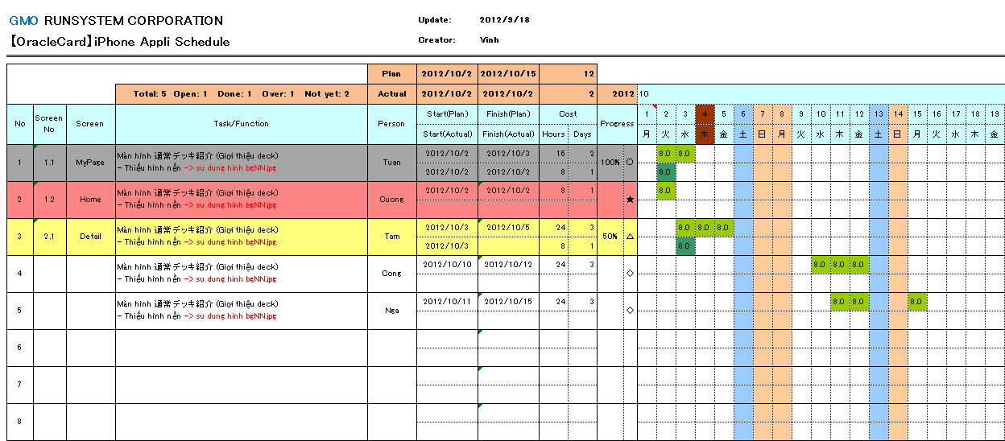
Step1: Thay doi ten project tuong ung
BeetSoft

Step3: Nhap cac thong tin lien quan den task:
ScreenNo, Screen name, function name, PG name

Step4: nhap so gio du dinh vao o ben tren (nhap luc tao plan)

khi xoa hoac add them 1 task thi bat buoc phai copy 2 rows roi delete/ insert cung 1 luc
Step7: nhap so gio da thuc hien that vao o ben duoi (nhap sau khi ket thuc 1 ngay lam viec)

Step8: nhap so phan tram cong viec da hoan thanh (tu PG uoc luong va input)

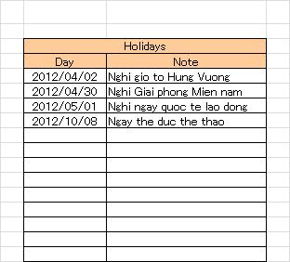

khi set ngay thi la 2012/10/08 thi tren sheet schedule mau cua cot tuong ung voi ngay do se change thanh mau giong ngay chu nhat

○ |  | cong viec da hoan thanh 100%

★ |  | cong viec da bi over deadline
Step6: nhap ngay nghi le trong nam vao sheet Setting

△ |  | Cong viec dang thuc hien (dung nhu plan)

◇ |  | cong viec chua start

Chu y: | Nhung cell khong duoc phep input (chuong trinh se bao loi khi co tinh change gia tri)
 | thi khong can phai input ma chuong trinh tu dong tinh toan va fill ket qua ra

