Sheet1
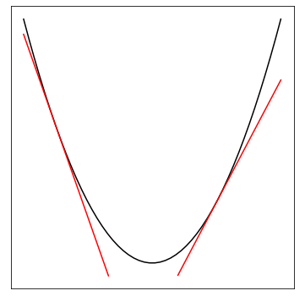
a | x | b
100 | 500 | 500 | 25000500
200 | 500 |  | 100000

100000 | 500 | -24999500 | 25000500

a | x | b
100 | -750 | 500 | 56250500
200 | -750 |  | -150000

-150000 | -750 | -56249500 | 56250500

a | x | b
100 | 1000 | 500 | 100000500
200 | 1000 |  | 200000

Sheet2
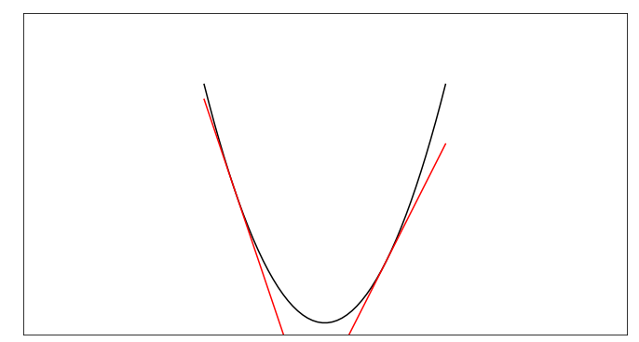

$$y=E(x)$$

$$\frac{d}{dx}E\left(x^{\left(1\right)}\right)=−3$$

$$x^{(2)}=x^{(1)}−ε\frac{d}{dx}E\left(x^{\left(1\right)}\right)$$
$$=x^{\left(1\right)}+3ε$$

$$\frac{d}{dx}E\left(x^{\left(2\right)}\right)=2$$
$$x^{(3)}=x^{(2)}−ε\frac{d}{dx}E\left(x^{\left(2\right)}\right)=x^{\left(2\right)}−2ε$$

