map
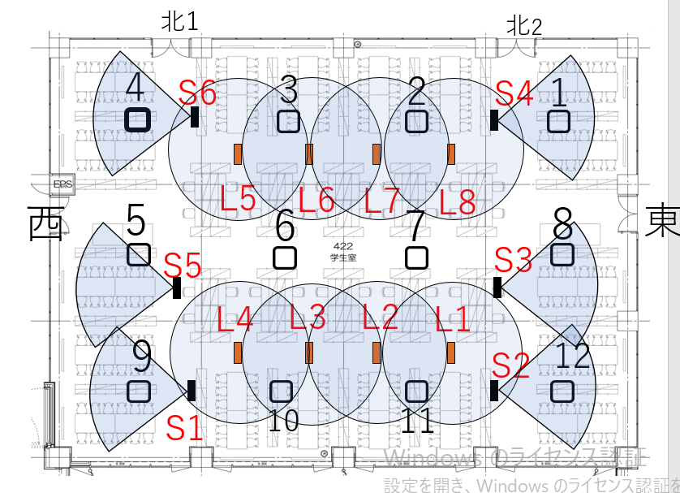

E1
E2
F1
F2

E3
F3
F4
E4

