map
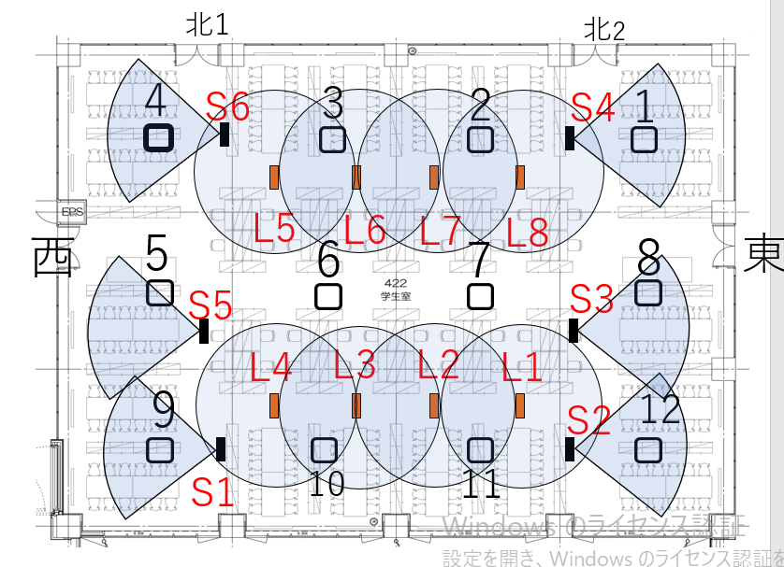

3
4
1
2
a
c
d
b

7
5
6
8
f
g
h
e

