qlist_elements_interior
Furniture Qlist- Modern

category | product | provider | price | picture | obs
armchair | Mad Queen | Yellowtrace | 0 € | 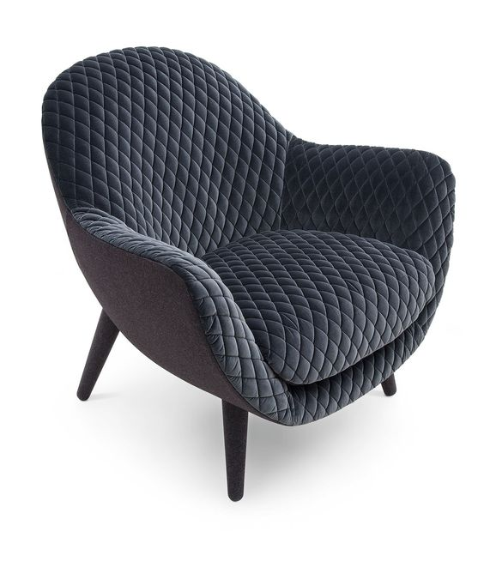
sofa | Mantauk Sofa | Mantauk Sofa | 0 € | 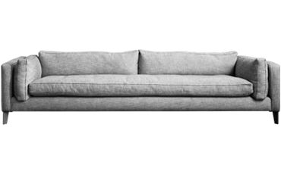
coffee table | Idea Nanjas | HUGUES CHEVALIER LAUSANNE | 0 € | 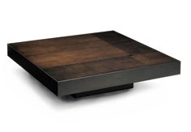
storage | tv storage | Montana | 0 € | 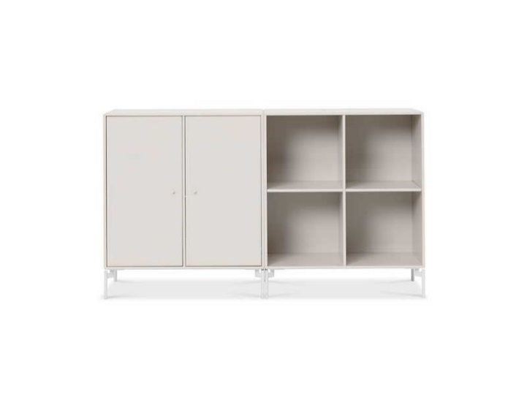
 | deposit wordrobe | Montana | 0 € | 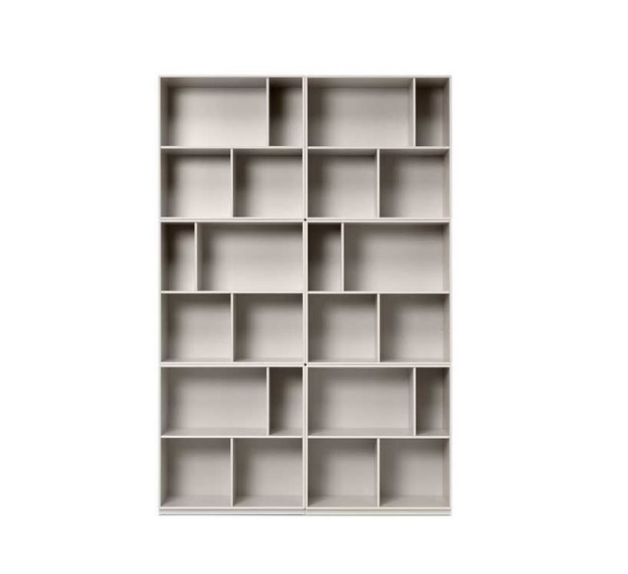
miscellaneous | The rug | Rug USA | 0 € | 
 | Modern Pillow | Etsy | 0 € | 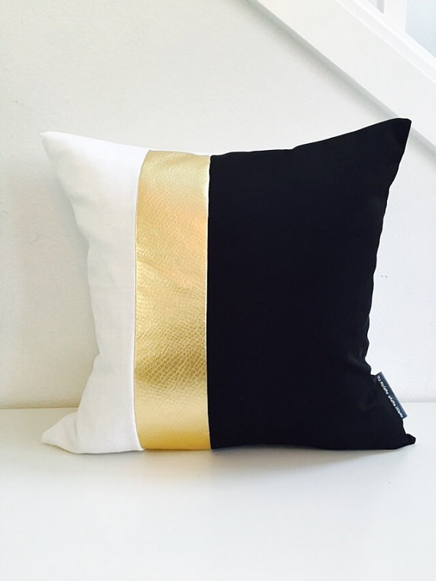
 | Modern Plants | Etsy | 0 € | 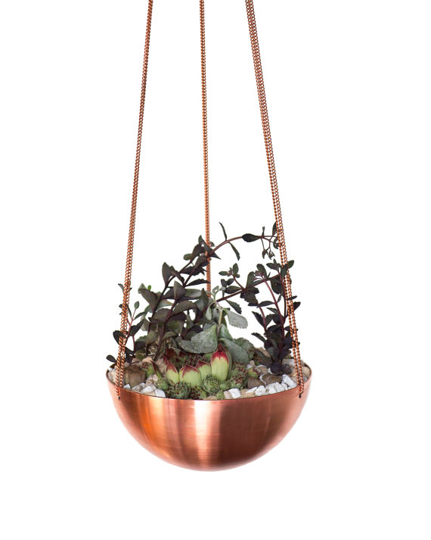
 | wall art | Society 6 | 0 € | 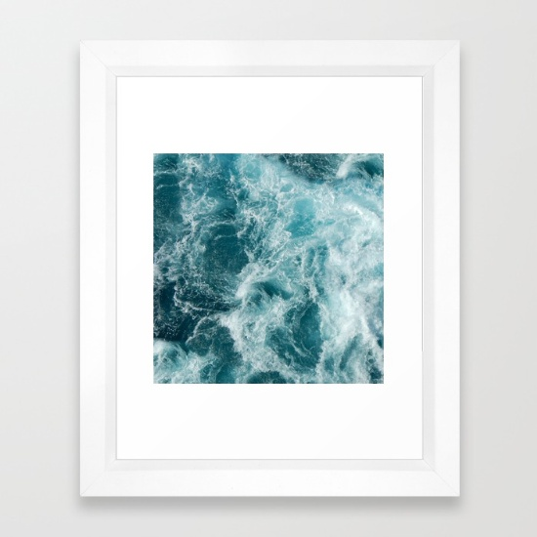
 | Constellation Lamp | Constellation Lamp | 0 € | 