Sheet1
Click "Billing Dashboard" page (link)
View a list of all patients with active or unpaid billing records (table)
Click "View Details" on a billing record (button)
Review billing details: services, charges, taxes, discounts, payment status (text display)
Click "Edit" to update charges (button)
Modify billing fields: amount, discount, or tax (input fields)
Enter reason or notes (textarea input – optional)
Click "Save Changes" (button)
See confirmation message and updated billing info
Only billing records with "active" or "unpaid" status are displayed by default
User must have billing staff role to access and edit records
"View Details" button must open a full breakdown of charges, taxes, discounts, and total amount
"Edit" button must be visible only to authorized users
All amount-related fields must accept numeric input only
Comment field is optional during edit
"Save Changes" button must be enabled only if at least one field is modified
Upon submission:
The updated billing record is stored in the database
User ID and timestamp are recorded
A log entry is created for audit purposes
Phase | Item No | Specification [Role] | User Story | Acceptance Criteria | UI Screen / Wireframe | Tags
Feature: 1 |  | Pending Request
phase 1 | 1 | View and Manage Patient Billing Records |  |  | 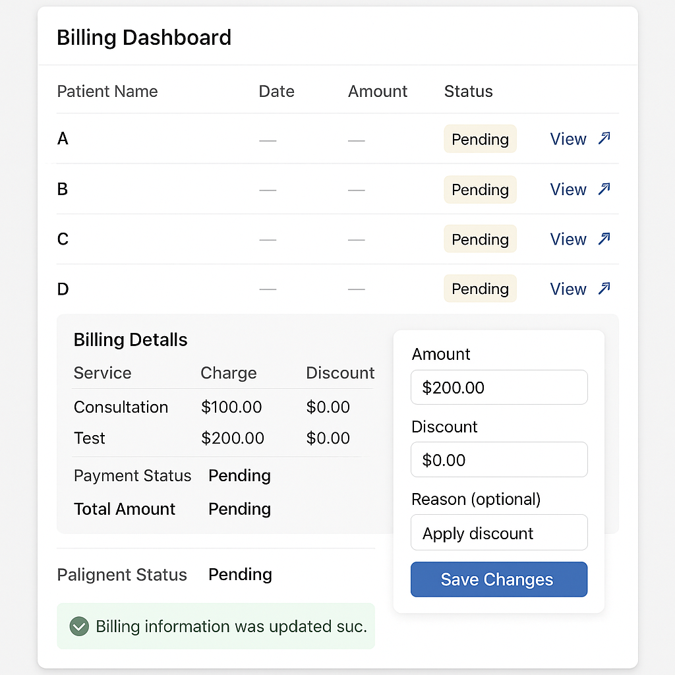 | Pending Request

