pathways
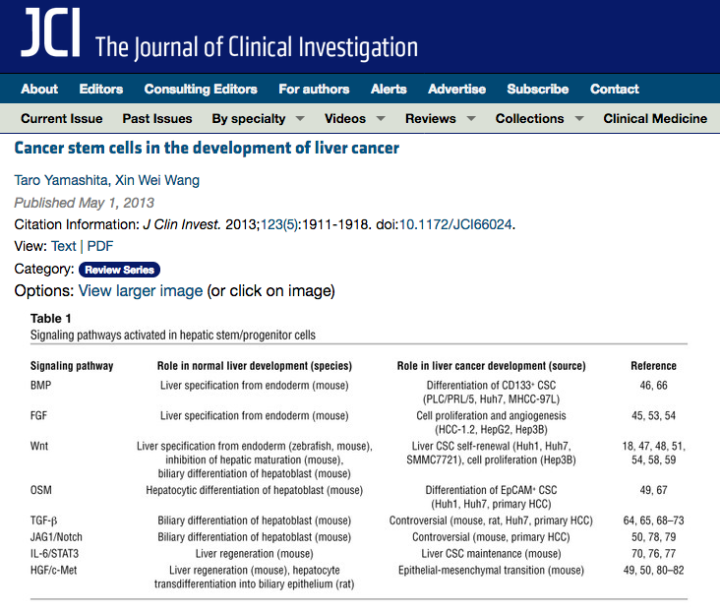

ref.
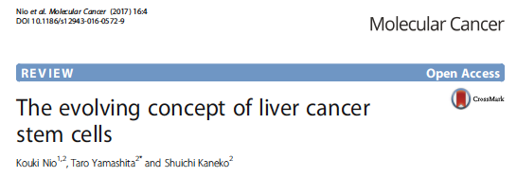

 | Mutant IDH inhibits HNF-4a to block hepatocyte
 | differentiation and promote biliary cancer
 | Supriya K. Saha1*, Christine A. Parachoniak1*, Krishna S. Ghanta1, Julien Fitamant1, Kenneth N. Ross1, Mortada S. Najem1,
 | SushmaGurumurthy1, Esra A.Akbay2, Daniela Sia3,4,5, Helena Cornella3, Oriana Miltiadous4, ChadWalesky6,VikramDeshpande1,
 | Andrew X. Zhu1, Aram F. Hezel7, Katharine E. Yen8, Kimberly S. Straley8, Jeremy Travins8, Janeta Popovici-Muller8,
 | Camelia Gliser8, Cristina R. Ferrone1, Udayan Apte6, Josep M. Llovet3,4,9,10, Kwok-Kin Wong2, Sridhar Ramaswamy1,11
 | & Nabeel Bardeesy1
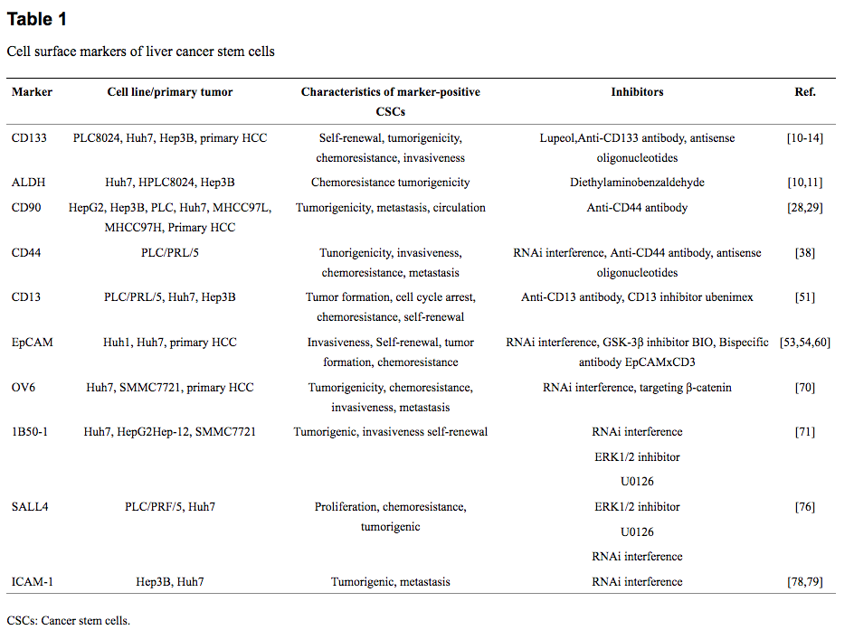 | Gene sets of ‘hepatocyte genes’ for theGSEAresults shown in Extended Data Fig. 1g were created from expression data from Shin, et al. 201124. The expression data were downloaded from the Gene ExpressionOmnibus (accessionnumberGSE28891) in seriesmatrix formandloaded into R.Undifferentiated, differentiated hepatocytes, and primary hepatocyte samples were selected from GSE28891 (4 samples of each type for a total of 12). Within that sample subset, the normalized signal intensities were thresholded to a minimum value of 10 and features were filtered out if they had less than threefold difference between minimum and maximum values or had absolute differences less than 50 between minimum and maximum values (leaving 21,277 features out of 37,908). A t-test was performed between the undifferentiated and the combined differentiated and primary hepatocyte samples and P values from the t-test were corrected for multiple hypothesis testing using the Benjamini–Hochberg correction (in R using the Bioconductor multtest package). This left 206 features up and 407 down in the hepatocyte direction with an adjusted Benjamini–Hochberg P-value,0.01, which are represented by 133 and 311 unique gene symbols, respectively. Ninetysix of these genes were represented on the murine Affymetrix array. The feature list was made into a gene set labelled as ‘hepatocyte genes’ and is shown in Supplementary Table 1.
 | C3
 | SELENBP1
 | LRG1
 | MX2
 | XBP1
 | ST7L
 | SULT1A1
 | DEDD2
 | TMEM42
 | LRPAP1
 | ELL
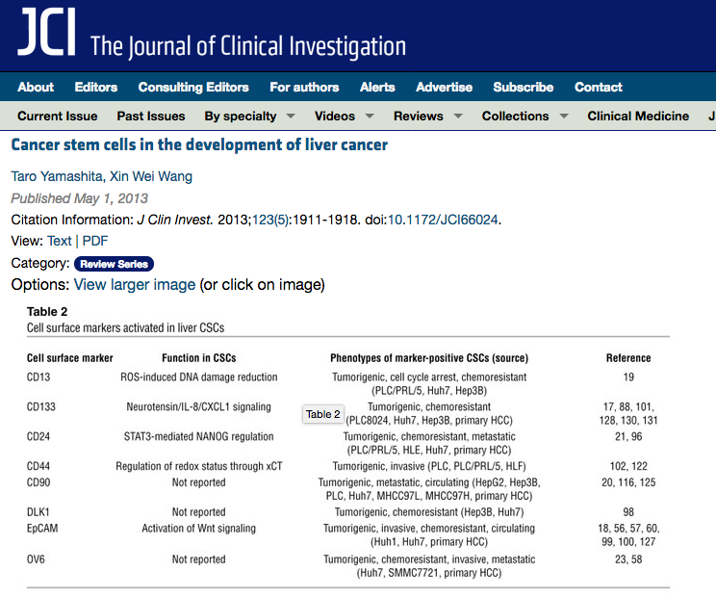
 | STK40
 | IIGP1
 | RTP4
 | RNF167
 | CNNM3
 | HP
 | FURIN
 | FGB
 | TAP2
 | IRF7
 | ANKRD46
 | PCNX
 | NRTN
 | PARP9
 | TENC1
 | CRY2
 | SASH1
 | PTCH1
 | ADARB1
 | FGA
 | CCPG1
 | SDF4
 | LMBRD1
 | ARL4D
 | LIMS2
 | CFH
 | ZHX1
 | NCOA1
 | STAT3
 | DENND1A
 | IGTP
 | CDC42EP4
 | BACH1
 | ASPH
 | CHCHD7
 | HABP2
 | SLC18A1
 | FRAT1
 | APTX
 | C87436
 | SEC63
 | GC
 | UBR2
 | SLC30A1
 | TOR2A
 | TIAL1
 | NMI
 | DLL1
 | ATF5
 | FGG
 | PLCB1
 | LMAN2
 | BNIP3
 | SEMA4A
 | ST3GAL1
 | LPGAT1
 | STK16
 | PDIA6
 | TAPBP
 | TTYH2
 | DPM1
 | XDH
 | ELAC1
 | ENY2
 | TLE1
 | LRRC61
 | MIF4GD
 | CYHR1
 | PDE4A
 | PTPRJ
 | PARP12
 | TMCO4
 | UNC84B
 | FGR
 | AHCY
 | DNAJB9
 | PSMB8
 | TMEM62
 | ABCB9
 | FGFR3

