Table 1
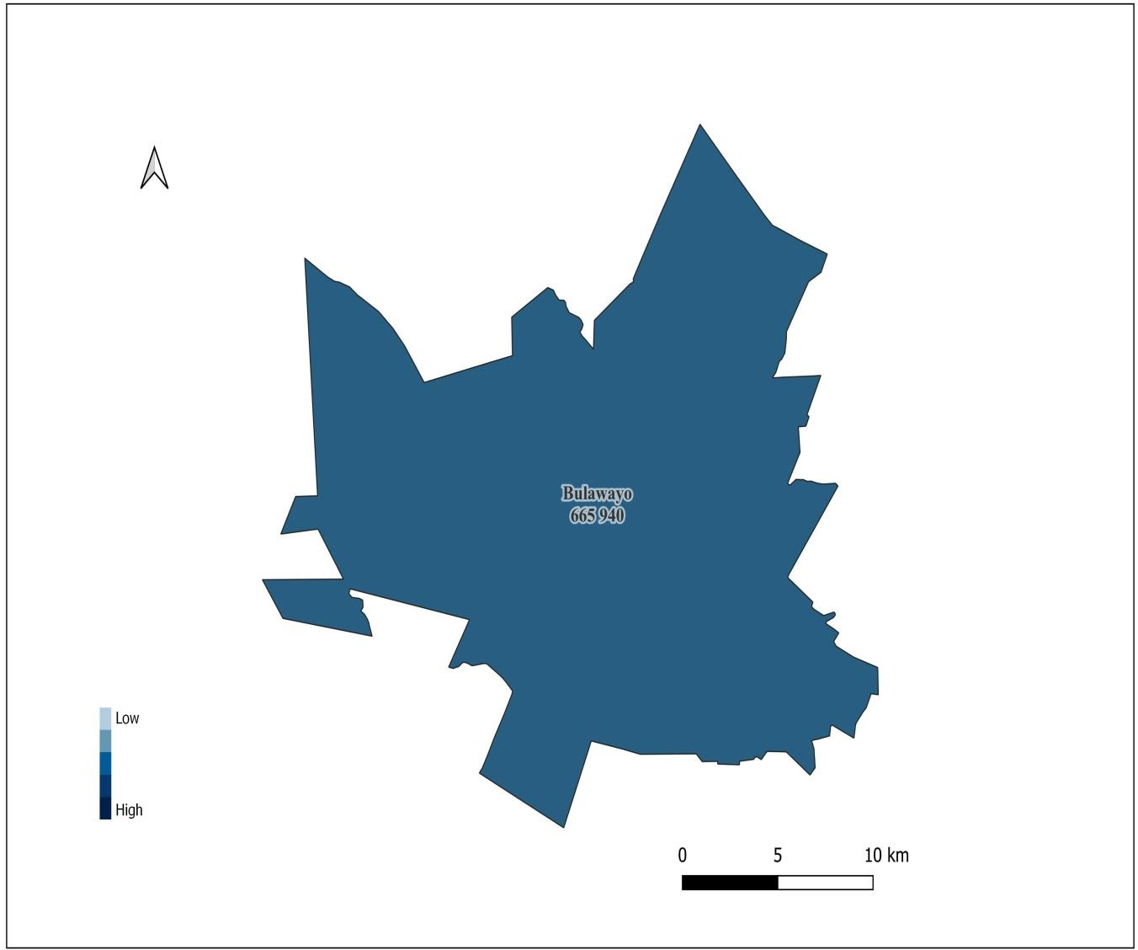
4. Population Distribution by District and Wards
Bulawayo Province

Bulawayo District
 | Population
 | Male | Female | Total
Ward 01 | 3,793 | 4,125 | 7,918
Ward 02 | 12,484 | 13,754 | 26,238
Ward 03 | 16,644 | 18,532 | 35,176
Ward 04 | 13,007 | 14,132 | 27,139
Ward 05 | 9,611 | 10,550 | 20,161
Ward 06 | 6,142 | 6,958 | 13,100
Ward 07 | 8,436 | 8,983 | 17,419
Ward 08 | 10,523 | 11,653 | 22,176
Ward 09 | 11,719 | 13,298 | 25,017
Ward 10 | 12,644 | 14,901 | 27,545
Ward 11 | 7,919 | 9,711 | 17,630
Ward 12 | 11,895 | 13,582 | 25,477
Ward 13 | 8,245 | 9,357 | 17,602
Ward 14 | 9,087 | 10,773 | 19,860
Ward 15 | 6,180 | 7,288 | 13,468
Ward 16 | 6,773 | 8,737 | 15,510
Ward 17 | 7,390 | 8,845 | 16,235
Ward 18 | 9,777 | 11,390 | 21,167
Ward 19 | 8,998 | 10,546 | 19,544
Ward 20 | 8,148 | 10,094 | 18,242
Ward 21 | 12,193 | 13,516 | 25,709
Ward 22 | 7,785 | 9,407 | 17,192
Ward 23 | 7,873 | 9,448 | 17,321
Ward 24 | 9,788 | 11,455 | 21,243
Ward 25 | 10,609 | 12,560 | 23,169
Ward 26 | 10,229 | 12,082 | 22,311
Ward 27 | 17,924 | 21,881 | 39,805
Ward 28 | 34,310 | 40,760 | 75,070
Ward 29 | 7,857 | 9,639 | 17,496
Total | 307,983 | 357,957 | 665,940
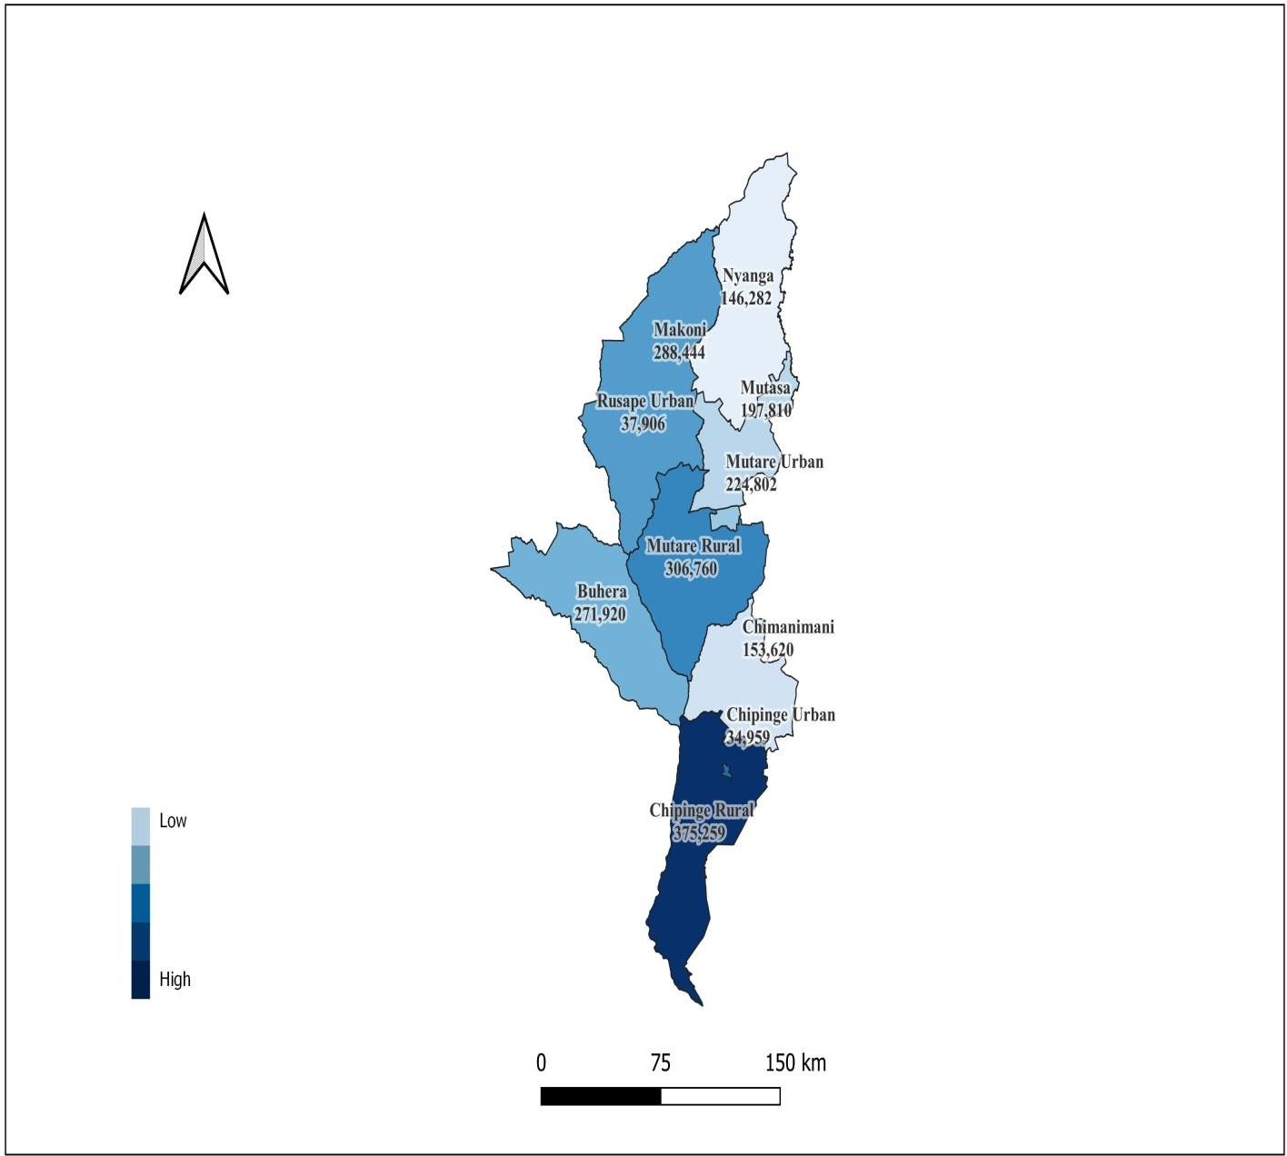
Manicaland Province

Table 10
Rusape District
 |  | Population
 |  | Male |  | Female |  | Total
Ward 01 |  | 1,792 |  | 2,098 |  | 3,890
Ward 02 |  | 662 |  | 750 |  | 1,412
Ward 03 |  | 617 |  | 734 |  | 1,351
Ward 04 |  | 1,442 |  | 1,583 |  | 3,025
Ward 05 |  | 1,043 |  | 1,274 |  | 2,317
Ward 06 |  | 3,224 |  | 3,784 |  | 7,008
Ward 07 |  | 330 |  | 407 |  | 737
Ward 08 |  | 2,514 |  | 2,880 |  | 5,394
Ward 09 |  | 3,766 |  | 4,400 |  | 8,166
Ward 10 |  | 2,278 |  | 2,328 |  | 4,606
Total |  | 17,668 |  | 20,238 |  | 37,906
Chipinge Urban District
 | Population
 | Male |  | Female |  | Total
Ward 01 | 1,620 |  | 1,941 |  | 3,561
Ward 02 | 2,258 |  | 2,717 |  | 4,975
Ward 03 | 1,399 |  | 1,840 |  | 3,239
Ward 04 | 1,410 |  | 1,603 |  | 3,013
Ward 05 | 1,022 |  | 1,234 |  | 2,256
Ward 06 | 1,616 |  | 2,008 |  | 3,624
Ward 07 | 2,605 |  | 3,063 |  | 5,668
Ward 08 | 3,950 |  | 4,673 |  | 8,623
Total | 15,880 |  | 19,079 |  | 34,959
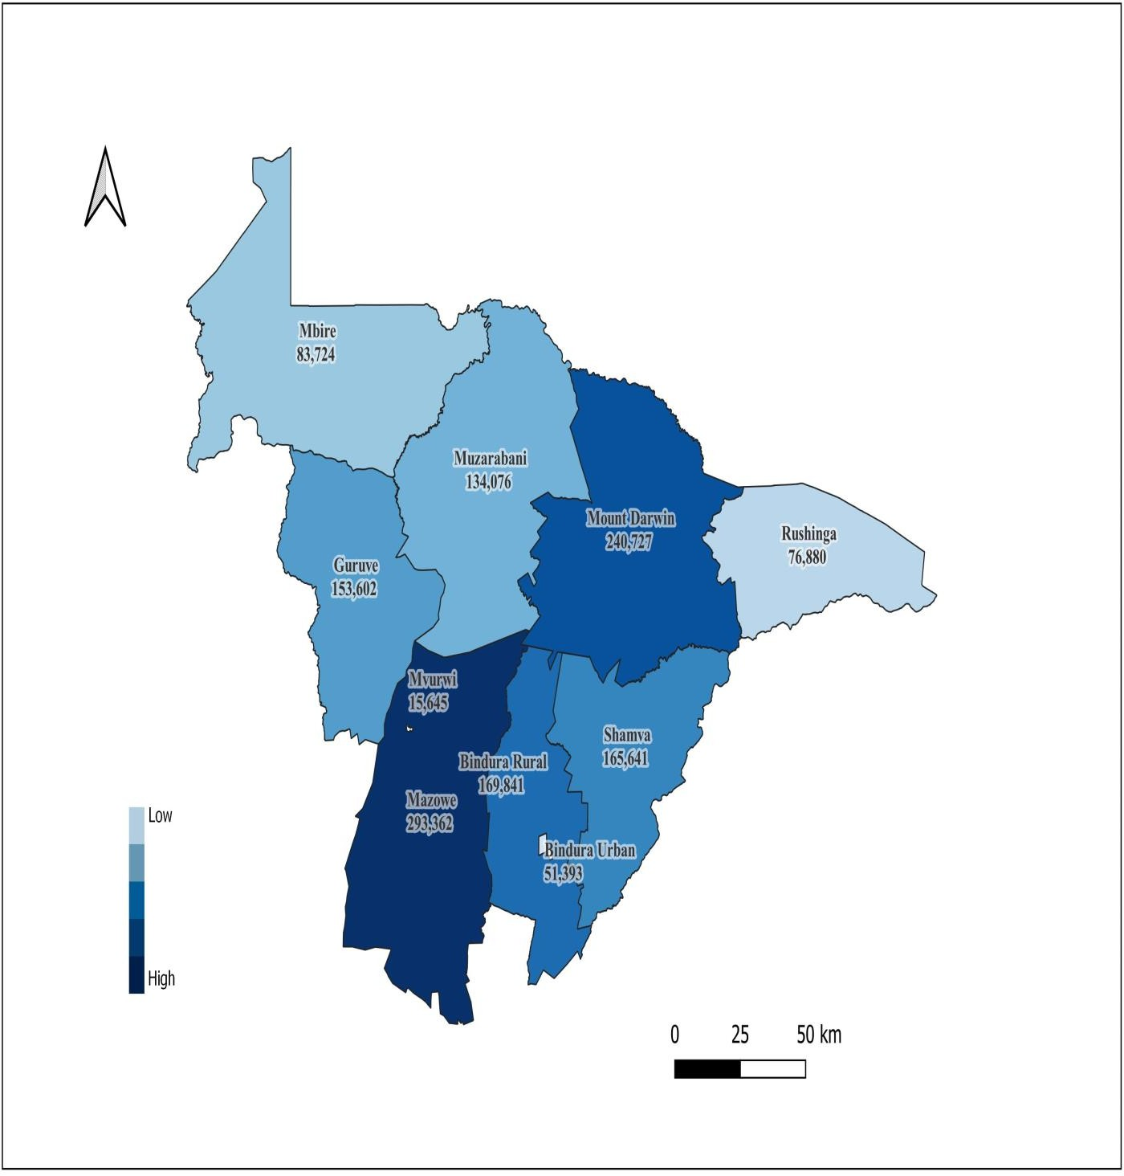
Mashonaland Central

Table 18
Mbire District
 | Population
 | Male | Female | Total
Ward 01 | 1,893 | 1,880 | 3,773
Ward 02 | 2,717 | 2,914 | 5,631
Ward 03 | 3,135 | 3,329 | 6,464
Ward 04 | 4,066 | 3,983 | 8,049
Ward 05 | 2,705 | 2,882 | 5,587
Ward 06 | 2,183 | 2,303 | 4,486
Ward 07 | 1,124 | 1,114 | 2,238
Ward 08 | 3,565 | 3,686 | 7,251
Ward 09 | 2,552 | 2,615 | 5,167
Ward 10 | 2,941 | 3,178 | 6,119
Ward 11 | 827 | 817 | 1,644
Ward 12 | 3,275 | 3,456 | 6,731
Ward 13 | 3,194 | 3,488 | 6,682
Ward 14 | 1,208 | 1,197 | 2,405
Ward 15 | 2,369 | 2,631 | 5,000
Ward 16 | 1,410 | 1,376 | 2,786
Ward 17 | 1,850 | 1,861 | 3,711
Total | 41,014 | 42,710 | 83,724
Bindura Urban District
 | Population
 | Male | Female | Total
Ward 01 | 2,285 | 2,193 | 4,478
Ward 02 | 1,350 | 1,416 | 2,766
Ward 03 | 565 | 480 | 1,045
Ward 04 | 1,289 | 1,441 | 2,730
Ward 05 | 1,492 | 1,627 | 3,119
Ward 06 | 1,380 | 1,490 | 2,870
Ward 07 | 887 | 969 | 1,856
Ward 08 | 2,447 | 2,977 | 5,424
Ward 09 | 3,160 | 3,520 | 6,680
Ward 10 | 1,569 | 1,853 | 3,422
Ward 11 | 1,684 | 1,825 | 3,509
Ward 12 | 6,508 | 6,986 | 13,494
Total | 24,616 | 26,777 | 51,393
Mvurwi District
 | Population
 | Male | Female | Total
Ward 01 | 710 | 738 | 1,448
Ward 02 | 600 | 632 | 1,232
Ward 03 | 1,240 | 1,414 | 2,654
Ward 04 | 1,527 | 1,784 | 3,311
Ward 05 | 2,183 | 2,440 | 4,623
Ward 06 | 1,145 | 1,232 | 2,377
Total | 7,405 | 8,240 | 15,645
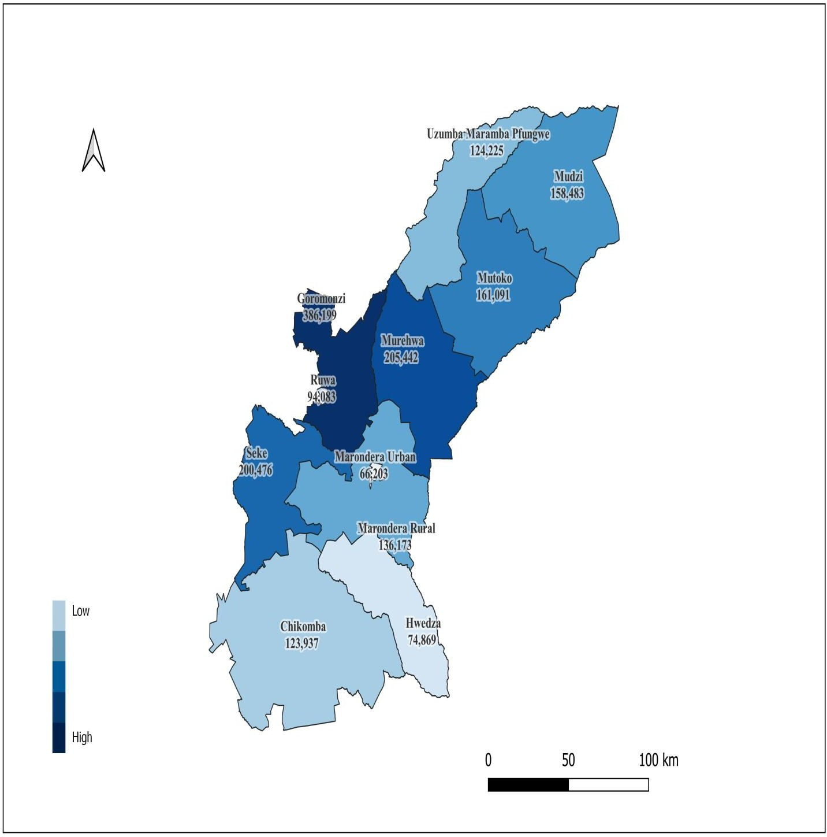
Mashonaland East Province

Table 27
Ruwa Local Board District
 | Total
 | Male | Female | Total
Ward 01 | 3,262 | 3,518 | 6,780
Ward 02 | 2,901 | 2,983 | 5,884
Ward 03 | 1,502 | 1,691 | 3,193
Ward 04 | 934 | 1,100 | 2,034
Ward 05 | 3,660 | 4,065 | 7,725
Ward 06 | 1,232 | 1,386 | 2,618
Ward 07 | 10,009 | 10,792 | 20,801
Ward 08 | 6,230 | 7,363 | 13,593
Ward 09 | 14,759 | 16,696 | 31,455
Total | 44,489 | 49,594 | 94,083
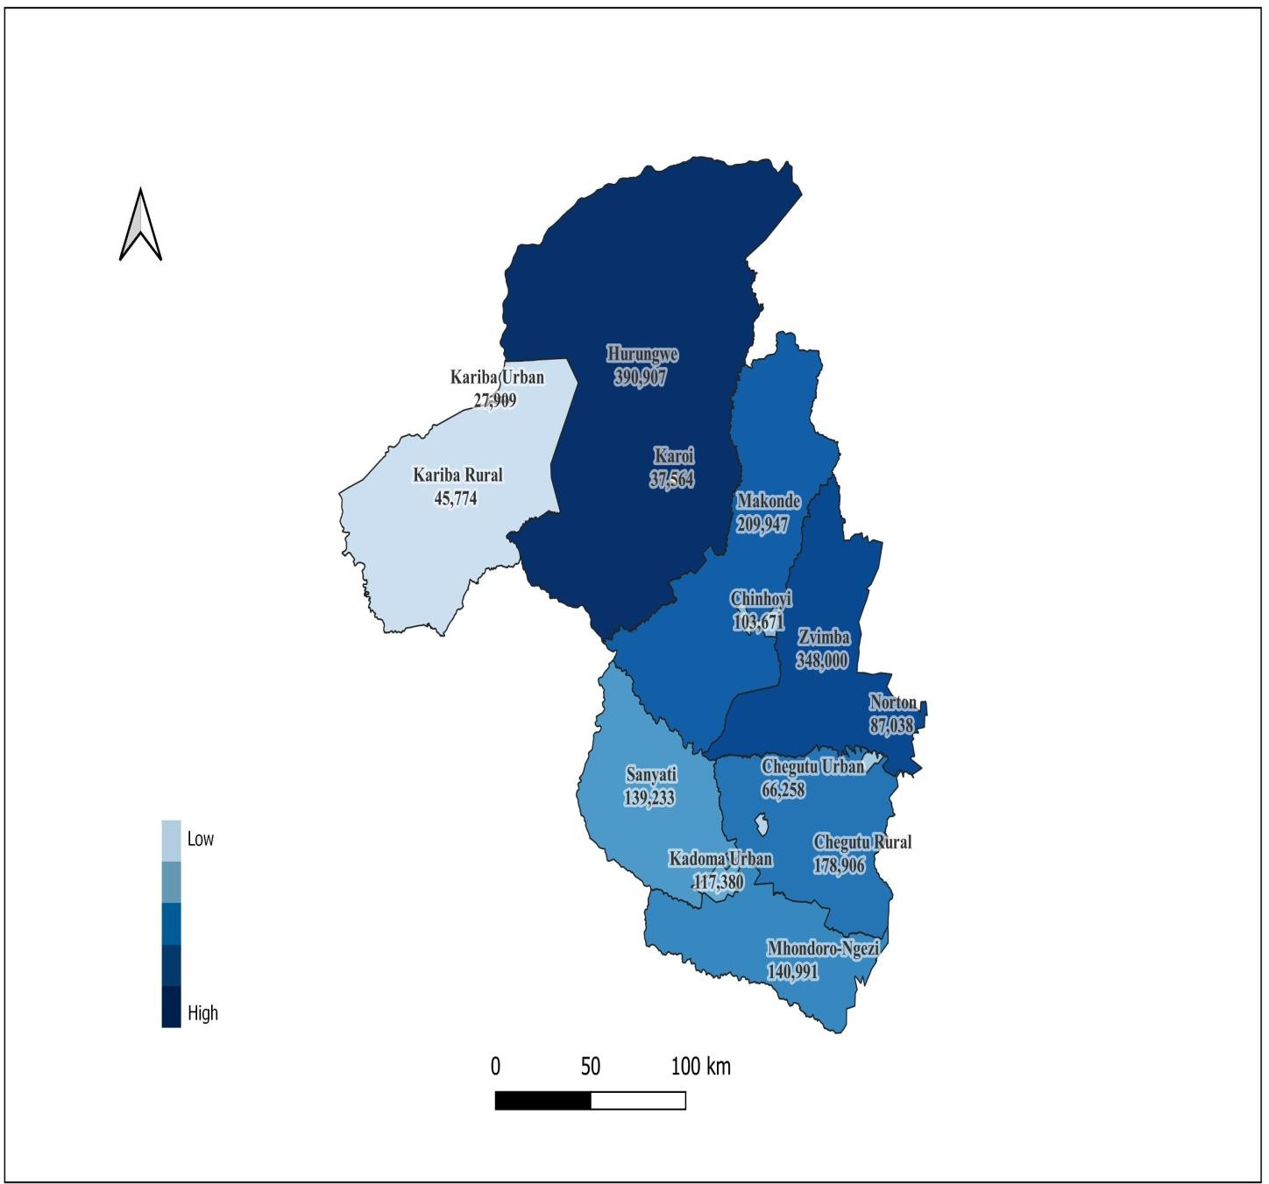
Mashonaland West

Table 37
Norton District
 | Population
 | Male | Female | Total
Ward 01 | 2,258 | 2,553 | 4,811
Ward 02 | 1,687 | 1,716 | 3,403
Ward 03 | 1,649 | 1,955 | 3,604
Ward 04 | 4,374 | 4,865 | 9,239
Ward 05 | 1,330 | 1,640 | 2,970
Ward 06 | 1,784 | 2,044 | 3,828
Ward 07 | 1,869 | 2,096 | 3,965
Ward 08 | 1,720 | 1,904 | 3,624
Ward 09 | 1,517 | 1,867 | 3,384
Ward 10 | 1,573 | 1,803 | 3,376
Ward 11 | 3,091 | 3,568 | 6,659
Ward 12 | 12,298 | 13,664 | 25,962
Ward 13 | 5,852 | 6,361 | 12,213
Total | 41,002 | 46,036 | 87,038
Karoi District
 | Population
 | Male | Female | Total
Ward 01 | 984 | 1,260 | 2,244
Ward 02 | 475 | 554 | 1,029
Ward 03 | 896 | 1,166 | 2,062
Ward 04 | 1,236 | 1,516 | 2,752
Ward 05 | 1,256 | 1,461 | 2,717
Ward 06 | 609 | 794 | 1,403
Ward 07 | 1,675 | 1,615 | 3,290
Ward 08 | 2,287 | 2,284 | 4,571
Ward 09 | 3,006 | 3,680 | 6,686
Ward 10 | 4,941 | 5,869 | 10,810
Total | 17,365 | 20,199 | 37,564
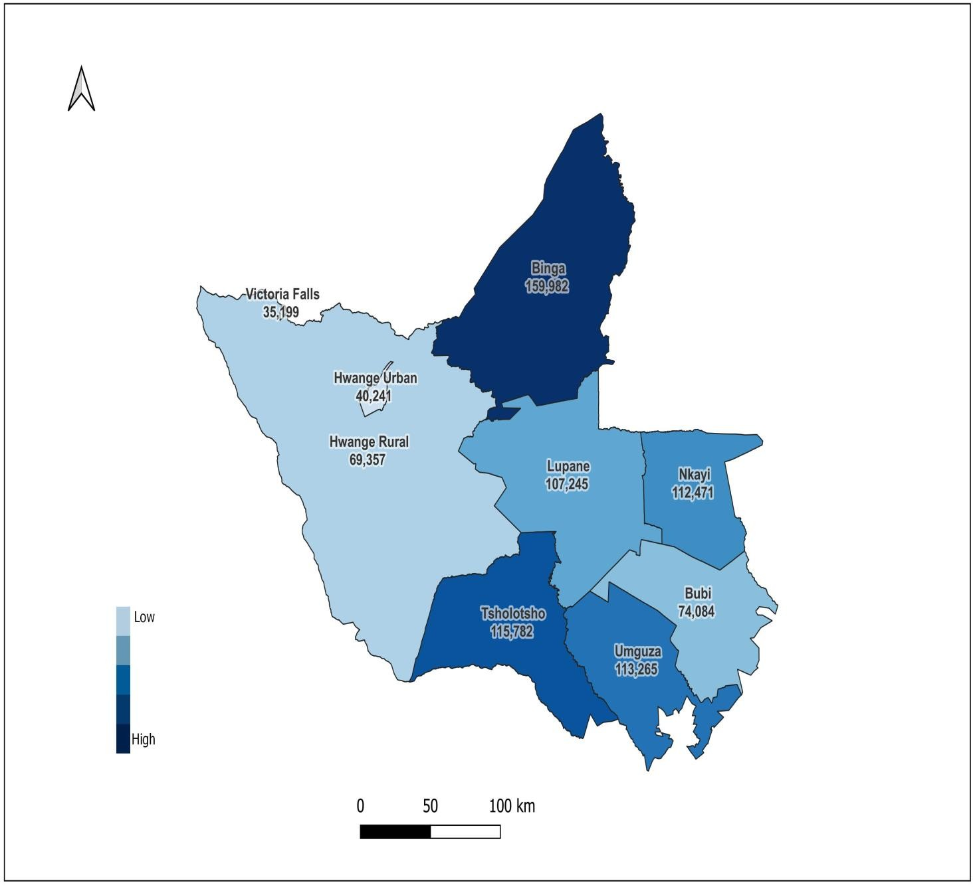
Matabeleland North Province

Table 43
Hwange Urban District
 | Population
 | Male |  | Female | Total
Ward 01 | 603 |  | 582 | 1,185
Ward 02 | 379 |  | 378 | 757
Ward 03 | 453 |  | 409 | 862
Ward 04 | 698 |  | 729 | 1,427
Ward 05 | 1,027 |  | 1,115 | 2,142
Ward 06 | 2,663 |  | 2,947 | 5,610
Ward 07 | 553 |  | 369 | 922
Ward 08 | 4,383 |  | 4,583 | 8,966
Ward 09 | 265 |  | 243 | 508
Ward 10 | 1,060 |  | 1,038 | 2,098
Ward 11 | 2,039 |  | 1,801 | 3,840
Ward 12 | 1,122 |  | 1,113 | 2,235
Ward 14 | 2,520 |  | 2,545 | 5,065
Ward 15 | 2,349 |  | 2,275 | 4,624
Total | 20,114 |  | 20,127 | 40,241
Victoria Falls District
 |  | Population
 |  | Male | Female | Total
Ward 01 |  | 568 | 628 | 1,196
Ward 02 |  | 775 | 753 | 1,528
Ward 03 |  | 562 | 602 | 1,164
Ward 04 |  | 948 | 1,074 | 2,022
Ward 05 |  | 700 | 728 | 1,428
Ward 06 |  | 603 | 645 | 1,248
Ward 07 |  | 734 | 853 | 1,587
Ward 08 |  | 607 | 751 | 1,358
Ward 09 |  | 1,530 | 1,797 | 3,327
Ward 10 |  | 1,254 | 1,329 | 2,583
Ward 11 |  | 8,382 | 9,376 | 17,758
Total |  | 16,663 | 18,536 | 35,199
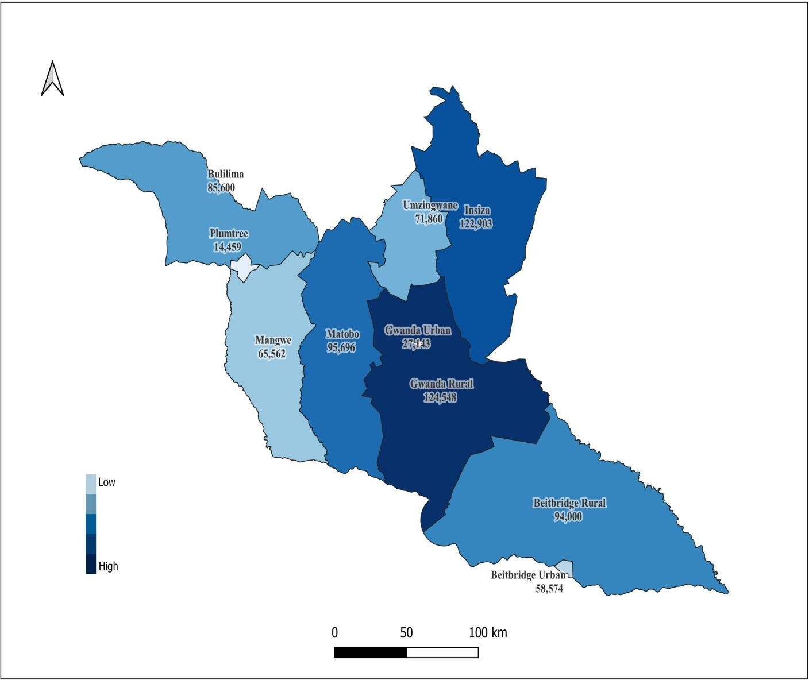
Matabeleland South

Table 49
Beitbridge District
 | Population
 | Male |  | Female | Total
Ward 01 | 1,598 |  | 1,580 | 3,178
Ward 02 | 1,456 |  | 1,538 | 2,994
Ward 03 | 2,691 |  | 2,686 | 5,377
Ward 04 | 5,321 |  | 5,731 | 11,052
Ward 05 | 7,191 |  | 7,844 | 15,035
Ward 06 | 10,208 |  | 10,730 | 20,938
Total | 28,465 |  | 30,109 | 58,574
Plumtree District
 |  | Population
 |  | Male | Female | Total
Ward 01 |  | 2,186 | 2,598 | 4,784
Ward 02 |  | 468 | 525 | 993
Ward 03 |  | 2,059 | 2,611 | 4,670
Ward 04 |  | 845 | 869 | 1,714
Ward 05 |  | 310 | 226 | 536
Ward 06 |  | 830 | 932 | 1,762
Total |  | 6,698 | 7,761 | 14,459
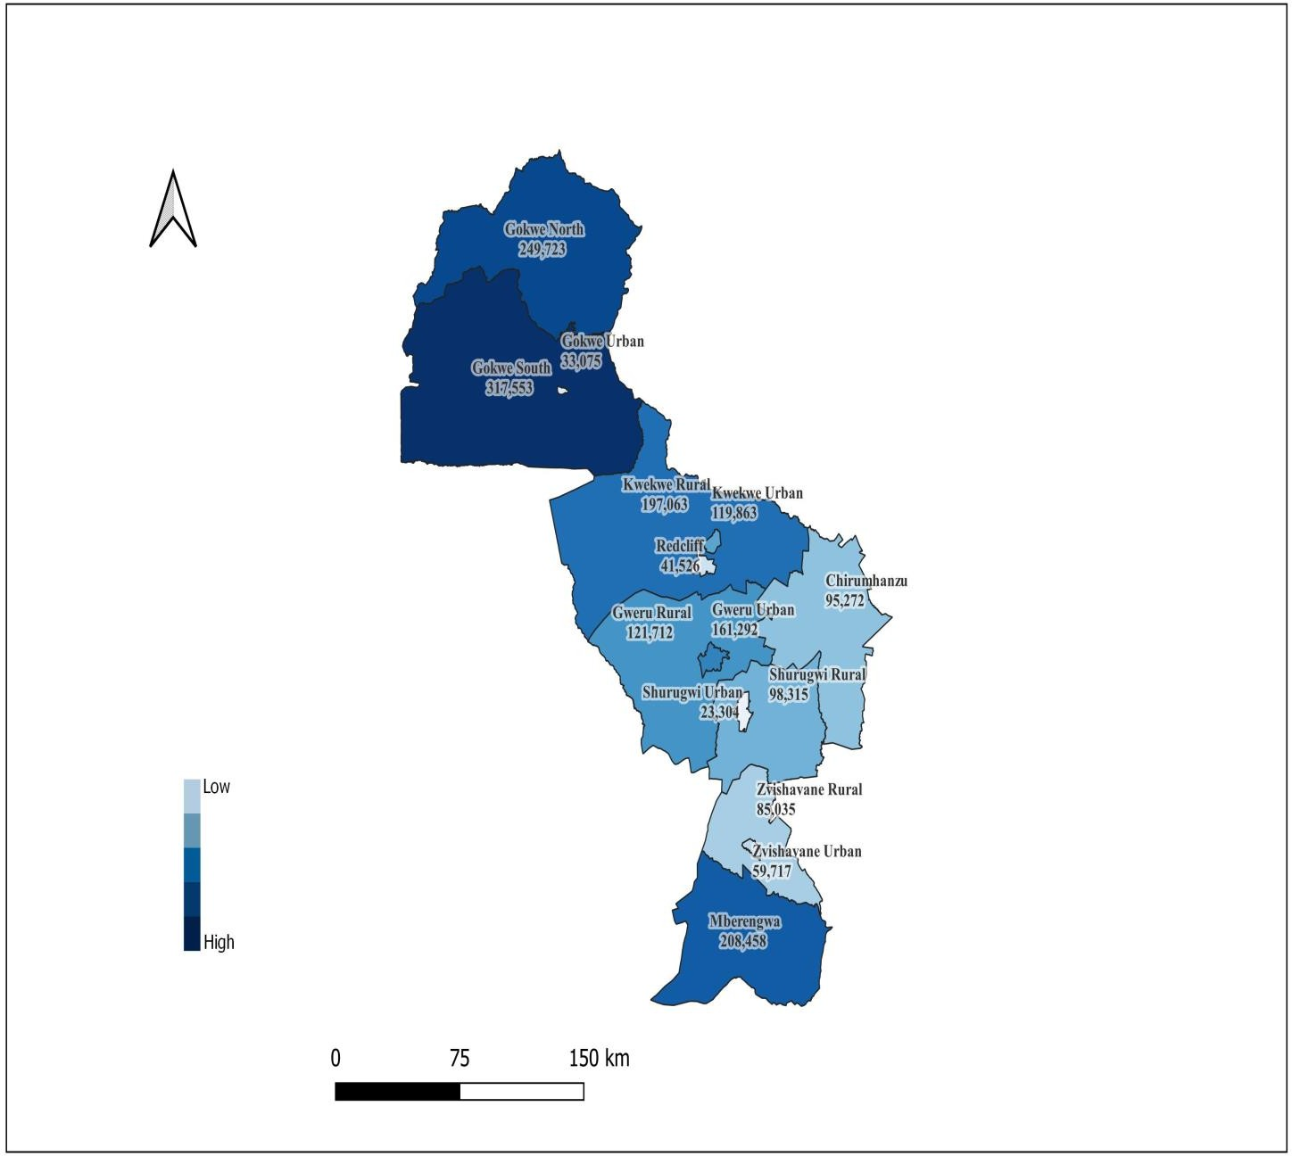
Midlands Province

Table 59
Gokwe Centre District
 | Population
 | Male |  | Female | Total
Ward 01 | 1,876 |  | 2,336 | 4,212
Ward 02 | 1,733 |  | 2,182 | 3,915
Ward 03 | 4,143 |  | 4,821 | 8,964
Ward 04 | 1,181 |  | 1,362 | 2,543
Ward 05 | 4,316 |  | 5,506 | 9,822
Ward 06 | 1,684 |  | 1,935 | 3,619
Total | 14,933 |  | 18,142 | 33,075
Shurugwi Urban District
 |  | Population
 |  | Male | Female | Total
Ward 01 |  | 527 | 522 | 1,049
Ward 02 |  | 594 | 594 | 1,188
Ward 03 |  | 644 | 654 | 1,298
Ward 04 |  | 485 | 534 | 1,019
Ward 05 |  | 899 | 1,042 | 1,941
Ward 06 |  | 567 | 560 | 1,127
Ward 07 |  | 623 | 580 | 1,203
Ward 08 |  | 681 | 752 | 1,433
Ward 09 |  | 510 | 604 | 1,114
Ward 10 |  | 698 | 838 | 1,536
Ward 11 |  | 1,320 | 1,424 | 2,744
Ward 12 |  | 3,189 | 3,377 | 6,566
Ward 13 |  | 640 | 446 | 1,086
Total |  | 11,377 | 11,927 | 23,304
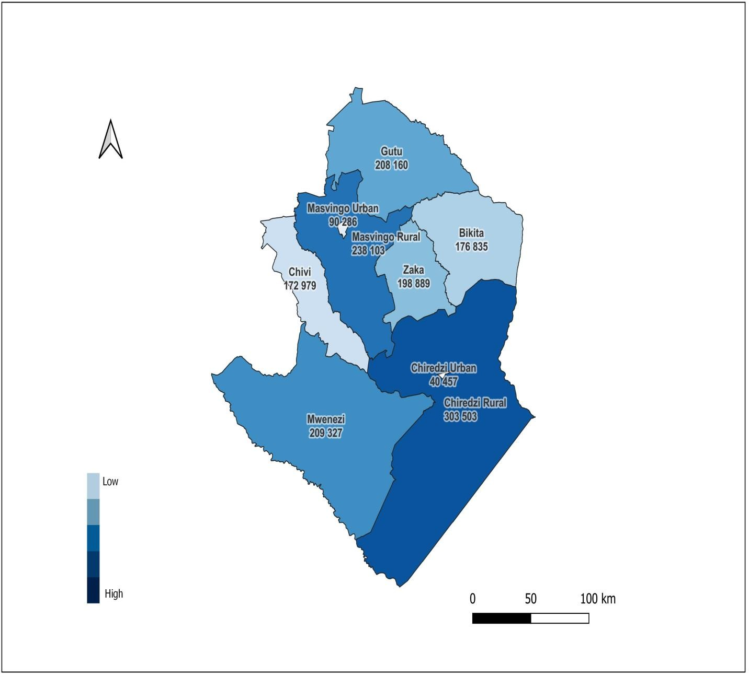
Masvingo Province

Table 67
Masvingo Urban District
 | Population
 | Male | Female | Total
Ward 01 | 2,090 | 2,308 | 4,398
Ward 02 | 2,795 | 3,079 | 5,874
Ward 03 | 6,333 | 7,645 | 13,978
Ward 04 | 5,845 | 7,170 | 13,015
Ward 05 | 4,097 | 4,890 | 8,987
Ward 06 | 5,169 | 6,586 | 11,755
Ward 07 | 8,815 | 10,891 | 19,706
Ward 08 | 1,134 | 1,115 | 2,249
Ward 09 | 2,336 | 2,465 | 4,801
Ward 10 | 2,707 | 2,816 | 5,523
Total | 41,321 | 48,965 | 90,286
Chiredzi Urban District
 | Population
 | Male | Female | Total
Ward 01 | 462 | 464 | 926
Ward 02 | 2,060 | 2,254 | 4,314
Ward 03 | 2,146 | 2,511 | 4,657
Ward 04 | 2,929 | 3,370 | 6,299
Ward 05 | 2,456 | 2,778 | 5,234
Ward 06 | 1,502 | 1,839 | 3,341
Ward 07 | 1,763 | 2,011 | 3,774
Ward 08 | 5,660 | 6,252 | 11,912
Total | 18,978 | 21,479 | 40,457
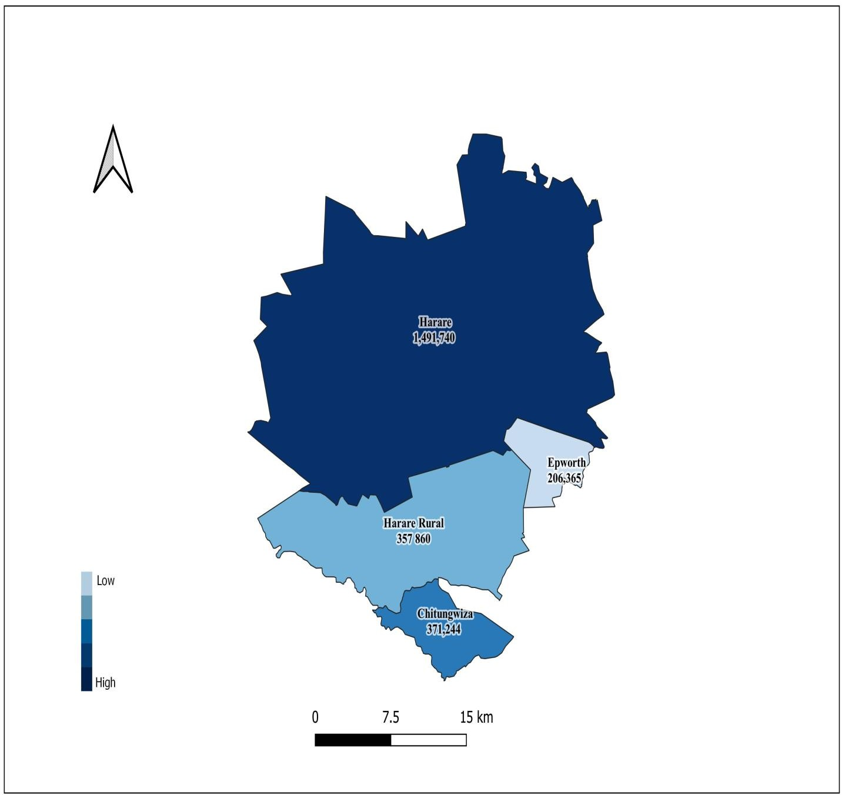
Harare Province

