browser export
STRUCTURE | FORMATTED_ID | IC50_NM_JH2_WT | IC50_NM_JH2_V617F | IC50_NM_celluar_VF | IC50_NM_celluar_WT | SMILES
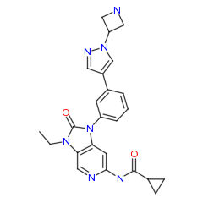 d | PRT1009712 | >798.6 | >798.6 | 8293.5 | 8293.5 | CCN1C(=O)N(c2cccc(c2)-c2cnn(c2)C2CNC2)c2cc(ncc21)NC(=O)C1CC1
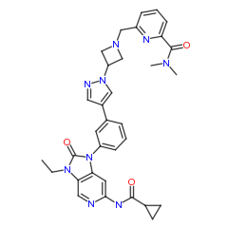 d | PRT1009711 | 17.862 | 37.133 | 8293.5 | 2911.3 | CCN1C(=O)N(c2cccc(c2)-c2cnn(c2)C2CN(C2)Cc2cccc(n2)C(=O)N(C)C)c2cc(ncc21)NC(=O)C1CC1
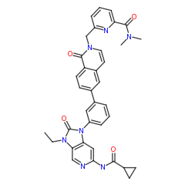 d | PRT1009710 | 16.449 | 15.467 | 8293.5 | 1078.8 | CCN1C(=O)N(c2cccc(c2)-c2ccc3c(c2)C=CN(Cc2cccc(n2)C(=O)N(C)C)C3=O)c2cc(ncc21)NC(=O)C1CC1
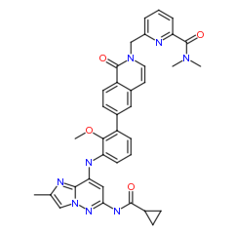 d | PRT1009709 | 16.403 | 26.517 | 2339.9 | 3415.8 | COc1c(cccc1-c1ccc2c(c1)C=CN(Cc1cccc(n1)C(=O)N(C)C)C2=O)Nc1cc(nn2cc(nc12)C)NC(=O)C1CC1
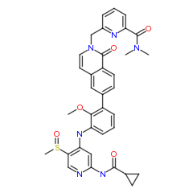 d | PRT1009708 | 16.783 | 75.95 | 2952.1 | 2931.3 | COc1c(cccc1-c1ccc2c(c1)C=CN(Cc1cccc(n1)C(=O)N(C)C)C2=O)Nc1cc(ncc1S(=O)C)NC(=O)C1CC1
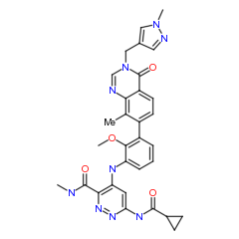 d | PRT1009707 | 325.31 | 274.92 | 8293.5 | 2901.1 | CNC(=O)c1nnc(cc1Nc1cccc(c1OC)-c1ccc2c(c1C)N=CN(Cc1cnn(c1)C)C2=O)NC(=O)C1CC1
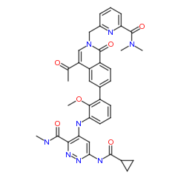 d | PRT1009706 | 0.8573 | 1.1781 | 666.84 | 433.17 | CNC(=O)c1nnc(cc1Nc1cccc(c1OC)-c1ccc2c(c1)C(=CN(Cc1cccc(n1)C(=O)N(C)C)C2=O)C(=O)C)NC(=O)C1CC1
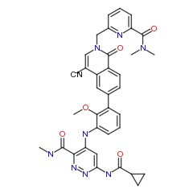 d | PRT1009705 | 1.2344 | 0.4986 | 702.24 | 186.41 | CNC(=O)c1nnc(cc1Nc1cccc(c1OC)-c1ccc2c(c1)C(=CN(Cc1cccc(n1)C(=O)N(C)C)C2=O)C#N)NC(=O)C1CC1
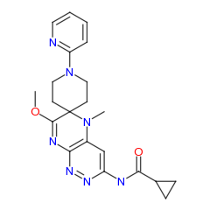 d | PRT1009702 | >798.6 | >798.6 | 8293.5 | 8293.5 | COC1=Nc2nnc(cc2N(C)C21CCN(CC2)c1ccccn1)NC(=O)C1CC1
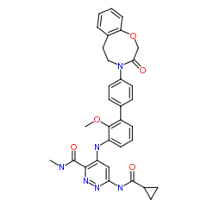 d | PRT1009701 | 126.93 | 294.49 | 8293.5 | 5674.4 | CNC(=O)c1nnc(cc1Nc1cccc(c1OC)-c1ccc(cc1)N1CCc2ccccc2OCC1=O)NC(=O)C1CC1
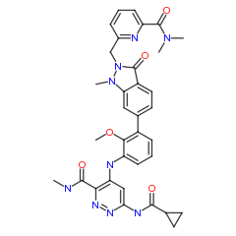 d | PRT1009692 | 30.07 | 42.038 | 8293.5 | 2751.4 | CNC(=O)c1nnc(cc1Nc1cccc(c1OC)-c1ccc2c(c1)N(C)N(Cc1cccc(n1)C(=O)N(C)C)C2=O)NC(=O)C1CC1
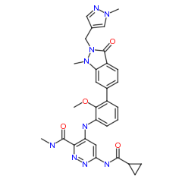 d | PRT1009673 | 188.31 | 174.65 | 8293.5 | 8293.5 | CNC(=O)c1nnc(cc1Nc1cccc(c1OC)-c1ccc2c(c1)N(C)N(Cc1cnn(c1)C)C2=O)NC(=O)C1CC1
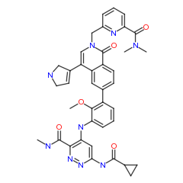 d | PRT1009672 | 2.3176 | 6.0882 |  | 8293.5 | CNC(=O)c1nnc(cc1Nc1cccc(c1OC)-c1ccc2c(c1)C(=CN(Cc1cccc(n1)C(=O)N(C)C)C2=O)C1=CCNC1)NC(=O)C1CC1
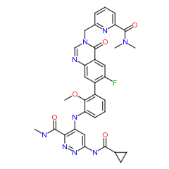 d | PRT1009671 | 2.2897 | 0.5664 |  | 1035.9 | CNC(=O)c1nnc(cc1Nc1cccc(c1OC)-c1cc2c(cc1F)C(=O)N(Cc1cccc(n1)C(=O)N(C)C)C=N2)NC(=O)C1CC1
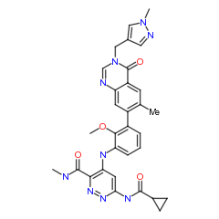 d | PRT1009670 | 119.1 | 211.98 |  | 8293.5 | CNC(=O)c1nnc(cc1Nc1cccc(c1OC)-c1cc2c(cc1C)C(=O)N(Cc1cnn(c1)C)C=N2)NC(=O)C1CC1
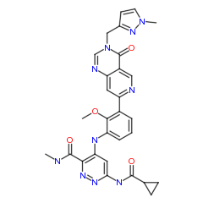 d | PRT1009666 | 17.323 | 27.487 | 8293.5 | 8293.5 | CNC(=O)c1nnc(cc1Nc1cccc(c1OC)-c1cc2c(cn1)C(=O)N(Cc1ccn(n1)C)C=N2)NC(=O)C1CC1
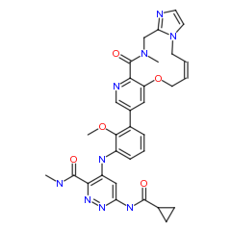 d | PRT1009665 | 0.7203 | 0.2497 | 418.91 | 193.09 | CNC(=O)c1nnc(cc1Nc1cccc(c1OC)-c1cnc2c(c1)OC/C=C\Cn1ccnc1CN(C)C2=O)NC(=O)C1CC1
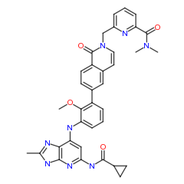 d | PRT1009664 | 1.1689 | 1.4128 | 2448.2 | 1197.3 | COc1c(cccc1-c1ccc2c(c1)C=CN(Cc1cccc(n1)C(=O)N(C)C)C2=O)Nc1cc(nc2[nH]c(nc12)C)NC(=O)C1CC1
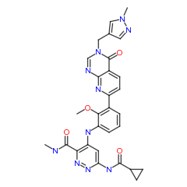 d | PRT1009663 | 11.638 | 7.3268 | 8293.5 | 8293.5 | CNC(=O)c1nnc(cc1Nc1cccc(c1OC)-c1ccc2c(n1)N=CN(Cc1cnn(c1)C)C2=O)NC(=O)C1CC1
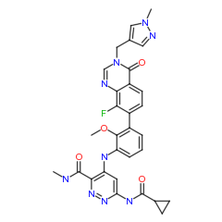 d | PRT1009662 | 39.167 | 33.956 | 8293.5 | 8293.5 | CNC(=O)c1nnc(cc1Nc1cccc(c1OC)-c1ccc2c(c1F)N=CN(Cc1cnn(c1)C)C2=O)NC(=O)C1CC1
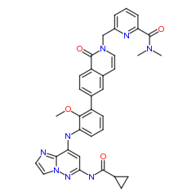 d | PRT1009661 | 18.461 | 22.277 | 746.86 | 4474.8 | COc1c(cccc1-c1ccc2c(c1)C=CN(Cc1cccc(n1)C(=O)N(C)C)C2=O)Nc1cc(nn2ccnc12)NC(=O)C1CC1
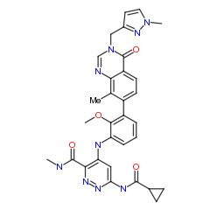 d | PRT1009660 | 166.9 | 184.09 | 8293.5 | 8293.5 | CNC(=O)c1nnc(cc1Nc1cccc(c1OC)-c1ccc2c(c1C)N=CN(Cc1ccn(n1)C)C2=O)NC(=O)C1CC1
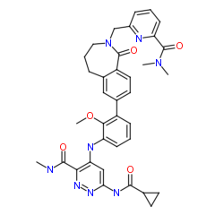 d | PRT1009659 | 2.2417 | 1.4159 | 704.88 | 557.96 | CNC(=O)c1nnc(cc1Nc1cccc(c1OC)-c1ccc2c(c1)CCCN(Cc1cccc(n1)C(=O)N(C)C)C2=O)NC(=O)C1CC1
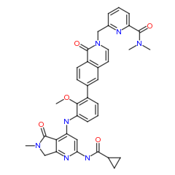 d | PRT1009658 | 48.544 | 26.938 | 8293.5 | 8293.5 | COc1c(cccc1-c1ccc2c(c1)C=CN(Cc1cccc(n1)C(=O)N(C)C)C2=O)Nc1cc(nc2c1C(=O)N(C)C2)NC(=O)C1CC1
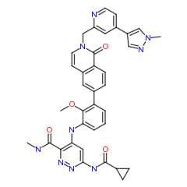 d | PRT1009657 | 54.341 | 87.799 | 8293.5 | 8293.5 | CNC(=O)c1nnc(cc1Nc1cccc(c1OC)-c1ccc2c(c1)C=CN(Cc1cc(ccn1)-c1cnn(c1)C)C2=O)NC(=O)C1CC1
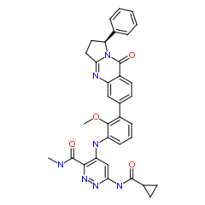 d | PRT1009656 | 429.48 | 1150.6 |  | 21449 | CNC(=O)c1nnc(cc1Nc1cccc(c1OC)-c1ccc2c(c1)N=C1CC[C@H](N1C2=O)c1ccccc1)NC(=O)C1CC1 |r|
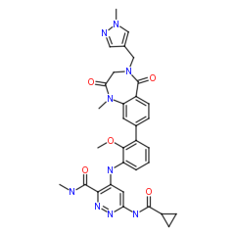 d | PRT1009655 | 3.8757 | 3.8984 |  | 2317.1 | CNC(=O)c1nnc(cc1Nc1cccc(c1OC)-c1ccc2c(c1)N(C)C(=O)CN(Cc1cnn(c1)C)C2=O)NC(=O)C1CC1
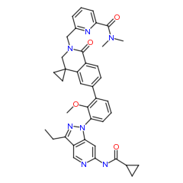 d | PRT1009636 | >798.6 | >798.6 |  | 8293.5 | CCc1nn(c2cc(ncc12)NC(=O)C1CC1)-c1cccc(c1OC)-c1ccc2c(c1)C1(CC1)CN(Cc1cccc(n1)C(=O)N(C)C)C2=O
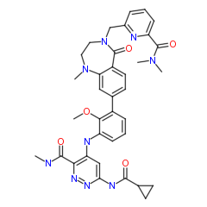 d | PRT1009635 | 2.9904 |  |  | 598.7 | CNC(=O)c1nnc(cc1Nc1cccc(c1OC)-c1ccc2c(c1)N(C)CCN(Cc1cccc(n1)C(=O)N(C)C)C2=O)NC(=O)C1CC1
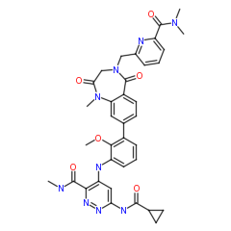 d | PRT1009633 | 0.6686 | 0.4859 |  | 727.33 | CNC(=O)c1nnc(cc1Nc1cccc(c1OC)-c1ccc2c(c1)N(C)C(=O)CN(Cc1cccc(n1)C(=O)N(C)C)C2=O)NC(=O)C1CC1
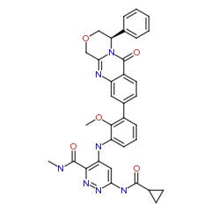 d | PRT1009632 | 151.16 | >798.6 |  | 8293.5 | CNC(=O)c1nnc(cc1Nc1cccc(c1OC)-c1ccc2c(c1)N=C1COC[C@H](N1C2=O)c1ccccc1)NC(=O)C1CC1 |r|
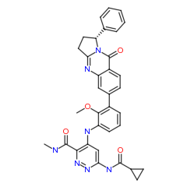 d | PRT1009631 | 123.15 | >798.6 |  | 8293.5 | CNC(=O)c1nnc(cc1Nc1cccc(c1OC)-c1ccc2c(c1)N=C1CC[C@@H](N1C2=O)c1ccccc1)NC(=O)C1CC1 |r|
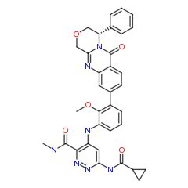 d | PRT1009630 | 295.49 | 680.98 |  | 8293.5 | CNC(=O)c1nnc(cc1Nc1cccc(c1OC)-c1ccc2c(c1)N=C1COC[C@@H](N1C2=O)c1ccccc1)NC(=O)C1CC1 |r|
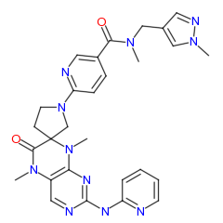 d | PRT1009629 | >798.6 | >798.6 |  | 8293.5 | CN(Cc1cnn(c1)C)C(=O)c1ccc(nc1)N1CCC2(C1)N(C)c1nc(ncc1N(C)C2=O)Nc1ccccn1
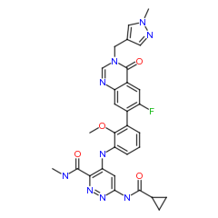 d | PRT1009628 | 37.059 | 139.8 |  | 1626.2 | CNC(=O)c1nnc(cc1Nc1cccc(c1OC)-c1cc2c(cc1F)C(=O)N(Cc1cnn(c1)C)C=N2)NC(=O)C1CC1
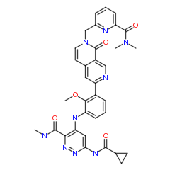 d | PRT1009627 | 0.4154 | 3.1657 |  | 584.72 | CNC(=O)c1nnc(cc1Nc1cccc(c1OC)-c1cc2c(cn1)C(=O)N(Cc1cccc(n1)C(=O)N(C)C)C=C2)NC(=O)C1CC1
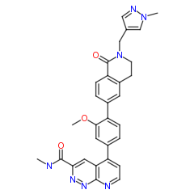 d | PRT1009616 | >798.6 | >798.6 | 8293.5 | 8293.5 | CNC(=O)c1cc2c(ccnc2nn1)-c1ccc(c(c1)OC)-c1ccc2c(c1)CCN(Cc1cnn(c1)C)C2=O
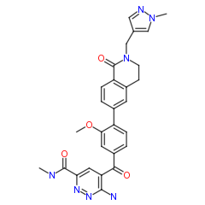 d | PRT1009615 | >798.6 | >798.6 | 9456.6 | 8293.5 | CNC(=O)c1cc(c(nn1)N)C(=O)c1ccc(c(c1)OC)-c1ccc2c(c1)CCN(Cc1cnn(c1)C)C2=O
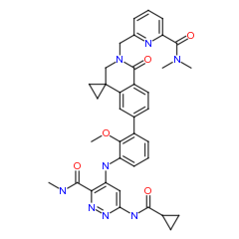 d | PRT1009578 | 23.938 | 69.325 | 1156.4 | 2663.5 | CNC(=O)c1nnc(cc1Nc1cccc(c1OC)-c1ccc2c(c1)C1(CC1)CN(Cc1cccc(n1)C(=O)N(C)C)C2=O)NC(=O)C1CC1
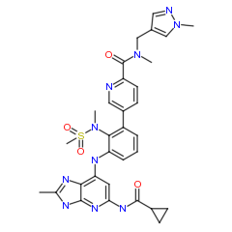 d | PRT1009568 | 846.59 | >798.6 | 8293.5 | 8293.5 | CN(Cc1cnn(c1)C)C(=O)c1ccc(cn1)-c1cccc(c1N(C)S(=O)(=O)C)Nc1cc(nc2[nH]c(nc12)C)NC(=O)C1CC1
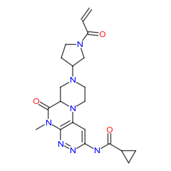 d | PRT1009561 | >798.6 | >798.6 | 8293.5 | 8293.5 | CN1C(=O)C2CN(CCN2c2cc(nnc21)NC(=O)C1CC1)C1CCN(C1)C(=O)C=C
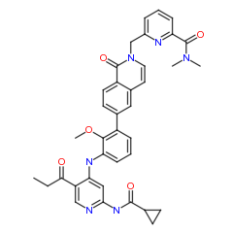 d | PRT1009560 | 13.64 | 15.902 | 2069.3 | 2195.6 | CCC(=O)c1cnc(cc1Nc1cccc(c1OC)-c1ccc2c(c1)C=CN(Cc1cccc(n1)C(=O)N(C)C)C2=O)NC(=O)C1CC1
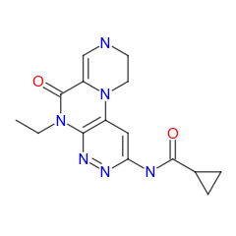 d | PRT1009559 | >798.6 | >798.6 | 8293.5 | 8293.5 | CCN1C(=O)C2=CNCCN2c2cc(nnc21)NC(=O)C1CC1
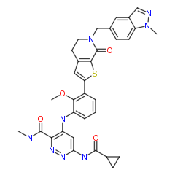 d | PRT1009558 | >798.6 | >798.6 | 8293.5 | 8293.5 | CNC(=O)c1nnc(cc1Nc1cccc(c1OC)-c1cc2c(s1)C(=O)N(CC2)Cc1ccc2n(ncc2c1)C)NC(=O)C1CC1
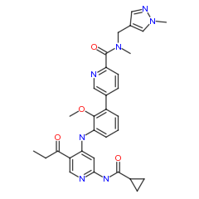 d | PRT1009557 | 4.028 | 7.3042 | 2892 | 832.22 | CCC(=O)c1cnc(cc1Nc1cccc(c1OC)-c1ccc(nc1)C(=O)N(C)Cc1cnn(c1)C)NC(=O)C1CC1
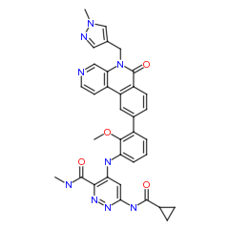 d | PRT1009556 | 469.15 | >798.6 | 8293.5 | 8293.5 | CNC(=O)c1nnc(cc1Nc1cccc(c1OC)-c1ccc2c(c1)-c1ccncc1N(Cc1cnn(c1)C)C2=O)NC(=O)C1CC1
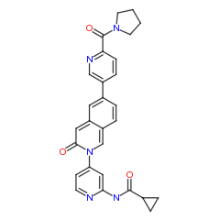 d | PRT1009555 | >798.6 | >798.6 | 8293.5 | 8293.5 | O=C(Nc1cc(ccn1)N1C=C2C=CC(=CC2=CC1=O)c1ccc(nc1)C(=O)N1CCCC1)C1CC1
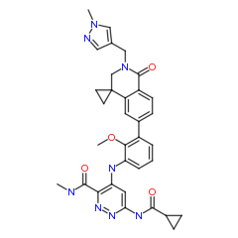 d | PRT1009554 | 124.75 | 268.56 | 8293.5 | 3487.5 | CNC(=O)c1nnc(cc1Nc1cccc(c1OC)-c1ccc2c(c1)C1(CC1)CN(Cc1cnn(c1)C)C2=O)NC(=O)C1CC1
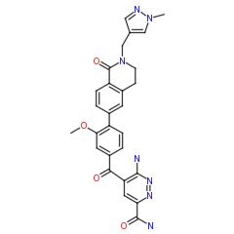 d | PRT1009551 | >798.6 | >798.6 | 1922.2 | 6277.9 | COc1cc(ccc1-c1ccc2c(c1)CCN(Cc1cnn(c1)C)C2=O)C(=O)c1cc(nnc1N)C(=O)N
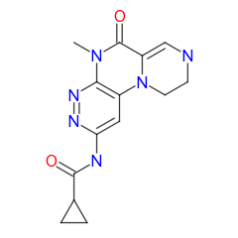 d | PRT1009522 | >798.6 | >798.6 | 8293.5 | 8293.5 | CN1C(=O)C2=CNCCN2c2cc(nnc21)NC(=O)C1CC1
 d | PRT1009521 | >798.6 | >798.6 | 8293.5 | 8293.5 | CN1C(=O)C2CNCCN2c2cc(nnc21)NC(=O)C1CC1
 d | PRT1009520 | >798.6 | >798.6 | 8293.5 | 8293.5 | CN1C(=O)C2CN(CCN2c2cc(nnc21)NC(=O)C1CC1)C1CCNC1
 d | PRT1009519 | >798.6 | >798.6 | 8293.5 | 8293.5 | CN1C(=O)C2CN(CCN2c2cc(nnc21)NC(=O)C1CC1)C(=O)C
 d | PRT1009518 | >798.6 | >798.6 | 8293.5 | 8293.5 | CCN1C(=O)C2CNCCN2c2cc(nnc21)NC(=O)C1CC1
 d | PRT1009517 | >798.6 | >798.6 | 8293.5 | 8293.5 | CNC(=O)c1nnc(cc1Nc1cccc(c1S(=O)(=O)C)C(=O)Nc1ccc(cc1)C(=O)N1CCCC1)NC(=O)C1CC1
 d | PRT1009516 | 28.723 | 61.733 | 8293.5 | 8293.5 | CNC(=O)c1nnc(cc1Nc1cccc(c1OC)-c1cc2c(s1)C(=O)N(CC2)Cc1cccc2n(ncc12)C)NC(=O)C1CC1
 d | PRT1009515 | 6.0253 | 6.7779 | 2968.7 | 962.23 | CNC(=O)c1nnc(cc1Nc1cccc(c1OC)-c1cc2c(s1)C(=O)N(CC2)Cc1cccc(n1)C(=O)N(C)C)NC(=O)C1CC1
 d | PRT1009489 | >798.6 | >798.6 |  |  | CC12CNCCN1c1cc(nnc1NC2=O)NC(=O)C1CC1
 d | PRT1009461 | 47.587 | 72.924 |  |  | CNC(=O)c1nnc(cc1Nc1cccc(c1OC)-c1ccc2c(c1)CC1(CC1)N(Cc1cnn(c1)C)C2=O)NC(=O)C1CC1
 d | PRT1009459 | >798.6 | >798.6 |  |  | CNC(=O)c1nnc(cc1Nc1cccc(c1OC)Br)NC(=O)C1CC1
 d | PRT1009448 | >798.6 | >798.6 |  |  | CN(Cc1cnn(c1)C)C(=O)c1ccc(nc1)N1CCN2C(=C1)C(=O)N(C)c1nnc(cc12)NC(=O)C1CC1
 d | PRT1009447 | >798.6 | >798.6 |  |  | CN(Cc1cnn(c1)C)C(=O)c1ccc(cn1)N1CCN2C(=C1)C(=O)N(C)c1nnc(cc12)NC(=O)C1CC1
 d | PRT1009446 | 12.756 | 25.712 | 2079.3 | 1331.3 | CNC(=O)c1nnc(cc1Nc1cccc(c1OC)-c1ccc2c(c1)N(C)CCN(Cc1cnn(c1)C)C2=O)NC(=O)C1CC1
 d | PRT1009445 | 40.364 | 85.915 | 4459.9 | 4459.9 | CNC(=O)c1nnc(cc1Nc1cccc(c1OC)-c1ccc2c(c1)CCCN(Cc1cnn(c1)C)C2=O)NC(=O)C1CC1
 d | PRT1009444 | 2.3634 | 1.9091 | 3353.5 | 1304.1 | CCc1nn(c2cc(ncc12)NC(=O)C1CC1)-c1cccc(c1OC)-c1cnn(c1)C1CN(C1)Cc1cccc(n1)C(=O)N(C)C
 d | PRT1009443 | >798.6 | >798.6 |  |  | CN(Cc1cnn(c1)C)C(=O)c1ccc(cn1)-c1cccc2c1C=CC(=O)N2c1ccnc(c1)NC(=O)C1CC1
 d | PRT1009442 | >798.6 | >798.6 |  |  | CNC(=O)c1nnc(cc1Nc1cccc2cc(cnc12)C(=O)N(C)Cc1cnn(c1)C)NC(=O)C1CC1
 d | PRT1009441 | 106.17 | 146.77 |  |  | CNC(=O)c1nnc(cc1Nc1cccc(c1OC)-c1ccc2c(c1)CCCN(C)C2=O)NC(=O)C1CC1
 d | PRT1009412 | 203.77 |  |  |  | CNC(=O)c1nnc(cc1Nc1cccc(c1OC)-c1cnn(c1)CCNC(=O)C=C)NC(=O)C1CC1
 d | PRT1009411 | >798.6 |  |  |  | CNC(=O)c1cnc(cc1NC(=O)c1cccc(c1OC)NC(=O)Cc1ccccc1)NC(=O)C1CC1
 MolHeader | PRT1009406 | 2.3832 | 2.4406 | 4459.9 | 2389.5 | CNC(=O)c1nnc(cc1Nc1cccc(c1OC)-c1ccc(nc1)C(=O)N(C)Cc1cc(ccn1)NC(=O)C)NC(=O)C1CC1
 d | PRT1009405 | >798.6 |  |  |  | CNC(=O)c1cnc(cc1Nc1csc2c1C(=O)N(C)C=C2)Nc1ccc(cn1)F
 d | PRT1009404 | >798.6 |  |  |  | CNC(=O)c1cnc(cc1NC(=O)c1cccc(c1OC)N1C=Cc2ccccc2C1=O)NC(=O)C1CC1
 d | PRT1009403 | 115.5 |  |  |  | CNC(=O)c1nnc(cc1Nc1cccc(c1OC)C(=O)Nc1ccc(cc1)C(=O)N(C)CC1=CC=CC(=O)N1C)NC(=O)C1CC1
 d | PRT1009402 | 83.493 |  |  |  | CNC(=O)c1nnc(cc1Nc1cccc(c1OC)C(=O)Nc1ccc(cc1)C(=O)N(C)c1cnn(c1)C)NC(=O)C1CC1
 d | PRT1009401 | >798.6 | >798.6 |  |  | CNC(=O)c1cnc(cc1NC(=O)c1cnc(cc1OC)-c1ccc(cc1)C(=O)N1CCCC1)NC(=O)C1CC1
 d | PRT1009400 | >798.6 | >798.6 |  |  | CNC(=O)c1cnc(cc1NC(=O)c1ccc(cc1OC)-c1ccc(cc1)C(=O)N1CCCC1)NC(=O)C1CC1
 d | PRT1009399 | 47.143 | 87.773 |  |  | CNC(=O)c1nnc(cc1Nc1cccc(c1OC)C(=O)Nc1ccc(cc1)C(=O)N(C)c1nccs1)NC(=O)C1CC1
 d | PRT1009398 | 37.991 | 26.979 | 8887 | 3259.7 | CNC(=O)c1nnc(cc1Nc1cccc(c1OC)-c1ccc(c2cnccc12)C(=O)N(C)Cc1cnn(c1)C)NC(=O)C1CC1
 d | PRT1009397 | 21.174 | 39.383 | 8293.5 | 5350.1 | CNC(=O)c1nnc(cc1Nc1cccc(c1OC)-c1ccc(nc1)C(=O)N(C)[C@H](C)c1cnn(c1)C)NC(=O)C1CC1
 d | PRT1009379 | 1.8132 | 5.5446 | 1080 | 661.68 | CNC(=O)c1nnc(cc1Nc1cccc(c1OC)-c1ccc(nc1)C(=O)N(C)[C@@H](C)c1cnn(c1)C)NC(=O)C1CC1 |r|
 d | PRT1009378 | 2.5729 | 6.0533 | 4459.9 | 4459.9 | CNC(=O)c1nnc(cc1Nc1cccc(c1C(=O)N)-c1ccc(nc1)C(=O)N(C)Cc1cnn(c1)C)NC(=O)C1CC1
 MolHeader | PRT1009377 | 8.6114 | 36.557 |  | 3659.3 | CNC(=O)c1nnc(cc1Nc1cccc(c1OC)C(=O)Nc1ccc(cc1)C(=O)N(C)Cc1cnn(c1)C)NC(=O)C1CC1
 MolHeader | PRT1009376 | 32.259 | 74.599 |  |  | CNC(=O)c1nnc(cc1Nc1cccc(c1OC)-c1cnn(c1)CCCNC(=O)C=C)NC(=O)C1CC1
 d | PRT1009375 | 16.5 | 28.791 | 4459.9 | 1915.1 | CNC(=O)c1nnc(cc1Nc1cccc(c1OC)C(=O)Nc1ccc(cc1)NC(=O)C=C)NC(=O)C1CC1
 d | PRT1009374 | 37.327 | 136.27 |  |  | CNC(=O)c1nnc(cc1Nc1cccc2c1N=CN(C2=O)c1ccc(cc1)Cc1cnn(c1)C)NC(=O)C1CC1
 d | PRT1009373 | 173.18 | 338.4 | 4459.9 | 3455.1 | CC(C)CCN1c2nc(ncc2N(C)C(=O)C1(C)C)Nc1cc(c(c(c1)F)O)F
 d | PRT1009372 | 0.7607 | 2.9748 | 2671 | 2829.1 | CNC(=O)c1nnc(cc1Nc1cccc(c1OC)-c1cnc(c(c1)NC(=O)C)C(=O)N(C)Cc1cnn(c1)C)NC(=O)C1CC1
 MolHeader | PRT1009371 | 4.5387 | 4.1459 | 2552.7 | 638.36 | CCNc1cc(c(cc1C(=O)N(C)Cc1cnn(c1)C)F)-c1cccc(c1OC)Nc1cc(nnc1C(=O)NC)NC(=O)C1CC1
 d | PRT1009370 | 82.184 | 206.6 |  |  | CNC(=O)c1nnc(cc1Nc1cccc(c1OC)C(=O)Nc1ccc(cc1)C(=O)c1ccccc1)NC(=O)C1CC1
 d | PRT1009369 | 0.5199 | 1.2915 |  | 906.71 | CNC(=O)c1nnc(cc1Nc1cccc(c1OC)-c1ccc(nc1)C(=O)N(C)Cc1cc(ccn1)-c1ccnnc1)NC(=O)C1CC1
 MolHeader | PRT1009364 | 1.2376 | 1.0458 | 1078.9 | 505.11 | CNC(=O)c1nnc(cc1Nc1cccc(c1OC)-c1cc(c(cc1F)C(=O)N(C)Cc1cnn(c1)C)NC)NC(=O)C1CC1
 MolHeader | PRT1009360 | >798.6 | >798.6 |  |  | CNC(=O)c1cnc(cc1NC(=O)c1cccc(c1OC)C(=O)NCc1ccccc1)NC(=O)C1CC1
 d | PRT1009359 | 64.702 | 116.44 |  |  | CNC(=O)c1nnc(cc1Nc1cccc(c1C#N)-c1ccc(nc1)C(=O)N(C)Cc1cnn(c1)C)NC(=O)C1CC1
 d | PRT1009358 | 12.165 | 34.796 |  |  | CNC(=O)c1nnc(cc1Nc1cccc(c1OC)C(=O)Nc1ccc(cc1)Cc1ccncc1)NC(=O)C1CC1
 d | PRT1009356 | 41.869 | 110.5 |  |  | CNC(=O)c1nnc(cc1Nc1cccc(c1OC)C(=O)Nc1ccc(cc1)C(=O)c1ccc(cc1)N)NC(=O)C1CC1
 d | PRT1009355 | 96.78 | 386.38 |  |  | CNC(=O)c1nnc(cc1Nc1cccc(c1OC)-c1ccc2c(c1)OCC=CCN(Cc1ccccn1)C2=O)NC(=O)C1CC1
 d | PRT1009354 | 55.506 | 135.71 |  |  | CNC(=O)c1nnc(cc1Nc1cccc(c1OC)-c1ccc(nc1)CCNC(=O)C=C)NC(=O)C1CC1
 d | PRT1009353 | 40.138 | 124.94 |  |  | CNC(=O)c1nnc(cc1Nc1cccc(c1OC)-c1ccc(nc1)C(=O)N1CCc2cn(nc2C1)C)NC(=O)C1CC1
 d | PRT1009352 | 80.403 | 260.56 |  |  | CNC(=O)c1nnc(cc1Nc1cccc(c1OC)C(=O)Nc1ccc(cc1)Oc1ccncc1)NC(=O)C1CC1
 d | PRT1009343 | >798.6 | >798.6 |  |  | CNc1cc(nn2c(cnc12)C(=O)N)NC1=CC(=O)N(C)C=C1
 d | PRT1009342 | >798.6 | >798.6 |  |  | CNc1cc(nn2c(cnc12)C(=O)N)Nc1cc(cc(c1)C)C
 d | PRT1009341 | >798.6 | >798.6 |  |  | CNC(=O)c1cnc2c(cc(nn12)Nc1cc(cc(c1)C)C)NC
 d | PRT1009329 | 2.8176 | 3.8759 | 8293.5 | 3387.1 | CNC(=O)c1nnc(cc1Nc1cccc(c1OC)-c1cc(c(cn1)C(=O)N(C)Cc1cnn(c1)C)OC)NC(=O)C1CC1
 d | PRT1009328 | >798.6 | >798.6 |  |  | CNC(=O)c1cnc(cc1Nc1cccc2c1C(=O)N(C)C=C2)NC(=O)C1CC1
 d | PRT1009327 | 1.9936 | 3.5946 | 5125.3 | 874.59 | CNC(=O)c1nnc(cc1Nc1cccc(c1OC)-c1cc(c(cn1)C(=O)N(C)Cc1cnn(c1)C)C)NC(=O)C1CC1
 d | PRT1009326 | >798.6 | >798.6 |  |  | CNC(=O)c1cnc2c(cc(nn12)NC1=CC=CN(C1=O)c1ccccn1)NC
 d | PRT1009325 | 11.533 | 17.428 |  | 8293.5 | CNC(=O)c1nnc(cc1Nc1cccc(c1OC)-c1ccc(nc1)C(=O)N1CCc2ncsc2C1)NC(=O)C1CC1
 d | PRT1009324 | 14.387 | 29.661 |  | 2809.4 | CNC(=O)c1nnc(cc1Nc1cccc(c1OC)-c1ccc(nc1)C(=O)N1CCc2ccncc2C1)NC(=O)C1CC1
 d | PRT1009323 | 31.247 | 94.513 |  |  | CNC(=O)c1nnc(cc1Nc1cccc(c1OC)-c1ccc(nc1)C(=O)N1CCc2nc[nH]c2C1)NC(=O)C1CC1
 d | PRT1009322 | 8.5004 | 12.688 | 4459.9 | 3375.3 | CNC(=O)c1nnc(cc1Nc1cccc(c1OC)-c1ccc(nc1)C(=O)N1CCc2ncccc2C1)NC(=O)C1CC1
 d | PRT1009321 | 10.646 | 16.233 | 8293.5 | 3009.7 | CCNC(=O)c1nnc(cc1Nc1cccc(c1OC)-c1ccc(nc1)C(=O)N(C)Cc1cnn(c1)C)NC(=O)C1CC1
 d | PRT1009320 | 75.386 | 184.62 |  |  | CNC(=O)c1nnc(cc1Nc1cccc(c1OC)-c1ccc(nc1)C(=O)N1CCc2cnccc2C1)NC(=O)C1CC1
 d | PRT1009319 | 17.862 | 57.033 |  | 8293.5 | CNC(=O)c1nnc(cc1Nc1cccc(c1OC)-c1ccc(nc1)C(=O)N1CCc2cn[nH]c2C1)NC(=O)C1CC1
 d | PRT1009316 | 1.986 | 2.3808 | 3102.8 | 944.66 | CNC(=O)c1nnc(cc1Nc1cccc(c1OC)-c1cc(c(cc1F)C(=O)N(C)Cc1cnn(c1)C)OC)NC(=O)C1CC1
 d | PRT1009315 | >798.6 | >798.6 |  |  | CC(C)n1cc(cn1)-c1nc(ncc1C)Nc1ccc(c(c1)F)N1CCC(CC1)N(C)CCO
 d | PRT1009314 | 2.7797 | 5.7821 | 2542.2 | 1510.1 | CCOc1cc(c(cc1C(=O)N(C)Cc1cnn(c1)C)F)-c1cccc(c1OC)Nc1cc(nnc1C(=O)NC)NC(=O)C1CC1
 MolHeader | PRT1009313 | 4.1312 | 4.5828 | 1117.7 | 4459.9 | CNC(=O)c1ccc(cc1)Nc1nc(n(n1)C(=O)Nc1ccc(cc1)-c1ccc(c(c1)C(=O)O)OCc1ccccc1)N
 d | PRT1009312 | 42.703 | 79.599 | 8293.5 | 4858 | CNC(=O)c1nnc(cc1Nc1cccc(c1OC)-c1ccc2c(c1)OCC=CCCN(Cc1ccccn1)C2=O)NC(=O)C1CC1
 d | PRT1009311 | 0.2538 | 0.2987 | 339.26 | 121.95 | COc1c(cccc1-c1ccc(nc1)C(=O)N(C)Cc1cnn(c1)C)Nc1cc(nnc1C(=O)N)NC(=O)C1CC1
 d | PRT1009310 | 19.791 | 37.801 | 4459.9 | 4459.9 | CCC1=Nc2cc(cc(c2C(=O)N1Cc1cnn(c1)C)F)-c1cccc(c1OC)Nc1cc(nnc1C(=O)NC)NC(=O)C1CC1
 d | PRT1009309 | >798.6 | >798.6 |  |  | CNC(=O)c1cnc(cc1NC(=O)c1cccc(c1OC)-c1ccccc1)NC(=O)C1CC1
 d | PRT1009308 | 108.72 | 209.81 |  |  | CNC(=O)c1nnc(cc1Nc1cccc(c1OC)-c1ccc(nc1)CNC(=O)C=C)NC(=O)C1CC1
 d | PRT1009307 | 4.2549 | 7.9198 |  | 3211.6 | CNC(=O)c1nnc(cc1Nc1cccc(c1OC)-c1ccc(nc1)C(=O)N1CCc2ncn(c2C1)C)NC(=O)C1CC1
 d | PRT1009306 | 95.731 | 244.84 |  |  | CNC(=O)c1nnc(cc1Nc1cccc(c1OC)C(=O)Nc1cccc(c1)NC(=O)C=C)NC(=O)C1CC1
 d | PRT1009305 | 13.69 | 18.643 | 8293.5 | 2600.1 | CNC(=O)c1nnc(cc1Nc1cccc(c1OC)-c1ccc(nc1)C(=O)N(C)C1(CC1)c1cnn(c1)C)NC(=O)C1CC1
 d | PRT1009304 | 1.0868 | 0.8643 | 722.89 | 66.45 | CNC(=O)c1nnc(cc1Nc1cccc(c1OC)-c1ccc(nc1)C(=O)N(C)Cc1cc(ccn1)-c1cncs1)NC(=O)C1CC1
 d | PRT1009303 | 0.3665 | 0.6034 | 263.09 | 174.04 | CNC(=O)c1nnc(cc1Nc1cccc(c1OC)-c1ccc(nc1)C(=O)N(C)Cc1cc(ccn1)-c1ccncc1)NC(=O)C1CC1
 d | PRT1009190 | 24.913 | 85.397 | 12385 |  | CNC(=O)c1nnc(cc1Nc1cccc(c1OC)-c1cc2c(s1)CCN(Cc1cnn(c1)C)C2=O)NC(=O)C1CC1
 d | PRT1009189 | >798.6 | >798.6 |  |  | CNC(=O)c1nnc(cc1Nc1cccc2c1C(=O)N(C)C=C2)NC(=O)C1CC1
 d | PRT1009188 | >798.6 | >798.6 |  |  | CNC(=O)c1cnc(cc1Nc1cccc2c1C(=O)N(C)C=C2)Nc1ccc(cn1)F
 d | PRT1009187 | >798.6 | >798.6 | 12385 |  | CNc1cc(nn2c(cnc12)C(=O)N)NC1=CC=CN(C1=O)c1ccccn1
 d | PRT1009186 | 420.52 | >798.6 |  |  | CNC(=O)c1nnc(cc1Nc1cccc(c1OC)-c1ccc2c(c1)CCN(Cc1cnn(c1)C)C2=O)Nc1ccc(cc1)NS(=O)(=O)C
 d | PRT1009185 | 104.51 | 71.361 |  |  | COc1c(cccc1-c1ccc(nc1)C(=O)N(C)Cc1cnn(c1)C)Nc1cc(nnc1C(=O)NC1CC1)NC(=O)C1CC1
 d | PRT1009184 | 44.002 | 66.973 |  |  | CNC(=O)c1nnc(cc1Nc1cccc(c1OC)-c1cnn(c1)C1CCN(CC1)C(=O)C=C)NC(=O)C1CC1
 d | PRT1009183 | >798.6 | >798.6 |  |  | CNC(=O)c1nnc(cc1Nc1cccc(c1OC)C(=O)NC1CCN(CC1)C(=O)C=C)NC(=O)C1CC1
 d | PRT1009182 | >798.6 | >798.6 |  |  | CNC(=O)c1nnc(cc1Nc1cccc(c1OC)C(=O)NC1CN(C1)C(=O)C=C)NC(=O)C1CC1
 d | PRT1009181 | 0.8194 | 2.369 | 1109.8 | 526.83 | CNC(=O)c1nnc(cc1Nc1cccc(c1OC)-c1cnc(cn1)C(=O)N(C)Cc1cnn(c1)C)NC(=O)C1CC1
 d | PRT1009180 | 2.2613 | 5.1022 | 1559.2 | 911.21 | CNC(=O)c1nnc(cc1Nc1cccc(c1OC)-c1cc(c(c(c1)C)C(=O)N(C)Cc1cnn(c1)C)C)NC(=O)C1CC1
 d | PRT1009179 | 1.1504 | 1.28 | 1579.8 | 831.22 | CNC(=O)c1nnc(cc1Nc1cccc(c1OC)-c1ccc(nn1)C(=O)N(C)Cc1cnn(c1)C)NC(=O)C1CC1
 d | PRT1009168 | 418.08 | 516.02 |  |  | CNC(=O)c1nnc(cc1Nc1cccc(c1OC)-c1ccc2c(c1)CCN(Cc1cnn(c1)C)C2=O)Nc1cccc(c1)NS(=O)(=O)C
 d | PRT1009167 | >798.6 | >798.6 |  |  | CNC(=O)c1nnc(cc1C1=CC(=O)N(C)C=C1)NC(=O)C1CC1
 d | PRT1009166 | >798.6 | >798.6 |  |  | CNC(=O)c1nnc(cc1NC(=O)C1CC1)C1=CC(=O)N(C)C=C1
 d | PRT1009158 | 184.37 | 324.72 |  |  | CNC(=O)c1nnc(cc1Nc1cccc(c1OC)-c1ccc2c(c1)CCN(Cc1cnn(c1)C)C2=O)Nc1ccc(cc1)S(=O)(=O)C
 d | PRT1009157 | 279.58 | 409.58 |  |  | CNC(=O)c1nnc(cc1Nc1cccc(c1OC)-c1ccc2c(c1)CN(C)C(=O)N2CCc1cnn(c1)C)NC(=O)C1CC1
 d | PRT1009156 | 341.71 | 619.12 |  |  | CNC(=O)c1nnc(cc1Nc1cccc(c1OC)-c1ccc2c(c1)N(C)CC(=O)N2CCc1cnn(c1)C)NC(=O)C1CC1
 d | PRT1009155 | >798.6 | >798.6 |  |  | CNC(=O)c1nnc(cc1-c1cccnc1)NC(=O)C1CC1
 d | PRT1009154 | >798.6 | >798.6 |  |  | CNC(=O)c1nnc(cc1-c1cnn(c1)C(C)C)NC(=O)C1CC1
 d | PRT1009150 | 43.736 | 78.106 |  |  | CNC(=O)c1nnc(cc1Nc1cccc(c1OC)-c1cc2c(c(c1)Oc1cnc3[nH]ccc3c1)C(=O)N(CC2)Cc1cnn(c1)C)NC(=O)C1CC1
 d | PRT1009149 | 2.9155 | 3.4068 |  |  | CNC(=O)c1nnc(cc1Nc1cccc(c1OC)-c1cnn(c1)C1CN(C1)Cc1cccc(n1)C(=O)N(C)C)NC(=O)CNC(=O)CCCCCC(=O)N[C@H](C(=O)N1C[C@H](O)C[C@H]1C(=O)NCc1ccc(cc1)-c1scnc1C)C(C)(C)C |r|
 d | PRT1009148 | 55.292 | 83.265 |  |  | CNC(=O)c1nnc(cc1Nc1cccc(c1OC)N1CCN(CC1)C(=O)CCc1ccccn1)NC(=O)C1CC1
 d | PRT1009147 | 445.6 | 635.48 |  |  | CNC(=O)c1nnc(cc1Nc1cccc(c1OC)-n1cc2c(n1)CN(C2)C(=O)N(C)Cc1cnn(c1)C)NC(=O)C1CC1
 d | PRT1009124 | >798.6 | >798.6 |  |  | CNC(=O)c1nnc(cc1NC(=O)C1CC1)-c1cccnc1
 d | PRT1009121 | 137.7 | 279.54 |  |  | CNC(=O)c1nnc(cc1Nc1cccc(c1OC)-c1ccc2n(c(cc2c1)Cc1cccnc1)C)NC(=O)C1CC1
 d | PRT1009120 | >798.6 | >798.6 |  |  | CNC(=O)c1nnc(cc1NC(=O)C1CC1)-c1cnn(c1)C(C)C
 d | PRT1009119 | >798.6 | >798.6 |  |  | CNC(=O)c1cnc(cc1Nc1cccc2cccnc12)NC(=O)C1CC1
 d | PRT1009118 | >798.6 | >798.6 |  |  | CNC(=O)c1nnc(cc1Nc1cccc(c1OC)-c1ccc2c(c1)N(C)CCN2C(=O)Cc1cnn(c1)C)NC(=O)C1CC1
 d | PRT1009117 | 237.43 | 159.78 |  |  | CNC(=O)c1nnc(cc1Nc1cccc(c1OC)-c1ccc2c(c1)N(C)CCN2C(=O)Cc1cccnc1)NC(=O)C1CC1
 d | PRT1009116 | 46.773 | 186.94 |  |  | CNC(=O)c1nnc(cc1NC1=CN=CN(C1=O)c1cnn(c1)C1CN(C1)Cc1cccc(n1)C#N)NC(=O)C1CC1
 d | PRT1009115 | 377.96 | 387.16 |  |  | CNC(=O)c1nnc(cc1Nc1cccc(c1OC)-c1cc2c(c(c1)Oc1ccncc1)C(=O)N(CC2)Cc1cnn(c1)C)NC(=O)C1CC1
 d | PRT1009114 | 0.5532 | 1.6605 | 2378.5 | 764.14 | CCS(=O)(=O)c1ccnc(c1)CN1CCc2cc(ccc2C1=O)-c1cccc(c1OC)Nc1cc(nnc1C(=O)NC)NC(=O)C1CC1
 d | PRT1009110 | >79860 | >79860 | 6906 | 8293.5 | Fc1ccc(cc1NC(=O)OCc1ccc2c(c1)C(=O)N(C2)C1CCC(=O)NC1=O)OC(F)(F)F
 d | PRT1009109 | 3.1305 | 4.8 | 553.6 | 668.07 | CNC(=O)c1nnc(cc1Nc1cccc(c1OC)-c1cc(c(cc1F)C(=O)N(C)Cc1cnn(c1)C)C)NC(=O)C1CC1
 d | PRT1009106 | 22.782 | 33.416 | 12385 |  | CNC(=O)c1nnc(cc1Nc1cccc(c1OC)-c1cc2c(s1)C(=O)N(CC2)Cc1cnn(c1)C)NC(=O)C1CC1
 d | PRT1009085 | >798.6 | >798.6 |  |  | CNC(=O)c1nnc(cc1Nc1cccc-2c1N(C)Cc1cn(nc12)C)NC(=O)C1CC1
 d | PRT1009084 | 401.13 | 650.81 |  |  | CNC(=O)c1nnc(cc1Nc1cccc-2c1N(C)Cc1cn(nc12)C)Nc1ccc(cn1)F
 d | PRT1009083 | 20.289 | 38.779 | 8293.5 | 2792.2 | CNC(=O)c1nnc(cc1Nc1cccc(c1OC)-c1cc(c2c(c1)N=CN(Cc1cnn(c1)C)C2=O)N)NC(=O)C1CC1
 d | PRT1009082 | >798.6 | >798.6 |  |  | CNC(=O)c1nnc(cc1Nc1cccc(c1OC)-c1cc(c2c(c1)N=CN(Cc1cnn(c1)C)C2=O)NC(C)(C)C)NC(=O)C1CC1
 d | PRT1009080 | 62.234 | 80.817 |  |  | CNC(=O)c1nnc(cc1Nc1cccc(c1OC)-c1ccc2c(c1)C(=O)N(C)C(=O)N2CCc1cnn(c1)C)NC(=O)C1CC1
 d | PRT1009079 | 144.89 | 276.49 |  |  | CNC(=O)c1nnc(cc1Nc1cccc(c1OC)-c1ccc2c(c1)C(=O)N(Cc1cnn(c1)C)C2)NC(=O)C1CC1
 d | PRT1009078 | 1.7138 | 1.4875 | 739.51 | 454.77 | CNC(=O)c1nnc(cc1Nc1cccc(c1OC)-c1ccc2c(c1)CCN(Cc1cccc(n1)C(=O)N)C2=O)NC(=O)C1CC1
 d | PRT1009077 | 0.9496 | 1.2325 | 1075.3 | 1138.9 | CNC(=O)c1nnc(cc1Nc1cccc(c1OC)-c1ccc2c(c1)CCN(Cc1cccc(n1)C(=O)N1CCCC1)C2=O)NC(=O)C1CC1
 d | PRT1009076 | 1.3301 | 2.5272 | 12385 |  | CNC(=O)c1nnc(cc1Nc1cccc(c1OC)-c1ccc2c(c1)CCN(Cc1cc(ccn1)C(=O)N)C2=O)NC(=O)C1CC1
 d | PRT1009075 | 5.0299 | 4.6465 | 1765.2 | 1311 | CNC(=O)c1nnc(cc1Nc1cccc(c1OC)-c1ccc2c(c1)CCN(Cc1cc(ccn1)C#N)C2=O)NC(=O)C1CC1
 d | PRT1009074 | 5.021 | 9.7705 | 1113.9 | 4459.9 | CNC(=O)c1nnc(cc1Nc1cccc(c1OC)-c1ccc2c(c1)CCN(Cc1cccc(n1)C(=O)N(C)C)C2=O)NC(=O)C1CC1
 d | PRT1009073 | 21.673 | 45.987 | 8293.5 | 8293.5 | CNC(=O)c1nnc(cc1Nc1cccc(n1)-c1cnn(c1)C1CN(C1)Cc1cccc(n1)C#N)NC(=O)C1CC1
 d | PRT1009072 | 14.897 | 19.064 |  |  | CNC(=O)c1nnc(cc1Nc1cccc(c1OC)-c1cc(c2c(c1)N=CN(Cc1cnn(c1)C)C2=O)OC)NC(=O)C1CC1
 d | PRT1009071 | 138.08 | 144.79 |  |  | CNC(=O)c1nnc(cc1Nc1cccc(c1OC)-c1ccc2c(c(cnc2c1)C(=O)N1CCCC1)OC)NC(=O)C1CC1
 d | PRT1009021 | 6.9889 | 8.3066 | 12385 |  | CNC(=O)c1nnc(cc1Nc1cccc(c1OC)-c1cc(c2c(c1)N=CN(Cc1cnn(c1)C)C2=O)OCCO)NC(=O)C1CC1
 d | PRT1009020 | 6.8651 | 23.051 |  |  | CNC(=O)c1nnc(cc1Nc1cccc(c1OC)-c1ccc2c(c1)CCN(Cc1cnn(c1)C)C2=O)NC(=O)N(C)C
 d | PRT1009019 | 24.962 | 40.015 |  | 8293.5 | CNC(=O)c1nnc(cc1Nc1cccc(c1OC)N1CCC2(CCN(Cc3cc(ccn3)C#N)C2)CC1)NC(=O)C1CC1
 d | PRT1009018 | 11.456 | 16.387 | 12385 |  | CNC(=O)c1nnc(cc1Nc1cccc(c1OC)N1CCN(CC1)C(=O)N(C)Cc1cc(ccn1)C#N)NC(=O)C1CC1
 d | PRT1009017 | 3.0387 | 3.4775 |  | 8293.5 | CNC(=O)c1nnc(cc1Nc1cccc(c1OC)-c1ccc2c(c1)CCN(Cc1cnn(c1)C)C2=O)Nc1ccc(nn1)OC
 d | PRT1009016 | 3.666 | 7.2092 | 12385 |  | CNC(=O)c1nnc(cc1Nc1cccc(c1OC)-c1ccc2c(c1)CCN(Cc1cccc(n1)C#N)C2=O)NC(=O)C1CC1
 d | PRT1009015 | 31.919 | 45.924 |  |  | CNC(=O)c1nnc(cc1Nc1cccc(c1OC)-c1ccc2c(c1)CCN(Cc1cnn(c1)C)C2=O)NC(=O)OC
 d | PRT1009014 | 54.691 | 89.056 |  |  | CNC(=O)c1nnc(cc1Nc1cccc(c1OC)-c1ccc2n(c(nc2c1)Cc1cccnc1)C)NC(=O)C1CC1
 d | PRT1009013 | 81.771 | 233.56 |  |  | CNC(=O)c1nnc(cc1Nc1cccc(c1OC)-c1ccc2c(c1)C1(CCCC1)CN(Cc1cnn(c1)C)C2=O)NC(=O)C1CC1
 d | PRT1009012 | 174.26 | 127.25 |  |  | CNC(=O)c1nnc(cc1Nc1cccc(c1OC)-c1cc2c(c(c1)-n1ccc3ccccc13)C(=O)N(CC2)Cc1cnn(c1)C)NC(=O)C1CC1
 d | PRT1009011 | 72.977 | 79.009 |  |  | CNC(=O)c1nnc(cc1Nc1cccc(c1OC)-c1cc2c(c(c1)Oc1ccccc1)C(=O)N(CC2)Cc1cnn(c1)C)NC(=O)C1CC1
 d | PRT1009010 | 164.02 | 391.66 |  |  | CNC(=O)c1nnc(cc1Nc1cccc(c1OC)-c1ccc2c(c1)C1(CCCC1)CN(CC1COCCO1)C2=O)NC(=O)C1CC1
 d | PRT1009009 | 664.17 | >798.6 |  |  | CNC(=O)c1nnc(cc1Nc1cccc(c1OC)C(=O)NCc1cnn(c1)Cc1ccccc1)NC(=O)C1CC1
 d | PRT1009008 | 39.74 | 126.72 |  |  | CNC(=O)c1nnc(cc1Nc1cccc(c1OC)-c1cc2c(c(c1)OC1CCOCC1)C(=O)N(CC2)Cc1cnn(c1)C)NC(=O)C1CC1
 d | PRT1009007 | 51.523 | 21.02 |  |  | CNC(=O)c1nnc(cc1Nc1cccc(c1OC)-c1ccc2c(c1)CCN(CC1COCCO1)C2=O)NC(=O)C1CC1
 d | PRT1009006 | 5.3746 | 6.7646 | 12385 |  | CNC(=O)c1nnc(cc1Nc1cccc(c1OC)-c1ccc2c(c1)CCN(Cc1cnn(c1)C)C2=O)Nc1ccn(n1)C
 d | PRT1008975 | 2.2527 | 2.7631 | 12385 |  | CNC(=O)c1nnc(cc1Nc1cccc(c1OC)-c1ccc2c(c1)CCN(Cc1cncs1)C2=O)NC(=O)C1CC1
 d | PRT1008964 | 2.1936 | 3.1898 | 851.44 | 850.32 | CNC(=O)c1nnc(cc1Nc1cccc(c1OC)-c1ccc2c(c1)CCN(CC1=CC=CN(C)C1=O)C2=O)NC(=O)C1CC1
 d | PRT1008959 | 149.47 | 223.3 |  |  | CNC(=O)c1nnc(cc1Nc1cccc(c1OC)-c1cc2c(c(c1)OC1CCC1)C(=O)N(CC2)Cc1cnn(c1)C)NC(=O)C1CC1
 d | PRT1008958 | 233.91 | 328.55 |  |  | CCNc1cc(cc2c1C(=O)N(CC2)Cc1cnn(c1)C)-c1cccc(c1OC)Nc1cc(nnc1C(=O)NC)NC(=O)C1CC1
 d | PRT1008957 | 143.36 | 132.84 |  |  | CNC(=O)c1nnc(cc1Nc1cccc(c1OC)-c1ccc2n(ncc2c1)CCc1cnn(c1)C)NC(=O)C1CC1
 d | PRT1008956 | 182.61 | 345.91 |  |  | CNC(=O)c1nnc(cc1Nc1cccc(c1OC)-c1ccc2nn(cc2c1)CCc1cnn(c1)C)NC(=O)C1CC1
 d | PRT1008955 | 306.83 | 236.32 |  |  | CNC(=O)c1nnc(cc1Nc1cccc(c1OC)-c1cc2c(c(c1)OC1CCCC1)C(=O)N(CC2)Cc1cnn(c1)C)NC(=O)C1CC1
 d | PRT1008954 | 542.23 | 547.46 |  |  | CNC(=O)c1cnc(cc1NC(=O)c1cccc(c1OC)Cl)NC(=O)C1CC1
 d | PRT1008953 | 14.055 | 23.629 | 4459.9 | 2695 | CNC(=O)c1nnc(cc1Nc1cccc(c1OC)-c1ccc2c(c1)C=NN(Cc1cnn(c1)C)C2=O)NC(=O)C1CC1
 d | PRT1008952 | 2.129 | 1.7922 | 12385 |  | CNC(=O)c1nnc(cc1Nc1cccc(c1OC)-c1ccc2c(c1)CCN(Cc1cscn1)C2=O)NC(=O)C1CC1
 d | PRT1008949 | 9.4038 | 12.359 | 12385 |  | CNC(=O)c1nnc(cc1Nc1cccc(c1OC)-c1ccc2c(c1)CCN(Cc1nccs1)C2=O)NC(=O)C1CC1
 d | PRT1008948 | >798.6 | >798.6 |  |  | CNC(=O)c1nnc(cc1Nc1cccc(c1OC)-c1cc2c(c(c1)NCC1COCCO1)C(=O)N(CC2)Cc1cnn(c1)C)NC(=O)C1CC1
 d | PRT1008943 | 9.7848 | 19.352 | 3236.7 | 1758.9 | CNC(=O)c1cnc(cc1Nc1cccc(c1OC)-c1ccc2c(c1)CCN(Cc1cnn(c1)C)C2=O)NC(=O)C1CC1
 d | PRT1008942 | 2.1524 | 3.6572 | 12385 |  | CNC(=O)c1nnc(cc1Nc1cccc(c1OC)-c1ccc2c(c1)CCN(Cc1cnn(c1)C)C2=O)Nc1ccc2c(n1)OCCO2
 d | PRT1008941 | 7.8937 | 13.095 | 12385 |  | CNC(=O)c1nnc(cc1Nc1cccc(c1OC)-c1ccc2c(c1)CCN(Cc1cnn(c1)C)C2=O)Nc1ccccn1
 d | PRT1008940 | 4.4761 | 7.5976 |  |  | CNC(=O)c1nnc(cc1Nc1cccc(c1OC)-c1ccc2c(c1)CCN(Cc1cnn(c1)C)C2=O)Nc1cc(nc(n1)C)C
 d | PRT1008939 | 80.402 | 81.903 | 3675.4 | 8293.5 | CNC(=O)c1nnc(cc1Nc1cccc(c1OC)-c1ccc(c(c1)-n1ccc2ccccc12)C(=O)N(C)Cc1cc(ccn1)C#N)NC(=O)C1CC1
 d | PRT1008902 | 17.329 | 29.251 | 5569.8 | 8006 | CNC(=O)c1nnc(cc1Nc1cccc(c1OC)-c1ccc(c(c1)Oc1ccccc1)C(=O)N(C)Cc1cc(ccn1)C#N)NC(=O)C1CC1
 d | PRT1008900 | 342.35 | 647.85 |  |  | CNC(=O)c1nnc(cc1Nc1cccc(c1OC)-c1cc2c(c(c1)NCC1CCCO1)C(=O)N(CC2)Cc1cnn(c1)C)NC(=O)C1CC1
 d | PRT1008898 | 19.083 | 28.69 | 8293.5 | 8293.5 | CNC(=O)c1nnc(cc1Nc1cccc(c1OC)-c1ccc2c(c1)CCN(Cc1cnn(c1)C)C2)NC(=O)C1CC1
 d | PRT1008897 | 13.706 | 17.268 | 3901.9 | 1503 | CNC(=O)c1nnc(cc1Nc1cccc(c1OC)-c1ccc2c(c1)N=CN(Cc1cnn(c1)C)C2=O)NC(=O)C1CC1
 d | PRT1008890 | 174.49 | 131.43 |  |  | CNC(=O)c1nnc(cc1Nc1cccc(c1OC)-n1cc2c(n1)CN(C2)C(=O)Cc1cnn(c1)C)NC(=O)C1CC1
 d | PRT1008888 | 16.001 | 31.984 |  | 3226.8 | CNC(=O)c1nnc(cc1Nc1cccc(c1OC)-n1cc2c(n1)CN(Cc1cccc(n1)C(=O)N(C)C)C2)NC(=O)C1CC1
 d | PRT1008887 | 66.794 | 107.84 |  |  | COc1nc(ccc1-c1ccc(nc1)C(=O)N(C)Cc1cnn(c1)C)Nc1cc(ncc1-c1ccccn1)NC(=O)C
 d | PRT1008886 | 48.147 | 68.905 |  |  | CCOc1cc(cc2c1C(=O)N(CC2)Cc1cnn(c1)C)-c1cccc(c1OC)Nc1cc(nnc1C(=O)NC)NC(=O)C1CC1
 d | PRT1008885 | 28.58 | 63.358 |  |  | CNC(=O)c1nnc(cc1Nc1cccc(c1OC)-c1cc2c(c(c1)OC(C)C)C(=O)N(CC2)Cc1cnn(c1)C)NC(=O)C1CC1
 d | PRT1008884 | 10.785 | 16.808 |  | 3716.6 | CNC(=O)c1nnc(cc1Nc1cccc(c1OC)-c1ccc2c(c1)CCN(Cc1cnn(c1)C)C2=O)Nc1ccc(cn1)N1CCOCC1
 d | PRT1008877 | 5.3566 | 11.292 | 8293.5 | 2052 | CNC(=O)c1nnc(cc1Nc1cccc(c1OC)-c1ccc(nc1)C(=O)N(Cc1cnn(c1)C)c1ccccc1)NC(=O)C1CC1
 d | PRT1008825 | >798.6 | >798.6 |  |  | CNC(=O)c1nnc(cc1Nc1cccc(c1OC)-c1cc2c(s1)CN(Cc1ccc(cc1OC)OC)C2=O)NC(=O)C1CC1
 d | PRT1008822 | 8.335 | 15.931 | 8293.5 | 3665.2 | CNC(=O)c1nnc(cc1Nc1cccc(c1OC)-c1ccc(nc1)C(=O)N(CCOC)Cc1cnn(c1)C)NC(=O)C1CC1
 d | PRT1008814 | 62.302 | 173.78 |  |  | CNC(=O)c1nnc(cc1Nc1cccc(c1OC)-c1cc2c(s1)C=CN(Cc1cnn(c1)C)C2=O)NC(=O)C1CC1
 d | PRT1008813 | 0.8611 | 1.551 | 1985.3 | 205.2 | CNC(=O)c1nnc(cc1NC1=CC=CN(C1=O)c1cnn(c1)C1CN(C1)Cc1cccc(n1)C(=O)N(C)C)NC(=O)C1CC1
 d | PRT1008812 | 3.5029 | 6.29 | 12385 |  | CNC(=O)c1nnc(cc1Nc1cccc(c1OC)-c1ccc(nc1)C(=O)N(Cc1cnn(c1)C)Cc1cnn(c1)C)NC(=O)C1CC1
 d | PRT1008811 | 23.631 | 42.317 |  |  | CNC(=O)c1nnc(cc1Nc1cccc(c1OC)-c1ccc(nc1)C(=O)N(Cc1cnn(c1)C)C(C)C)NC(=O)C1CC1
 d | PRT1008810 | >798.6 | >798.6 |  |  | CNC(=O)c1nnc(cc1Nc1cccc-2c1N(C)Cc1ccc(nc12)C(F)(F)F)NC(=O)C1CC1
 d | PRT1008809 | 4.7741 | 10.673 | 8293.5 | 2269.4 | CNC(=O)c1nnc(cc1Nc1cccc(c1OC)-c1ccc(nc1)CN(C)Cc1cnn(c1)C)NC(=O)C1CC1
 d | PRT1008808 | 70.78 | 55.251 |  |  | CNC(=O)c1nnc(cc1Nc1cccc(c1OC)-c1cc2c(c(c1)OCC(F)(F)F)C(=O)N(CC2)Cc1cnn(c1)C)NC(=O)C1CC1
 d | PRT1008807 | 9.4065 | 14.934 |  |  | CNC(=O)c1nnc(cc1Nc1cccc(c1OC)-c1ccc(nc1)C(=O)N(CC1CCCO1)Cc1cnn(c1)C)NC(=O)C1CC1
 d | PRT1008806 | 79.672 | 55.833 |  |  | CNC(=O)c1nnc(cc1Nc1cccc(c1OC)-c1ccc(nc1)C(=O)N(Cc1cnn(c1)C)C1CCCC1)NC(=O)C1CC1
 d | PRT1008805 | 1.4786 | 2.4762 | 534.99 | 123.66 | CNC(=O)c1nnc(cc1Nc1cccc(c1OC)-c1ccc(cc1)C(=O)N(C)Cc1cnn(c1)C)NC(=O)C1CC1
 d | PRT1008803 | 58.577 | 67.745 |  |  | CNC(=O)c1nnc(cc1NC1=CC=CN(C1=O)c1ccc(nc1)C(=O)N(C)Cc1cnn(c1)C)NC(=O)C1CC1
 d | PRT1008802 | >798.6 | >798.6 | 9312.3 | 9312.3 | CNC(=O)c1nnc(cc1NC1=CC=CN(C1=O)c1cnn(c1)C1CN(CC2COCCO2)C1)NC(=O)C1CC1
 d | PRT1008801 | 72.62 | 50.973 |  |  | CNC(=O)c1nnc(cc1NC1=CC=CN(C1=O)c1ccc(nc1)C(=O)N(C)Cc1cc(ccn1)C#N)NC(=O)C1CC1
 d | PRT1008750 | 183.46 | 323.06 |  |  | CNC(=O)c1cnc(cc1Nc1cccc-2c1N(C)Cc1cccnc12)NC(=O)C1CC1
 d | PRT1008749 | 220.35 | 309.13 |  |  | CNC(=O)c1nnc(cc1Nc1cccc-2c1N(C)Cc1cccnc12)NC(=O)C1CC1
 d | PRT1008748 | 4.9115 | 9.2672 | 9312.3 | 9312.3 | CNC(=O)c1nnc(cc1Nc1cccc(c1OC)C(=O)Nc1ccc(cc1)NC[C@H]1COCCO1)NC(=O)C1CC1 |r|
 d | PRT1008695 | 1.8702 | 1.8073 | 3491.6 | 2701.1 | CNC(=O)c1nnc(cc1Nc1cccc(c1OC)-c1cnc(cc1C1CC1)C(=O)N(C)Cc1cc(ccn1)C#N)NC(=O)C1CC1
 d | PRT1008669 | 10.281 | 24.118 | 4459.9 | 4459.9 | CNC(=O)c1nnc(cc1Nc1cccc(c1OC)-c1cc2n(n1)CCN(Cc1cccc(n1)C(=O)N(C)C)C2)NC(=O)C1CC1
 d | PRT1008668 | 3.27 | 6.0235 | 12385 | 2183875 | CNC(=O)c1nnc(cc1Nc1cccc(c1OC)C(=O)Nc1ccc(cc1)C(=O)N1CCCC1)NC(=O)C1CC1
 d | PRT1008667 | 137.24 | 653.83 |  |  | CNC(=O)c1nnc(cc1Nc1cccc-2c1OCc1cnn(c12)C)NC(=O)C1CC1
 d | PRT1008666 | >798.6 | >798.6 |  |  | CNC(=O)c1nnc(cc1Nc1cccc-2c1OCc1cnn(c12)C)Nc1ccc(cn1)F
 d | PRT1008665 | >798.6 | >798.6 |  |  | CNC(=O)c1nnc(cc1Nc1cccc-2c1OCc1cn(nc12)C)NC(=O)C1CC1
 d | PRT1008664 | 461.27 | 633.64 |  |  | CNC(=O)c1nnc(cc1Nc1cccc-2c1OCc1cn(nc12)C)Nc1ccc(cn1)F
 d | PRT1008663 | 23.884 | 60.498 | 12385 |  | CNC(=O)c1nnc(cc1Nc1cccc(c1OC)-c1cnn(c1)C1CN(C1)C(=O)C=C)NC(=O)C1CC1
 d | PRT1008662 | 29.081 | 55.023 |  |  | CNC(=O)c1nnc(cc1Nc1cccc(c1OC)-c1cc2n(n1)CCN(Cc1ccccn1)C2)NC(=O)C1CC1
 d | PRT1008655 | 30.229 | 57.15 |  |  | CNC(=O)c1nnc(cc1Nc1cccc(c1OC)-c1ccc2nn(cc2c1)Cc1cccnc1)NC(=O)C1CC1
 d | PRT1008654 | 19.435 | 48.523 |  |  | CNC(=O)c1nnc(cc1Nc1cccc(c1OC)-c1ccc(nc1)C(=O)N(C)C[C@@H]1CCCO1)NC(=O)C1CC1 |r|
 d | PRT1008653 | 6.6675 | 14.53 |  |  | CNC(=O)c1nnc(cc1Nc1cccc(c1OC)-c1cc2n(n1)CCN(C2)C(=O)Cc1ccccn1)NC(=O)C1CC1
 d | PRT1008597 | 264.01 | 221.96 |  |  | CNC(=O)c1nnc(cc1Nc1cccc(c1OC)-c1ccc2n(ncc2c1)Cc1cccnc1)NC(=O)C1CC1
 d | PRT1008596 | 0.3749 | 0.5541 | 274.62 | 235.31 | CNC(=O)c1nnc(cc1Nc1ccc(c(c1OC)-c1ccc(nc1)C(=O)N(C)Cc1cc(ccn1)C#N)C)NC(=O)C1CC1
 d | PRT1008595 | 2.9576 | 5.4784 | 12385 | 9312.3 | CNC(=O)c1nnc(cc1Nc1cccc(c1OC)-c1cnn(c1)C1CN(CC2COCCO2)C1)NC(=O)C1CC1
 d | PRT1008594 | 4.7509 | 7.5341 | 1944 | 321.57 | CNC(=O)c1nnc(cc1Nc1cccc(c1OC)-c1ccc2c(c1)CCN(Cc1cnn(c1)C)C2=O)NC(=O)C1CC1
 d | PRT1008593 | 3.5386 | 8.3031 | 1069.4 | 499.69 | CNC(=O)c1nnc(cc1Nc1cccc(c1OC)-c1ccc2c(c1)C=CN(Cc1cnn(c1)C)C2=O)NC(=O)C1CC1
 d | PRT1008592 | 286.63 | 298.05 |  |  | CNC(=O)c1ccc(cc1)-c1cc2c3c(cnc2[nH]1)N(C)C(=O)N3C(C)C
 d | PRT1008519 | >798.6 | >798.6 |  |  | COCc1cc(nc(c1)C1(CCOC1)OC)-c1cn(c2cnc(cc12)NC(=O)C)C
 d | PRT1008499 | 2.9526 | 3.8841 | 8293.5 | 2537.1 | CNC(=O)c1nnc(cc1Nc1cccc(c1OC)-c1ccc(nc1)C(=O)NCc1cc(ccn1)C#N)NC(=O)C1CC1
 d | PRT1008498 | 44.3 | 84.139 |  |  | CNC(=O)c1nnc(cc1Nc1cccc(c1OC)C(=O)Nc1ccc(cc1)NCc1cnn(c1)C)NC(=O)C1CC1
 d | PRT1008497 | 0.3151 | 0.7907 | 2707.5 | 620.31 | CNC(=O)c1nnc(cc1Nc1cccc(c1OC)-c1cnn(c1)C1CN(C1)Cc1ccn(n1)C)NC(=O)C1CC1
 d | PRT1008491 | 0.2822 | 0.4121 | 1642.9 | 349.48 | CNC(=O)c1nnc(cc1Nc1cccc(c1OC)-c1ccc(nc1)C(=O)N(C)Cc1ccccc1)NC(=O)C1CC1
 d | PRT1008490 | 0.2829 | 0.3723 | 634.53 | 354.9 | CNC(=O)c1nnc(cc1Nc1cccc(c1OC)-c1ccc(nc1)C(=O)N(C)Cc1ccccn1)NC(=O)C1CC1
 d | PRT1008489 | >798.6 | >798.6 |  |  | CNC(=O)c1nnc(cc1Nc1cccc(c1OC)-c1cnn2c1CN(CC2)Cc1cnn(c1)C)NC(=O)C1CC1
 d | PRT1008488 | 0.2566 | 0.1974 | 338.24 | 211.32 | CNC(=O)c1nnc(cc1Nc1cccc(c1OC)-c1ccc(nc1)C(=O)N(C)Cc1cnn(c1)C)NC(=O)C1CC1
 d | PRT1008487 | 31.889 | 36.236 |  |  | CNC(=O)c1nnc(cc1Nc1cccc(c1OC)-c1ccc(nc1)C(=O)N(C)C)NC(=O)C1CC1
 d | PRT1008486 | 0.8432 | 1.5037 | 581.32 | 296.76 | CNC(=O)c1nnc(cc1Nc1cccc(c1OC)-c1ccc(nc1)C(=O)N(C)Cc1cccnc1)NC(=O)C1CC1
 d | PRT1008485 | 0.1858 | 0.203 | 401.65 | 192.69 | CNC(=O)c1nnc(cc1Nc1cccc(c1OC)-c1cnn(c1)C1CN(C1)Cc1cccc(n1)C(=O)N1CCCC1)NC(=O)C1CC1
 d | PRT1008482 | 19.256 | 27.933 |  |  | CNC(=O)c1nnc(cc1Nc1cccc(c1OC)-c1cnn(c1)C1CN(C1)C(=O)C)NC(=O)C1CC1
 d | PRT1008479 | 0.2744 | 0.5213 | 384.3 | 349.34 | CNC(=O)c1nnc(cc1Nc1cccc(c1OC)-c1ccc(nc1)C(=O)N(C)Cc1cc(ccn1)C#N)NC(=O)C1CC1
 d | PRT1008478 | 28.861 | 42.254 |  |  | CNC(=O)c1nnc(cc1Nc1cccc(c1OC)-c1ccc(nc1)C(=O)N1CCc2cccnc2C1)NC(=O)C1CC1
 d | PRT1008448 | >798.6 | >798.6 |  |  | CC(=O)Nc1cc(c(cn1)-c1ccccn1)Nc1cccc(n1)S(=O)(=O)C
 d | PRT1008447 | 0.2871 | 0.362 | 178.23 | 291.27 | CNC(=O)c1nnc(cc1Nc1cccc(c1OC)-c1cnn(c1)C1CN(C1)Cc1ccccn1)NC(=O)C1CC1
 d | PRT1008446 | 7.6205 | 13.722 |  |  | CNC(=O)c1nnc(cc1Nc1cccc(c1OC)-c1ccc(nc1)C(=O)N(C)CC1COCCO1)NC(=O)C1CC1
 d | PRT1008445 | 0.2302 | 0.2566 | 921.64 | 301.33 | CNC(=O)c1nnc(cc1Nc1cccc(c1OC)-c1cnn(c1)C1CN(C1)Cc1cccc(n1)C(=O)N(C)C)NC(=O)C1CC1
 d | PRT1008444 | 134.75 | 442.74 |  |  | CNC(=O)c1nnc(cc1Nc1cccc(c1OC)-c1cnn(c1)C1CNC1)NC(=O)C1CC1
 d | PRT1008312 | >798.6 | >798.6 | 8293.5 | 8293.5 | CNc1cc(nc2c(cnn12)C(=O)N[C@@H]1CC[C@H]1OC)NC1=CC=CN(C1=O)c1ccccn1
 | PRT1008245 | 139.99 | 140.81 | 8293.5 | 8293.5 | [2H]C([2H])([2H])NC(=O)c1nnc(cc1Nc1cccc(c1OC)-c1ncn(n1)C)NC(=O)C1CC1

