Summary Report
Summary Report
(Please include a summary of your key findings here)
Analysis of variables that contribute to the value of a single family home
Analysis HADS data from 2013 resulted in the creation of the following linear regression model:
LN(VALUE) = β₀ + β₁(CCITY) + β₂(REGNE) + β₃(REGMW) + β₄(REGS) + β₅(LN(LMED)) + β₆(LN(FMR)) + β₇(BEDRMS) + β₈(BUILT) + β₉(LN(ZINC2)) + β₁₀(LN(ZSMHC)) + β₁₁(LN(UTILITY)) + β₁₂(LN(COSTMED))
The following independent (X) variables were used in the regression model and all were statistically significant with p-value < 0.05:
-- CCITY: derived from the METRO varible; 1 = Central City, 0 = Other
-- REGNE: derived from the REGION variable; 1 = Northeast census region, 0 = Other
-- REGMW: derived from the REGION variable; 1 = Midwest census region, 0 = Other
-- REGS: derived from the REGION variable; 1 = South census region, 0 = Other
-- LMED: area median income
-- FMR: fair market monthly rent
-- BEDRMS: number of bedrooms
-- BUILT: year built
-- ZINC2: annual household income
-- ZSMHC: monthly housing costs, not including mortgage
-- UTILITY: monthly utilities costs
-- COSTMED: monthly mortgage payment, assuming median interest
The R square value for this regression model is 0.97, which is extremely high. This indicates that the regression model is a good fit to our sample data.
Running the regrssion model resulted in the following:
LN(VALUE) = 3.4692 - 0.0156 (CCITY) + 0.0117 (REGNE) - 0.0159 (REGMW) - 0.0176 (REGS) + 0.0387 (LN(LMED)) - 0.0499 (LN(FMR)) + 0.0138 (BEDRMS) + 0.0003 (BUILT) + 0.0087 (LN(ZINC2)) - 0.0248 (LN(ZSMHC)) - 0.2252 (LN(UTILITY)) + 1.2731 (LN(COSTMED))
Which can be interepreted as:
-- β₀: does not have a meaningful interpretation because it would not be practical for a home to have zero monthly expenses, and zero fair market rent
-- β₁: houses with a central city location tend to have a value that is 1.56% less than houses located outside the central city, all other variables remaining the same
-- β₂: houses located in the Northeast census region tend to have a value that is 1.17% more than houses located in the West census region, all other variables remaining the same
-- β₃: houses located in the Midwest census region tend to have a value that is 1.59% less than houses located in the West census region, all other variables remaining the same
-- β₃: houses located in the South census region tend to have a value that is 1.76% less than houses located in the West census region, all other variables remaining the same
-- β₄: for every 1% increase in area median income, house values tend to increase by 0.04%, all other variables remaining the same
-- β₅: for every 1% increase in fair market rent, house values tend to decrease by 0.05%, all other variables remaining the same
-- β₅: for every additional bedroom, house values tend to increase by 1.38%, all other variables remaining the same
-- β₆: for every 1 year added to the year built, house values tend to increase by 0.03%, all other variables remaining the same
-- β₇: for every 1% increase in annual household income, house values tend to increase by 0.01%, all other variables remaining the same
-- β₈: for every 1% increase in montly housing costs, house values tend to decrease by 0.02%, all other variables remaining the same
-- β₉: for every 1% increase in utilities costs, house values tend to decrease by 0.23%, all other variables remaining the same
-- β₁₀: for every 1% increase in monthly mortgage payments (assuming median interest), house values tend to increase by 1.27%, all other variables remaining the same

Data Descriptors
Data Descriptors
(Please report any descriptive statistics on the data that you calculate)

 | VALUE | LMED | FMR | BEDRMS | BUILT | ZINC2 | ZSMHC | UTILITY | COSTMED
Mean | 258,582 | 68,208 | 1,281 | 3 | 1968 | 88,996 | 1,360 | 251 | 1,850
Standard Error | 1,583 | 71 | 2 | 0 | 0 | 484 | 6 | 1 | 10
Median | 190,000 | 64,810 | 1,204 | 3 | 1970 | 67,535 | 1,098 | 227 | 1,408
Mode | 150,000 | 79,200 | 1,394 | 3 | 1950 | 99,974 | 532 | 192 | 795
Standard Deviation | 279,970 | 12,511 | 397 | 1 | 27 | 85,621 | 1,078 | 120 | 1,712
Sample Variance | 78,383,215,171 | 156,515,149 | 157,755 | 1 | 710 | 7,330,876,989 | 1,162,110 | 14,488 | 2,932,572
Kurtosis | 33.5790 | 1 | 1 | 1 | (1) | 12 | 8 | 4 | 31
Skewness | 4.8474 | 1 | 1 | 0 | (0) | 3 | 2 | 2 | 5
Range | 2,510,000 | 76,800 | 3,030 | 7 | 94 | 1,061,920 | 10,658 | 1,243 | 17,049
Minimum | 10,000 | 38,500 | 481 | 0 | 1919 | 1 | 9 | 6 | 106
Maximum | 2,520,000 | 115,300 | 3,511 | 7 | 2013 | 1,061,921 | 10,667 | 1,249 | 17,155
Sum | 8,092,310,000 | 2,134,583,829 | 40,075,246 | 101,988 | 61,577,607 | 2,785,135,933 | 42,551,732 | 7,870,340 | 57,891,349
Count | 31,295 | 31,295 | 31,295 | 31,295 | 31,295 | 31,295 | 31,295 | 31,295 | 31,295

Graphs and Charts
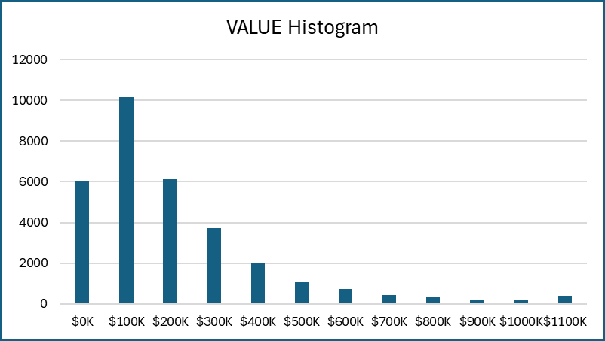
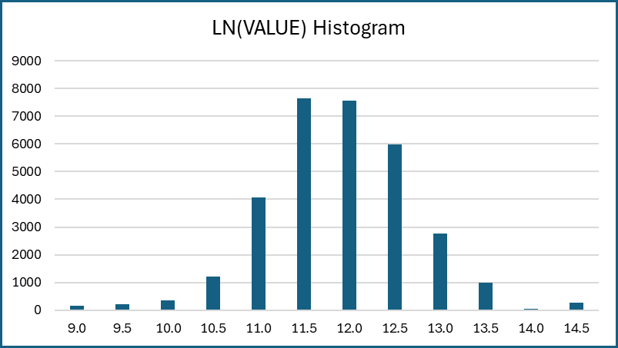
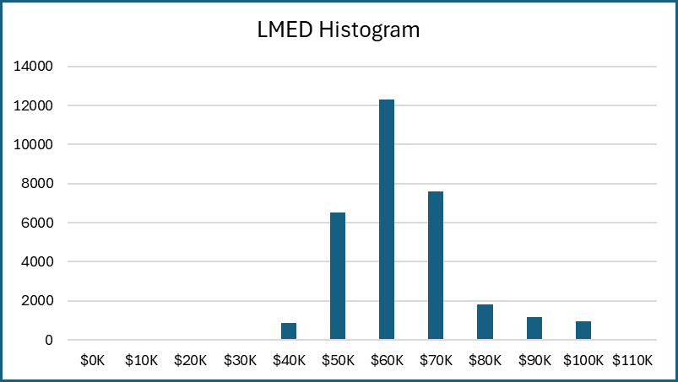
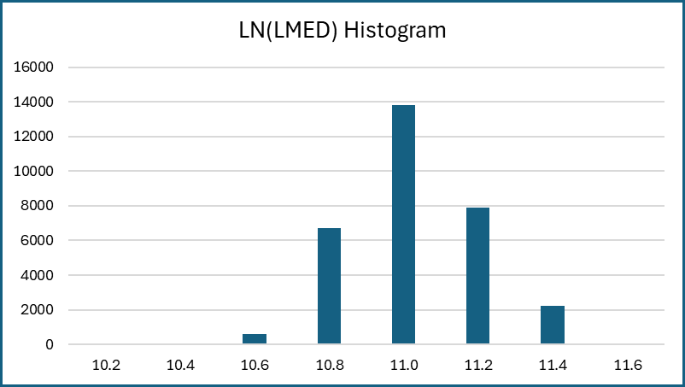
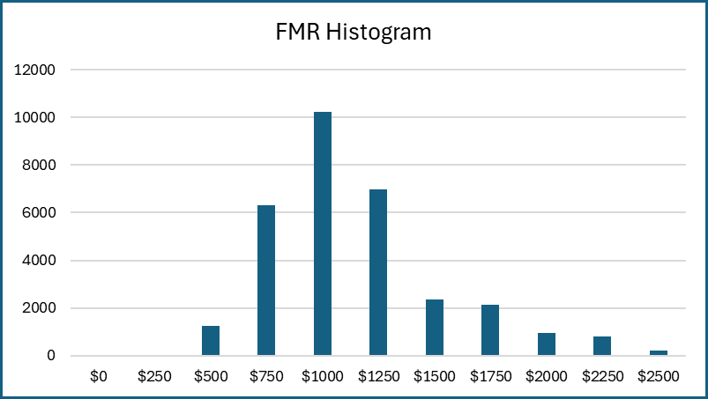
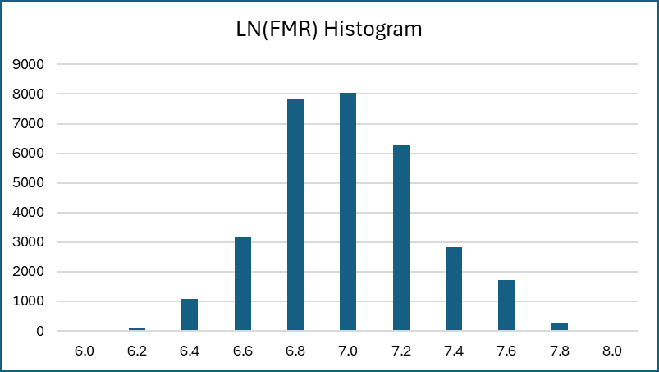
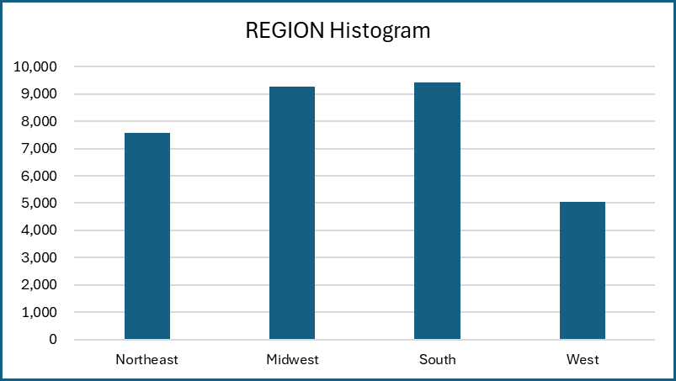
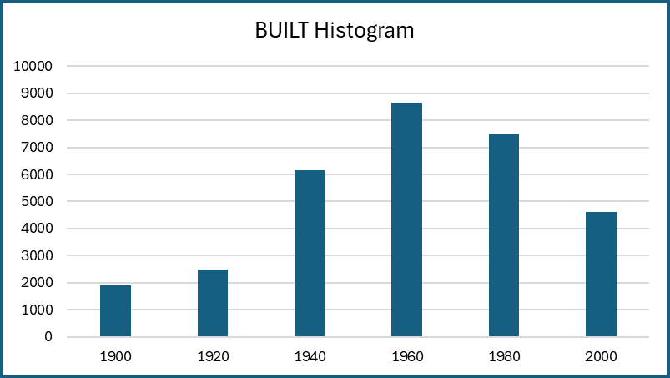
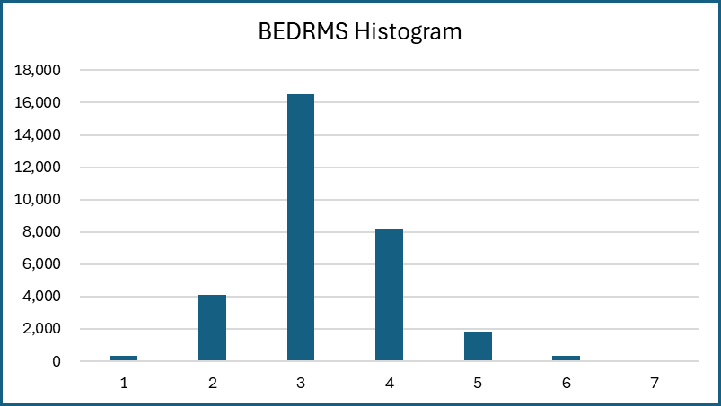
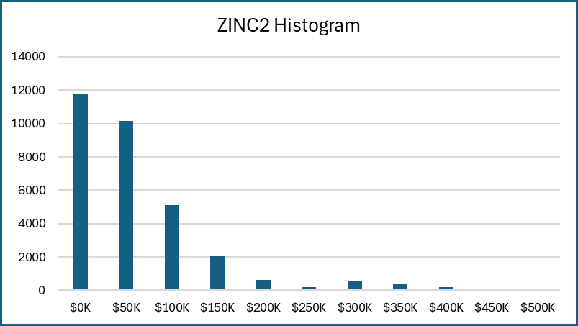
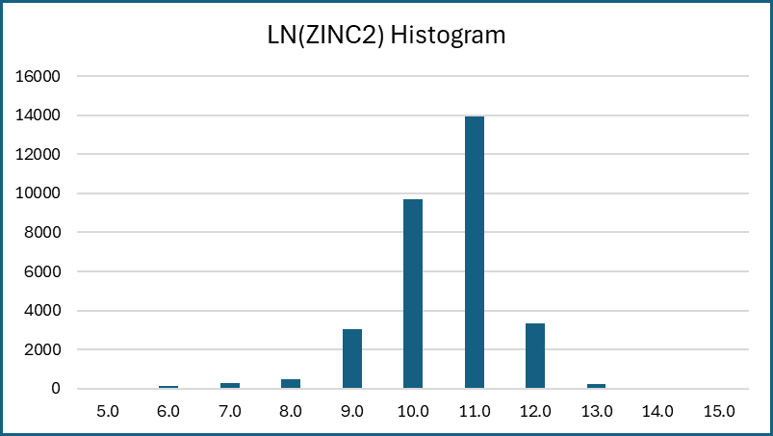
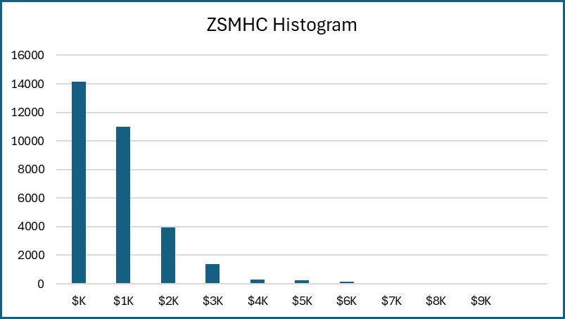
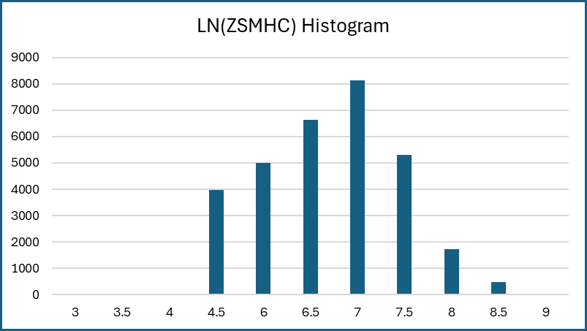
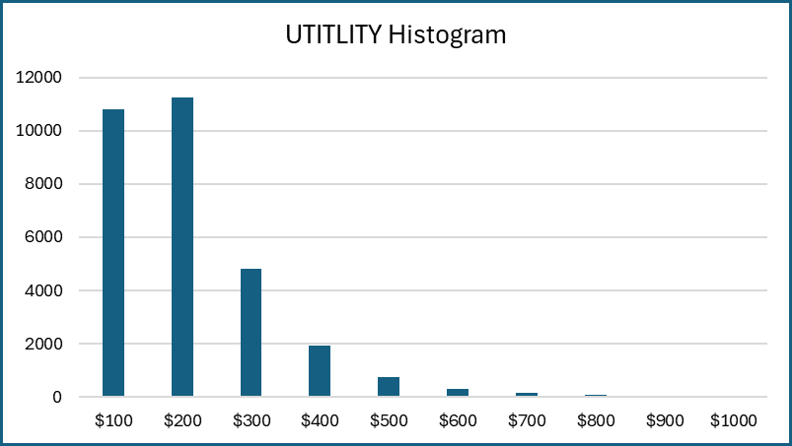
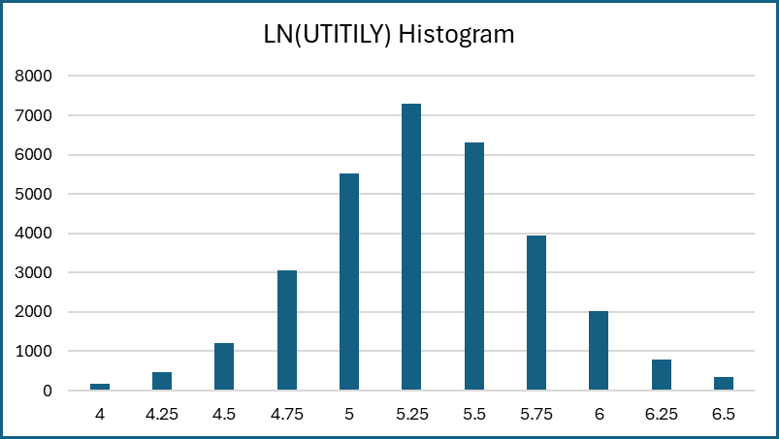
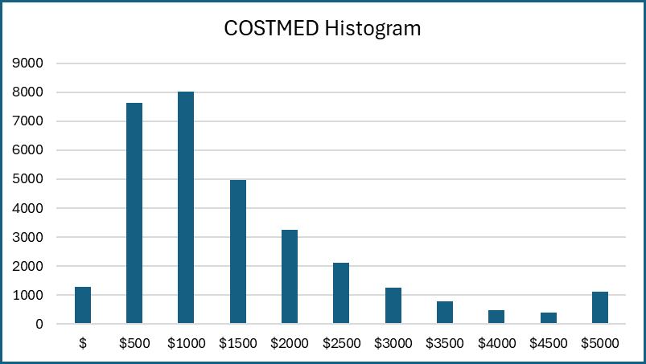
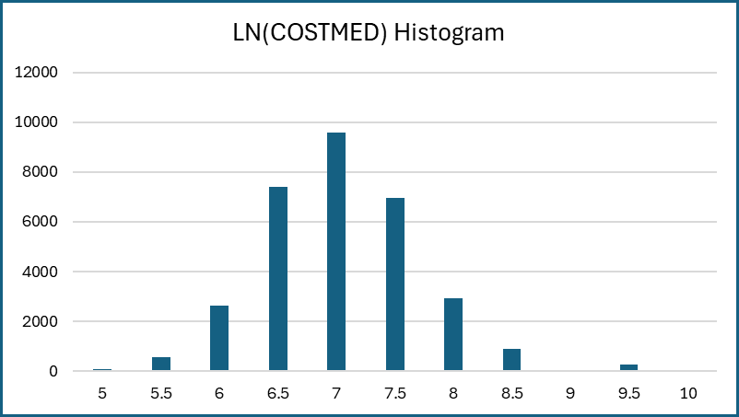
Graphs and Charts
(Please put down any graphs or charts that you may wish to include in this worksheet)

Statistical Tests
Statistical Tests
(This worksheet should contain any statistical tests that you may have conducted using the data.)

Model 1
LN(VALUE) = β0 + β1(CCITY) + β2(REGNE) + β3(REGMW) + β4(REGS) + β5(LMED) + β6(FMR) + β7(IPOV) + β8(BEDRMS) +
β9(BUILT) + β10(ROOMS) + β11(ZINC2) + β12(ADEQ) + β13(INADEQ) + β14(ZSMHC) + β15(UTILITY) + β16(COSTMED)

Pair-wise Correlation
 | CCITY | REGNE | REGMW | REGS | LMED | FMR | IPOV | BEDRMS | BUILT | ROOMS | ZINC2 | ADEQ | INADEQ | ZSMHC | UTILITY | COSTMED
CCITY | 1
REGNE | -0.05453325161 | 1
REGMW | -0.0093540563362 | -0.36569161336 | 1
REGS | -0.0037881590313 | -0.37299158306 | -0.42664418487 | 1
LMED | -0.003267763088 | 0.54434755119 | -0.13989956528 | -0.38108449201 | 1
FMR | 0.051444679417 | 0.33194020391 | -0.37014200386 | -0.20505582193 | 0.68143853938 | 1
IPOV | -0.0022613093148 | 0.030051633712 | -0.010188594743 | -0.0462104717 | 0.073762862525 | 0.20367603371 | 1
BEDRMS | -0.032544724076 | 0.021579654165 | -0.030154532828 | -0.01691467525 | 0.10724036403 | 0.48486837094 | 0.29888485862 | 1
BUILT | -0.16311755448 | -0.2001927006 | -0.091569129902 | 0.20489500758 | -0.14687219303 | -0.00020138948211 | 0.093697088951 | 0.14075608809 | 1
ROOMS | -0.052060222544 | 0.043685774617 | -0.014966199495 | -0.028784568767 | 0.13166845738 | 0.3603548225 | 0.25373871514 | 0.74924884157 | 0.14656466507 | 1
ZINC2 | -0.042944845839 | 0.073087127466 | -0.041191545465 | -0.061802749704 | 0.17417025341 | 0.24803586788 | 0.29460103604 | 0.27039431079 | 0.13613896389 | 0.3548268803 | 1
ADEQ | -0.034893651886 | -0.006537099826 | 0.0079104056886 | -0.028258766484 | 0.026421504921 | 0.048037328542 | 0.33845663042 | 0.045482283826 | 0.094974417068 | 0.079200037515 | 0.17078969007 | 1
INADEQ | 0.035927903974 | 0.017537823844 | -0.011676327098 | 0.022366393578 | -0.019599988435 | -0.029376738674 | 0.017230801713 | -0.031204268166 | -0.096920934895 | -0.04603945329 | -0.053142816496 | -0.66195396611 | 1
ZSMHC | -0.026607118361 | 0.16634479742 | -0.10351857408 | -0.12877774267 | 0.32156687309 | 0.43356158401 | 0.35041446646 | 0.32656871692 | 0.15172100414 | 0.38190481043 | 0.47977448168 | 0.18937602634 | -0.036463817682 | 1
UTILITY | 0.020371331901 | 0.2148643219 | -0.13055779404 | -0.062307931272 | 0.20457352542 | 0.31327434543 | 0.35698925924 | 0.31163312611 | -0.0037988132655 | 0.35305022549 | 0.28906694289 | 0.19393218925 | -0.0060737450319 | 0.44191667525 | 1
COSTMED | -0.020326725489 | 0.14678981853 | -0.1777705271 | -0.10437370542 | 0.31114690064 | 0.47134343167 | 0.10323312084 | 0.30591759276 | 0.084489601974 | 0.37249431755 | 0.39358625939 | 0.056006792169 | -0.047526163225 | 0.59102294243 | 0.35186216514 | 1

Regression Analysis
SUMMARY OUTPUT

Regression Statistics
Multiple R | 0.83856436666
R Square | 0.70319019703
Adjusted R Square | 0.70304544707
Standard Error | 0.4473430105
Observations | 32825

ANOVA
 | df | SS | MS | F | Significance F
Regression | 16 | 15554.48497 | 972.15531062 | 4857.9645437 | 0
Residual | 32808 | 6565.3981506 | 0.20011576904
Total | 32824 | 22119.883121

 | Coefficients | Standard Error | t Stat | P-value | Lower 95% | Upper 95% | Lower 95.0% | Upper 95.0%
Intercept | 3.7251315784 | 0.20112300263 | 18.521658536 | 3.3827249956E-76 | 3.3309231935 | 4.1193399633 | 3.3309231935 | 4.1193399633
CCITY | -0.0708178808 | 0.0061295649222 | -11.553492246 | 8.1322681231E-31 | -0.08283205052 | -0.058803711081 | -0.08283205052 | -0.058803711081
REGNE | -0.0079153784204 | 0.0095076993251 | -0.8325230058 | 0.40511985806 | -0.026550814178 | 0.010720057338 | -0.026550814178 | 0.010720057338
REGMW | -0.18466136542 | 0.009713627045 | -19.0105472 | 3.7671083949E-80 | -0.20370042698 | -0.16562230386 | -0.20370042698 | -0.16562230386
REGS | -0.14982475611 | 0.0085581112341 | -17.506754939 | 2.6037110452E-68 | -0.16659896475 | -0.13305054748 | -0.16659896475 | -0.13305054748
LMED | 3.883808407E-06 | 3.5798202951E-07 | 10.84917143 | 2.2399144651E-27 | 3.1821506363E-06 | 4.5854661778E-06 | 3.1821506363E-06 | 4.5854661778E-06
FMR | 0.00020422475435 | 1.3392136506E-05 | 15.249602202 | 2.5050804956E-52 | 0.00017797568073 | 0.00023047382797 | 0.00017797568073 | 0.00023047382797
IPOV | -2.2894986211E-06 | 4.6748190249E-07 | -4.8975128424 | 9.7518583523E-07 | -3.2057801171E-06 | -1.373217125E-06 | -3.2057801171E-06 | -1.373217125E-06
BEDRMS | -0.028687758965 | 0.0052656247181 | -5.4481206886 | 5.1270374212E-08 | -0.039008574528 | -0.018366943402 | -0.039008574528 | -0.018366943402
BUILT | 0.0036026080819 | 0.00010114631278 | 35.617789546 | 1.1803954897E-272 | 0.0034043576377 | 0.003800858526 | 0.0034043576377 | 0.003800858526
ROOMS | 0.061879609866 | 0.0024107386921 | 25.668319038 | 6.9767064004E-144 | 0.057154474532 | 0.0666047452 | 0.057154474532 | 0.0666047452
ZINC2 | 6.4645296711E-07 | 3.4453218862E-08 | 18.763209606 | 3.8775671811E-78 | 5.7892340767E-07 | 7.1398252656E-07 | 5.7892340767E-07 | 7.1398252656E-07
ADEQ | 0.054493101217 | 0.01634372345 | 3.3341913417 | 0.00085642505905 | 0.022458810062 | 0.086527392372 | 0.022458810062 | 0.086527392372
INADEQ | -0.15645521095 | 0.02230464375 | -7.0144680499 | 2.3529352114E-12 | -0.20017312224 | -0.11273729965 | -0.20017312224 | -0.11273729965
ZSMHC | 6.088831258E-05 | 3.281790022E-06 | 18.553384638 | 1.8869668725E-76 | 5.4455885025E-05 | 6.7320740135E-05 | 5.4455885025E-05 | 6.7320740135E-05
UTILITY | -0.00035687046511 | 2.4400320975E-05 | -14.625646338 | 2.7361130498E-48 | -0.00040469597983 | -0.0003090449504 | -0.00040469597983 | -0.0003090449504
COSTMED | 0.00028143234956 | 1.9551398293E-06 | 143.94487051 | 0 | 0.00027760020453 | 0.00028526449459 | 0.00027760020453 | 0.00028526449459

Model 2
LN(VALUE) = β0 + β1(CCITY) + β2(REGNE) + β3(REGMW) + β4(REGS) + β5(LMED) + β6(FMR) + β7(BEDRMS) + β8(BUILT) +
β9(ROOMS) + β10(ZINC2) + β11(ZSMHC) + β12(UTILITY) + β13(COSTMED)

Pair-wise Correlation
 | CCITY | REGNE | REGMW | REGS | LMED | FMR | BEDRMS | BUILT | ROOMS | ZINC2 | ZSMHC | UTILITY | COSTMED
CCITY | 1
REGNE | -0.05453325161 | 1
REGMW | -0.0093540563362 | -0.36569161336 | 1
REGS | -0.0037881590313 | -0.37299158306 | -0.42664418487 | 1
LMED | -0.003267763088 | 0.54434755119 | -0.13989956528 | -0.38108449201 | 1
FMR | 0.051444679417 | 0.33194020391 | -0.37014200386 | -0.20505582193 | 0.68143853938 | 1
BEDRMS | -0.032544724076 | 0.021579654165 | -0.030154532828 | -0.01691467525 | 0.10724036403 | 0.48486837094 | 1
BUILT | -0.16311755448 | -0.2001927006 | -0.091569129902 | 0.20489500758 | -0.14687219303 | -0.00020138948211 | 0.14075608809 | 1
ROOMS | -0.052060222544 | 0.043685774617 | -0.014966199495 | -0.028784568767 | 0.13166845738 | 0.3603548225 | 0.74924884157 | 0.14656466507 | 1
ZINC2 | -0.042944845839 | 0.073087127466 | -0.041191545465 | -0.061802749704 | 0.17417025341 | 0.24803586788 | 0.27039431079 | 0.13613896389 | 0.3548268803 | 1
ZSMHC | -0.026607118361 | 0.16634479742 | -0.10351857408 | -0.12877774267 | 0.32156687309 | 0.43356158401 | 0.32656871692 | 0.15172100414 | 0.38190481043 | 0.47977448168 | 1
UTILITY | 0.020371331901 | 0.2148643219 | -0.13055779404 | -0.062307931272 | 0.20457352542 | 0.31327434543 | 0.31163312611 | -0.0037988132655 | 0.35305022549 | 0.28906694289 | 0.44191667525 | 1
COSTMED | -0.020326725489 | 0.14678981853 | -0.1777705271 | -0.10437370542 | 0.31114690064 | 0.47134343167 | 0.30591759276 | 0.084489601974 | 0.37249431755 | 0.39358625939 | 0.59102294243 | 0.35186216514 | 1

Regression Analysis
SUMMARY OUTPUT

Regression Statistics
Multiple R | 0.83742074749
R Square | 0.70127350833
Adjusted R Square | 0.70115515033
Standard Error | 0.4487645573
Observations | 32825

ANOVA
 | df | SS | MS | F | Significance F
Regression | 13 | 15512.08804 | 1193.2375415 | 5925.0198436 | 0
Residual | 32811 | 6607.7950807 | 0.20138962789
Total | 32824 | 22119.883121

 | Coefficients | Standard Error | t Stat | P-value | Lower 95% | Upper 95% | Lower 95.0% | Upper 95.0%
Intercept | 3.5396132542 | 0.2003803928 | 17.664469087 | 1.6537209551E-69 | 3.1468604129 | 3.9323660956 | 3.1468604129 | 3.9323660956
CCITY | -0.072981946987 | 0.00614635424 | -11.874022248 | 1.8824508161E-32 | -0.085029024338 | -0.060934869637 | -0.085029024338 | -0.060934869637
REGNE | -0.010386476572 | 0.0095284063821 | -1.0900539037 | 0.27569740542 | -0.029062498851 | 0.0082895457058 | -0.029062498851 | 0.0082895457058
REGMW | -0.18544636119 | 0.0097438041467 | -19.032234064 | 2.5019764403E-80 | -0.20454457091 | -0.16634815148 | -0.20454457091 | -0.16634815148
REGS | -0.15238473676 | 0.0085779555671 | -17.764691781 | 2.8333528498E-70 | -0.16919784095 | -0.13557163257 | -0.16919784095 | -0.13557163257
LMED | 3.9984899983E-06 | 3.5881497655E-07 | 11.143598399 | 8.6677001598E-29 | 3.2951996235E-06 | 4.7017803732E-06 | 3.2951996235E-06 | 4.7017803732E-06
FMR | 0.00020162603198 | 1.3422247077E-05 | 15.021779202 | 7.805787779E-51 | 0.00017531794064 | 0.00022793412332 | 0.00017531794064 | 0.00022793412332
BEDRMS | -0.033220919535 | 0.0052258643356 | -6.3570191268 | 2.0840681498E-10 | -0.043463803271 | -0.0229780358 | -0.043463803271 | -0.0229780358
BUILT | 0.0037059399893 | 0.00010102907215 | 36.681916506 | 9.8370746269E-289 | 0.0035079193417 | 0.0039039606369 | 0.0035079193417 | 0.0039039606369
ROOMS | 0.062819635027 | 0.0024166769258 | 25.994221386 | 1.7986425306E-147 | 0.058082860555 | 0.067556409499 | 0.058082860555 | 0.067556409499
ZINC2 | 6.429070567E-07 | 3.4118155272E-08 | 18.843546832 | 8.6624512038E-79 | 5.7603423428E-07 | 7.0977987912E-07 | 5.7603423428E-07 | 7.0977987912E-07
ZSMHC | 5.8438460871E-05 | 3.208099255E-06 | 18.21591423 | 8.9244138195E-74 | 5.2150469915E-05 | 6.4726451827E-05 | 5.2150469915E-05 | 6.4726451827E-05
UTILITY | -0.00037146448404 | 2.3630118065E-05 | -15.719958869 | 1.7605238769E-55 | -0.00041778037294 | -0.00032514859514 | -0.00041778037294 | -0.00032514859514
COSTMED | 0.00028317584049 | 1.9130248453E-06 | 148.02517656 | 0 | 0.00027942624237 | 0.00028692543861 | 0.00027942624237 | 0.00028692543861

Model 3
LN(VALUE) = β0 + β1(CCITY) + β2(REGNE) + β3(REGMW) + β4(REGS) + β5(LN(LMED)) + β6(LN(FMR)) + β7(BEDRMS) + β8(BUILT) +
β9(ROOMS) + β10(LN(ZINC2)) + β11(LN(ZSMHC)) + β12(LN(UTILITY)) + β13(LN(COSTMED))

Pair-wise Correlation
 | CCITY | REGNE | REGMW | REGS | LN(LMED) | LN(FMR) | BEDRMS | BUILT | ROOMS | LN(ZINC2) | LN(ZSMHC) | LN(UTILITY) | LN(COSTMED)
CCITY | 1
REGNE | -0.056807767514 | 1
REGMW | -0.012251124361 | -0.36643072412 | 1
REGS | -0.0028651837743 | -0.37093175068 | -0.42546777052 | 1
LN(LMED) | 0.0076758048828 | 0.53924186486 | -0.11202254259 | -0.41307730904 | 1
LN(FMR) | 0.061328150628 | 0.34253240181 | -0.37990020326 | -0.19645642801 | 0.66310175072 | 1
BEDRMS | -0.033589965947 | 0.017712654335 | -0.029475000112 | -0.016638053215 | 0.10752260841 | 0.52355776859 | 1
BUILT | -0.16089118012 | -0.20191392333 | -0.088890483409 | 0.20647736104 | -0.14759957204 | 0.019398232447 | 0.14196609123 | 1
ROOMS | -0.051376212156 | 0.04238422426 | -0.015167714861 | -0.027963648565 | 0.13534917418 | 0.38980397295 | 0.74691468989 | 0.14455116292 | 1
LN(ZINC2) | -0.049712289826 | 0.065150999303 | -0.023695815069 | -0.07721918363 | 0.16170894523 | 0.24271336327 | 0.2573848377 | 0.1585018089 | 0.31404803573 | 1
LN(ZSMHC) | -0.018729967914 | 0.19449558267 | -0.090051610764 | -0.16262924103 | 0.35772037719 | 0.46472860034 | 0.34187965582 | 0.18059488763 | 0.38349932249 | 0.46013763277 | 1
LN(UTILITY) | 0.025684787841 | 0.20717064914 | -0.12822588259 | -0.047531874125 | 0.19896543208 | 0.32792389021 | 0.33699690455 | -0.0043460749896 | 0.37158160682 | 0.24624080393 | 0.4445755716 | 1
LN(COSTMED) | -0.052434724103 | 0.2182712982 | -0.23709347648 | -0.13621975715 | 0.39176117178 | 0.57024133505 | 0.37777660676 | 0.17583803314 | 0.45775793848 | 0.40101793852 | 0.63835171107 | 0.4126030235 | 1

Regression Analysis
SUMMARY OUTPUT

Regression Statistics
Multiple R | 0.98554261385
R Square | 0.97129424371
Adjusted R Square | 0.97128231395
Standard Error | 0.1373699221
Observations | 31295

ANOVA
 | df | SS | MS | F | Significance F
Regression | 13 | 19973.112756 | 1536.3932889 | 81417.75022 | 0
Residual | 31281 | 590.28796965 | 0.018870495497
Total | 31294 | 20563.400726

 | Coefficients | Standard Error | t Stat | P-value | Lower 95% | Upper 95% | Lower 95.0% | Upper 95.0%
Intercept | 3.4528490245 | 0.095635882289 | 36.104116383 | 1.092874563E-279 | 3.2653988866 | 3.6402991625 | 3.2653988866 | 3.6402991625
CCITY | -0.015631110422 | 0.0019430175626 | -8.0447602343 | 8.9443696051E-16 | -0.019439502226 | -0.011822718619 | -0.019439502226 | -0.011822718619
REGNE | 0.01163924325 | 0.0029218659677 | 3.983496635 | 6.8062284755E-05 | 0.0059122695905 | 0.01736621691 | 0.0059122695905 | 0.01736621691
REGMW | -0.015897339279 | 0.0030909414717 | -5.1432029446 | 2.717205662E-07 | -0.021955707659 | -0.0098389708978 | -0.021955707659 | -0.0098389708978
REGS | -0.017410816336 | 0.0026836611907 | -6.4877102954 | 8.8451105346E-11 | -0.022670899146 | -0.012150733526 | -0.022670899146 | -0.012150733526
LN(LMED) | 0.040779385273 | 0.0080130095501 | 5.0891472196 | 3.6175708462E-07 | 0.025073567437 | 0.056485203108 | 0.025073567437 | 0.056485203108
LN(FMR) | -0.052390374155 | 0.0058725005838 | -8.9213059084 | 4.8532315556E-19 | -0.063900709171 | -0.040880039139 | -0.063900709171 | -0.040880039139
BEDRMS | 0.016810443298 | 0.0017057472722 | 9.85517818 | 7.0296314889E-23 | 0.013467110713 | 0.020153775882 | 0.013467110713 | 0.020153775882
BUILT | 0.00029335637816 | 3.2295563435E-05 | 9.0834884722 | 1.1116397176E-19 | 0.00023005578766 | 0.00035665696866 | 0.00023005578766 | 0.00035665696866
ROOMS | -0.0021305763667 | 0.00076258800378 | -2.7938760591 | 0.0052112104556 | -0.0036252792241 | -0.00063587350932 | -0.0036252792241 | -0.00063587350932
LN(ZINC2) | 0.0088647947715 | 0.00085668018285 | 10.347846196 | 4.6977980497E-25 | 0.007185667496 | 0.010543922047 | 0.007185667496 | 0.010543922047
LN(ZSMHC) | -0.024732048506 | 0.0014663345251 | -16.866579954 | 1.5142361064E-63 | -0.027606122572 | -0.021857974441 | -0.027606122572 | -0.021857974441
LN(UTILITY) | -0.22464153933 | 0.0020021742859 | -112.19879354 | 0 | -0.22856588067 | -0.220717198 | -0.22856588067 | -0.220717198
LN(COSTMED) | 1.2742595133 | 0.0017865621609 | 713.24667074 | 0 | 1.2707577804 | 1.2777612463 | 1.2707577804 | 1.2777612463

Model 4
LN(VALUE) = β0 + β1(CCITY) + β2(REGNE) + β3(REGMW) + β4(REGS) + β5(LN(LMED)) + β6(LN(FMR)) + β7(BEDRMS) + β8(BUILT) +
β9(LN(ZINC2)) + β10(LN(ZSMHC)) + β11(LN(UTILITY)) + β12(LN(COSTMED))

Pair-wise Correlation
 | CCITY | REGNE | REGMW | REGS | LN(LMED) | LN(FMR) | BEDRMS | BUILT | LN(ZINC2) | LN(ZSMHC) | LN(UTILITY) | LN(COSTMED)
CCITY | 1.0000
REGNE | -0.0568 | 1.0000
REGMW | -0.0123 | -0.3664 | 1.0000
REGS | -0.0029 | -0.3709 | -0.4255 | 1.0000
LN(LMED) | 0.0077 | 0.5392 | -0.1120 | -0.4131 | 1.0000
LN(FMR) | 0.0613 | 0.3425 | -0.3799 | -0.1965 | 0.6631 | 1.0000
BEDRMS | -0.0336 | 0.0177 | -0.0295 | -0.0166 | 0.1075 | 0.5236 | 1.0000
BUILT | -0.1609 | -0.2019 | -0.0889 | 0.2065 | -0.1476 | 0.0194 | 0.1420 | 1.0000
LN(ZINC2) | -0.0497 | 0.0652 | -0.0237 | -0.0772 | 0.1617 | 0.2427 | 0.2574 | 0.1585 | 1.0000
LN(ZSMHC) | -0.0187 | 0.1945 | -0.0901 | -0.1626 | 0.3577 | 0.4647 | 0.3419 | 0.1806 | 0.4601 | 1.0000
LN(UTILITY) | 0.0257 | 0.2072 | -0.1282 | -0.0475 | 0.1990 | 0.3279 | 0.3370 | -0.0043 | 0.2462 | 0.4446 | 1.0000
LN(COSTMED) | -0.0524 | 0.2183 | -0.2371 | -0.1362 | 0.3918 | 0.5702 | 0.3778 | 0.1758 | 0.4010 | 0.6384 | 0.4126 | 1.0000

Regression Analysis
SUMMARY OUTPUT

Regression Statistics
Multiple R | 0.98553897974
R Square | 0.97128708059
Adjusted R Square | 0.9712760661
Standard Error | 0.13738486445
Observations | 31295

ANOVA
 | df | SS | MS | F | Significance F
Regression | 12 | 19972.965458 | 1664.4137881 | 88182.727137 | 0
Residual | 31282 | 590.4352679 | 0.018874600981
Total | 31294 | 20563.400726

 | Coefficients | Standard Error | t Stat | P-value | Lower 95% | Upper 95% | Lower 95.0% | Upper 95.0%
Intercept | 3.4691651898 | 0.095467791002 | 36.338592874 | 3.130992772E-283 | 3.2820445177 | 3.656285862 | 3.2820445177 | 3.656285862
CCITY | -0.015612458617 | 0.0019432174434 | -8.0343343303 | 9.7369378485E-16 | -0.01942124219 | -0.011803675044 | -0.01942124219 | -0.011803675044
REGNE | 0.011720662545 | 0.0029220384448 | 4.0111253723 | 6.0570360385E-05 | 0.0059933508301 | 0.017447974259 | 0.0059933508301 | 0.017447974259
REGMW | -0.015937329123 | 0.0030912445429 | -5.1556351824 | 2.5430951256E-07 | -0.021996291528 | -0.0098783667177 | -0.021996291528 | -0.0098783667177
REGS | -0.017563063335 | 0.0026833997324 | -6.5450790366 | 6.0382528866E-11 | -0.02282263367 | -0.012303493 | -0.02282263367 | -0.012303493
LN(LMED) | 0.038721199442 | 0.0079799423159 | 4.8523157073 | 1.2261511172E-06 | 0.023080194723 | 0.054362204162 | 0.023080194723 | 0.054362204162
LN(FMR) | -0.049895963359 | 0.0058048666018 | -8.5955400497 | 8.6665144702E-18 | -0.061273733063 | -0.038518193656 | -0.061273733063 | -0.038518193656
BEDRMS | 0.013802911477 | 0.0013233143188 | 10.430561568 | 1.9796217629E-25 | 0.011209162714 | 0.016396660239 | 0.011209162714 | 0.016396660239
BUILT | 0.00029225736221 | 3.2296680386E-05 | 9.0491455689 | 1.5220727278E-19 | 0.00022895458252 | 0.00035556014189 | 0.00022895458252 | 0.00035556014189
LN(ZINC2) | 0.0086737833967 | 0.00085404064329 | 10.156171682 | 3.3914858717E-24 | 0.0069998297259 | 0.010347737068 | 0.0069998297259 | 0.010347737068
LN(ZSMHC) | -0.024764679494 | 0.0014664475053 | -16.88753222 | 1.0652899254E-63 | -0.027638975001 | -0.021890383986 | -0.027638975001 | -0.021890383986
LN(UTILITY) | -0.22522187956 | 0.0019915866975 | -113.0866559 | 0 | -0.2291254688 | -0.22131829032 | -0.2291254688 | -0.22131829032
LN(COSTMED) | 1.2731466725 | 0.0017417835563 | 730.94424842 | 0 | 1.2697327074 | 1.2765606376 | 1.2697327074 | 1.2765606376

Model 5
LN(VALUE) = β0 + β1(CCITY) + β2(REGNE) + β3(REGMW) + β4(REGS) + β5(LMED) + β6(FMR) + β7(BEDRMS) + β8(BUILT) +
β9(LN(ZINC2)) + β10(LN(ZSMHC)) + β11(LN(UTILITY)) + β12(LN(COSTMED))

Pair-wise Correlation
 | CCITY | REGNE | REGMW | REGS | LMED | FMR | BEDRMS | BUILT | LN(ZINC2) | LN(ZSMHC) | LN(UTILITY) | LN(COSTMED)
CCITY | 1
REGNE | -0.056807767514 | 1
REGMW | -0.012251124361 | -0.36643072412 | 1
REGS | -0.0028651837743 | -0.37093175068 | -0.42546777052 | 1
LMED | -0.0053424868292 | 0.5429706014 | -0.1430022484 | -0.37962289038 | 1
FMR | 0.053021391276 | 0.32952437528 | -0.3735978051 | -0.20475822563 | 0.68147694958 | 1
BEDRMS | -0.033589965947 | 0.017712654335 | -0.029475000112 | -0.016638053215 | 0.10547843399 | 0.48094643794 | 1
BUILT | -0.16089118012 | -0.20191392333 | -0.088890483409 | 0.20647736104 | -0.14969280601 | -0.0043921339407 | 0.14196609123 | 1
LN(ZINC2) | -0.049712289826 | 0.065150999303 | -0.023695815069 | -0.07721918363 | 0.15738625508 | 0.2287348383 | 0.2573848377 | 0.1585018089 | 1
LN(ZSMHC) | -0.018729967914 | 0.19449558267 | -0.090051610764 | -0.16262924103 | 0.35306174119 | 0.4465766433 | 0.34187965582 | 0.18059488763 | 0.46013763277 | 1
LN(UTILITY) | 0.025684787841 | 0.20717064914 | -0.12822588259 | -0.047531874125 | 0.20005559502 | 0.31255014426 | 0.33699690455 | -0.0043460749896 | 0.24624080393 | 0.4445755716 | 1
LN(COSTMED) | -0.052434724103 | 0.2182712982 | -0.23709347648 | -0.13621975715 | 0.39677067439 | 0.56773263907 | 0.37777660676 | 0.17583803314 | 0.40101793852 | 0.63835171107 | 0.4126030235 | 1

Regression Analysis
SUMMARY OUTPUT

Regression Statistics
Multiple R | 0.98557411362
R Square | 0.97135633344
Adjusted R Square | 0.97134534553
Standard Error | 0.13721908476
Observations | 31295

ANOVA
 | df | SS | MS | F | Significance F
Regression | 12 | 19974.389532 | 1664.532461 | 88402.232428 | 0
Residual | 31282 | 589.01119366 | 0.018829077222
Total | 31294 | 20563.400726

 | Coefficients | Standard Error | t Stat | P-value | Lower 95% | Upper 95% | Lower 95.0% | Upper 95.0%
Intercept | 3.5862600366 | 0.063375141018 | 56.587803656 | 0 | 3.4620422364 | 3.7104778367 | 3.4620422364 | 3.7104778367
CCITY | -0.015311586225 | 0.0019361457467 | -7.9082818282 | 2.6950773188E-15 | -0.019106508991 | -0.01151666346 | -0.019106508991 | -0.01151666346
REGNE | 0.0073198390409 | 0.0029777446765 | 2.4581822272 | 0.013969610208 | 0.0014833408938 | 0.013156337188 | 0.0014833408938 | 0.013156337188
REGMW | -0.021718934786 | 0.0030675932365 | -7.0801221385 | 1.4706260029E-12 | -0.027731539688 | -0.015706329883 | -0.027731539688 | -0.015706329883
REGS | -0.022030095889 | 0.0027003768298 | -8.1581561678 | 3.5279029236E-16 | -0.027322942011 | -0.016737249767 | -0.027322942011 | -0.016737249767
LMED | 7.3543494501E-07 | 1.1186382963E-07 | 6.5743766098 | 4.9625579857E-11 | 5.1617738424E-07 | 9.5469250578E-07 | 5.1617738424E-07 | 9.5469250578E-07
FMR | -5.02795166E-05 | 4.1602246507E-06 | -12.085769597 | 1.4920361955E-33 | -5.8433722585E-05 | -4.2125310614E-05 | -5.8433722585E-05 | -4.2125310614E-05
BEDRMS | 0.015321174563 | 0.0012565176793 | 12.193361713 | 4.0310409427E-34 | 0.012858349874 | 0.017783999252 | 0.012858349874 | 0.017783999252
BUILT | 0.00027214504552 | 3.2350837815E-05 | 8.4123028615 | 4.1889991713E-17 | 0.00020873611511 | 0.00033555397593 | 0.00020873611511 | 0.00033555397593
LN(ZINC2) | 0.0085081292322 | 0.00085317368531 | 9.9723296425 | 2.1832347359E-23 | 0.0068358748336 | 0.010180383631 | 0.0068358748336 | 0.010180383631
LN(ZSMHC) | -0.024613608892 | 0.0014615131697 | -16.841181729 | 2.317711263E-63 | -0.027478232905 | -0.021748984878 | -0.027478232905 | -0.021748984878
LN(UTILITY) | -0.22523018235 | 0.0019893285903 | -113.21919539 | 0 | -0.22912934561 | -0.2213310191 | -0.22912934561 | -0.2213310191
LN(COSTMED) | 1.2748208517 | 0.001748462441 | 729.10965759 | 0 | 1.2713937956 | 1.2782479077 | 1.2713937956 | 1.2782479077

