Summary Report
Summary Report
(Please include a summary of your key findings here)
Prection of 2013 values for single family houses using lag
To predict values for 2013, independent (x) variables from the 2011 HADS dataset were used. Initially, the regression model from last week's assignment was used:
LN(VALUE_2013) = β₀ + β₁(CCITY_2011) + β₂(REGNE_2011) + β₃(REGMW_2011) + β₄(REGS_2011) + β₅(LN(LMED_2011)) + β₆(LN(FMR_2011)) + β₇(BEDRMS_2011) + β₈(BUILT_2011) + β9(LN(ZINC2_2011)) + β10(LN(ZSMHC_2011)) + β11(LN(UTILITY_2011)) + β12(LN(COSTMED_2011))
The R square value for this regression model is ~ 0.60, which is not great. Running the model results in the following:
LN(VALUE_2013) = -1.9845 - 0.0479 (CCITY_2011) - 0.0682 (REGNE_2011) - 0.1018 (REGMW_2011) -
0.1114 (REGS_2011) + 0.2270 (LN(LMED_2011)) + 0.2662 (LN(FMR_2011)) +
0.0295 (BEDRMS_2011) + 0.0019 (BUILT_2011) + 0.0488 (LN(ZINC2_2011)) +
0.0244 (LN(ZSMHC_2011)) - 0.0997 (LN(UTILITY_2011)) + 0.7810 (LN(COSTMED_2011))
which can be interpreted as:
-- β₀: the intercept does not have a meaningful interpretation because it would not be practical for a home to have zero monthly expenses, and zero fair market rent
-- β₁: houses with a central city location tend to have a value that is 4.49% less than houses located outside the central city, all other variables remaining the same
-- β₂: houses located in the Northeast census region tend to have a value that is 6.82% less than houses located in the West census region, all other variables remaining the same
-- β₃: houses located in the Midwest census region tend to have a value that is 10.18% less than houses located in the West census region, all other variables remaining the same
-- β₃: houses located in the South census region tend to have a value that is 11.14% less than houses located in the West census region, all other variables remaining the same
-- β₄: for every 1% increase in area median income, house values tend to increase by 22.7%, all other variables remaining the same
-- β₅: for every 1% increase in fair market rent, house values tend to decrease by 26.62%, all other variables remaining the same
-- β₅: for every additional bedroom, house values tend to increase by 2.95%, all other variables remaining the same
-- β₆: for every 1 year added to the year built, house values tend to increase by 0.19%, all other variables remaining the same
-- β₇: for every 1% increase in annual household income, house values tend to increase by 4.88%, all other variables remaining the same
-- β₈: for every 1% increase in montly housing costs, house values tend to increase by 2.44%, all other variables remaining the same
-- β₉: for every 1% increase in utilities costs, house values tend to decrease by 9.97%, all other variables remaining the same
-- β₁₀: for every 1% increase in monthly mortgage payments (assuming median interest), house values tend to increase by 78.1%, all other variables remaining the same
There was no indication of correlation (> 90%) between the x variables, and all p-values were < 0.05. However, the performance of this model was significantly lower when using lag, with an R square value of ~ 0.60.
The weak performance of this model was confirmed by testing the model against actual values. (1000 randomly selected rows were removed from the training dataset for test purposes.) The mean absolute deviation was $71,463.04 across an average value of $247,720.00, indicating that this model's predictive capability is very low.
Multiple regression models were built, including several using data from mulitple years. However, none were statistically more accurate.

Data Descriptors
Data Descriptors
(Please report any descriptive statistics on the data that you calculate)

 | VALUE_2013 | VALUE_2011 | AGE_2011 | LMED_2011 | FMR_2011 | IPOV_2011 | PER_2011 | ZINC2_2011 | ZSMHC_2011 | BEDRMS_2011 | BUILT_2011 | ROOMS_2011 | UTILITY_2011 | OTHERCOST_2011 | COSTMED_2011
Mean | 252,376.39 | 247,318.41 | 55.14 | 66,652.21 | 1,195.82 | 17,145.32 | 2.66 | 84,784.70 | 1,405.24 | 3.26 | 1,969.38 | 6.64 | 279.83 | 92.60 | 1,910.71
Standard Error | 1,921.69 | 1,844.08 | 0.11 | 85.51 | 2.90 | 40.27 | 0.01 | 555.60 | 7.64 | 0.01 | 0.19 | 0.01 | 0.94 | 0.66 | 12.05
Median | 180,000.00 | 179,000.00 | 54.00 | 63,506.00 | 1,086.00 | 14,895.00 | 2.00 | 65,764.00 | 1,152.50 | 3.00 | 1,975.00 | 6.00 | 254.04 | 66.67 | 1,457.80
Mode | 150,000.00 | 200,000.00 | 54.00 | 62,806.00 | 966.00 | 14,849.00 | 2.00 | 99,964.00 | 309.00 | 3.00 | 1,950.00 | 6.00 | 200.00 | 50.00 | 1,240.64
Standard Deviation | 270,542.16 | 259,615.86 | 15.45 | 12,038.96 | 408.12 | 5,668.81 | 1.41 | 78,220.00 | 1,075.39 | 0.83 | 26.37 | 1.61 | 131.72 | 93.18 | 12.05
Sample Variance | 73,193,060,808 | 67,400,392,359 | 238.70 | 144,936,612 | 166,560.31 | 32,135,379.34 | 1.98 | 6,118,368,289 | 1,156,454.39 | 0.69 | 695.17 | 2.58 | 17,349.70 | 8,682.66 | 2,875,956.71
Kurtosis | 35.31 | 40.10 | (0.59) | 1.81 | 1.93 | 2.05 | 1.72 | 26.27 | 8.57 | 1.00 | (0.87) | 1.02 | 4.20 | 44.57 | 36.52
Skewness | 4.94 | 5.01 | 0.17 | 1.17 | 1.35 | 1.30 | 1.10 | 3.38 | 2.23 | 0.47 | (0.37) | 0.77 | 1.54 | 4.97 | 4.76
Range | 2,510,000.00 | 4,412,635.00 | 76.00 | 92,900.00 | 3,167.00 | 39,055.00 | 13.00 | 1,497,551.00 | 12,015.00 | 8.00 | 92.00 | 13.00 | 1,368.75 | 1,575.08 | 28,100.79
Minimum | 10,000.00 | 4,414,135.00 | 17.00 | 33,700.00 | 419.00 | 10,603.00 | 1.00 | 1.00 | 44.00 | - | 1,919.00 | 1.00 | 9.08 | 0.08 | 148.48
Maximum | 2,520,000.00 | 1,500.00 | 93.00 | 126,600.00 | 3,586.00 | 49,658.00 | 14.00 | 1,497,552.00 | 12,059.00 | 8.00 | 2,011.00 | 14.00 | 1,377.83 | 1,575.17 | 28,249.27
Sum | 5,002,100,000 | 4,901,850,974 | 1,092,912.00 | 1,321,046,713 | 23,701,210.00 | 339,820,298.00 | 52,745.00 | 1,680,432,744 | 27,851,843.00 | 64,518.00 | 39,033,071.00 | 131,569.00 | 5,546,186.42 | 1,835,346.83 | 37,870,229.26
Count | 19,820.00 | 19,820.00 | 19,820.00 | 19,820.00 | 19,820.00 | 19,820.00 | 19,820.00 | 19,820.00 | 19,820.00 | 19,820.00 | 19,820.00 | 19,820.00 | 19,820.00 | 19,820.00 | 19,820.00

Graphs and Charts
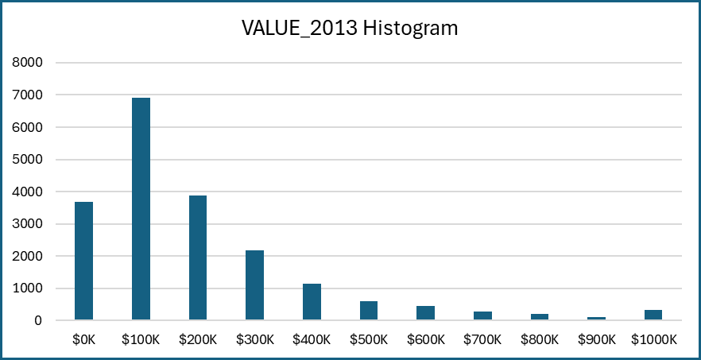
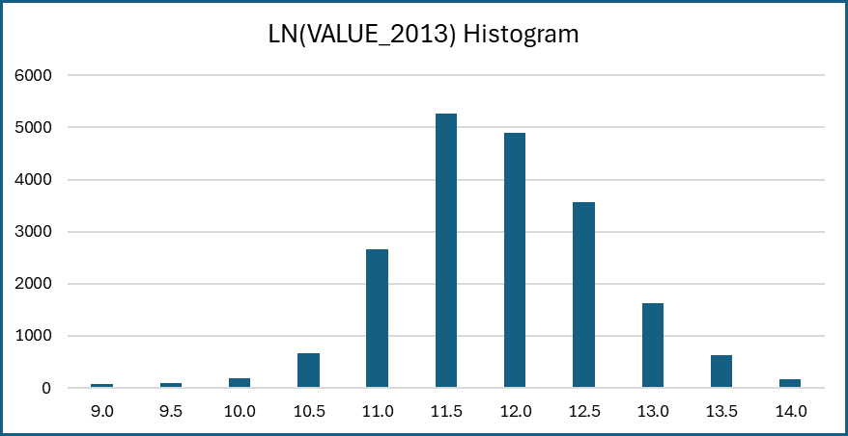
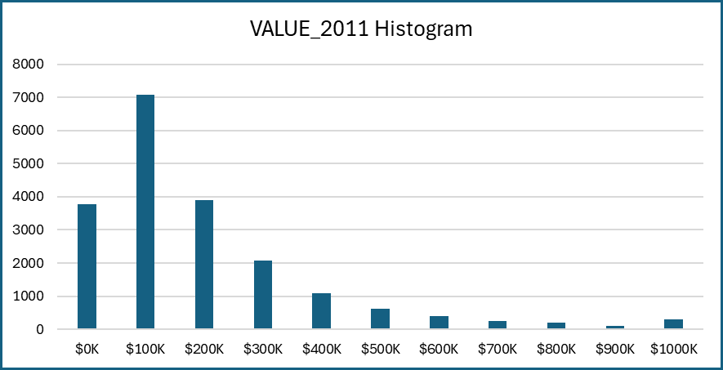

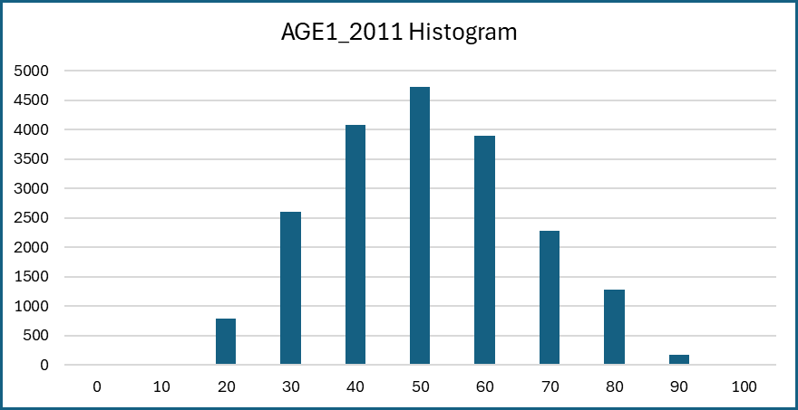
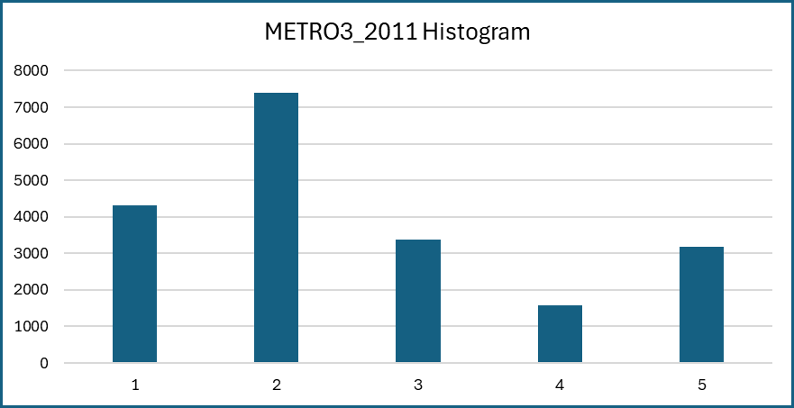
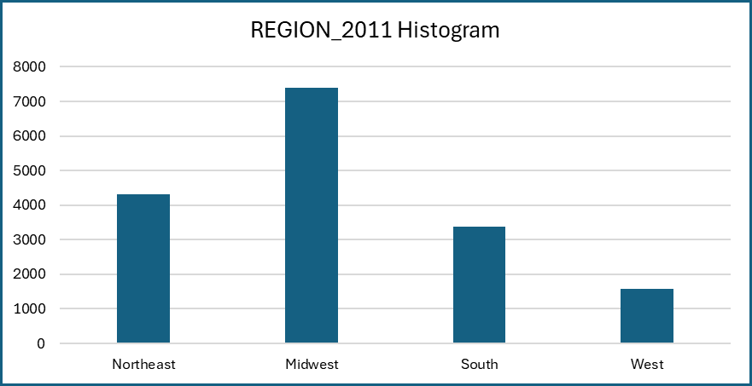
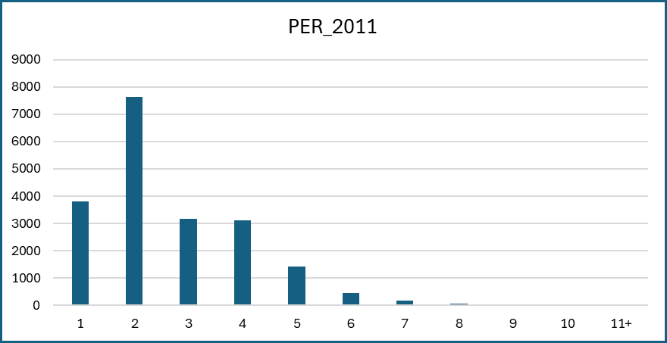
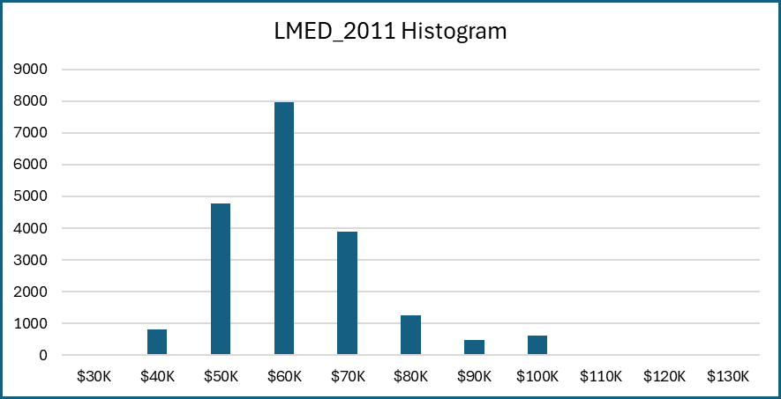
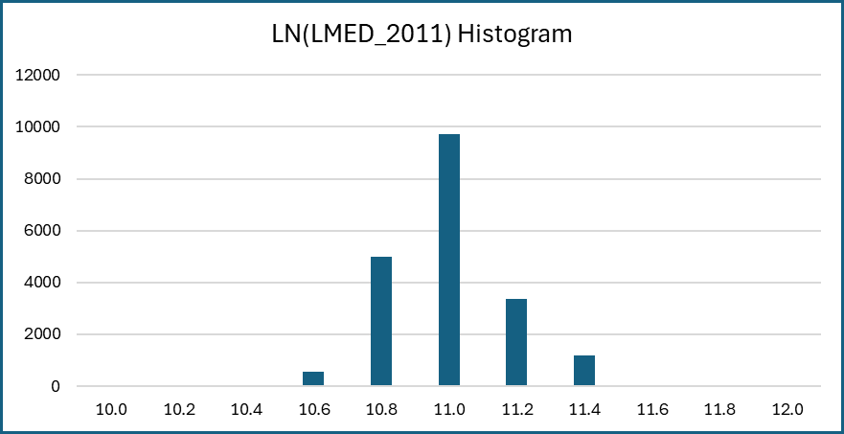
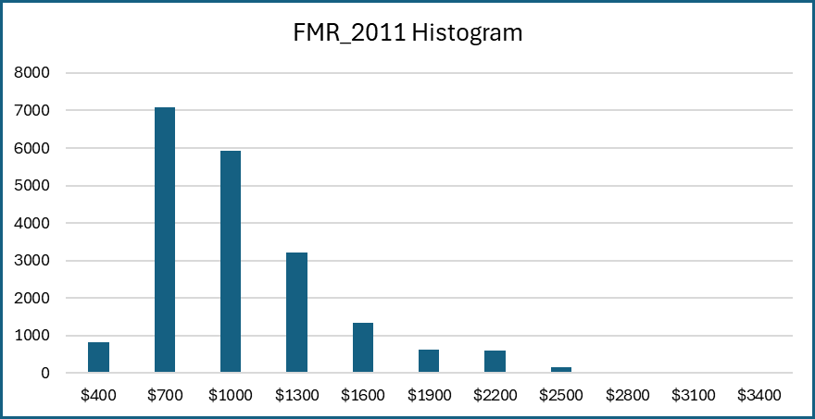
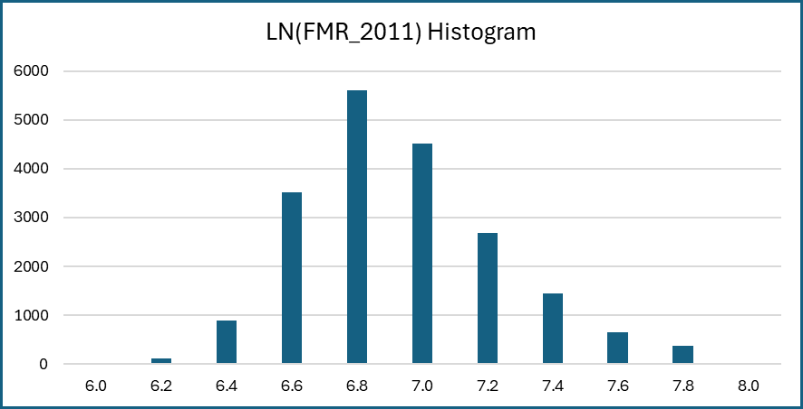
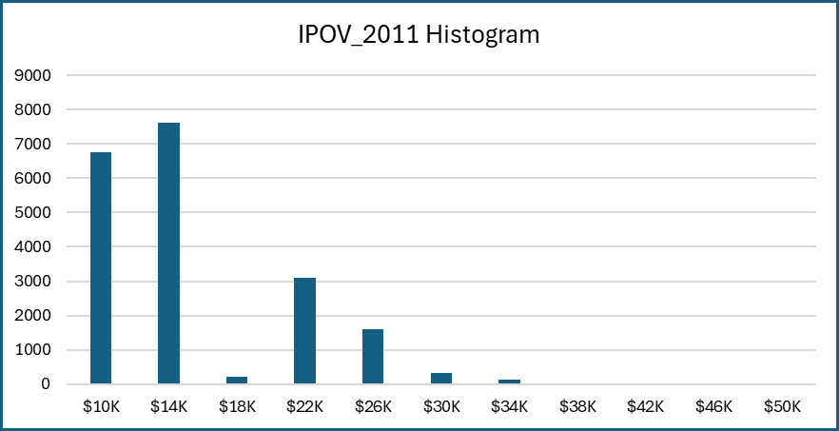
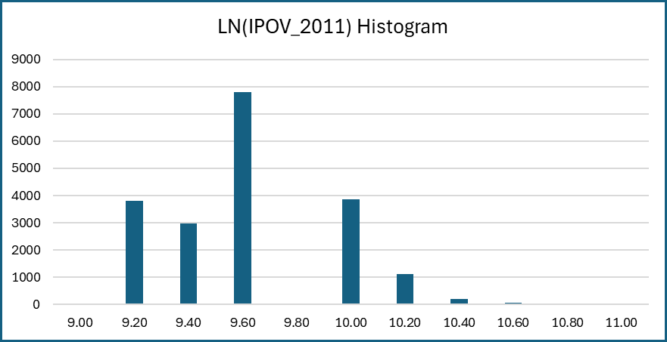
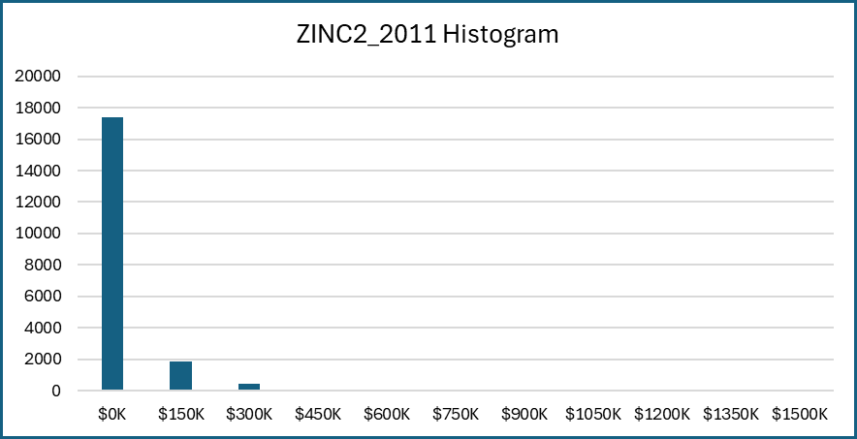
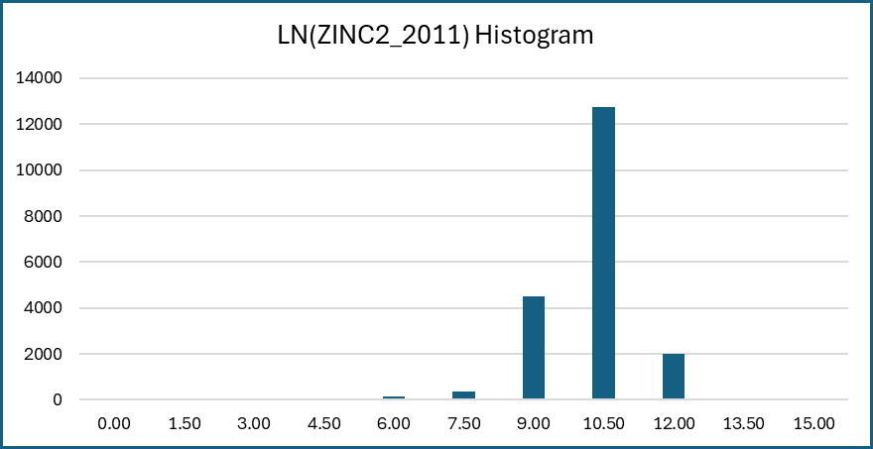
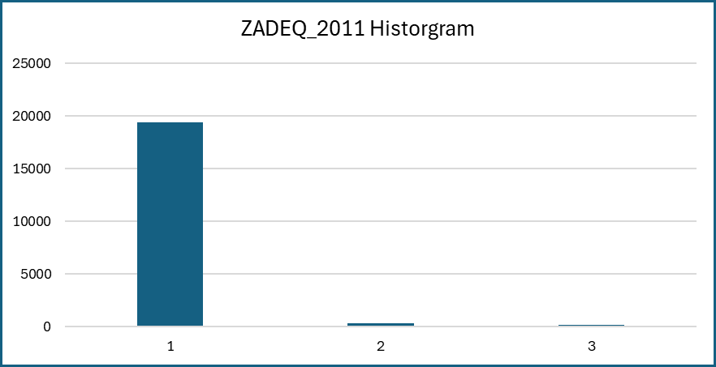
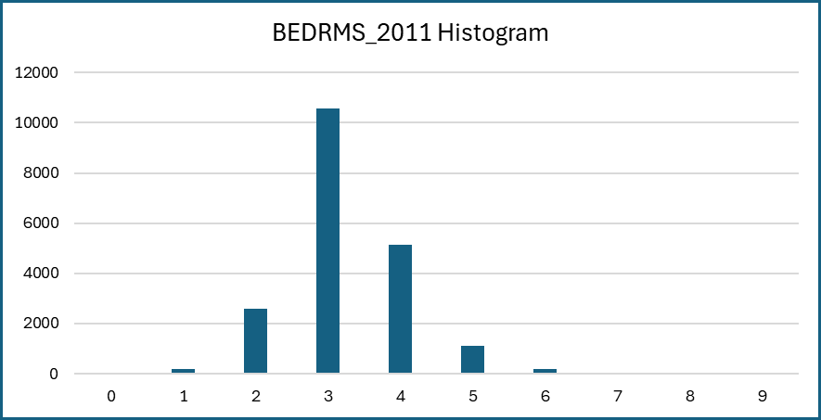
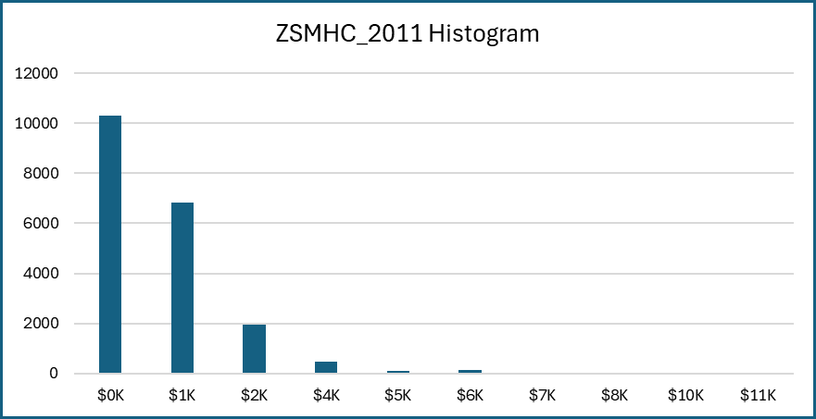
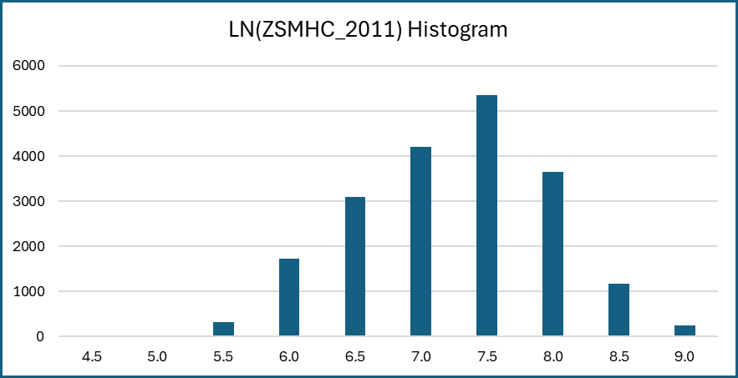
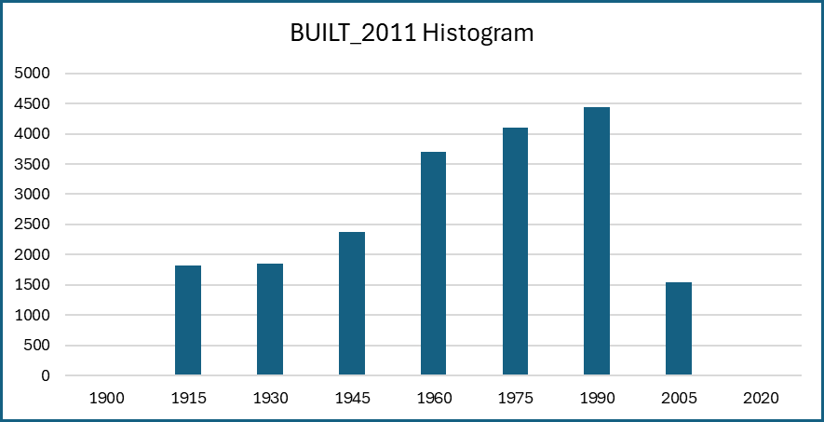
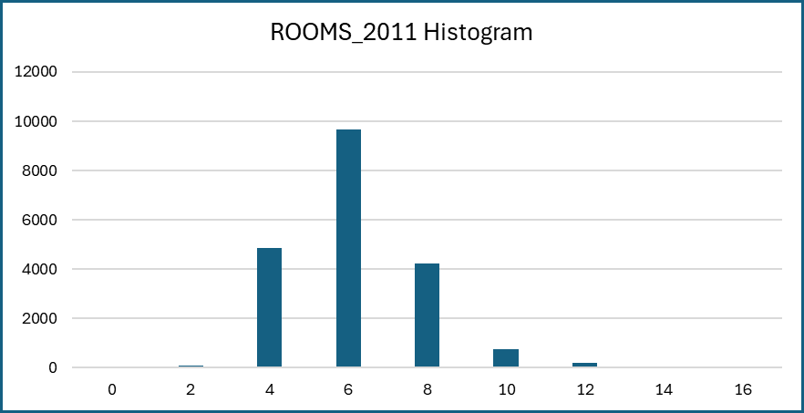
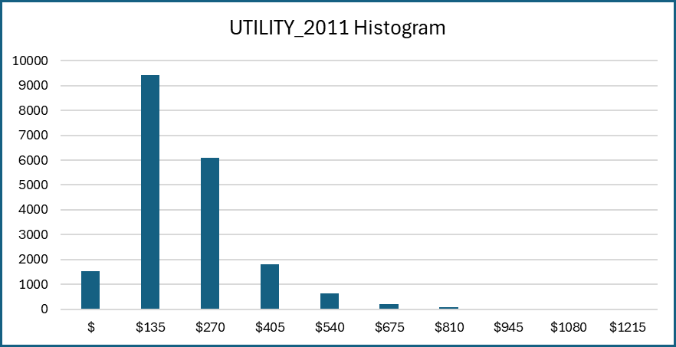
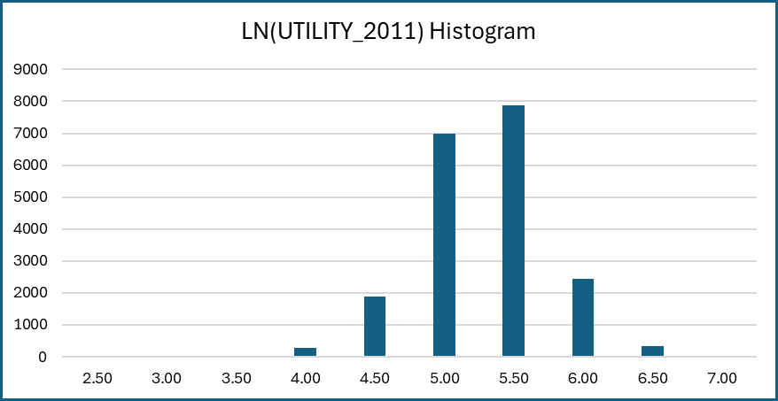
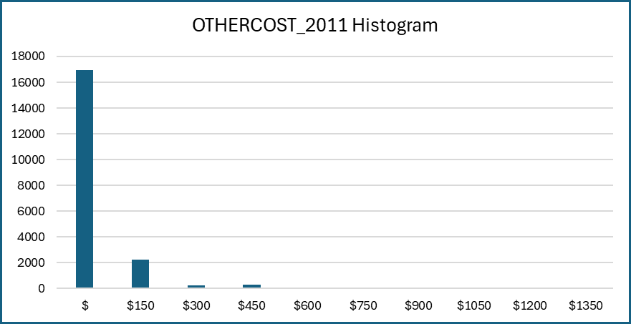
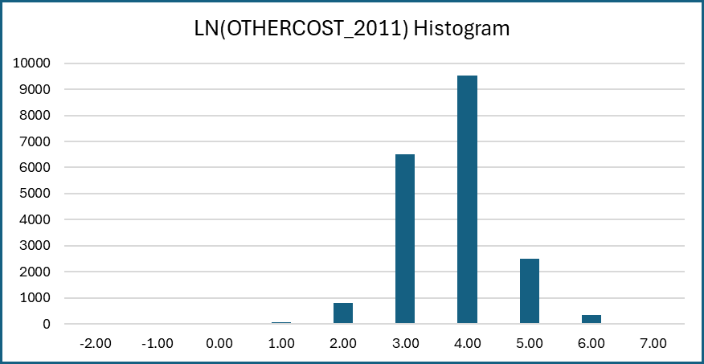
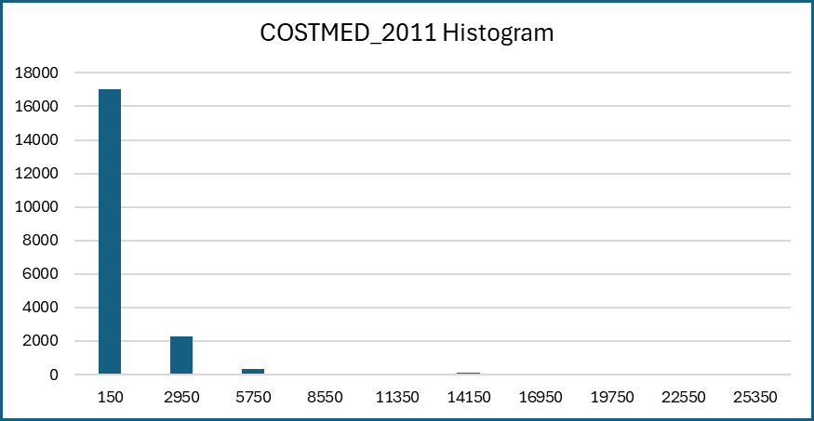
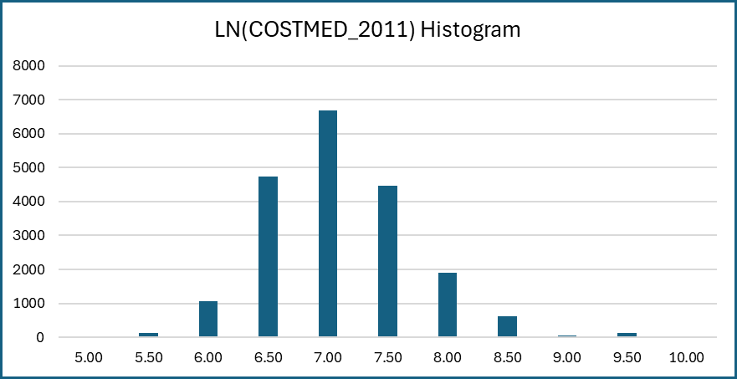
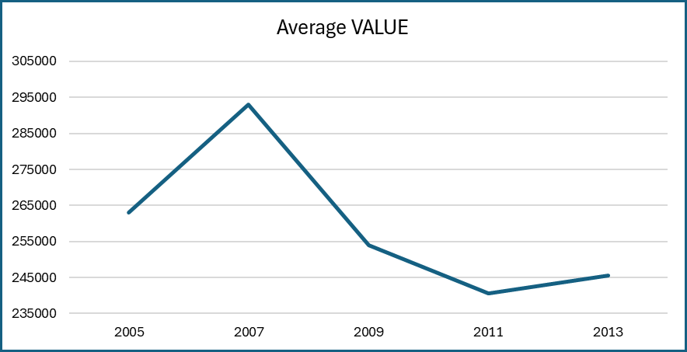
Graphs and Charts
(Please put down any graphs or charts that you may wish to include in this worksheet)

Statistical Tests
Statistical Tests
(This worksheet should contain any statistical tests that you may have conducted using the data.)

General Analysis

Pair-wise Correlation
Monthly Mortgage Costs
 | COST06_2011 | COST08_2011 | COST12_2011 | COSTMED_2011
COST06_2011 | 1
COST08_2011 | 0.99984996838 | 1
COST12_2011 | 0.99912596994 | 0.99970012748 | 1
COSTMED_2011 | 0.99997086683 | 0.99968861998 | 0.99877779002 | 1

Pair-wise Correlation
 | VALUE_2013 | VALUE_2011
VALUE_2013 | 1
VALUE_2011 | 0.72343470485 | 1

Pair-wise Correlation
All Variables
 | LN(VALUE_2013) | LN(VALUE_2011) | AGE1_2011 | METRO3_2011 | CCITY_2011 | REGION_2011 | REGNE_2011 | REGMW_2011 | REWS_2011 | LMED_2011 | LN(LMED_2011) | FMR_2011 | LN(FMR_2011) | IPOV_2011 | LN(IPOV_2011) | PER_2011 | ZINC2_2011 | LN(ZINC2_2011) | ZADEQ_2011 | ADEQ_2011 | INADEQ_2011 | ZSMHC_2011 | LN(ZSMHC_2011) | BEDRMS_2011 | BUILT_2011 | ROOMS_2011 | UTILITY_2011 | LN(UTILITY_2011) | OTHERCOST_2011 | LN(OTHERCOST_2011) | COSTMED_2011 | LN(COSTMED_2011)
LN(VALUE_2013) | 1
LN(VALUE_2011) | 0.74616624987 | 1
AGE1_2011 | -0.025773056 | -0.010304903168 | 1
METRO3_2011 | -0.15304818381 | -0.14500932003 | 0.063877828155 | 1
CCITY_2011 | -0.030000060053 | -0.028308424825 | -0.02447507754 | -0.62605780887 | 1
REGION_2011 | 0.10718215922 | 0.087969570692 | -0.0094879474739 | -0.069884663382 | 0.10093178555 | 1
REGNE_2011 | 0.12955607279 | 0.14780343507 | 0.019941151929 | -0.022514437389 | -0.070380593004 | -0.72825428168 | 1
REGMW_2011 | -0.21862411535 | -0.21790015273 | -0.018928665829 | 0.074110677626 | -0.015189305558 | -0.35817298584 | -0.27713322988 | 1
REWS_2011 | -0.12251763855 | -0.12721777143 | 0.0075712995569 | 0.060335195377 | -0.014340631255 | 0.31498489109 | -0.34200736379 | -0.45628070569 | 1
LMED_2011 | 0.38326947754 | 0.38830857033 | -0.022295901589 | -0.45145192351 | 0.055195666195 | -0.19158493429 | 0.3919716002 | -0.11436348935 | -0.31727751147 | 1
LN(LMED_2011) | 0.37901739879 | 0.384215446 | -0.027855294006 | -0.48755063887 | 0.068040482011 | -0.19523591563 | 0.38969601232 | -0.092015057654 | -0.34570369629 | 0.99144477855 | 1
FMR_2011 | 0.52851939681 | 0.52666658648 | -0.036621256425 | -0.40703889207 | 0.082099582941 | 0.21411832364 | 0.1771192546 | -0.38244379491 | -0.15252164206 | 0.67257619885 | 0.65611789643 | 1
LN(FMR_2011) | 0.53410673367 | 0.53346084134 | -0.052868096578 | -0.44842371706 | 0.091443114866 | 0.20373156143 | 0.20120433054 | -0.41199727782 | -0.13321731578 | 0.66462636 | 0.65990199375 | 0.97861627196 | 1
IPOV_2011 | 0.13493372822 | 0.12629207466 | -0.45185642561 | -0.076489488896 | 0.0096240455486 | 0.012399342845 | 0.0255307715 | -0.024591049045 | -0.040332300298 | 0.08510256277 | 0.086855872207 | 0.21123649784 | 0.22490054691 | 1
LN(IPOV_2011) | 0.14886529384 | 0.14001161504 | -0.49490874108 | -0.073811166929 | 0.0042363975842 | 0.010550907963 | 0.025671837083 | -0.024366627329 | -0.037263290387 | 0.082397505205 | 0.084555251046 | 0.20972586681 | 0.22621521459 | 0.98338640746 | 1
PER_2011 | 0.14133704737 | 0.13410801507 | -0.4133049145 | -0.070115228891 | 0.0046791466059 | 0.011668214413 | 0.025812816993 | -0.023674785071 | -0.041182319095 | 0.082627589471 | 0.084059478679 | 0.21081705413 | 0.22483838754 | 0.99050220855 | 0.98266190925 | 1
ZINC2_2011 | 0.39938888793 | 0.42121676994 | -0.20495693033 | -0.1006265428 | -0.017192434659 | 0.011039995397 | 0.051126603349 | -0.056570286133 | -0.038744732012 | 0.18672977997 | 0.1867741961 | 0.24726965892 | 0.25423349861 | 0.23293601053 | 0.26466782429 | 0.23188848315 | 1
LN(ZINC2_2011) | 0.35255446469 | 0.37494661168 | -0.30527277044 | -0.088450860473 | -0.019611778284 | 0.0026577118543 | 0.045766815309 | -0.029601434111 | -0.05867318011 | 0.16291255784 | 0.16652828772 | 0.21493553522 | 0.23016253403 | 0.30214274371 | 0.34929230005 | 0.30455788444 | 0.76765017469 | 1
ZADEQ_2011 | -0.072340202019 | -0.081336359554 | 0.01962647076 | 0.022584979697 | 0.0060232837832 | -0.012910567272 | 0.017548885767 | -0.024493308287 | 0.030571368456 | -0.016516712981 | -0.022918724139 | -0.027939818126 | -0.034900903742 | -0.0077373164772 | -0.011743307504 | -0.0092638437972 | -0.048785477388 | -0.071712997111 | 1
ADEQ_2011 | 0.086383173462 | 0.095142155623 | -0.018690035533 | -0.032094446749 | -0.0051636291358 | 0.0068155409079 | -0.010342854525 | 0.027709082464 | -0.040927138689 | 0.029305527617 | 0.037146943757 | 0.038114938506 | 0.047482313583 | 0.0096508533721 | 0.013135163985 | 0.011419793836 | 0.052012250608 | 0.076437939504 | -0.94192640666 | 1
INADEQ_2011 | -0.084789559216 | -0.090362620816 | 0.011108344491 | 0.039316777653 | 0.0019748556141 | 0.0064246524458 | -0.0060292355019 | -0.024851422769 | 0.046913054752 | -0.043375468451 | -0.051372014347 | -0.044656189914 | -0.055459286005 | -0.010100288582 | -0.011539203231 | -0.011754379087 | -0.041532943513 | -0.061006141672 | 0.54002118211 | -0.79130305716 | 1
ZSMHC_2011 | 0.5107888365 | 0.56835174181 | -0.28876442155 | -0.19575740549 | 0.019226916706 | 0.033538137786 | 0.10749357926 | -0.12826780207 | -0.085530551954 | 0.29917189904 | 0.29892034544 | 0.42720423522 | 0.43131068485 | 0.30645809136 | 0.32674696505 | 0.29778811511 | 0.47669060481 | 0.41719185021 | -0.042652305147 | 0.047532148191 | -0.041471258384 | 1
LN(ZSMHC_2011) | 0.48817517077 | 0.54505444703 | -0.40139972375 | -0.23022547927 | 0.028586763661 | 0.011714428329 | 0.12428987322 | -0.11858864818 | -0.097978909693 | 0.31311933935 | 0.31766039422 | 0.41670840531 | 0.43866295989 | 0.36253591227 | 0.39307851699 | 0.3508356742 | 0.44231398306 | 0.46080399756 | -0.05442753639 | 0.062699177669 | -0.058044726262 | 0.88994269133 | 1
BEDRMS_2011 | 0.33019060688 | 0.34159416867 | -0.11359631492 | -0.066985915148 | -0.023962608489 | 0.042645758123 | -0.0072411641277 | -0.043437998981 | 0.0093543542611 | 0.10103214857 | 0.10317419503 | 0.4257960365 | 0.468831733 | 0.33551921261 | 0.33856899105 | 0.33796254514 | 0.26844722498 | 0.255162764 | -0.050937571737 | 0.057660177201 | -0.05176982509 | 0.32567781961 | 0.32814697821 | 1
BUILT_2011 | 0.19230503616 | 0.18925692604 | -0.15106006562 | 0.053896588668 | -0.12956108412 | 0.22209196931 | -0.19281753519 | -0.10933823194 | 0.19834165411 | -0.12906544676 | -0.12160705787 | 0.0063091406245 | 0.03828376993 | 0.096189606565 | 0.11192301149 | 0.095558737317 | 0.12954873568 | 0.15345278672 | -0.078513069552 | 0.081573709612 | -0.061496881186 | 0.16743371477 | 0.20413266225 | 0.15363266082 | 1
ROOMS_2011 | 0.39646535465 | 0.41468292237 | -0.061655850876 | -0.069381324574 | -0.032112808181 | -0.017822501052 | 0.035633931963 | -0.016075181375 | -0.017504223692 | 0.13730519903 | 0.14243966066 | 0.30838952809 | 0.34426770481 | 0.25780710028 | 0.26681869026 | 0.26427773576 | 0.34799995511 | 0.31869617393 | -0.050700396628 | 0.056148301754 | -0.048412491756 | 0.37058672332 | 0.36799472685 | 0.74019786261 | 0.13192028512 | 1
UTILITY_2011 | 0.28207928072 | 0.29239223942 | -0.07296835729 | -0.15183097272 | 0.043557845341 | -0.10598242111 | 0.21180145485 | -0.17331733203 | 0.039886242631 | 0.17906705101 | 0.17552627849 | 0.27061083151 | 0.28703807286 | 0.29726146006 | 0.30496828975 | 0.30227742029 | 0.28310398984 | 0.24227732151 | -0.0015204281292 | 0.0079878944115 | -0.017251525408 | 0.44123643835 | 0.44942631648 | 0.32661517668 | -0.0094070503161 | 0.3708368371 | 1
LN(UTILITY_2011) | 0.26751256051 | 0.27555750514 | -0.08829423183 | -0.16997779342 | 0.047063824912 | -0.10124720593 | 0.20481291777 | -0.17744969293 | 0.054232040995 | 0.17763984047 | 0.17483346296 | 0.26793239478 | 0.29135966892 | 0.31085542839 | 0.32545407706 | 0.31846115319 | 0.2692877817 | 0.24980086949 | -0.0080630865178 | 0.013398643903 | -0.018900107494 | 0.4075459637 | 0.4553763128 | 0.33433227726 | -0.0020059095204 | 0.38019140003 | 0.94100985037 | 1
OTHERCOST_2011 | 0.31610282027 | 0.36750024122 | 0.025354101718 | -0.10936552172 | -0.0060715556345 | 0.092868943055 | -0.015469424298 | -0.13030680294 | 0.085711571919 | 0.099461825269 | 0.096235217967 | 0.22494431481 | 0.23092612512 | 0.02389559089 | 0.0278533653 | 0.027827701545 | 0.22481140465 | 0.16863523478 | -0.029746108874 | 0.029502915758 | -0.019783499685 | 0.36998138546 | 0.32982865286 | 0.12878793749 | 0.16969260417 | 0.17879368026 | 0.17098855794 | 0.14019126873 | 1
LN(OTHERCOST_2011) | 0.3775594989 | 0.47559317779 | 0.01083733671 | -0.11902004037 | -0.011239607528 | 0.087541603924 | 0.0054885890551 | -0.14451234366 | 0.073558855838 | 0.13825694452 | 0.13535955515 | 0.26818689898 | 0.28163767811 | 0.056326357992 | 0.063995905695 | 0.061689493166 | 0.26079707748 | 0.23061758257 | -0.05022310456 | 0.051247358663 | -0.036998445169 | 0.38186119318 | 0.38512152901 | 0.18415453988 | 0.20401459099 | 0.24497422974 | 0.20344045143 | 0.18782424372 | 0.77988081302 | 1
COSTMED_2011 | 0.62836147927 | 0.80849743031 | 0.019850038656 | -0.13323466547 | 0.0012195693341 | 0.084499394555 | 0.11118538288 | -0.18713221115 | -0.090599581421 | 0.32175135523 | 0.31275771482 | 0.47029557687 | 0.45290980189 | 0.10292793064 | 0.11065074017 | 0.10904157716 | 0.40041086858 | 0.29209862465 | -0.041099766281 | 0.046595069361 | -0.041949390429 | 0.58066579813 | 0.46908653427 | 0.28874915484 | 0.075791928813 | 0.35521801061 | 0.36118334873 | 0.3176897736 | 0.43460141813 | 0.42794205668 | 1
LN(COSTMED_2011) | 0.75090700748 | 0.9772572047 | -0.012434800653 | -0.16919462789 | -0.015067478947 | 0.084420881207 | 0.16098618215 | -0.24284038119 | -0.10485413853 | 0.39662904275 | 0.39107604335 | 0.55321975246 | 0.55958905791 | 0.16062545738 | 0.17475771714 | 0.16906896052 | 0.44399081984 | 0.38772320709 | -0.070789746124 | 0.083456007499 | -0.080276218348 | 0.6171215334 | 0.59558273032 | 0.3671448194 | 0.17305625052 | 0.44557937881 | 0.42163826434 | 0.40608834483 | 0.4430008348 | 0.53572110005 | 0.8513778554 | 1

Model 1
Pair-wise Correlation
 | CCITY_2011 | REGNE_2011 | REGMW_2011 | REWS_2011 | LN(LMED_2011) | LN(FMR_2011) | BEDRMS_2011 | BUILT_2011 | LN(ZINC2_2011) | LN(ZSMHC) | LN(UTILITY_2011) | LN(COSTMED_2011)
CCITY_2011 | 1
REGNE_2011 | -0.0053577576339 | 1
REGMW_2011 | 0.016756070851 | -0.26170048866 | 1
REWS_2011 | -0.010809971025 | -0.34705449243 | -0.45631018939 | 1
LN(LMED_2011) | 0.068040482011 | 0.0031297193895 | -0.041178727692 | 0.0022184330761 | 1
LN(FMR_2011) | 0.091443114866 | -0.02172707236 | 0.0023630173494 | -0.026675820113 | 0.65990199375 | 1
BEDRMS_2011 | -0.023962608489 | 0.0038326436385 | 0.0054422847454 | -0.033306821715 | 0.10317419503 | 0.468831733 | 1
BUILT_2011 | -0.12956108412 | -0.014287379275 | -0.025680807551 | 0.023246320977 | -0.12160705787 | 0.03828376993 | 0.15363266082 | 1
LN(ZINC2_2011) | -0.0021773846827 | 0.036568445492 | -0.0055205617065 | -0.061754123093 | -0.050572021993 | -0.022243379783 | 0.010171096439 | -0.035797257937 | 1
LN(ZSMHC) | 0.028586763661 | -0.026807847337 | -0.02668251579 | 0.022794938465 | 0.31766039422 | 0.43866295989 | 0.32814697821 | 0.20413266225 | -0.037521180337 | 1
LN(UTILITY_2011) | 0.047063824912 | -0.020609399213 | 0.019832567017 | -0.012535701927 | 0.17483346296 | 0.29135966892 | 0.33433227726 | -0.0020059095204 | 0.019816741303 | 0.4553763128 | 1
LN(COSTMED_2011) | -0.015067478947 | -0.015604941318 | -0.022562220545 | -0.0022521834479 | 0.39107604335 | 0.55958905791 | 0.3671448194 | 0.17305625052 | -0.034538336141 | 0.59558273032 | 0.40608834483 | 1

LN(VALUE_2013) = β0 + β1(CCITY_2011) + β2(REGNE_2011) + β3(REGMW_2011) + β4(REGS_2011) + β5(LN(LMED_2011)) + β6(LN(FMR_2011)) + β7(BEDRMS_2011) + β8(BUILT_2011) +
β9(LN(ZINC2_2011)) + β10(LN(ZSMHC_2011)) + β11(LN(UTILITY_2011)) + β12(LN(COSTMED_2011))

Regression Analysis
SUMMARY OUTPUT

Regression Statistics
Multiple R | 0.77344156523
R Square | 0.59821185483
Adjusted R Square | 0.59796843292
Standard Error | 0.49291291568
Observations | 19820

ANOVA
 | df | SS | MS | F | Significance F
Regression | 12 | 7165.0131897 | 597.08443247 | 2457.5103304 | 0
Residual | 19807 | 4812.3709624 | 0.24296314245
Total | 19819 | 11977.384152

 | Coefficients | Standard Error | t Stat | P-value | Lower 95% | Upper 95% | Lower 95.0% | Upper 95.0%
Intercept | -1.9844865482 | 0.42122861768 | -4.7111864315 | 2.4795028244E-06 | -2.8101299214 | -1.1588431749 | -2.8101299214 | -1.1588431749
CCITY_2011 | -0.04793118142 | 0.0087291912972 | -5.4909074378 | 4.0478728681E-08 | -0.065041127529 | -0.030821235311 | -0.065041127529 | -0.030821235311
REGNE_2011 | -0.068222670269 | 0.013326215315 | -5.1194332865 | 3.0932271009E-07 | -0.094343168505 | -0.042102172033 | -0.094343168505 | -0.042102172033
REGMW_2011 | -0.10176852504 | 0.013932043778 | -7.3046371852 | 2.8855418347E-13 | -0.12907649781 | -0.074460552276 | -0.12907649781 | -0.074460552276
REWS_2011 | -0.11144926881 | 0.01127254688 | -9.886786899 | 5.3701776431E-23 | -0.13354440489 | -0.089354132724 | -0.13354440489 | -0.089354132724
LN(LMED_2011) | 0.22702128101 | 0.034367214537 | 6.6057515592 | 4.0555346082E-11 | 0.15965866189 | 0.29438390014 | 0.15965866189 | 0.29438390014
LN(FMR_2011) | 0.26622869427 | 0.024078040194 | 11.05690879 | 2.456758855E-28 | 0.21903371869 | 0.31342366986 | 0.21903371869 | 0.31342366986
BEDRMS_2011 | 0.029476650618 | 0.00568908792 | 5.1812612201 | 2.2255115046E-07 | 0.018325561771 | 0.040627739465 | 0.018325561771 | 0.040627739465
BUILT_2011 | 0.0019401859292 | 0.00014662450844 | 13.232343964 | 8.4227648057E-40 | 0.0016527896112 | 0.0022275822472 | 0.0016527896112 | 0.0022275822472
LN(ZINC2_2011) | 0.048826417671 | 0.0041603793007 | 11.736049562 | 1.0606840619E-31 | 0.040671725764 | 0.056981109578 | 0.040671725764 | 0.056981109578
LN(ZSMHC) | 0.024441699839 | 0.0067276424902 | 3.6330259633 | 0.00028082451312 | 0.011254957043 | 0.037628442634 | 0.011254957043 | 0.037628442634
LN(UTILITY_2011) | -0.099650297611 | 0.0094004399738 | -10.600599322 | 3.480055896E-26 | -0.11807594735 | -0.081224647872 | -0.11807594735 | -0.081224647872
LN(COSTMED_2011) | 0.78095837238 | 0.0081044939828 | 96.361151485 | 0 | 0.76507288533 | 0.79684385943 | 0.76507288533 | 0.79684385943

Mean Absolute Deviation |  | Mean VALUE
$71,463.04 |  | $247,720.00

Model 2
Pair-wise Correlation
 | LN(VALUE_2011) | CCITY_2011 | REGNE_2011 | REGMW_2011 | REWS_2011 | LN(LMED_2011) | LN(FMR_2011) | BEDRMS_2011 | BUILT_2011 | LN(ZINC2_2011) | LN(ZSMHC) | LN(UTILITY_2011) | LN(COSTMED_2011)
LN(VALUE_2011) | 1
CCITY_2011 | -0.028308424825 | 1
REGNE_2011 | 0.14780343507 | -0.070380593004 | 1
REGMW_2011 | -0.21790015273 | -0.015189305558 | -0.27713322988 | 1
REWS_2011 | -0.12721777143 | -0.014340631255 | -0.34200736379 | -0.45628070569 | 1
LN(LMED_2011) | 0.384215446 | 0.068040482011 | 0.38969601232 | -0.092015057654 | -0.34570369629 | 1
LN(FMR_2011) | 0.53346084134 | 0.091443114866 | 0.20120433054 | -0.41199727782 | -0.13321731578 | 0.65990199375 | 1
BEDRMS_2011 | 0.34159416867 | -0.023962608489 | -0.0072411641277 | -0.043437998981 | 0.0093543542611 | 0.10317419503 | 0.468831733 | 1
BUILT_2011 | 0.18925692604 | -0.12956108412 | -0.19281753519 | -0.10933823194 | 0.19834165411 | -0.12160705787 | 0.03828376993 | 0.15363266082 | 1
LN(ZINC2_2011) | 0.37494661168 | -0.019611778284 | 0.045766815309 | -0.029601434111 | -0.05867318011 | 0.16652828772 | 0.23016253403 | 0.255162764 | 0.15345278672 | 1
LN(ZSMHC) | 0.54505444703 | 0.028586763661 | 0.12428987322 | -0.11858864818 | -0.097978909693 | 0.31766039422 | 0.43866295989 | 0.32814697821 | 0.20413266225 | 0.46080399756 | 1
LN(UTILITY_2011) | 0.27555750514 | 0.047063824912 | 0.20481291777 | -0.17744969293 | 0.054232040995 | 0.17483346296 | 0.29135966892 | 0.33433227726 | -0.0020059095204 | 0.24980086949 | 0.4553763128 | 1
LN(COSTMED_2011) | 0.9772572047 | -0.015067478947 | 0.16098618215 | -0.24284038119 | -0.10485413853 | 0.39107604335 | 0.55958905791 | 0.3671448194 | 0.17305625052 | 0.38772320709 | 0.59558273032 | 0.40608834483 | 1

Model 3
Pair-wise Correlation
 | LN(VALUE_2011) | CCITY_2011 | REGNE_2011 | REGMW_2011 | REWS_2011 | LN(LMED_2011) | LN(FMR_2011) | BEDRMS_2011 | BUILT_2011 | LN(ZINC2_2011) | LN(ZSMHC) | LN(UTILITY_2011)
LN(VALUE_2011) | 1
CCITY_2011 | -0.028308424825 | 1
REGNE_2011 | 0.14780343507 | -0.070380593004 | 1
REGMW_2011 | -0.21790015273 | -0.015189305558 | -0.27713322988 | 1
REWS_2011 | -0.12721777143 | -0.014340631255 | -0.34200736379 | -0.45628070569 | 1
LN(LMED_2011) | 0.384215446 | 0.068040482011 | 0.38969601232 | -0.092015057654 | -0.34570369629 | 1
LN(FMR_2011) | 0.53346084134 | 0.091443114866 | 0.20120433054 | -0.41199727782 | -0.13321731578 | 0.65990199375 | 1
BEDRMS_2011 | 0.34159416867 | -0.023962608489 | -0.0072411641277 | -0.043437998981 | 0.0093543542611 | 0.10317419503 | 0.468831733 | 1
BUILT_2011 | 0.18925692604 | -0.12956108412 | -0.19281753519 | -0.10933823194 | 0.19834165411 | -0.12160705787 | 0.03828376993 | 0.15363266082 | 1
LN(ZINC2_2011) | 0.37494661168 | -0.019611778284 | 0.045766815309 | -0.029601434111 | -0.05867318011 | 0.16652828772 | 0.23016253403 | 0.255162764 | 0.15345278672 | 1
LN(ZSMHC) | 0.54505444703 | 0.028586763661 | 0.12428987322 | -0.11858864818 | -0.097978909693 | 0.31766039422 | 0.43866295989 | 0.32814697821 | 0.20413266225 | 0.46080399756 | 1
LN(UTILITY_2011) | 0.27555750514 | 0.047063824912 | 0.20481291777 | -0.17744969293 | 0.054232040995 | 0.17483346296 | 0.29135966892 | 0.33433227726 | -0.0020059095204 | 0.24980086949 | 0.4553763128 | 1

LN(VALUE_2013) = β0 + β1(LN(VALUE_2011)) + β2(CCITY_2011) + β3(REGNE_2011) + β4(REGMW_2011) + β5(REGS_2011) + β6(LN(LMED_2011)) + β7(LN(FMR_2011)) + β8(BEDRMS_2011) +
β9(BUILT_2011) + β10(LN(ZINC2_2011)) + β11(LN(ZSMHC_2011)) + β12(LN(UTILITY_2011))

Regression Analysis
SUMMARY OUTPUT

Regression Statistics
Multiple R | 0.77184746822
R Square | 0.5957485142
Adjusted R Square | 0.59550359989
Standard Error | 0.49442161752
Observations | 19820

ANOVA
 | df | SS | MS | F | Significance F
Regression | 12 | 7135.5088126 | 594.62573439 | 2432.4773141 | 0
Residual | 19807 | 4841.8753394 | 0.24445273587
Total | 19819 | 11977.384152

 | Coefficients | Standard Error | t Stat | P-value | Lower 95% | Upper 95% | Lower 95.0% | Upper 95.0%
Intercept | -3.8483351895 | 0.42065584281 | -9.1484172995 | 6.3230929204E-20 | -4.672855876 | -3.023814503 | -4.672855876 | -3.023814503
LN(VALUE_2011) | 0.59621576782 | 0.0062472274685 | 95.436859122 | 0 | 0.5839706787 | 0.60846085693 | 0.5839706787 | 0.60846085693
CCITY_2011 | -0.048384627408 | 0.0087558537685 | -5.525974815 | 3.3178846696E-08 | -0.065546834194 | -0.031222420622 | -0.065546834194 | -0.031222420622
REGNE_2011 | -0.083030209652 | 0.013359801134 | -6.2149285619 | 5.2373250372E-10 | -0.10921653891 | -0.056843880397 | -0.10921653891 | -0.056843880397
REGMW_2011 | -0.10673302107 | 0.013969957432 | -7.6401822684 | 2.2675852677E-14 | -0.13411530777 | -0.079350734359 | -0.13411530777 | -0.079350734359
REWS_2011 | -0.10659642964 | 0.011313659018 | -9.4219234883 | 4.9016244966E-21 | -0.12877214896 | -0.084420710322 | -0.12877214896 | -0.084420710322
LN(LMED_2011) | 0.19514189559 | 0.034499985931 | 5.6562891355 | 1.5681492002E-08 | 0.12751903341 | 0.26276475777 | 0.12751903341 | 0.26276475777
LN(FMR_2011) | 0.3069307278 | 0.024098523454 | 12.73649518 | 5.1787427468E-37 | 0.25969560332 | 0.35416585229 | 0.25969560332 | 0.35416585229
BEDRMS_2011 | 0.020588634619 | 0.0057141629362 | 3.6030884748 | 0.00031522862993 | 0.0093883966393 | 0.031788872598 | 0.0093883966393 | 0.031788872598
BUILT_2011 | 0.0017248472128 | 0.00014732615652 | 11.707678077 | 1.4792856384E-31 | 0.0014360756058 | 0.0020136188198 | 0.0014360756058 | 0.0020136188198
LN(ZINC2_2011) | 0.044886012447 | 0.0041796218316 | 10.73925208 | 7.892967873E-27 | 0.036693603568 | 0.053078421327 | 0.036693603568 | 0.053078421327
LN(ZSMHC) | 0.042255512825 | 0.0066967414111 | 6.3098618016 | 2.8520450472E-10 | 0.029129338733 | 0.055381686917 | 0.029129338733 | 0.055381686917
LN(UTILITY_2011) | 0.047380891608 | 0.0093108236744 | 5.0887970028 | 3.6363631623E-07 | 0.029130897321 | 0.065630885894 | 0.029130897321 | 0.065630885894

Model 4
Pair-wise Correlation
 | AGE1_2011 | CCITY_2011 | LN(LMED_2011) | LN(FMR_2011) | LN(IPOV_2011) | LN(ZINC2_2011) | ADEQ_2011 | LN(ZSMHC_2011) | BEDRMS_2011 | BUILT_2011 | ROOMS_2011 | LN(UTILITY_2011) | LN(COSTMED_2011)
AGE1_2011 | 1
CCITY_2011 | -0.02447507754 | 1
LN(LMED_2011) | -0.027855294006 | 0.068040482011 | 1
LN(FMR_2011) | -0.052868096578 | 0.091443114866 | 0.65990199375 | 1
LN(IPOV_2011) | -0.49490874108 | 0.0042363975842 | 0.084555251046 | 0.22621521459 | 1
LN(ZINC2_2011) | -0.30527277044 | -0.019611778284 | 0.16652828772 | 0.23016253403 | 0.34929230005 | 1
ADEQ_2011 | -0.018690035533 | -0.0051636291358 | 0.037146943757 | 0.047482313583 | 0.013135163985 | 0.076437939504 | 1
LN(ZSMHC_2011) | -0.40139972375 | 0.028586763661 | 0.31766039422 | 0.43866295989 | 0.39307851699 | 0.46080399756 | 0.062699177669 | 1
BEDRMS_2011 | -0.11359631492 | -0.023962608489 | 0.10317419503 | 0.468831733 | 0.33856899105 | 0.255162764 | 0.057660177201 | 0.32814697821 | 1
BUILT_2011 | -0.15106006562 | -0.12956108412 | -0.12160705787 | 0.03828376993 | 0.11192301149 | 0.15345278672 | 0.081573709612 | 0.20413266225 | 0.15363266082 | 1
ROOMS_2011 | -0.061655850876 | -0.032112808181 | 0.14243966066 | 0.34426770481 | 0.26681869026 | 0.31869617393 | 0.056148301754 | 0.36799472685 | 0.74019786261 | 0.13192028512 | 1
LN(UTILITY_2011) | -0.08829423183 | 0.047063824912 | 0.17483346296 | 0.29135966892 | 0.32545407706 | 0.24980086949 | 0.013398643903 | 0.4553763128 | 0.33433227726 | -0.0020059095204 | 0.38019140003 | 1
LN(COSTMED_2011) | -0.012434800653 | -0.015067478947 | 0.39107604335 | 0.55958905791 | 0.17475771714 | 0.38772320709 | 0.083456007499 | 0.59558273032 | 0.3671448194 | 0.17305625052 | 0.44557937881 | 0.40608834483 | 1

LN(VALUE_2013) = β0 + β1(AGE1_2011) + β2(CCITY_2011) + β3(LN(LMED_2011)) + β4(LN(IPOV_2011)) + β5(LN(ZINC2_2011)) + β6(ADEQ_2011) + β7(LN(ZSMHC_2011)) + β8(BEDRMS_2011) +
β9(BUILT_2011) + β10(ROOMS_2011) + β11(LN(UTILITY_2011)) + β12(LN(COSTMED_2011))

Regression Analysis
SUMMARY OUTPUT

Regression Statistics
Multiple R | 0.77500940411
R Square | 0.60063957646
Adjusted R Square | 0.60037744955
Standard Error | 0.491433903
Observations | 19820

ANOVA
 | df | SS | MS | F | Significance F
Regression | 13 | 7194.0909442 | 553.39161109 | 2291.4075665 | 0
Residual | 19806 | 4783.2932079 | 0.24150728102
Total | 19819 | 11977.384152

 | Coefficients | Standard Error | t Stat | P-value | Lower 95% | Upper 95% | Lower 95.0% | Upper 95.0%
Intercept | -1.6752765609 | 0.43966877475 | -3.8103150759 | 0.00013920925581 | -2.5370641892 | -0.81348893255 | -2.5370641892 | -0.81348893255
AGE1_2011 | 0.0011241960667 | 0.00029080269315 | 3.8658378795 | 0.00011106182721 | 0.00055419842838 | 0.001694193705 | 0.00055419842838 | 0.001694193705
CCITY_2011 | -0.044364753439 | 0.0086287100447 | -5.1415279004 | 2.7510621403E-07 | -0.061277747929 | -0.027451758949 | -0.061277747929 | -0.027451758949
LN(LMED_2011) | 0.14159748191 | 0.029627233256 | 4.779301553 | 1.7716700637E-06 | 0.083525622941 | 0.19966934088 | 0.083525622941 | 0.19966934088
LN(FMR_2011) | 0.40762008265 | 0.019267738817 | 21.15557443 | 2.9932018736E-98 | 0.36985370057 | 0.44538646474 | 0.36985370057 | 0.44538646474
LN(IPOV_2011) | -0.034438267441 | 0.01479440836 | -2.3277894325 | 0.019933307471 | -0.063436547111 | -0.0054399877703 | -0.063436547111 | -0.0054399877703
LN(ZINC2_2011) | 0.049223029688 | 0.0043053423618 | 11.433011722 | 3.5568300472E-30 | 0.040784198013 | 0.057661861363 | 0.040784198013 | 0.057661861363
ADEQ_2011 | 0.074727974402 | 0.023746731388 | 3.1468741184 | 0.0016527051256 | 0.028182391687 | 0.12127355712 | 0.028182391687 | 0.12127355712
LN(ZSMHC_2011) | 0.040986658686 | 0.0073628633928 | 5.5666737925 | 2.630136233E-08 | 0.02655482967 | 0.055418487702 | 0.02655482967 | 0.055418487702
BEDRMS_2011 | -0.041872896899 | 0.0071809040099 | -5.8311456109 | 5.5903778102E-09 | -0.055948070282 | -0.027797723516 | -0.055948070282 | -0.027797723516
BUILT_2011 | 0.0019066664311 | 0.00014288568389 | 13.343999057 | 1.9196457392E-40 | 0.0016265985215 | 0.0021867343406 | 0.0016265985215 | 0.0021867343406
ROOMS_2011 | 0.044762968923 | 0.0034929578822 | 12.815204315 | 1.898729928E-37 | 0.037916478879 | 0.051609458967 | 0.037916478879 | 0.051609458967
LN(UTILITY_2011) | -0.12497748755 | 0.0093318699092 | -13.392544985 | 1.0054241262E-40 | -0.14326873428 | -0.10668624082 | -0.14326873428 | -0.10668624082
LN(COSTMED_2011) | 0.75148079098 | 0.008582004668 | 87.564714779 | 0 | 0.73465934294 | 0.76830223902 | 0.73465934294 | 0.76830223902

Mean Absolute Deviation |  | Mean VALUE
$71,177.28 |  | $247,720.00

Model 5
Pair-wise Correlation
 | LN(VALUE_2011) | LN(LMED_2011) | LN(FMR_2011) | LN(ZINC2_2011) | ZSMHC_2011 | BEDRMS_2011 | ROOMS_2011 | OTHERCOST_2011
LN(VALUE_2011) | 1
LN(LMED_2011) | 0.384215446 | 1
LN(FMR_2011) | 0.53346084134 | 0.65990199375 | 1
LN(ZINC2_2011) | 0.37494661168 | 0.16652828772 | 0.23016253403 | 1
ZSMHC_2011 | 0.56835174181 | 0.29892034544 | 0.43131068485 | 0.41719185021 | 1
BEDRMS_2011 | 0.34159416867 | 0.10317419503 | 0.468831733 | 0.255162764 | 0.32567781961 | 1
ROOMS_2011 | 0.41468292237 | 0.14243966066 | 0.34426770481 | 0.31869617393 | 0.37058672332 | 0.74019786261 | 1
OTHERCOST_2011 | 0.36750024122 | 0.096235217967 | 0.23092612512 | 0.16863523478 | 0.36998138546 | 0.12878793749 | 0.17879368026 | 1

LN(VALUE_2013) = β0 + β1(LN(LMED_2011)) + β2(LN(FMR_2011)) + β3(LN(ZINC2_2011)) + β4(ZSHMC_2011) + β5(BEDRMS_2011) + β6(ROOMS_2011) + β7(OTHERCOST_2011)

Regression Analysis
SUMMARY OUTPUT

Regression Statistics
Multiple R | 0.77205454901
R Square | 0.59606822664
Adjusted R Square | 0.5959051125
Standard Error | 0.49417616935
Observations | 19820

ANOVA
 | df | SS | MS | F | Significance F
Regression | 8 | 7139.3381313 | 892.41726642 | 3654.3014244 | 0
Residual | 19811 | 4838.0460208 | 0.24421008635
Total | 19819 | 11977.384152

 | Coefficients | Standard Error | t Stat | P-value | Lower 95% | Upper 95% | Lower 95.0% | Upper 95.0%
Intercept | 0.86323711996 | 0.26005404853 | 3.3194527247 | 0.00090356795112 | 0.35350940873 | 1.3729648312 | 0.35350940873 | 1.3729648312
LN(VALUE_2011) | 0.5796043452 | 0.0064831043107 | 89.402285914 | 0 | 0.56689691787 | 0.59231177252 | 0.56689691787 | 0.59231177252
LN(LMED_2011) | 0.0434441431 | 0.029432551255 | 1.4760576725 | 0.13994430404 | -0.01424612195 | 0.10113440815 | -0.01424612195 | 0.10113440815
LN(FMR_2011) | 0.43572059533 | 0.019102270031 | 22.809885664 | 1.0641037011E-113 | 0.3982785465 | 0.47316264415 | 0.3982785465 | 0.47316264415
LN(ZINC2_2011) | 0.041618494684 | 0.004107267981 | 10.132890008 | 4.5193664169E-24 | 0.033567905512 | 0.049669083857 | 0.033567905512 | 0.049669083857
ZSMHC_2011 | 4.5825787336E-05 | 4.3061265092E-06 | 10.641997451 | 2.2389214812E-26 | 3.7385418796E-05 | 5.4266155876E-05 | 3.7385418796E-05 | 5.4266155876E-05
BEDRMS_2011 | -0.050089474522 | 0.0071090147032 | -7.0459095406 | 1.9030062918E-12 | -0.064023738627 | -0.036155210417 | -0.064023738627 | -0.036155210417
ROOMS_2011 | 0.046785167375 | 0.0034567498747 | 13.534438149 | 1.4985616621E-41 | 0.040009648163 | 0.053560686587 | 0.040009648163 | 0.053560686587
OTHERCOST_2011 | 0.00021265858654 | 4.1786819623E-05 | 5.0891306985 | 3.6299725008E-07 | 0.00013075292098 | 0.00029456425209 | 0.00013075292098 | 0.00029456425209

Mean Absolute Deviation |  | Mean VALUE
$71,851.28 |  | $247,720

Model 6
Pair-wise Correlation
 | LN(VALUE_2011) | LN(VALUE_2009) | LN(VALUE_2007) | LN(VALUE_2005)
LN(VALUE_2011) | 1
LN(VALUE_2009) | 0.76686194115 | 1
LN(VALUE_2007) | 0.70504844204 | 0.74258152476 | 1
LN(VALUE_2005) | 0.70932355603 | 0.73149409342 | 0.753596745 | 1

LN(VALUE_2013) = β0 + β1(LN(VALUE_2011)) + β2(LN(VALUE_2009)) + β3(LN(VALUE_2007)) + β4(LN(VALUE_2005))

Regression Analysis
SUMMARY OUTPUT

Regression Statistics
Multiple R | 0.81185810066
R Square | 0.65911357561
Adjusted R Square | 0.65900437839
Standard Error | 0.45786572129
Observations | 12492

ANOVA
 | df | SS | MS | F | Significance F
Regression | 4 | 5061.5662301 | 1265.3915575 | 6035.9922176 | 0
Residual | 12487 | 2617.7874009 | 0.20964101873
Total | 12491 | 7679.353631

 | Coefficients | Standard Error | t Stat | P-value | Lower 95% | Upper 95% | Lower 95.0% | Upper 95.0%
Intercept | 1.3584266463 | 0.069229445943 | 19.622093284 | 1.8633461767E-84 | 1.2227262722 | 1.4941270205 | 1.2227262722 | 1.4941270205
LN(VALUE_2011) | 0.37923137015 | 0.0090051323002 | 42.112803844 | 0 | 0.36157992421 | 0.39688281609 | 0.36157992421 | 0.39688281609
LN(VALUE_2009) | 0.2332071008 | 0.0094045540801 | 24.797252354 | 1.5001438893E-132 | 0.21477272667 | 0.25164147493 | 0.21477272667 | 0.25164147493
LN(VALUE_2007) | 0.10481590578 | 0.0081625398535 | 12.841089619 | 1.6662896632E-37 | 0.088816070785 | 0.12081574078 | 0.088816070785 | 0.12081574078
LN(VALUE_2005) | 0.16843797969 | 0.0082247519081 | 20.479399449 | 1.0471006372E-91 | 0.15231619949 | 0.1845597599 | 0.15231619949 | 0.1845597599

Mean Absolute Deviation |  | Mean VALUE
$66,072 |  | $245,660

Model 7
Pair-wise Correlation
 | LN(VALUE_2011) | LN(VALUE_2009) | LN(VALUE_2007) | LN(VALUE_2005) | REGNE | REGMW | REGS | CCITY
LN(VALUE_2011) | 1
LN(VALUE_2009) | 0.76686194115 | 1
LN(VALUE_2007) | 0.70504844204 | 0.74258152476 | 1
LN(VALUE_2005) | 0.70932355603 | 0.73149409342 | 0.753596745 | 1
REGNE | 0.14470008098 | 0.12365389168 | 0.10683229785 | 0.079692020121 | 1
REGMW | -0.20238190691 | -0.19928806832 | -0.21277414832 | -0.16098656611 | -0.28890743173 | 1
REGS | -0.14434674778 | -0.15630137845 | -0.14832917367 | -0.18595428212 | -0.34447269694 | -0.46945541577 | 1
CCITY | -0.02992120848 | -0.025231693269 | -0.020022185141 | -0.017142745419 | -0.066736446855 | -0.013922896777 | -0.0050462284957 | 1

LN(VALUE_2013) = β0 + β1(LN(VALUE_2011)) + β2(LN(VALUE_2009)) + β3(LN(VALUE_2007)) + β4(LN(VALUE_2005)) + β5(REGNE) + β6(REGMW) + β7(REGS) + β8(CCITY)

Regression Analysis
SUMMARY OUTPUT

Regression Statistics
Multiple R | 0.81293890733
R Square | 0.66086966705
Adjusted R Square | 0.66065232806
Standard Error | 0.45675800398
Observations | 12492

ANOVA
 | df | SS | MS | F | Significance F
Regression | 8 | 5075.0518773 | 634.38148466 | 3040.7321509 | 0
Residual | 12483 | 2604.3017537 | 0.2086278742
Total | 12491 | 7679.353631

 | Coefficients | Standard Error | t Stat | P-value | Lower 95% | Upper 95% | Lower 95.0% | Upper 95.0%
Intercept | 1.6093026642 | 0.079222726974 | 20.313648944 | 2.7844434042E-90 | 1.4540139156 | 1.7645914127 | 1.4540139156 | 1.7645914127
LN(VALUE_2011) | 0.37384421524 | 0.0090223006604 | 41.435574951 | 0 | 0.35615911613 | 0.39152931436 | 0.35615911613 | 0.39152931436
LN(VALUE_2009) | 0.22872934988 | 0.0094012300238 | 24.32972593 | 8.7595511082E-128 | 0.21030149085 | 0.24715720892 | 0.21030149085 | 0.24715720892
LN(VALUE_2007) | 0.098475786069 | 0.0081938123451 | 12.018311126 | 4.3350799203E-33 | 0.082414651675 | 0.11453692046 | 0.082414651675 | 0.11453692046
LN(VALUE_2005) | 0.16759641166 | 0.0082884098178 | 20.220574916 | 1.7369578757E-89 | 0.15134985165 | 0.18384297167 | 0.15134985165 | 0.18384297167
REGNE | 0.0033842239868 | 0.013968954598 | 0.24226751996 | 0.80857685946 | -0.023997078842 | 0.030765526815 | -0.023997078842 | 0.030765526815
REGMW | -0.083245497477 | 0.013227981481 | -6.2931368325 | 3.215237452E-10 | -0.10917437885 | -0.057316616099 | -0.10917437885 | -0.057316616099
REGS | -0.045049907914 | 0.012588111896 | -3.578766084 | 0.00034652891004 | -0.069724546338 | -0.020375269491 | -0.069724546338 | -0.020375269491
CCITY | -0.022636860662 | 0.010078732604 | -2.246002702 | 0.024721251752 | -0.042392729122 | -0.0028809922014 | -0.042392729122 | -0.0028809922014

Model 8
Pair-wise Correlation
 | LN(VALUE_2011) | LN(VALUE_2009) | LN(VALUE_2007) | LN(VALUE_2005) | REGMW | REGS | CCITY
LN(VALUE_2011) | 1
LN(VALUE_2009) | 0.76686194115 | 1
LN(VALUE_2007) | 0.70504844204 | 0.74258152476 | 1
LN(VALUE_2005) | 0.70932355603 | 0.73149409342 | 0.753596745 | 1
REGMW | -0.20238190691 | -0.19928806832 | -0.21277414832 | -0.16098656611 | 1
REGS | -0.14434674778 | -0.15630137845 | -0.14832917367 | -0.18595428212 | -0.46945541577 | 1
CCITY | -0.02992120848 | -0.025231693269 | -0.020022185141 | -0.017142745419 | -0.013922896777 | -0.0050462284957 | 1

LN(VALUE_2013) = β0 + β1(LN(VALUE_2011)) + β2(LN(VALUE_2009)) + β3(LN(VALUE_2007)) + β4(LN(VALUE_2005)) + β5(REGMW) + β6(REGS) + β7(CCITY)

Regression Analysis
SUMMARY OUTPUT

Regression Statistics
Multiple R | 0.8129379266
R Square | 0.6608680725
Adjusted R Square | 0.66067791522
Standard Error | 0.45674078365
Observations | 12492

ANOVA
 | df | SS | MS | F | Significance F
Regression | 7 | 5075.0396322 | 725.00566174 | 3475.3761203 | 0
Residual | 12484 | 2604.3139988 | 0.20861214345
Total | 12491 | 7679.353631

 | Coefficients | Standard Error | t Stat | P-value | Lower 95% | Upper 95% | Lower 95.0% | Upper 95.0%
Intercept | 1.6136176396 | 0.077191754677 | 20.904015543 | 2.1017283074E-95 | 1.4623099107 | 1.7649253684 | 1.4623099107 | 1.7649253684
LN(VALUE_2011) | 0.37397064932 | 0.00900685491 | 41.520669874 | 0 | 0.35631582639 | 0.39162547225 | 0.35631582639 | 0.39162547225
LN(VALUE_2009) | 0.22870364127 | 0.0094002766923 | 24.329458457 | 8.809563188E-128 | 0.21027765105 | 0.24712963149 | 0.21027765105 | 0.24712963149
LN(VALUE_2007) | 0.09838433904 | 0.0081848048752 | 12.020364632 | 4.2297402614E-33 | 0.082340860799 | 0.11442781728 | 0.082340860799 | 0.11442781728
LN(VALUE_2005) | 0.16737989714 | 0.0082397765578 | 20.313645154 | 2.7839196363E-90 | 0.15122866594 | 0.18353112835 | 0.15122866594 | 0.18353112835
REGMW | -0.085034597277 | 0.010974287302 | -7.7485302635 | 1.0013622622E-14 | -0.10654589073 | -0.063523303823 | -0.10654589073 | -0.063523303823
REGS | -0.046835256025 | 0.010205182785 | -4.5893598391 | 4.4894206668E-06 | -0.066838986164 | -0.026831525886 | -0.066838986164 | -0.026831525886
CCITY | -0.022890856422 | 0.010023677486 | -2.2836784657 | 0.022407153143 | -0.042538808218 | -0.0032429046265 | -0.042538808218 | -0.0032429046265

Model 9
Pair-wise Correlation
 | LN(VALUE_2011) | LN(VALUE_2009) | BUILT | BEDRMS_ADD | BEDROMS_SUB | REGNE | REGMW | REGS | CCITY
LN(VALUE_2011) | 1
LN(VALUE_2009) | 0.76700926476 | 1
BUILT | 0.19398498221 | 0.20530732487 | 1
BEDRMS_ADD | 0.031588369704 | -0.015910656696 | -0.048017422883 | 1
BEDROMS_SUB | 0.0052669237275 | 0.031481120114 | -0.063870473631 | -0.089978672902 | 1
REGNE | 0.14523112566 | 0.12370472677 | -0.18661099934 | 0.0051608979344 | 0.028025294895 | 1
REGMW | -0.20253070403 | -0.19932062642 | -0.086030747465 | 0.0017101279971 | 0.00021983692367 | -0.28904626326 | 1
REGS | -0.14483419253 | -0.15656673505 | 0.17952915013 | 0.0099890264182 | -0.017811212753 | -0.34398512275 | -0.46963098357 | 1
CCITY | -0.029877532995 | -0.025585307786 | -0.14254868176 | 0.010262752476 | 0.0051328221029 | -0.06770261555 | -0.013743445641 | -0.00421020791 | 1

LN(VALUE_2013) = β0 + β1(LN(VALUE_2011)) + β2(LN(VALUE_2009)) + β3(BUILT) + β4(BEDRMS_ADD) + β5(BEDRMS_SUB) + β6(REGNE) + β7(REGMW) + β8(REGS) + β9(CCITY)

Regression Analysis
SUMMARY OUTPUT

Regression Statistics
Multiple R | 0.80037280725
R Square | 0.64059663059
Adjusted R Square | 0.64033669565
Standard Error | 0.47031475707
Observations | 12454

ANOVA
 | df | SS | MS | F | Significance F
Regression | 9 | 4906.1375471 | 545.12639412 | 2464.4499281 | 0
Residual | 12444 | 2752.5626596 | 0.22119597072
Total | 12453 | 7658.7002067

 | Coefficients | Standard Error | t Stat | P-value | Lower 95% | Upper 95% | Lower 95.0% | Upper 95.0%
Intercept | 0.24313127368 | 0.34817740378 | 0.6982971067 | 0.48500445678 | -0.43935027936 | 0.92561282672 | -0.43935027936 | 0.92561282672
LN(VALUE_2011) | 0.467761579 | 0.0086744410668 | 53.924117461 | 0 | 0.4507583331 | 0.48476482489 | 0.4507583331 | 0.48476482489
LN(VALUE_2009) | 0.35545508772 | 0.0086003201672 | 41.330448263 | 0 | 0.33859713025 | 0.37231304518 | 0.33859713025 | 0.37231304518
BUILT | 0.0010055964683 | 0.00018205309029 | 5.5236440462 | 3.3870675946E-08 | 0.00064874425889 | 0.0013624486777 | 0.00064874425889 | 0.0013624486777
BEDRMS_ADD | 0.022196229118 | 0.01565241298 | 1.4180707567 | 0.15619514849 | -0.0084849207882 | 0.052877379025 | -0.0084849207882 | 0.052877379025
BEDROMS_SUB | -0.0039817788353 | 0.015227087773 | -0.26149312953 | 0.79371657476 | -0.033829225565 | 0.025865667894 | -0.033829225565 | 0.025865667894
REGNE | -0.042313291109 | 0.014437770431 | -2.9307358301 | 0.0033877504643 | -0.070613553789 | -0.014013028429 | -0.070613553789 | -0.014013028429
REGMW | -0.14247797822 | 0.01345727782 | -10.587429355 | 4.3999054709E-26 | -0.16885632376 | -0.11609963268 | -0.16885632376 | -0.11609963268
REGS | -0.12092121519 | 0.012841532601 | -9.4164161673 | 5.4813662859E-21 | -0.14609260488 | -0.095749825499 | -0.14609260488 | -0.095749825499
CCITY | -0.016775220306 | 0.010519108495 | -1.5947378348 | 0.11079626887 | -0.037394299616 | 0.0038438590047 | -0.037394299616 | 0.0038438590047

Model 10
Pair-wise Correlation
 | LN(VALUE_2011) | LN(VALUE_2009) | BUILT | REGNE | REGMW | REGS | CCITY
LN(VALUE_2011) | 1
LN(VALUE_2009) | 0.76700926476 | 1
BUILT | 0.19398498221 | 0.20530732487 | 1
REGNE | 0.14523112566 | 0.12370472677 | -0.18661099934 | 1
REGMW | -0.20253070403 | -0.19932062642 | -0.086030747465 | -0.28904626326 | 1
REGS | -0.14483419253 | -0.15656673505 | 0.17952915013 | -0.34398512275 | -0.46963098357 | 1
CCITY | -0.029877532995 | -0.025585307786 | -0.14254868176 | -0.06770261555 | -0.013743445641 | -0.00421020791 | 1

LN(VALUE_2013) = β0 + β1(LN(VALUE_2011)) + β2(LN(VALUE_2009)) + β3(BUILT) + β4(REGNE) + β5(REGMW) + β6(REGS) + β7(CCITY)

Regression Analysis
SUMMARY OUTPUT

Regression Statistics
Multiple R | 0.80033373205
R Square | 0.64053408265
Adjusted R Square | 0.64033190834
Standard Error | 0.47031788713
Observations | 12454

ANOVA
 | df | SS | MS | F | Significance F
Regression | 7 | 4905.6585112 | 700.80835874 | 3168.2269277 | 0
Residual | 12446 | 2753.0416955 | 0.22119891495
Total | 12453 | 7658.7002067

 | Coefficients | Standard Error | t Stat | P-value | Lower 95% | Upper 95% | Lower 95.0% | Upper 95.0%
Intercept | 0.2620714827 | 0.34693745518 | 0.7553853837 | 0.45003207526 | -0.41797956871 | 0.94212253411 | -0.41797956871 | 0.94212253411
LN(VALUE_2011) | 0.46872593038 | 0.0086496020936 | 54.190461632 | 0 | 0.45177137298 | 0.48568048778 | 0.45177137298 | 0.48568048778
LN(VALUE_2009) | 0.35470004765 | 0.0085797485394 | 41.341543522 | 0 | 0.33788241402 | 0.37151768129 | 0.33788241402 | 0.37151768129
BUILT | 0.00099528954867 | 0.00018135631602 | 5.4880335602 | 4.1438823108E-08 | 0.00063980313016 | 0.0013507759672 | 0.00063980313016 | 0.0013507759672
REGNE | -0.042235698946 | 0.014435598071 | -2.9258018088 | 0.003441904924 | -0.070531703021 | -0.013939694871 | -0.070531703021 | -0.013939694871
REGMW | -0.14219222263 | 0.013454459492 | -10.568408393 | 5.3800790982E-26 | -0.1685650434 | -0.11581940186 | -0.1685650434 | -0.11581940186
REGS | -0.12047934767 | 0.012836111264 | -9.3859694099 | 7.3059752171E-21 | -0.14564011031 | -0.095318585027 | -0.14564011031 | -0.095318585027
CCITY | -0.016699147618 | 0.010519045045 | -1.5875155537 | 0.11242132958 | -0.037318102233 | 0.0039198069968 | -0.037318102233 | 0.0039198069968

Model 11
Pair-wise Correlation
 | LN(VALUE_2011) | LN(VALUE_2009) | BUILT | REGNE | REGMW | REGS
LN(VALUE_2011) | 1
LN(VALUE_2009) | 0.76700926476 | 1
BUILT | 0.19398498221 | 0.20530732487 | 1
REGNE | 0.14523112566 | 0.12370472677 | -0.18661099934 | 1
REGMW | -0.20253070403 | -0.19932062642 | -0.086030747465 | -0.28904626326 | 1
REGS | -0.14483419253 | -0.15656673505 | 0.17952915013 | -0.34398512275 | -0.46963098357 | 1

LN(VALUE_2013) = β0 + β1(LN(VALUE_2011)) + β2(LN(VALUE_2009)) + β3(BUILT) + β4(REGNE) + β5(REGMW) + β6(REGS)

Regression Analysis
SUMMARY OUTPUT

Regression Statistics
Multiple R | 0.80028825679
R Square | 0.64046129396
Adjusted R Square | 0.64028798053
Standard Error | 0.47034660722
Observations | 12454

ANOVA
 | df | SS | MS | F | Significance F
Regression | 6 | 4905.1010444 | 817.51684074 | 3695.3933805 | 0
Residual | 12447 | 2753.5991622 | 0.22122593093
Total | 12453 | 7658.7002067

 | Coefficients | Standard Error | t Stat | P-value | Lower 95% | Upper 95% | Lower 95.0% | Upper 95.0%
Intercept | 0.16762909611 | 0.3418197256 | 0.49040205568 | 0.62385806671 | -0.50239040885 | 0.83764860106 | -0.50239040885 | 0.83764860106
LN(VALUE_2011) | 0.46881456035 | 0.0086499500943 | 54.198527764 | 0 | 0.45185932094 | 0.48576979975 | 0.45185932094 | 0.48576979975
LN(VALUE_2009) | 0.35470976319 | 0.0085802702814 | 41.340161972 | 0 | 0.337891107 | 0.37152841939 | 0.337891107 | 0.37152841939
BUILT | 0.0010401909432 | 0.00017914810711 | 5.8063183586 | 6.542078865E-09 | 0.00068903295832 | 0.0013913489281 | 0.00068903295832 | 0.0013913489281
REGNE | -0.039354653024 | 0.014321940846 | -2.7478575318 | 0.0060072433127 | -0.067427871149 | -0.0112814349 | -0.067427871149 | -0.0112814349
REGMW | -0.14041910787 | 0.01340883832 | -10.472130733 | 1.4813448498E-25 | -0.16670250388 | -0.11413571186 | -0.16670250388 | -0.11413571186
REGS | -0.11925040172 | 0.012813528906 | -9.3066010616 | 1.5387538873E-20 | -0.14436689925 | -0.094133904185 | -0.14436689925 | -0.094133904185

Mean Absolute Deviation |  | Mean VALUE
$69,125 |  | $245,721

