Sheet1
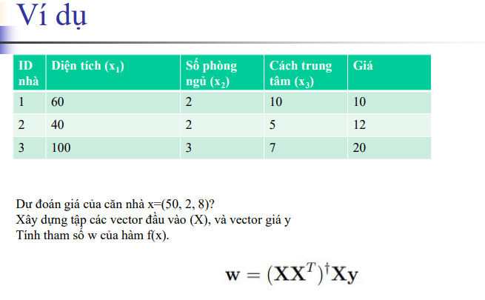

X= | 60 | 40 | 100 |  | XT | 60 | 2 | 10
 | 2 | 2 | 3 |  |  | 40 | 2 | 5
 | 10 | 5 | 7 |  |  | 100 | 3 | 7

X*Y | 3080
 | 104 |  |  |  | Y= | 10
 | 300 |  |  |  |  | 12
 |  |  |  |  |  | 20

X*XT | 15200 | 500 | 1500 |  | (X*XT)-1 | 0.0020238095238 | -0.059523809524 | 9.3492465232E-19
 | 500 | 17 | 51 |  |  | -0.059523809524 | 2.2380952381 | -0.14285714286
 | 1500 | 51 | 174 |  |  | -2.0816681712E-17 | -0.14285714286 | 0.047619047619

(X*XT)-1*X*Y =w |  | 0.042857142857
 |  | 6.5714285714
 |  | -0.57142857143

f(x)=3/70 x1 + 46/7 x2 + (-4/7)x3=3/70 *50 + 46/7 *2 + (-4/7)*8=75/7

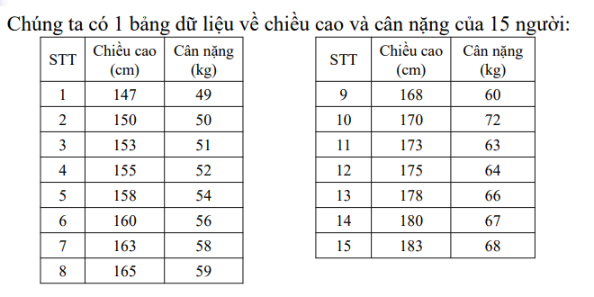

XT | 147 |  |  |  |  | 153 | 155 | 158 | 160 | 163 | 165 | 168 | 170 | 173 | 175 | 178 | 180 | 183
 | 150
 | 153
 | 155
 | 158
 | 160
 | 163
 | 165
 | 168
 | 170
 | 173
 | 175
 | 178
 | 180
 | 183

X | 147 | 150 | 153 | 155 | 158 | 160 | 163 | 165 | 168 | 170 | 173 | 175 | 178 | 180 | 183

