Mind Maps
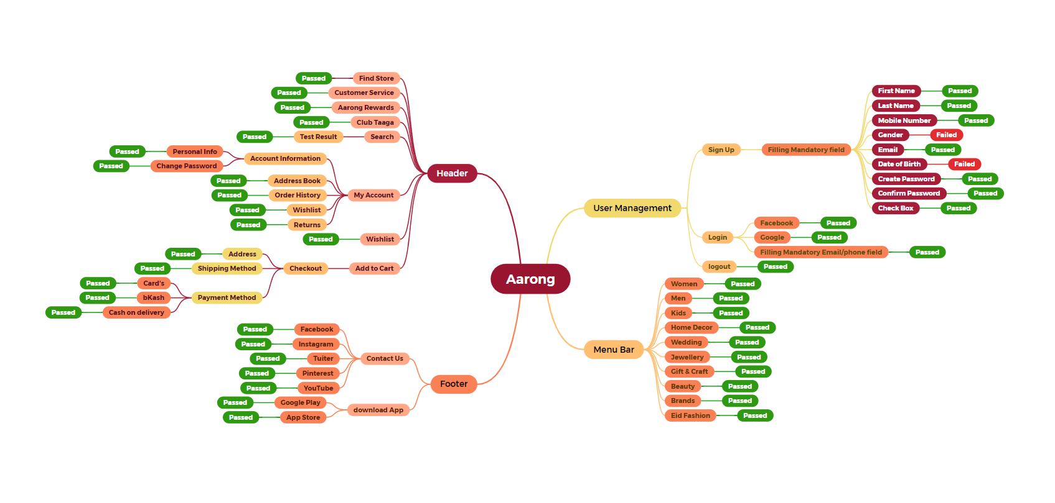

Report
Test case Report |  |  |  |  |  | Total No. | Status
Project Name | Aarong |  |  |  |  | 32 | PASS
Module Name | Sign up and login |  |  |  |  | 6 | FAIL
Test Case Version |  |  |  |  |  | 0 | Not Executed
Written By | Md. Tamjeed Monshi |  |  |  |  | 0 | Out of Scope
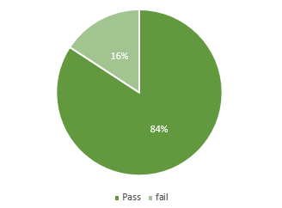
Executed by | Md. Tamjeed Monshi
Reviewed By | Ehsanul Alam Sabbir
TEST EXECUTION REPORT
Test Case | PASS | FAIL | Not Executed | Out Of Scope | Total TC
 | 32 | 6 | 0 | 0 | 38
Grand Total | 32 | 6 | 0 | 0 | 38

 | Testing Type in Scope | Description
Yes/ No. Justification (If No): | Functional Testing | Functional testing verifies a software's features work as designed from a user's perspective.
Yes/ No. Justification (If No): | Integration Testing | Integration testing checks if different parts of a software work together seamlessly.
Yes/ No. Justification (If No): | Negative Testing | Negative testing throws unexpected data at a software to see if it handles errors gracefully.
Yes/ No. Justification (If No): | Usability Testing | Usability testing observes how real users interact with a product to see if it's easy and intuitive.
Yes/ No. Justification (If No): | Browser Compatibility Testing | Browser compatibility testing ensures your website looks and works the same way across different web browsers.
Yes/ No. Justification (If No): | Boundary Value Testing | Boundary value testing targets the edges of a software's input ranges to find errors.
Yes/ No. Justification (If No): | Risk Based Testing Or Regression Testing | Risk-based testing prioritizes testing areas of a software most likely to fail, while regression testing ensures new changes haven't broken existing features.

