OSの準備(Centos6.7)-fd115
各IPを設定する
3 vi /etc/sysconfig/network-scripts/ifcfg-em1
 | BOOTPROTO=static
 | ONBOOT=yes
 | IPV6INIT=no
 | IPADDR=192.168.3.115
 | NETMASK=255.255.255.0
 | GATEWAY=192.168.3.1
 | DNS1=8.8.8.8

SELinuxを停止
firewallを停止
4 free
5 sed -i 's/SELINUX=enforcing/SELINUX=disabled/' /etc/selinux/config
6 chkconfig --level 35 ntpd on
7 chkconfig --list ntpd
9 service iptables status
10 vi /etc/hosts
 | 127.0.0.1 localhost localhost.localdomain localhost4 localhost4.localdomain4
 | ::1 localhost localhost.localdomain localhost6 localhost6.localdomain6
 | 192.168.3.111 fd111 fd111
 | 192.168.3.112 fd112 fd112
 | 192.168.3.113 fd113 fd113
 | 192.168.3.114 fd114 fd114
 | 192.168.3.115 fd115 fd115

11 scp /etc/hosts root@fd111:/etc
12 scp /etc/hosts root@fd112:/etc
13 scp /etc/hosts root@fd113:/etc
14 scp /etc/hosts root@fd114:/etc
15 java -version
16 yum -y erase java
17 rpm -qa | grep java
18 rpm -e --nodeps tzdata-java-2015e-1.el6.noarch
19 rpm -qa | grep java
20 cd /home
21 ll
22 scp jdk-8u152-linux-x64.rpm root@fd111:~
23 scp jdk-8u152-linux-x64.rpm root@fd112:~
24 scp jdk-8u152-linux-x64.rpm root@fd113:~
25 scp jdk-8u152-linux-x64.rpm root@fd114:~
26 rpm -ivh jdk-8u152-linux-x64.rpm
27 java -version
28 reboot

エビデンス-1
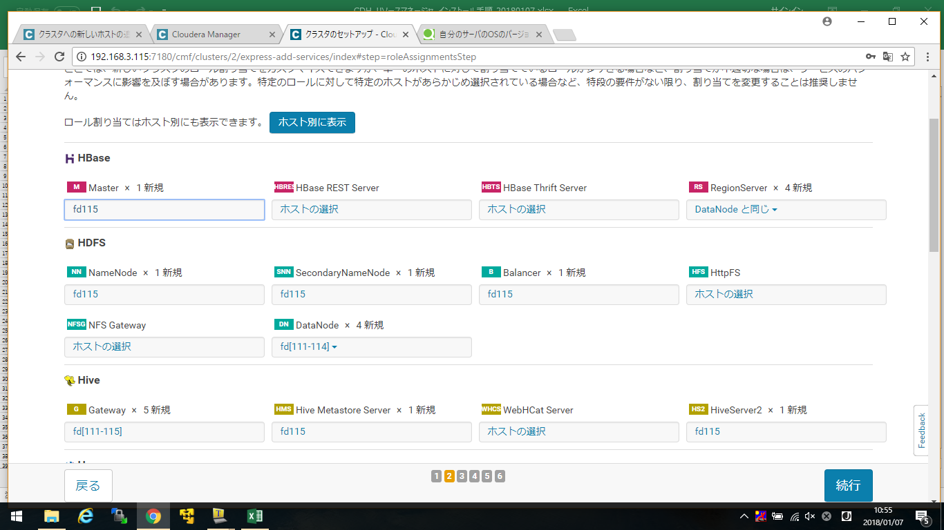

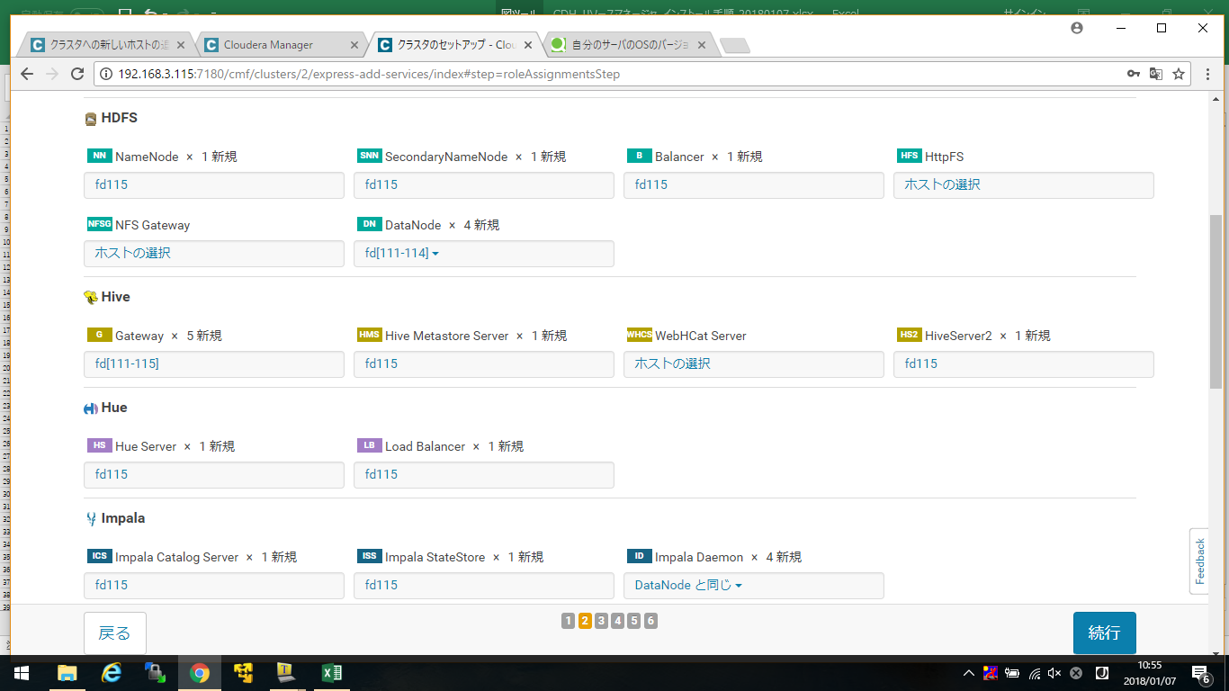

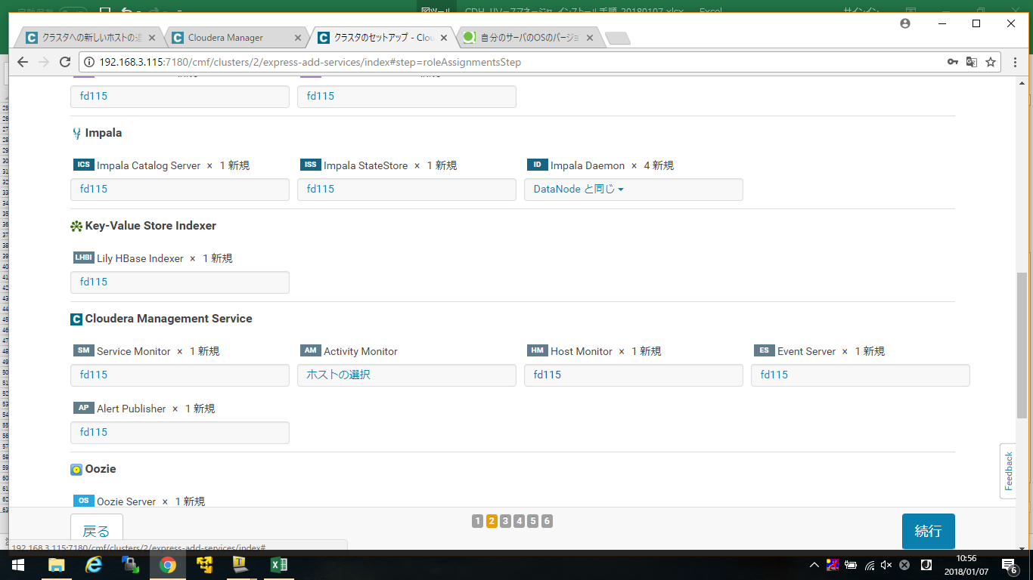

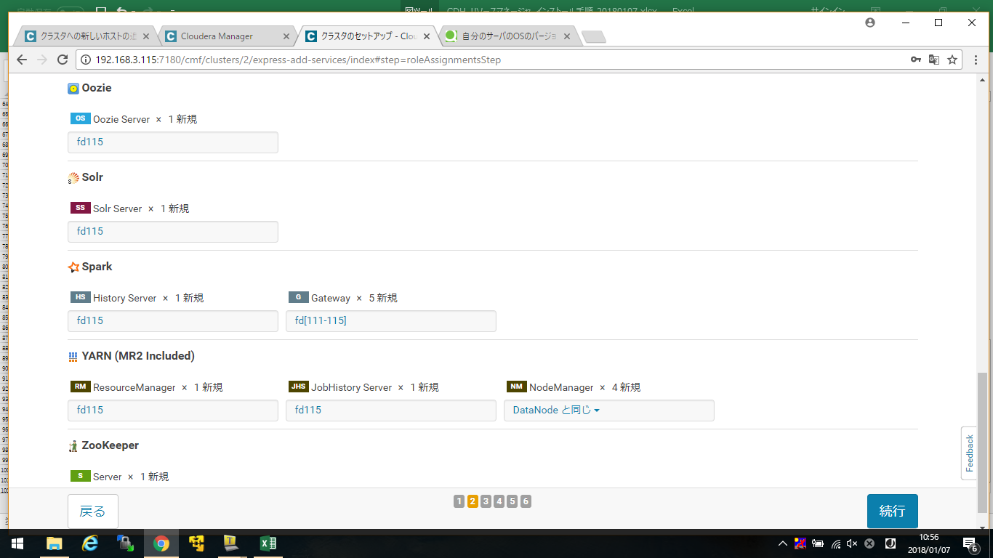

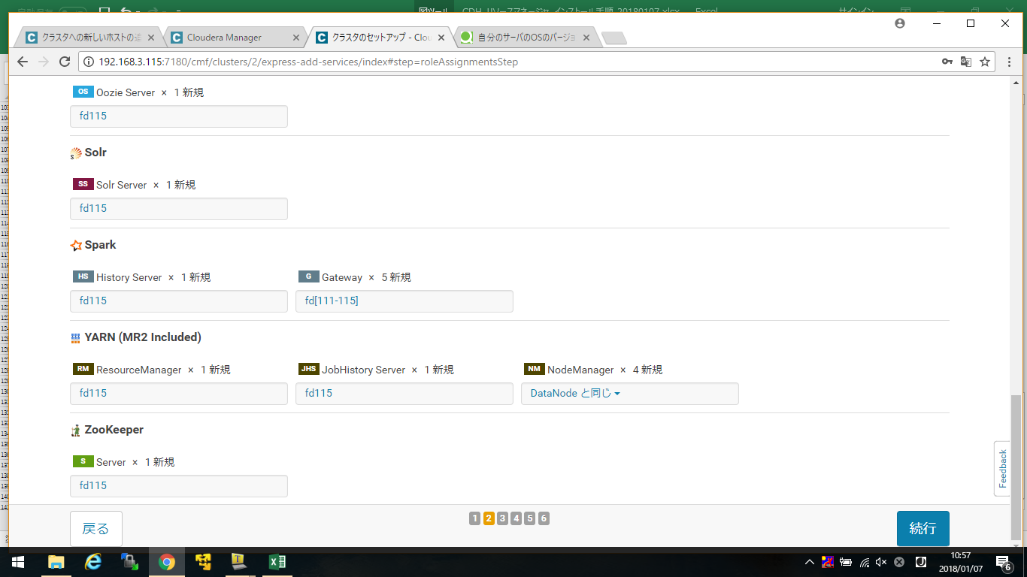

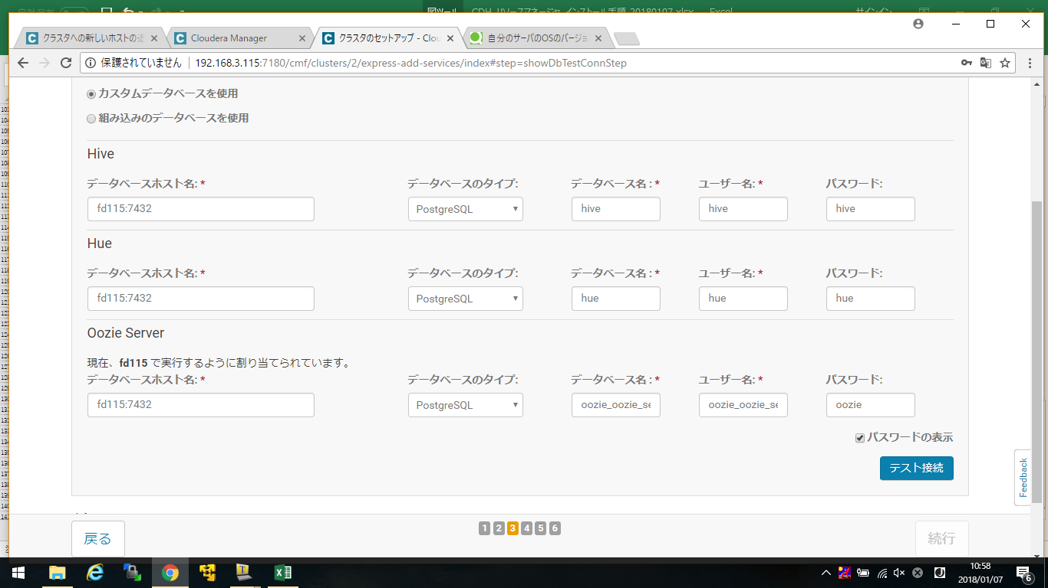

エビデンス-2
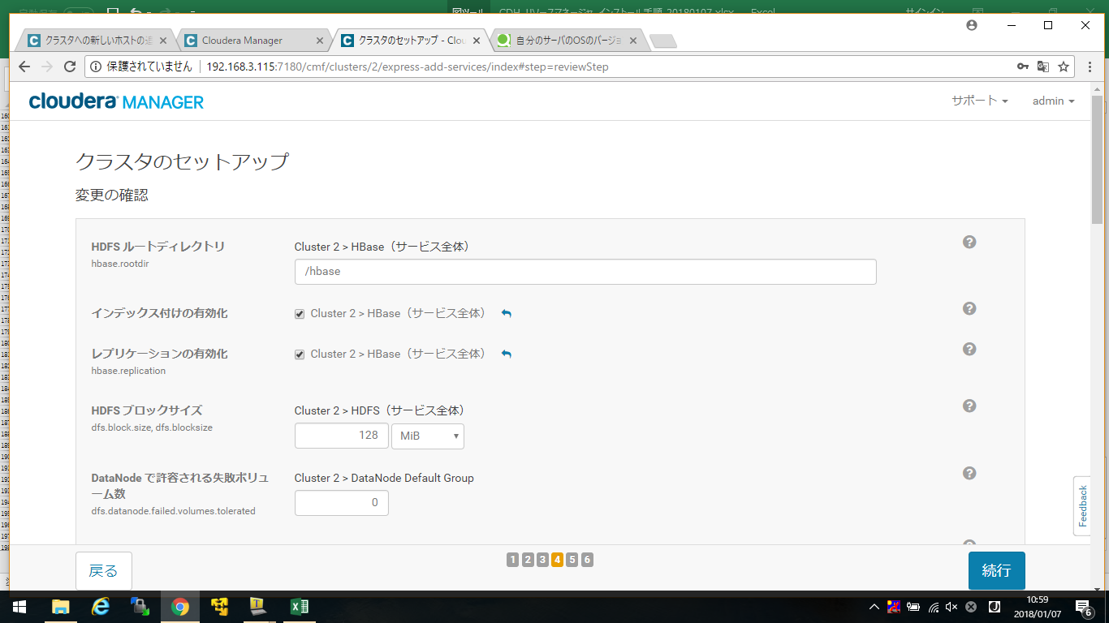

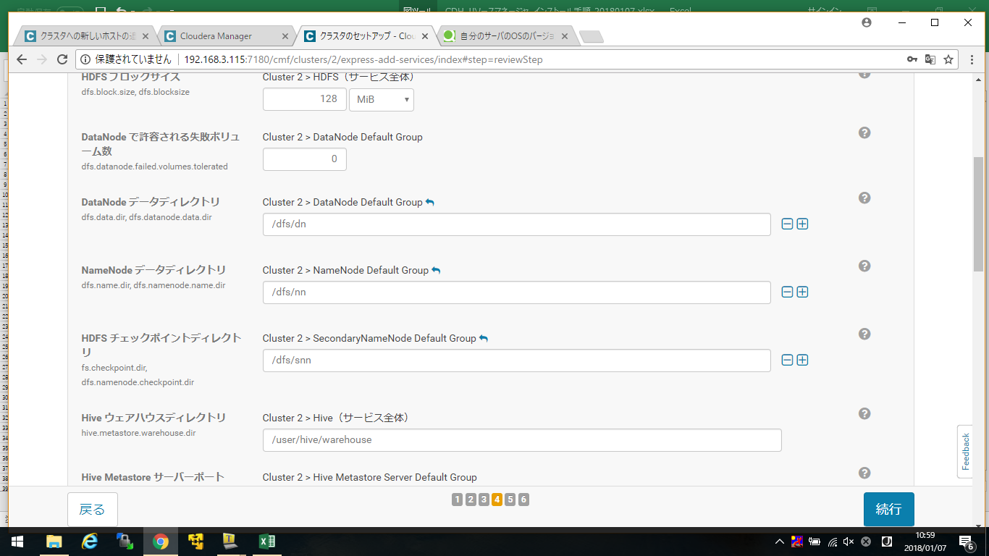

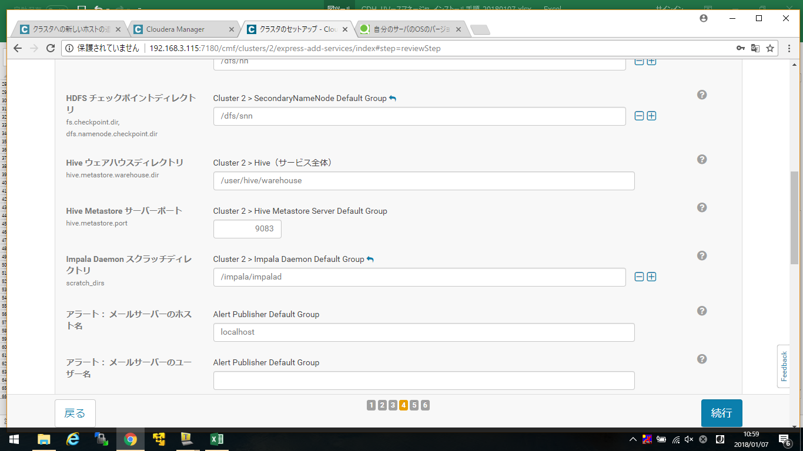

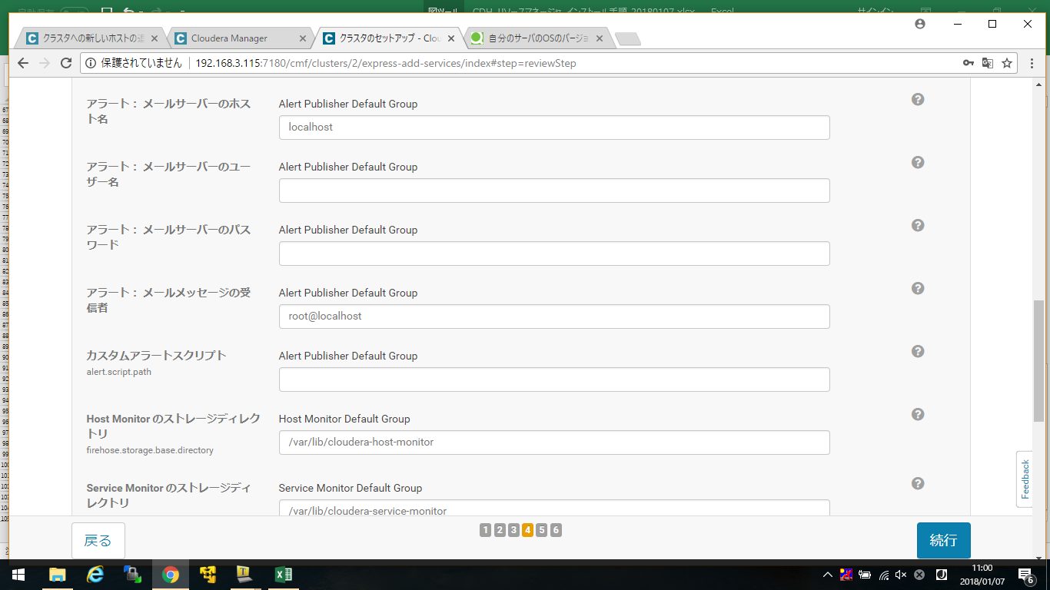

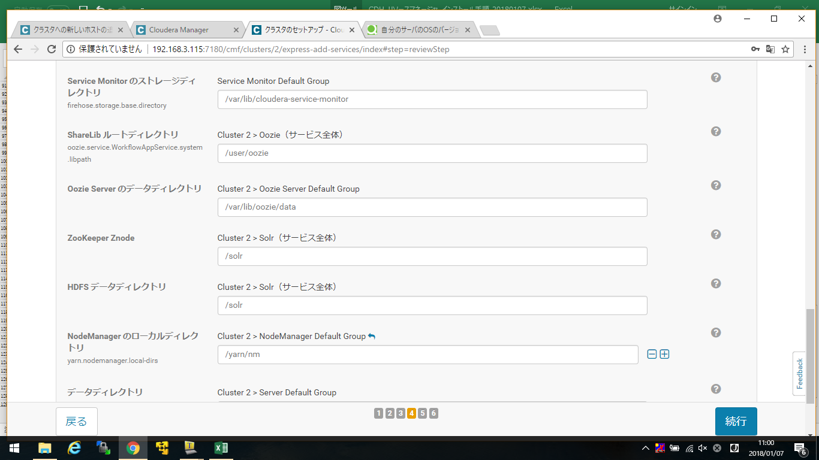

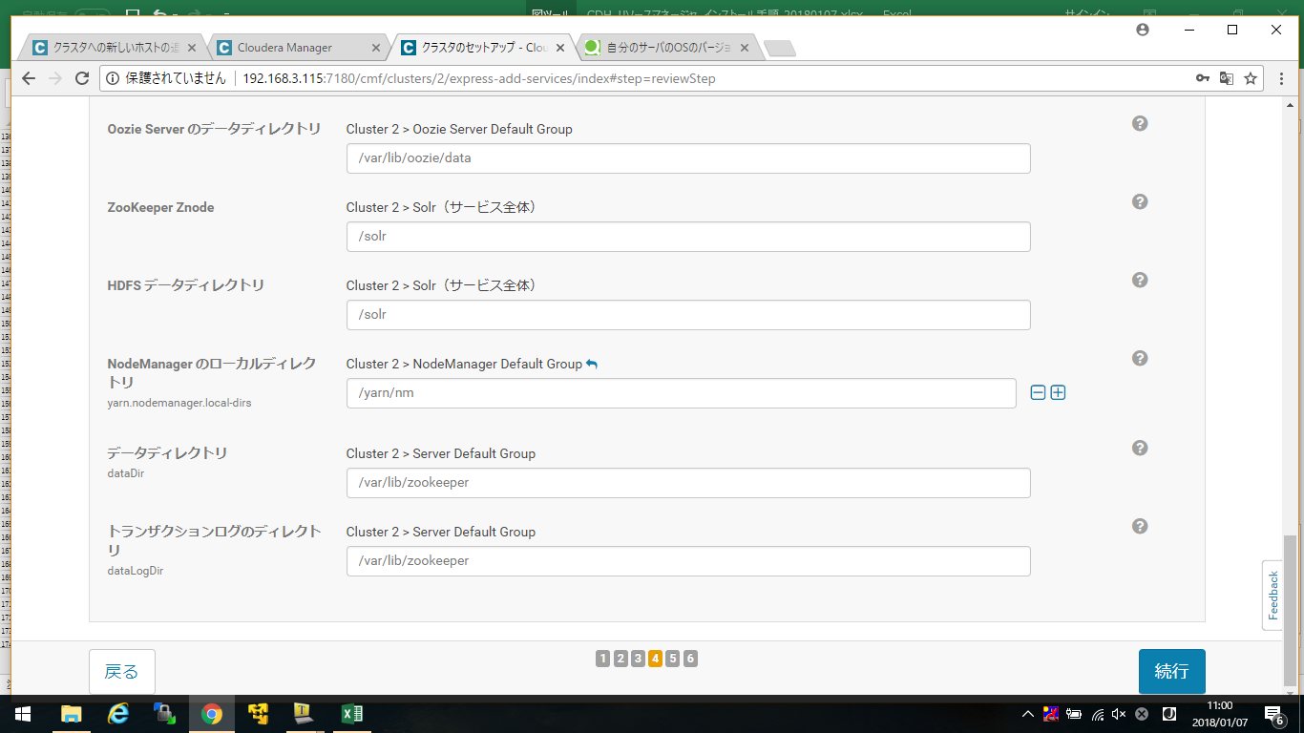

エビデンス-3
