meso explosion
Dropping rate (bags dropped) | 200 | per min |  | How long do you drop for: | 120 | s | ratio = (aMoneyAmountDbl * 0.82 + 28.0) / 5300;
Amount of mesos (integer please) | 7000 |  |  | How long you will bomb: | 40 | s | else
Mesos used per min | 1,400,000 |  |  | Currently it is assumed that you aren't dropping mesos as you bomb. Is that right? |  |  | ratio = aMoneyAmountDbl / (double)(aMoneyAmount + 5250);
 |  | ratio | 0.5714285714
 |  | Avg Damage | 21428
 |  | After speed bombing | 42856 |  |  |  | MIN: (50 * Skill->XValue) * 0.5 * (Mesos / (MesoPool + 5250)) | xvalue of ME at lv 30 is 1000
 |  | DPS | 142,853 |  |  |  | MAX: (50 * Skill->XValue) * (Mesos / (MesoPool + 5250))
Speed bombing. ME takes 0.75 to animate; each bag explosion takes 0.1 to animate. Each ME destroys 20 bags but only bombs 15 bags. i.e. if you cast ME repeatedly, you can bomb a set of 7.5 bags twice on average. Which means the effective damage of each bag is doubled

500 | 0.082641509434 | 3099.0566038
1000 | 0.16 | 6000
1500 | 0.22222222222 | 8333.3333333
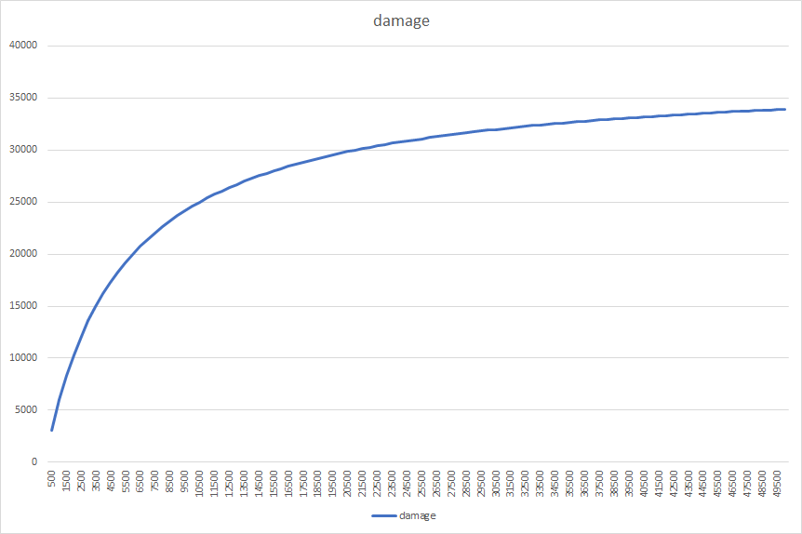
2000 | 0.27586206897 | 10344.827586
2500 | 0.32258064516 | 12096.774194
3000 | 0.36363636364 | 13636.363636
3500 | 0.4 | 15000
4000 | 0.43243243243 | 16216.216216
4500 | 0.46153846154 | 17307.692308
5000 | 0.48780487805 | 18292.682927
5500 | 0.51162790698 | 19186.046512
6000 | 0.53333333333 | 20000
6500 | 0.55319148936 | 20744.680851
7000 | 0.57142857143 | 21428.571429
7500 | 0.58823529412 | 22058.823529
8000 | 0.60377358491 | 22641.509434
8500 | 0.61818181818 | 23181.818182
9000 | 0.63157894737 | 23684.210526
9500 | 0.64406779661 | 24152.542373
10000 | 0.65573770492 | 24590.163934
10500 | 0.66666666667 | 25000
11000 | 0.67692307692 | 25384.615385
11500 | 0.68656716418 | 25746.268657
12000 | 0.69565217391 | 26086.956522
12500 | 0.70422535211 | 26408.450704
13000 | 0.71232876712 | 26712.328767
13500 | 0.72 | 27000
14000 | 0.72727272727 | 27272.727273
14500 | 0.73417721519 | 27531.64557
15000 | 0.74074074074 | 27777.777778
15500 | 0.74698795181 | 28012.048193
16000 | 0.75294117647 | 28235.294118
16500 | 0.75862068966 | 28448.275862
17000 | 0.76404494382 | 28651.685393
17500 | 0.76923076923 | 28846.153846
18000 | 0.77419354839 | 29032.258065
18500 | 0.77894736842 | 29210.526316
19000 | 0.78350515464 | 29381.443299
19500 | 0.78787878788 | 29545.454545
20000 | 0.79207920792 | 29702.970297
20500 | 0.79611650485 | 29854.368932
21000 | 0.8 | 30000
21500 | 0.80373831776 | 30140.186916
22000 | 0.80733944954 | 30275.229358
22500 | 0.81081081081 | 30405.405405
23000 | 0.81415929204 | 30530.973451
23500 | 0.81739130435 | 30652.173913
24000 | 0.82051282051 | 30769.230769
24500 | 0.82352941176 | 30882.352941
25000 | 0.82644628099 | 30991.735537
25500 | 0.82926829268 | 31097.560976
26000 | 0.832 | 31200
26500 | 0.83464566929 | 31299.212598
27000 | 0.83720930233 | 31395.348837
27500 | 0.83969465649 | 31488.549618
28000 | 0.84210526316 | 31578.947368
28500 | 0.84444444444 | 31666.666667
29000 | 0.84671532847 | 31751.824818
29500 | 0.84892086331 | 31834.532374
30000 | 0.85106382979 | 31914.893617
30500 | 0.85314685315 | 31993.006993
31000 | 0.85517241379 | 32068.965517
31500 | 0.85714285714 | 32142.857143
32000 | 0.85906040268 | 32214.765101
32500 | 0.86092715232 | 32284.768212
33000 | 0.86274509804 | 32352.941176
33500 | 0.86451612903 | 32419.354839
34000 | 0.86624203822 | 32484.076433
34500 | 0.8679245283 | 32547.169811
35000 | 0.86956521739 | 32608.695652
35500 | 0.87116564417 | 32668.711656
36000 | 0.87272727273 | 32727.272727
36500 | 0.87425149701 | 32784.431138
37000 | 0.87573964497 | 32840.236686
37500 | 0.87719298246 | 32894.736842
38000 | 0.87861271676 | 32947.976879
38500 | 0.88 | 33000
39000 | 0.8813559322 | 33050.847458
39500 | 0.88268156425 | 33100.558659
40000 | 0.88397790055 | 33149.171271
40500 | 0.88524590164 | 33196.721311
41000 | 0.88648648649 | 33243.243243
41500 | 0.88770053476 | 33288.770053
42000 | 0.88888888889 | 33333.333333
42500 | 0.89005235602 | 33376.963351
43000 | 0.89119170984 | 33419.689119
43500 | 0.89230769231 | 33461.538462
44000 | 0.89340101523 | 33502.538071
44500 | 0.89447236181 | 33542.713568
45000 | 0.89552238806 | 33582.089552
45500 | 0.89655172414 | 33620.689655
46000 | 0.89756097561 | 33658.536585
46500 | 0.89855072464 | 33695.652174
47000 | 0.8995215311 | 33732.057416
47500 | 0.90047393365 | 33767.772512
48000 | 0.9014084507 | 33802.816901
48500 | 0.9023255814 | 33837.209302
49000 | 0.90322580645 | 33870.967742
49500 | 0.90410958904 | 33904.109589
50000 | 0.90497737557 | 33936.651584

