3-ImportAQSMonitors
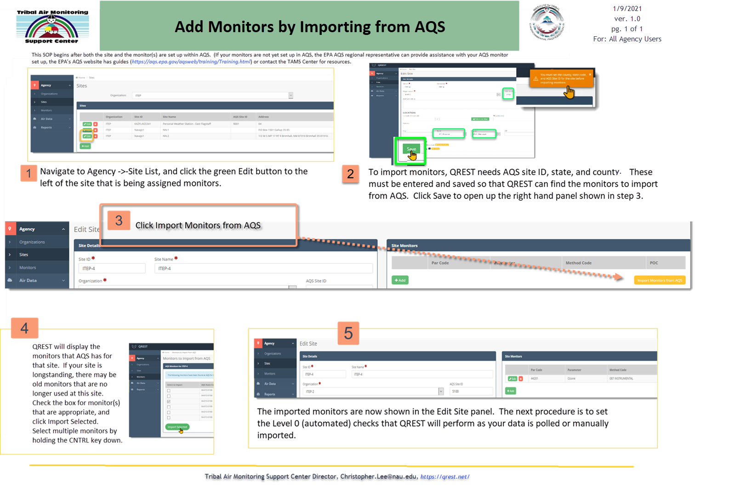
2021-01-09

