4-Level0Limits
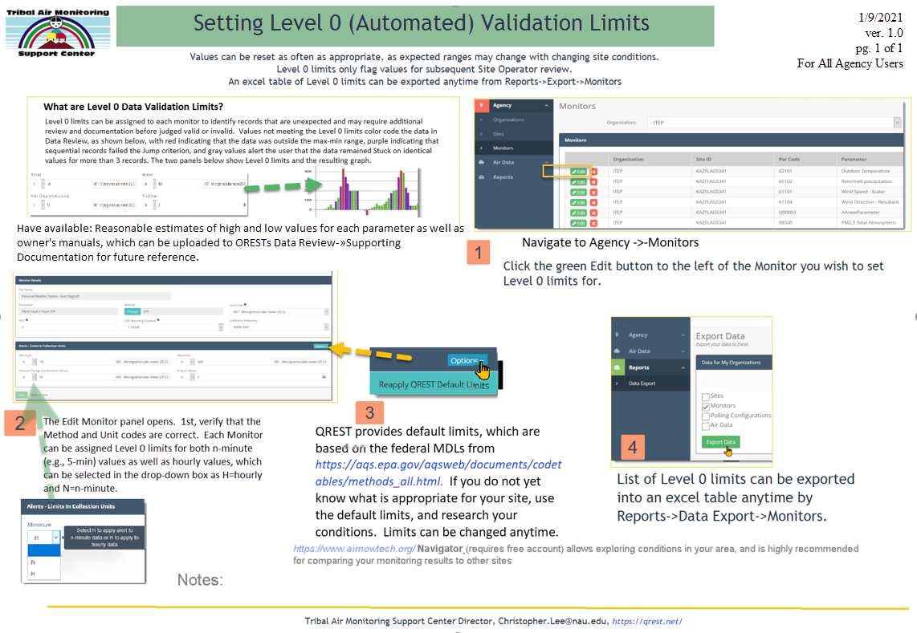
2021-01-09

